Sheet1
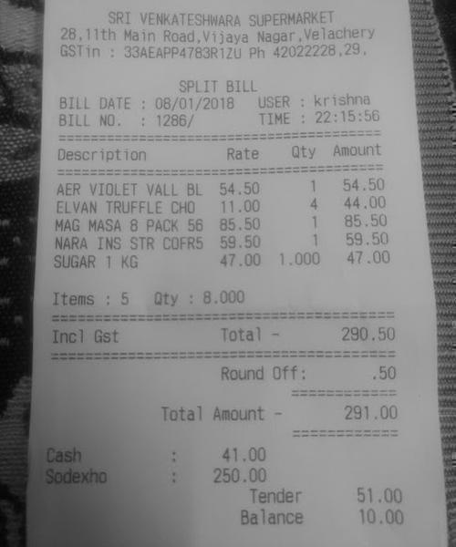
Description | Rate | Qty | Amount
AER VIOLET VALL BL ELVAN TRUFFLE CHO MAG MASA 8 PACK 56 NARA INS STR COFR5 SUGAR 1 KG | 54.50 1 11.00 4 85.501 59.50 159.50 47.00 1.000 | 54.50 44.00 85.50 47.00

