Sheet1
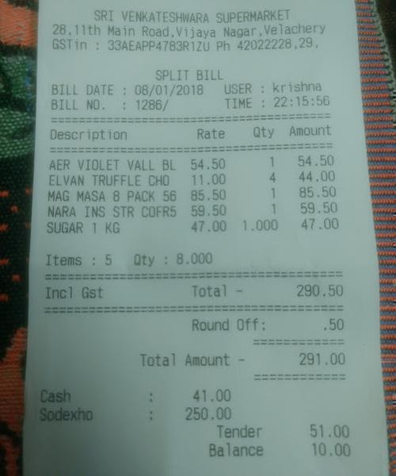
Description | Rate | Qty | Amount
AER VIOLET VALL BL | 54.50 | 1 | 54.50
ELVAN TRUFFLE CHO | 11.00 | 4 | 44.00
MAG MASA 8 PACK 56 | 85.50 | 1 | 85.50
NARA INS STR COFR5 | 59.50 | 1 | 59.50
SUGAR 1 KG | 47.00 | 1.000 | 47.00

