Sheet1
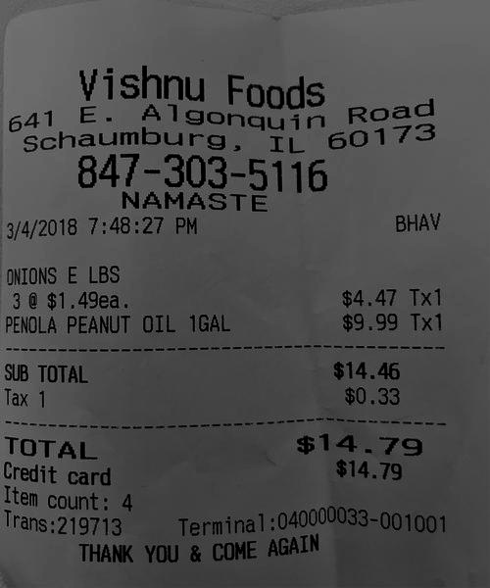
Item | count: | 4

