Sheet1
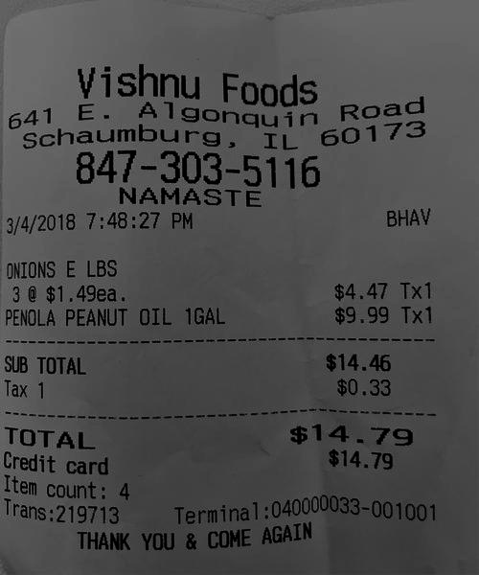
0 | 1 | 2
3 | $1.49ea | $4.4
0 | 0 | $9.99 Tx
0 | 0 | $14.4
0 | 0 | $0.3
0 | 0 | $14.7
0 | 0 | $14.7

