Sheet1
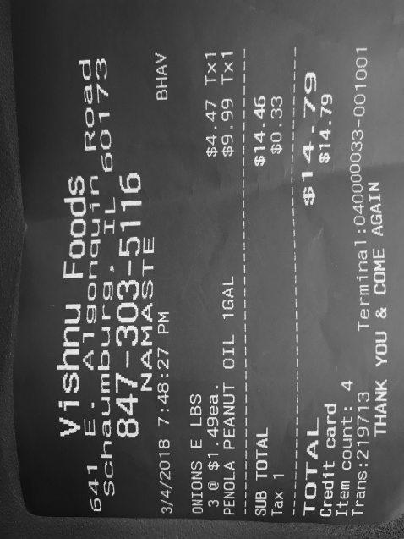
0 | 1 | 2
3 | $1.49ea. | $4.4
Tx1 PEANUT OIL | 1GAL | $9.99 Tx
0 | TOTAL | $14.4
0 | 1 | $0.3
0 | card | $14.7

