Sheet1
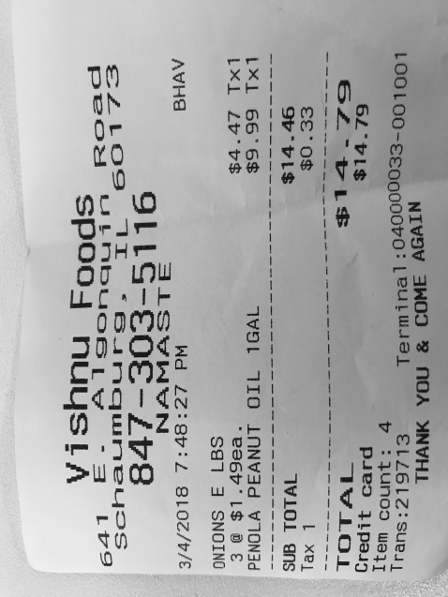
0 | 1 | 2
3 | $1.49ea. | $4.47 Tx1
0 | PEANUT OIL 1GAL | $9.99 Tx1

