Sheet1
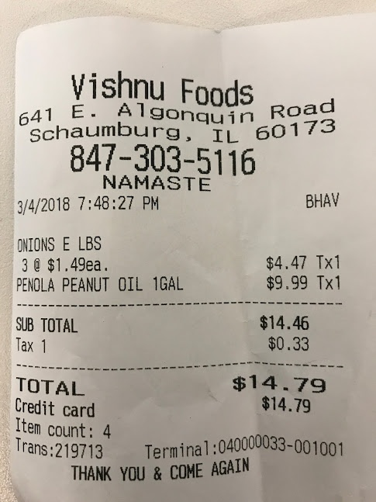
0 | 1
3@ $1.49ea | $4.47 Tx1
PEANUT OIL 1GAL | $9.99 Tx1

