Sheet1
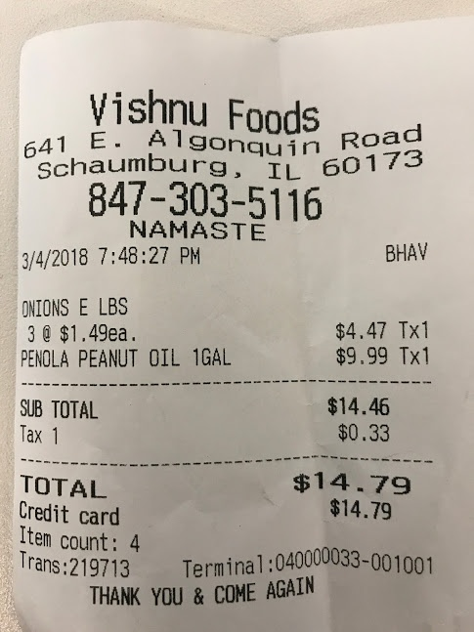
0 | 1 | 2
3 | $1.49ea. | $9.99 Tx1
0 | ONIONS E LBS | $4.47 Tx
0 | 0 | $14.46

