Sheet1
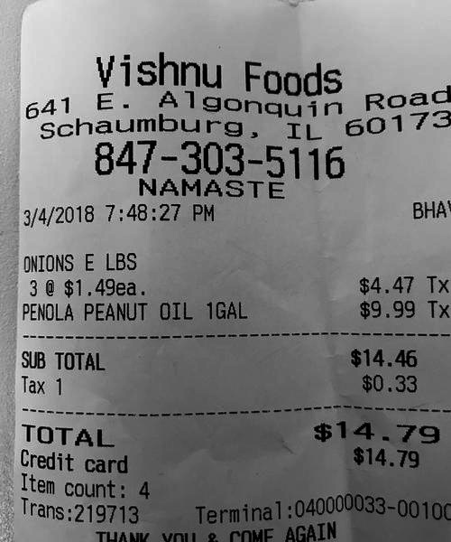
0 | 1
$1.49ea | $4.4
1GAL | $9.99 T
0 | $14.4
0 | $0.3
0 | $14.7
0 | $14.7

