Sheet1
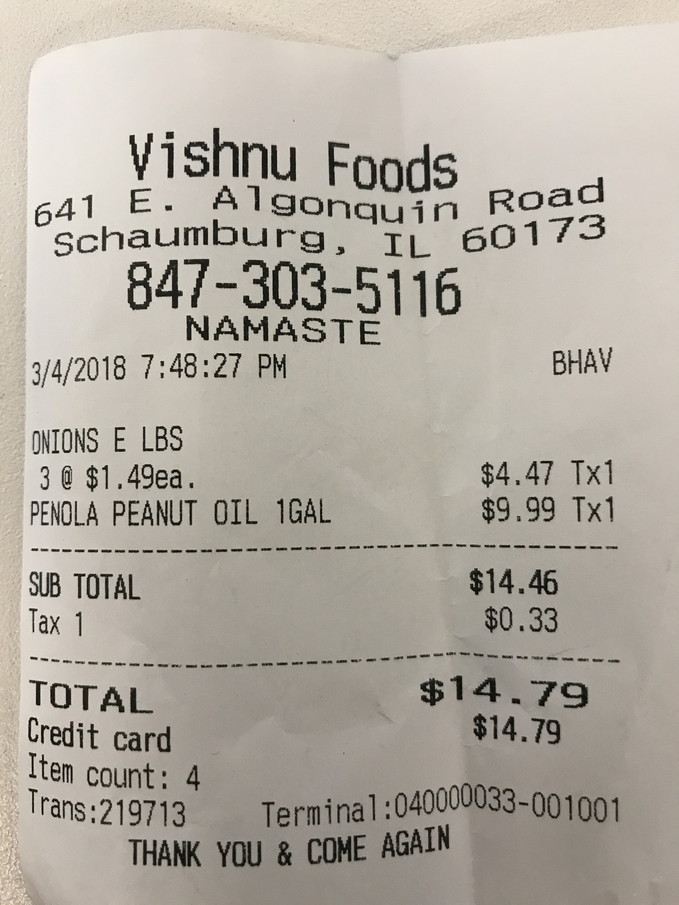
3/4/2018 | ONIONS | 3 | PENOLA | SUB | Tax | TOTAL | Credit Item | Trans:219713

