Sheet1
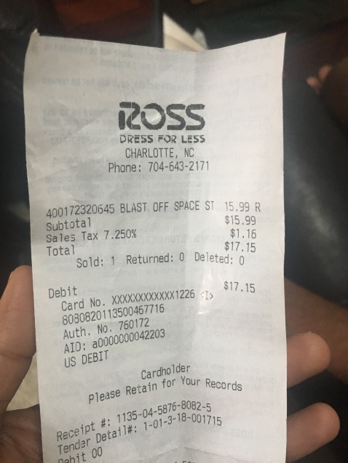
0
400172320645 BLAST OFF SPACE ST 15.99 R

