Sheet1
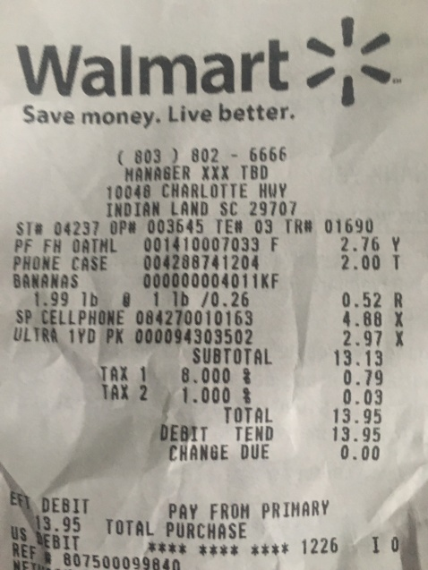
0 | 1 | 2
PHONE | F | 2.76 Y
0 | BANANAS | 2.00 T
0 | SP CELLPHONE | 0.52 R
0 | LTRA 1YD PK 000094303502 | 4.88 X
0 | 0 | 1.99 1b 1 1b /0.26
0 | 0 | 2.97 X

