Compare
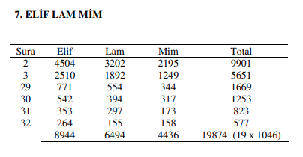
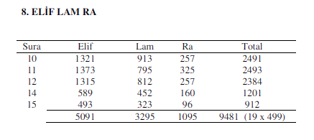
 | A.L.M |  |  |  |  |  |  |  |  |  |  |  | A.L.R
 |  |  |  |  |  |  | Bahhatin Uzunkaya |  |  |  |  |  |  |  |  |  |  | Bahhatin Uzunkaya
 | Chapter | ا | ل | م | Total |  |  |  |  |  |  |  | Chapter | ا | ل | ر | Total
 | 2 | 0 | 0 | 0 | 0 |  |  |  |  |  |  |  | 10 | 0 | 0 | 0 | 0
 | 3 | 0 | 0 | 0 | 0 |  |  |  |  |  |  |  | 11 | 0 | 0 | 0 | 0
 | 29 | 0 | 0 | 0 | 0 |  |  |  |  |  |  |  | 12 | 0 | 0 | 0 | 0
 | 30 | 0 | 0 | 0 | 0 |  |  |  |  |  |  |  | 14 | 0 | 0 | 0 | 0
 | 31 | 0 | 0 | 0 | 0 |  |  |  |  |  |  |  | 15 | 0 | 0 | 0 | 0
 | 32 | 0 | 0 | 0 | 0 |  |  |  |  |  |  |  |  | 0 | 0 | 0 | 0
 |  | 0 | 0 | 0 | 0 |  |  |  |  |  |  |  |  |  |  |  | = 19 x 0
 |  |  |  |  | = 19 x 0 |  |  |  |  |  |  |  |  |  |  |  | 0
 |  |  |  |  | 0

submission.org |  |  |  |  |  |  | masjidtucson.org |  |  |  |  |  | submission.org |  |  |  |  | masjidtucson.org
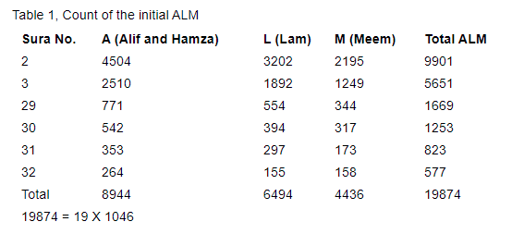
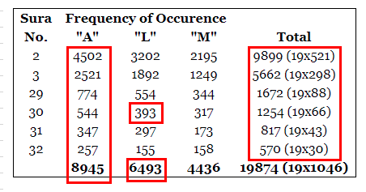
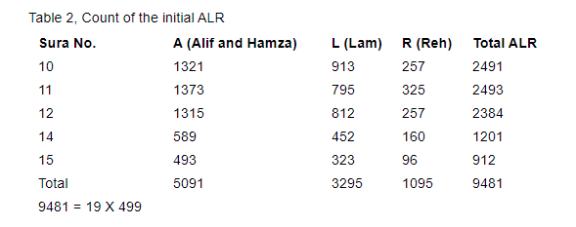
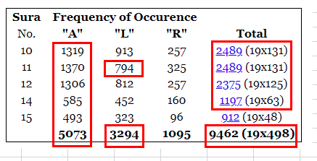

 |  |  |  |  |  |  | Bahhatin Uzunkaya
 | A.L.M.Sh |  |  |  |  |  | A.L.M.Sh
 | Chapter | ا | ل | م | ص | Total | Chapter | ا | ل | م | ص | Total
 | 7 | 0 | 0 | 0 | 0 | 0 | 7 | 2510 | 1530 | 1164 | 97 | 5301
 |  |  |  |  |  | = 19 x 0 |  |  |  |  |  | = 19 x 279
 |  |  |  |  |  | 0 |  |  |  |  |  | 0

 | submission.org |  |  |  |  |  | masjidtucson.org
 | A.L.M.Sh |  |  |  |  |  | A.L.M.Sh
 | Chapter | ا | ل | م | ص | Total | Chapter | ا | ل | م | ص | Total
 | 7 | 2510 | 1530 | 1164 | 97 | 5301 | 7 | 2529 | 1530 | 1164 | 97 | 5320
 |  |  |  |  |  | = 19 x 279 |  |  |  |  |  | = 19 x 280
 |  |  |  |  |  | 0 |  |  |  |  |  | 0

