How to Use This XLS
How to use this Skills Framework Database
1. This XLS file consolidates all the information found wihtin the 34 Skills Frameworks

2. The worksheet tabs are coded in two colours for ease of reference:
 | Orange tabs | contain information from the Skills Maps
 | Blue tabs | contain information from the Technical Skills and Competency (TSC) reference documents

3. Skills Map information is split into four worksheets. You may refer to the mapping visuals below to identify which sections of the Skills Map corresponds to each column in the worksheets
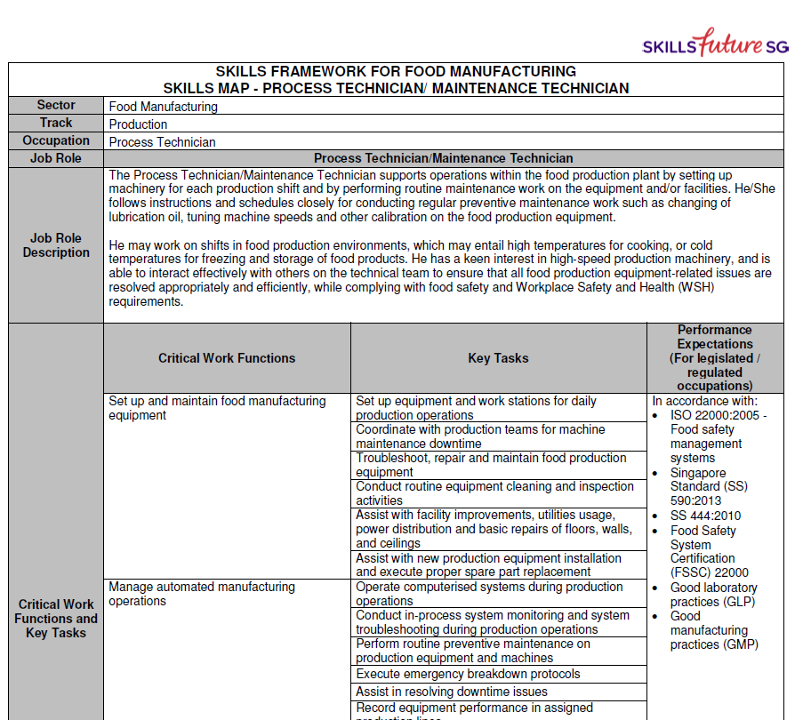
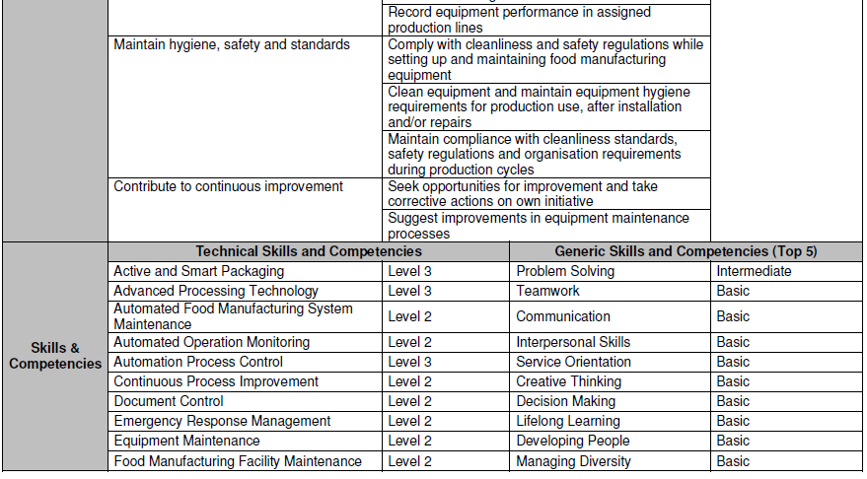
(Example of Skills Map)

3. TSC information is split into three worksheets. You may refer to the mapping visuals below to identify which sections of the TSC reference document corresponds to each column in the worksheets

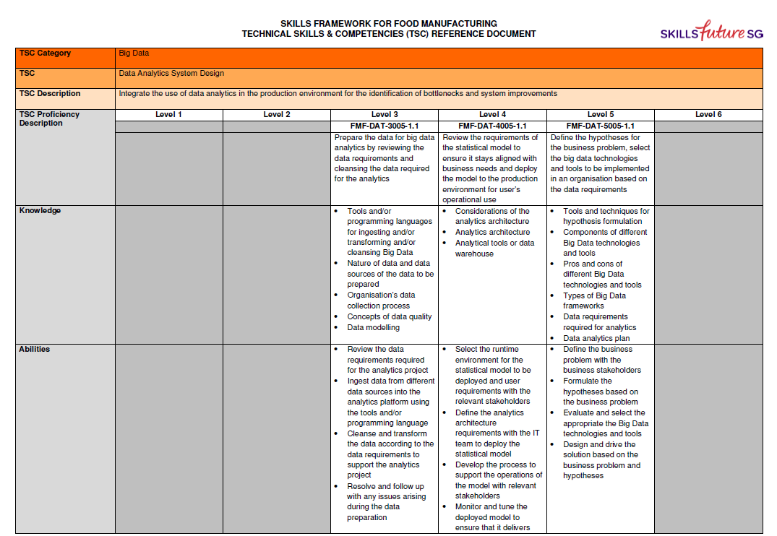
(Example of Skills Map)

This column does not correspond to any section of the TSC reference document.
Rather, this indicates which skills were identified as emerging skills for the sector at the time of publishing the Skills Framework

This worksheet only lists TSCs that feature the Range of Application.

