Portfolio Summary
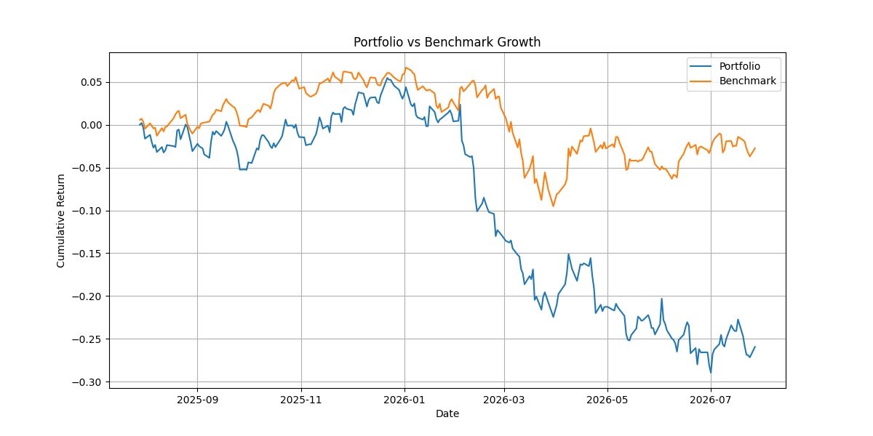
Portfolio Report

Metric | Value
Portfolio Return | -28.60%
Portfolio Risk | 19.43%
Portfolio Sharpe Ratio | -1.7810213089
Portfolio CAGR | -26.20%
Portfolio Beta | 0.96454668531
Portfolio Alpha | -26.88%
Number of Stocks | 3

