Meta Model & Glossary
 | Excel sheet in this file | Column Name | Description
 | L1 Data Domains | ID | The unique identifier of a data domain.
0. Meta Model | L1 Data Domains | Domain name | The unique functional name of a data domain
 | L1 Data Domains | Domain Qualified Name | The unique technical name of a data domain which is used in Apache Atlas.
Below figure displays the Meta Model, which is an overview of the metadata structure in the data dictionary. The Meta Model shows which metadata types exist on both physical and conceptual level, and highlights the relationships between the different metadata types. The concepts Has Parent and Parent Entity Name have been added to Data Entities (L2) to be able to interlink different data entities to created a nested structure, this is required to create a hierarchical structure between different data entities. Level 5 Metadata content is added to this figure, because in certain datasets (e.g. FTE Actuals) metadata is defined in the first column of the table in addition to the header row. To be able to process differently structured datasets, data attributes need to be linked both to Fields (L4) and Metadata Content (L5) because both represent data attributes. | L1 Data Domains | Definition | The definition of a data domain determined by the data steward and data owner.
 | L1 Data Domains | Data Domain Lead | The owner for a data domain.
 | L2 Data Entities | ID | The unique identifier of a data entity.
 | L2 Data Entities | Data Domain | The functional name of the data domain to which a data entity belongs.
 | L2 Data Entities | Entity name | The functional name of a data entity.
 | L2 Data Entities | Direct Relation to Domain | This field describes if an entity has a direct relation to a data domain.
 | L2 Data Entities | Entity Qualified Name | The unique technical name of a data entity which is used in Apache Atlas. This is a combination of the unique technical name of a data domain and the unique technical name of a data entity, which can consist of a single entity name or multiple entity names in case of a parent/child relationship between data entities.
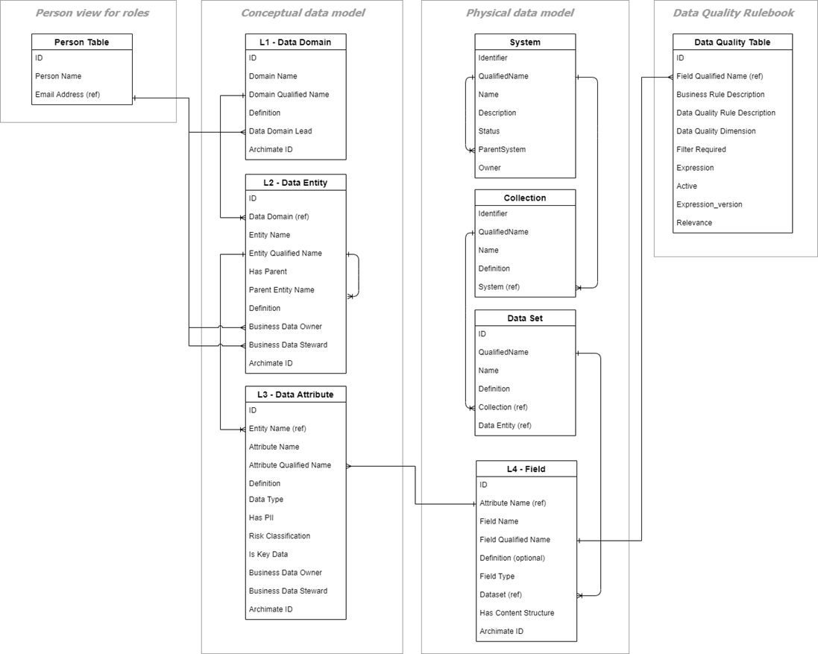
 | L2 Data Entities | Has Parent | Classification if a data entity has a parent data entity. Has Parent can only be answered with yes or no.
 | L2 Data Entities | Parent entity name | The functional entity name to which a data entity belongs in a hierarchical data structure between different data entities. The parent entity should only be filled when Has Parent is equal to 'yes'.
 | L2 Data Entities | Definition | The definition of a data entity determined by the data steward and data owner.
 | L2 Data Entities | Business Data Owner | The Business Data Owner of a data entity. If not provided on data entity level, the value is inherited using the owner of the corresponding data domain.
 | L2 Data Entities | Business Data Steward | The Business Data Steward of a data entity. If not provided on data entity level, the value is inherited using the owner of the corresponding data domain.
 | L3 Data Attributes | ID | The unique identifier of a data attribute.
 | L3 Data Attributes | Entity Name | The functional name of the data entity to which a data attribute belongs.
 | L3 Data Attributes | Attribute Name | The functional name of a data attribute.
 | L3 Data Attributes | Attribute Qualified Name | The unique technical name of a data attribute which is used in Apache Atlas. This is a combination of the unique technical name of a data domain, data entity and data attribute.
 | L3 Data Attributes | Definition | The definition of a data entity determined by the data steward and data owner.
 | L3 Data Attributes | Data Type | The data type of a data attribute (string, numeric, JSON object) which is required to interpret the data in the correct format.
 | L3 Data Attributes | Has PII | Classification if this information is about a person
 | L3 Data Attributes | Risk Classification | The risk classification of a data attribute determined by the data steward and data owner
 | L3 Data Attributes | Is Key Data | Key data classification determined by the data steward and data owner
 | L3 Data Attributes | Business Data Owner | The Business Data Owner of a data attribute. If not provided on data entity level, the value is inherited using the owner of the corresponding data entity.
 | L3 Data Attributes | Business Data Steward | The Business Data Steward of a data attribute. If not provided on data entity level, the value is inherited using the owner of the corresponding data entity.
 | L4 Fields | ID | The unique identifier of a field.
 | L4 Fields | Attribute Name | The functional name of a data attribute which is the conceptual representation of a field.
 | L4 Fields | Attribute Qualified Name | The unique technical name of a data attribute which is the conceptual representation of a field.
 | L4 Fields | System Name | The name of a system to which the field belongs.
 | L4 Fields | Collection Name | The name of a collection to which the field belongs.
 | L4 Fields | Dataset Name | The name of a dataset to which the field belongs.
 | L4 Fields | Field Name | The functional name of a field.
 | L4 Fields | Field Qualified Name | The unique technical name of a field.
 | L4 Fields | Definition (needed?) | The definition of a field determined by the data steward and data owner.
 | L4 Fields | Field Type | Classification of the data type of a field (e.g. string, integer, boolean, JSON object)
 | L4 Fields | Has Content Structure | Classification if a field represents a content structure. This classification is required for data sets in which the first column is part of the metadata structure (e.g. EIS).
 | L5 Content Structure | ID | The unique identifier of a property in the content structure of a dataset.
 | L5 Content Structure | Field Qualified Name | The unique technical name of a field to which a property belongs.
 | L5 Content Structure | Filter ID | The ID of a content structure.
 | L5 Content Structure | Content Structure Name | The functional name of a content structure.
 | L5 Content Structure | Content Structure Qualified Name | The unique technical name of a content structure which is used in Apache Atlas. This is a combination of the unique technical name of a system, collection, dataset, field and property.
 | L5 Content Structure | Definition | The definition of a content structure determined by the data steward and data owner.
 | Data Quality Rulebook | ID | The unique identifier of a data quality rule.
 | Data Quality Rulebook | Field Qualified Name | The unique technical name of a field, for which a data quality rule needs to be applied (only needs te be filled if property qualified name is empty).
 | Data Quality Rulebook | Content Structure Qualified Name | The unique technical name of a property, for which a data quality rule needs to be applied. (only needs te be filled if field qualified name is empty)
 | Data Quality Rulebook | Business Rule Description | Functional description on what the data field needs to adhere to.
 | Data Quality Rulebook | Data Quality Rule Description | Functional description on what the data field needs to adhere to including the related data fields which can be used to program into a measurable rule.
 | Data Quality Rulebook | Data Quality Dimension | Classification of the type of data quality that needs to be measured.
 | Data Quality Rulebook | Filter Required | Classification if a filter is required for a data quality rule (this is required in case a field contains a content structure).
 | Data Quality Rulebook | Expression | The expression that is used by a Python script to apply the correct functionality for a data quality rule.
 | Data Quality Rulebook | Active | Classification if a data quality rule is active or inactive.
 | Data Quality Rulebook | Expression_version | The version of the expression that is used.
 | Person Table | ID | The unique identifier of a person.
 | Person Table | Person Name | The full name of a person.
 | Person Table | Email address | The email address of a person.

Conceptual Data Model
Conceptual Data Model

Purpose of a conceptual data model is to have high level blueprint over the VO-wide/ business critical data attributes, entities and relationships, independent in which system the data resides. Data models for the data entities in scope will support the requirements to have a system-agnostic data model per object and on key attributes readily available for that. The conceptual data model is defined from a business perspective and not from a technical perspective (and is therefore system agnostic).

Data owner / steward:
Finance & Control
Personnel & Organization
SMD Fleet Crew
Project Office / BUs
Data Entity: Organization
Organization
Basket
Functional Organization
Hierarchical Organization
Matrix Row Organization
Matrix Column Organization
Additional attributes not in scope for now
Data Entity: Job
Job Name
Additional attributes not in scope for now
Data Entity: Cost Centre
Cost Centre
Additional attributes not in scope for now
Data Entity:
Personnel managed by SSC, and local branch offices
Data Attributes:
Employee Number
Organization
FTE
Personal Grade
Contract Type
Job Name
Payroll
People Group
Location
Placements
Cost Centre Employee
Full Name
Agency
Basket
Functional Organization
Hierarchical Organization
Matrix Row Organization *
Matrix Column Organization *
Hierarchical Supervisor **
Functional Supervisor **
Contract End Date **
PO Advisor **
Data Entity:
Personnel SMD Fleet initiated
Data Attributes:
Employee Number
Organization
FTE
Personal Grade
Contract Type
Job Name
Payroll
People Group
Location
Placements
Cost Centre Employee
Full Name
Agency
Basket
Functional Organization
Hierarchical Organization
Matrix Row Organization
Matrix Column Organization
Hierarchical Supervisor
Functional Supervisor
Contract End Date
PO Advisor
Data Entity:
Personnel Project Office initiated
Data Attributes:
Employee Number
Organization
FTE
Personal Grade
Contract Type
Job Name
Payroll
People Group
Location
Placements
Cost Centre Employee
Full Name
Agency
Basket
Functional Organization
Hierarchical Organization
Matrix Row Organization
Matrix Column Organization
Hierarchical Supervisor
Functional Supervisor
Contract End Date
Project Planner
Data Domain: Personnel & Organization

