Fig.8
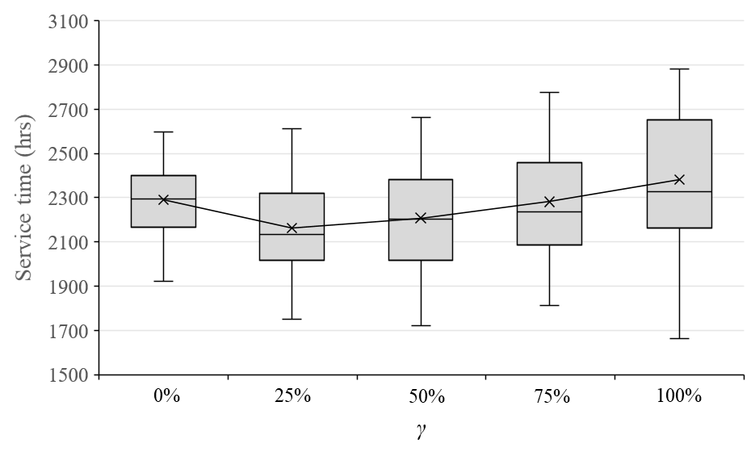
γ = 0% | 2323.6
γ = 0% | 2325.8
γ = 0% | 2337.3
γ = 0% | 2308.7
γ = 0% | 2455.5
γ = 0% | 2177.1
γ = 0% | 2227.4
γ = 0% | 2386.8
γ = 0% | 2472.5
γ = 0% | 2443
γ = 0% | 2107.7
γ = 0% | 2182.7
γ = 0% | 2439.1
γ = 0% | 2072
γ = 0% | 2281.3
γ = 0% | 2211.3
γ = 0% | 2498.7
γ = 0% | 2403.2
γ = 0% | 2143
γ = 0% | 2130.9
γ = 0% | 2180.6
γ = 0% | 2140.9
γ = 0% | 2362.7
γ = 0% | 2231.9
γ = 0% | 2164.4
γ = 0% | 2556.1
γ = 0% | 2267.6
γ = 0% | 2425.6
γ = 0% | 2083.4
γ = 0% | 2268.6
γ = 0% | 2598.9
γ = 0% | 2105.4
γ = 0% | 2217.7
γ = 0% | 2597.6
γ = 0% | 2358.8
γ = 0% | 2397.2
γ = 0% | 2318.1
γ = 0% | 1923.5
γ = 0% | 2133
γ = 0% | 2332
γ = 25% | 2166
γ = 25% | 2162.5
γ = 25% | 2119.7
γ = 25% | 2221.3
γ = 25% | 2407.6
γ = 25% | 2020.7
γ = 25% | 2102.4
γ = 25% | 2304.3
γ = 25% | 2362.1
γ = 25% | 2286.7
γ = 25% | 2014.4
γ = 25% | 1958.7
γ = 25% | 2425.7
γ = 25% | 1940
γ = 25% | 2127.9
γ = 25% | 2056.7
γ = 25% | 2494.2
γ = 25% | 2325.8
γ = 25% | 1969.2
γ = 25% | 1969.6
γ = 25% | 2036.3
γ = 25% | 2023.4
γ = 25% | 2269.2
γ = 25% | 1963.2
γ = 25% | 2050
γ = 25% | 2497.7
γ = 25% | 2163.2
γ = 25% | 2408.2
γ = 25% | 1941
γ = 25% | 2205
γ = 25% | 2613
γ = 25% | 1905.3
γ = 25% | 2058.4
γ = 25% | 2531.7
γ = 25% | 2164.3
γ = 25% | 2354.3
γ = 25% | 2094.6
γ = 25% | 1751.9
γ = 25% | 1909.8
γ = 25% | 2141.2
γ = 50% | 2229.8
γ = 50% | 2219.9
γ = 50% | 2287.1
γ = 50% | 2188.8
γ = 50% | 2372.2
γ = 50% | 2018.4
γ = 50% | 2181.3
γ = 50% | 2343.3
γ = 50% | 2467.1
γ = 50% | 2355.6
γ = 50% | 1888.8
γ = 50% | 1976.1
γ = 50% | 2385
γ = 50% | 2009
γ = 50% | 2172.6
γ = 50% | 2046.2
γ = 50% | 2491.8
γ = 50% | 2400.9
γ = 50% | 2014.2
γ = 50% | 2081
γ = 50% | 2104.1
γ = 50% | 1988.7
γ = 50% | 2505.3
γ = 50% | 2083.8
γ = 50% | 2015.6
γ = 50% | 2657.3
γ = 50% | 2166.1
γ = 50% | 2492.8
γ = 50% | 1974.8
γ = 50% | 2217.6
γ = 50% | 2662.2
γ = 50% | 1914.8
γ = 50% | 2104.3
γ = 50% | 2513
γ = 50% | 2280.5
γ = 50% | 2396.3
γ = 50% | 2220
γ = 50% | 1721.5
γ = 50% | 1928.9
γ = 50% | 2246.1
γ = 75% | 2231.8
γ = 75% | 2221.2
γ = 75% | 2431.3
γ = 75% | 2280.7
γ = 75% | 2651
γ = 75% | 2168.2
γ = 75% | 2207.9
γ = 75% | 2419.7
γ = 75% | 2512.9
γ = 75% | 2459.7
γ = 75% | 2022.3
γ = 75% | 2128.6
γ = 75% | 2417.4
γ = 75% | 2008.6
γ = 75% | 2241.9
γ = 75% | 2097.4
γ = 75% | 2621.9
γ = 75% | 2468.3
γ = 75% | 1955.1
γ = 75% | 2083.2
γ = 75% | 2143.8
γ = 75% | 2056.7
γ = 75% | 2479.9
γ = 75% | 2117.8
γ = 75% | 1984.2
γ = 75% | 2776
γ = 75% | 2304.3
γ = 75% | 2656
γ = 75% | 2010.4
γ = 75% | 2095
γ = 75% | 2666.2
γ = 75% | 1956.7
γ = 75% | 2199.8
γ = 75% | 2747.9
γ = 75% | 2389.8
γ = 75% | 2457.6
γ = 75% | 2346
γ = 75% | 1812.4
γ = 75% | 2070
γ = 75% | 2383
γ = 100% | 2568.6
γ = 100% | 2344.9
γ = 100% | 2384.7
γ = 100% | 2298.7
γ = 100% | 2771
γ = 100% | 2175.2
γ = 100% | 2382.4
γ = 100% | 2741.3
γ = 100% | 2640.6
γ = 100% | 2519.5
γ = 100% | 2102.3
γ = 100% | 2123.1
γ = 100% | 2710
γ = 100% | 2037.8
γ = 100% | 2317.4
γ = 100% | 2291.8
γ = 100% | 2711.3
γ = 100% | 2665.9
γ = 100% | 1996
γ = 100% | 2159.4
γ = 100% | 2231.6
γ = 100% | 2100.1
γ = 100% | 2653.6
γ = 100% | 2200.6
γ = 100% | 2231.3
γ = 100% | 2865.3
γ = 100% | 2270.7
γ = 100% | 2883.6
γ = 100% | 2145.9
γ = 100% | 2290.1
γ = 100% | 2864.8
γ = 100% | 2145.2
γ = 100% | 2258.8
γ = 100% | 2718.7
γ = 100% | 2448.2
γ = 100% | 2454.2
γ = 100% | 2337.7
γ = 100% | 1662.5
γ = 100% | 2056.3
γ = 100% | 2475.8

Fig.9
 | γ=0% | γ=25% | γ=50% | γ=75% | γ=100%
service time | 2289.79 | 2162.93 | 2208.07 | 2282.07 | 2380.92
Waiting time | 1750.02 | 1606.03 | 1638.64 | 1700.37 | 1786.91
Processing time | 539.78 | 556.90 | 569.43 | 581.70 | 594.02

 | Waiting time | Processing time
γ=0% | 1750.015 | 539.775
γ=25% | 1606.0275 | 556.9025
γ=50% | 1638.6375 | 569.4325
γ=75% | 1700.365 | 581.7
γ=100% | 1786.9075 | 594.015

Fig.10
Plarge | 0% | 25% | 50% | 75% | 100% | Min
100% | 3152.29 | 3243.59 | 3367.50 | 3492.80 | 3711.04 | 3152.2875
90% | 2938.51 | 2975.42 | 3082.83 | 3215.92 | 3387.14 | 2938.5075
80% | 2769.61 | 2741.92 | 2845.00 | 2995.16 | 3159.48 | 2741.9175
70% | 2608.72 | 2559.81 | 2625.68 | 2750.60 | 2935.40 | 2559.805
60% | 2422.97 | 2331.74 | 2372.28 | 2494.76 | 2642.68 | 2331.7375
50% | 2289.79 | 2162.93 | 2208.07 | 2282.07 | 2380.92 | 2162.93
40% | 2114.09 | 1962.36 | 1973.85 | 2013.67 | 2080.87 | 1962.3575
30% | 1986.24 | 1805.34 | 1789.96 | 1793.82 | 1845.26 | 1789.955
20% | 1846.10 | 1657.02 | 1622.65 | 1593.71 | 1614.16 | 1593.71
P_{large}
10% | 1764.33 | 1554.93 | 1501.53 | 1449.10 | 1425.02 | 1425.0225
0% | 1670.74 | 1447.17 | 1376.60 | 1297.18 | 1260.01 | 1260.0125

 |  |  |  | 理想图 |  | 实际图

Fig.11
Number | 0% | 25% | 50% | 75% | 100% | Min
10 | 168.47 | 167.72 | 166.34 | 166.43 | 169.16 | 166.34
20 | 551.09 | 517.62 | 515.23 | 520.16 | 535.97 | 515.2275
30 | 1261.11 | 1182.95 | 1183.92 | 1201.69 | 1251.71 | 1182.945
40 | 2289.79 | 2162.93 | 2208.07 | 2282.07 | 2380.92 | 2162.93
50 | 3554.96 | 3368.76 | 3447.15 | 3646.53 | 3814.57 | 3368.755
60 | 5137.24 | 4881.25 | 5070.37 | 5277.99 | 5519.79 | 4881.2475

$$\left|I\right|$$

 |  |  |  | 理想图 |  | 实际图

Fig.12
Number/γ*/Plarge | 0% | 10% | 20% | 30% | 40% | 50% | 60% | 70% | 80% | 90% | 100%
20 | 100% | 100% | 75% | 75% | 50% | 50% | 25% | 50% | 0% | 0% | 0%
40 | 100% | 100% | 75% | 50% | 25% | 25% | 25% | 25% | 25% | 0% | 0%
60 | 100% | 100% | 50% | 25% | 25% | 25% | 25% | 25% | 25% | 0% | 0%

$$\left|I\right|$$

Fig.13
ω | 0% | 25% | 50% | 75% | 100% | Min
0% | 2228.29 | 1939.19 | 1876.73 | 1842.81 | 1823.41 | 1823.4125
5% | 2263.16 | 2068.90 | 2054.55 | 2082.93 | 2094.55 | 2054.5525
10% | 2255.29 | 2133.31 | 2156.89 | 2217.05 | 2322.35 | 2133.3125
15% | 2276.57 | 2191.02 | 2296.41 | 2410.42 | 2608.92 | 2191.0225

$$ω$$

 |  |  |  | 理想图 |  | 实际图

