Sheet1
Coformer 1 | SMILES | Coformer 2 | SMILES | Tag | Score
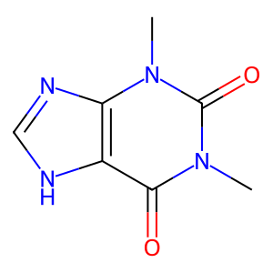 | Cn1c(=O)c2[nH]cnc2n(C)c1=O | 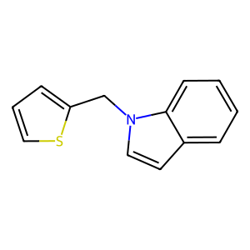 | c1csc(Cn2ccc3ccccc32)c1 | drug&coformer_1 | 52.358978271
 | Cn1c(=O)c2[nH]cnc2n(C)c1=O | 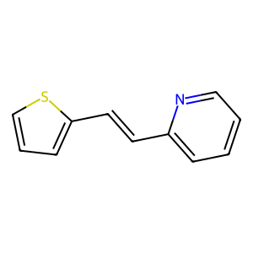 | C(=Cc1cccs1)c1ccccn1 | drug&coformer_15 | 48.735515594
 | Cn1c(=O)c2[nH]cnc2n(C)c1=O | 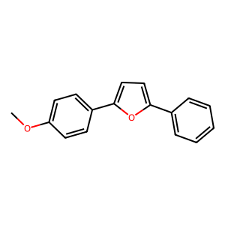 | COc1ccc(-c2ccc(-c3ccccc3)o2)cc1 | drug&coformer_19 | 45.516849518
 | Cn1c(=O)c2[nH]cnc2n(C)c1=O | 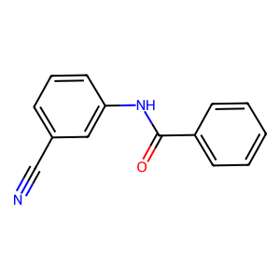 | N#Cc1cccc(NC(=O)c2ccccc2)c1 | drug&coformer_3 | 43.062763214
 | Cn1c(=O)c2[nH]cnc2n(C)c1=O | 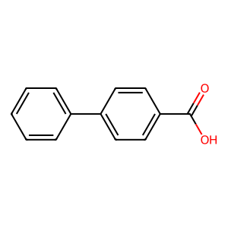 | O=C(O)c1ccc(-c2ccccc2)cc1 | drug&coformer_10 | 41.816387177
 | Cn1c(=O)c2[nH]cnc2n(C)c1=O | 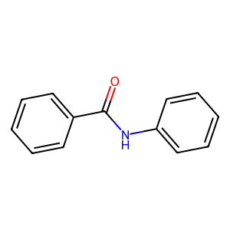 | O=C(Nc1ccccc1)c1ccccc1 | drug&coformer_18 | 38.785060883
 | Cn1c(=O)c2[nH]cnc2n(C)c1=O | 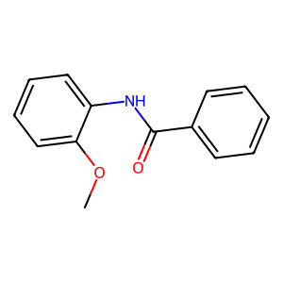 | COc1ccccc1NC(=O)c1ccccc1 | drug&coformer_2 | 38.738716125
 | Cn1c(=O)c2[nH]cnc2n(C)c1=O | 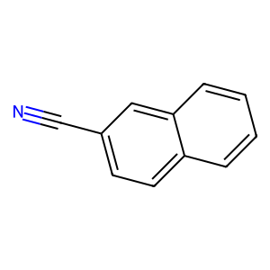 | N#Cc1ccc2ccccc2c1 | drug&coformer_25 | 38.219238281
 | Cn1c(=O)c2[nH]cnc2n(C)c1=O | 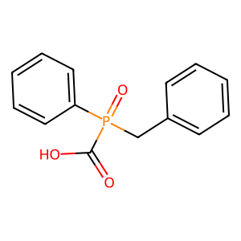 | O=C(O)P(=O)(Cc1ccccc1)c1ccccc1 | drug&coformer_4 | 35.487987518
 | Cn1c(=O)c2[nH]cnc2n(C)c1=O | 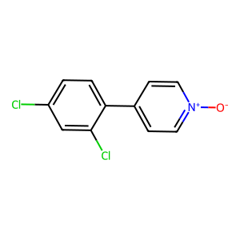 | [O-][n+]1ccc(-c2ccc(Cl)cc2Cl)cc1 | drug&coformer_6 | 35.255062103
 | Cn1c(=O)c2[nH]cnc2n(C)c1=O | 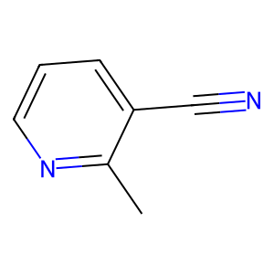 | Cc1ncccc1C#N | drug&coformer_13 | 34.079727173
 | Cn1c(=O)c2[nH]cnc2n(C)c1=O | 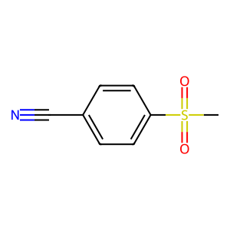 | CS(=O)(=O)c1ccc(C#N)cc1 | drug&coformer_11 | 31.21103096
 | Cn1c(=O)c2[nH]cnc2n(C)c1=O | 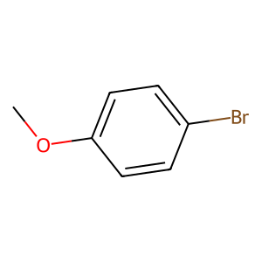 | COc1ccc(Br)cc1 | drug&coformer_24 | 30.51276207
 | Cn1c(=O)c2[nH]cnc2n(C)c1=O | 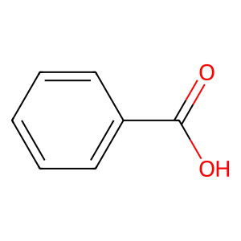 | O=C(O)c1ccccc1 | drug&coformer_14 | 30.086374283
 | Cn1c(=O)c2[nH]cnc2n(C)c1=O | 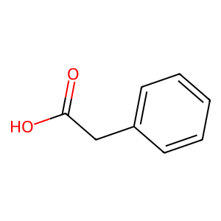 | O=C(O)Cc1ccccc1 | drug&coformer_22 | 29.633758545
 | Cn1c(=O)c2[nH]cnc2n(C)c1=O | 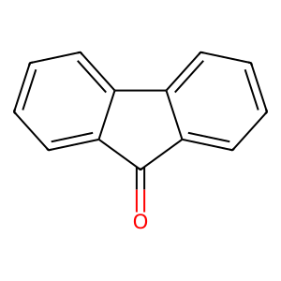 | O=C1c2ccccc2-c2ccccc21 | drug&coformer_7 | 29.311965942
 | Cn1c(=O)c2[nH]cnc2n(C)c1=O | 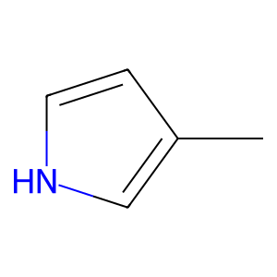 | Cc1cc[nH]c1 | drug&coformer_20 | 28.018421173
 | Cn1c(=O)c2[nH]cnc2n(C)c1=O | 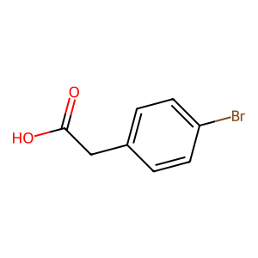 | O=C(O)Cc1ccc(Br)cc1 | drug&coformer_21 | 25.192642212
 | Cn1c(=O)c2[nH]cnc2n(C)c1=O | 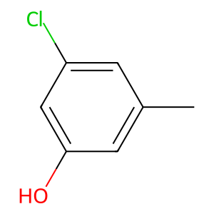 | Cc1cc(O)cc(Cl)c1 | drug&coformer_5 | 23.047868729
 | Cn1c(=O)c2[nH]cnc2n(C)c1=O | 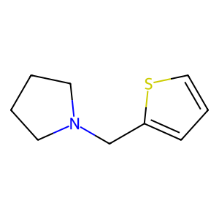 | c1csc(CN2CCCC2)c1 | drug&coformer_26 | 20.391693115
 | Cn1c(=O)c2[nH]cnc2n(C)c1=O | 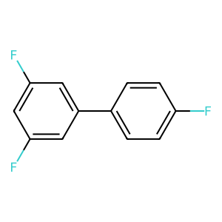 | Fc1ccc(-c2cc(F)cc(F)c2)cc1 | drug&coformer_17 | 16.774578094
 | Cn1c(=O)c2[nH]cnc2n(C)c1=O | 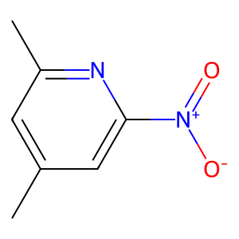 | Cc1cc(C)nc([N+](=O)[O-])c1 | drug&coformer_0 | 16.745140076
 | Cn1c(=O)c2[nH]cnc2n(C)c1=O | 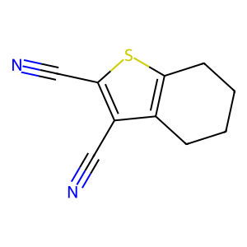 | N#Cc1sc2c(c1C#N)CCCC2 | drug&coformer_23 | 16.610733032
 | Cn1c(=O)c2[nH]cnc2n(C)c1=O | 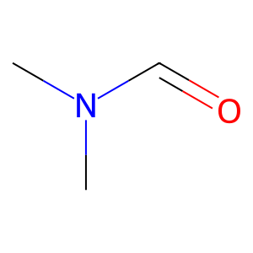 | CN(C)C=O | drug&coformer_16 | 12.096103668
 | Cn1c(=O)c2[nH]cnc2n(C)c1=O | 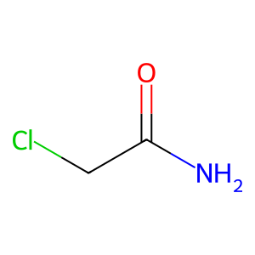 | NC(=O)CCl | drug&coformer_8 | 6.5100402832
 | Cn1c(=O)c2[nH]cnc2n(C)c1=O | 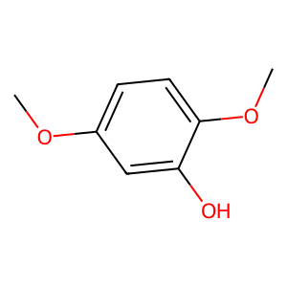 | COc1ccc(OC)c(O)c1 | drug&coformer_9 | 2.6720118523
 | Cn1c(=O)c2[nH]cnc2n(C)c1=O | 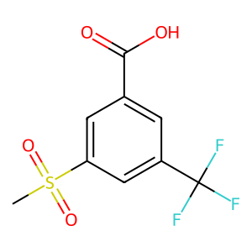 | CS(=O)(=O)c1cc(C(=O)O)cc(C(F)(F)F)c1 | drug&coformer_12 | -3.9116330147

