Sheet1
drug | drug_img | generated_coformers | coformer_img | unobstructed | orthogonal_planes | h_bond_bridging | Score
CN1C2=C(C(=O)N(C1=O)C)NC=N2 | 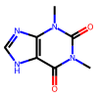 | c1csc(Cn2ccc3ccccc32)c1 | 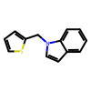 | 1 | 0 | 0 | 52.358978271
CN1C2=C(C(=O)N(C1=O)C)NC=N2 |  | C(=Cc1cccs1)c1ccccn1 | 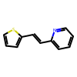 | 1 | 0 | 0 | 48.735515594
CN1C2=C(C(=O)N(C1=O)C)NC=N2 |  | COc1ccc(-c2ccc(-c3ccccc3)o2)cc1 | 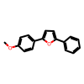 | 1 | 0 | 0 | 45.516849518
CN1C2=C(C(=O)N(C1=O)C)NC=N2 |  | N#Cc1cccc(NC(=O)c2ccccc2)c1 | 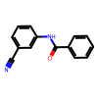 | 1 | 0 | 0 | 43.062763214
CN1C2=C(C(=O)N(C1=O)C)NC=N2 |  | O=C(O)c1ccc(-c2ccccc2)cc1 | 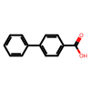 | 1 | 0 | 0 | 41.816387177
CN1C2=C(C(=O)N(C1=O)C)NC=N2 |  | O=C(Nc1ccccc1)c1ccccc1 | 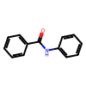 | 1 | 0 | 0 | 38.785060883
CN1C2=C(C(=O)N(C1=O)C)NC=N2 |  | COc1ccccc1NC(=O)c1ccccc1 | 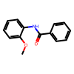 | 1 | 0 | 0 | 38.738716125
CN1C2=C(C(=O)N(C1=O)C)NC=N2 |  | N#Cc1ccc2ccccc2c1 | 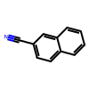 | 1 | 0 | 0 | 38.219238281
CN1C2=C(C(=O)N(C1=O)C)NC=N2 |  | O=C(O)P(=O)(Cc1ccccc1)c1ccccc1 | 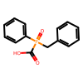 | 1 | 0 | 0 | 35.487987518
CN1C2=C(C(=O)N(C1=O)C)NC=N2 |  | [O-][n+]1ccc(-c2ccc(Cl)cc2Cl)cc1 | 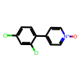 | 1 | 0 | 0 | 35.255062103
CN1C2=C(C(=O)N(C1=O)C)NC=N2 |  | Cc1ncccc1C#N | 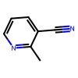 | 1 | 1 | 0 | 34.079727173
CN1C2=C(C(=O)N(C1=O)C)NC=N2 |  | CS(=O)(=O)c1ccc(C#N)cc1 | 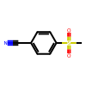 | 1 | 0 | 0 | 31.21103096
CN1C2=C(C(=O)N(C1=O)C)NC=N2 |  | COc1ccc(Br)cc1 | 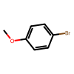 | 1 | 0 | 0 | 30.51276207
CN1C2=C(C(=O)N(C1=O)C)NC=N2 |  | O=C(O)c1ccccc1 | 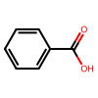 | 1 | 1 | 0 | 30.086374283
CN1C2=C(C(=O)N(C1=O)C)NC=N2 |  | O=C(O)Cc1ccccc1 | 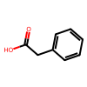 | 1 | 0 | 0 | 29.633758545
CN1C2=C(C(=O)N(C1=O)C)NC=N2 |  | O=C1c2ccccc2-c2ccccc21 | 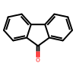 | 1 | 0 | 0 | 29.311965942
CN1C2=C(C(=O)N(C1=O)C)NC=N2 |  | Cc1cc[nH]c1 | 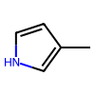 | 1 | 0 | 0 | 28.018421173
CN1C2=C(C(=O)N(C1=O)C)NC=N2 |  | O=C(O)Cc1ccc(Br)cc1 | 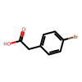 | 1 | 0 | 0 | 25.192642212
CN1C2=C(C(=O)N(C1=O)C)NC=N2 |  | Cc1cc(O)cc(Cl)c1 | 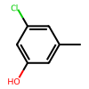 | 1 | 0 | 0 | 23.047868729
CN1C2=C(C(=O)N(C1=O)C)NC=N2 |  | c1csc(CN2CCCC2)c1 | 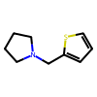 | 1 | 0 | 0 | 20.391693115
CN1C2=C(C(=O)N(C1=O)C)NC=N2 |  | Fc1ccc(-c2cc(F)cc(F)c2)cc1 | 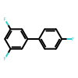 | 1 | 0 | 0 | 16.774578094
CN1C2=C(C(=O)N(C1=O)C)NC=N2 |  | Cc1cc(C)nc([N+](=O)[O-])c1 | 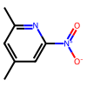 | 1 | 0 | 0 | 16.745140076
CN1C2=C(C(=O)N(C1=O)C)NC=N2 |  | N#Cc1sc2c(c1C#N)CCCC2 | 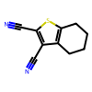 | 1 | 0 | 0 | 16.610733032
CN1C2=C(C(=O)N(C1=O)C)NC=N2 |  | CN(C)C=O | 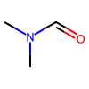 | 1 | 0 | 0 | 12.096103668
CN1C2=C(C(=O)N(C1=O)C)NC=N2 |  | NC(=O)CCl | 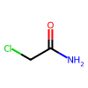 | 1 | 0 | 0 | 6.5100402832
CN1C2=C(C(=O)N(C1=O)C)NC=N2 |  | COc1ccc(OC)c(O)c1 | 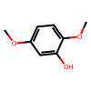 | 1 | 0 | 0 | 2.6720118523
CN1C2=C(C(=O)N(C1=O)C)NC=N2 |  | CS(=O)(=O)c1cc(C(=O)O)cc(C(F)(F)F)c1 | 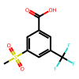 | 1 | 0 | 0 | -3.9116330147

