v2 attachment
No | Attachment
1 | 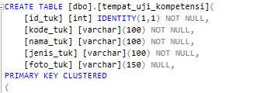 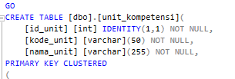
 | 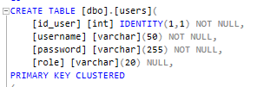

v1
 |  |  |  |  |  |  | QA Tester | Checked By | Approved By

Project Details
 | Project/Application Name |  |  | web-lsp
 | Version Tested |  |  | 1
 | Developer |  |  | TRE

Issues
 | No | Title | Issues Desc | Potential Impact | Expected Result | Date Checked |  | Date Solved
 | 1 | Use <output> instead of the "status" role to ensure accessibility across all devices. | The current implementation uses the ARIA role="status" which may not be consistently supported across all browsers or assistive technologies, leading to accessibility limitations. | Users relying on assistive technologies may not receive updates properly, reducing usability and compliance with accessibility standards. | Replace role="status" with the semantic <output> element to provide better cross-device compatibility and ensure accessible updates for all users. | 2026-06-17
 | 2 | Select * | The query uses SELECT *, which retrieves all columns instead of only the necessary ones. This can lead to inefficient data processing and reduced clarity in code. | Increased query execution time, unnecessary data transfer, higher resource usage, and potential maintenance issues when table structure changes. | Specify only the required columns in the query to improve performance, enhance readability, and ensure better maintainability. | 2026-06-17
 | 3
 | 11

Summary
 | 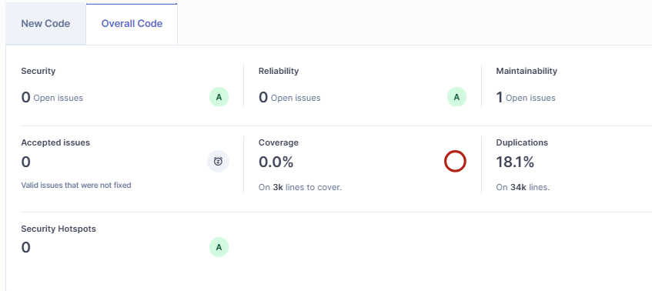

v1 attachment
No | Attachment
1
2 | 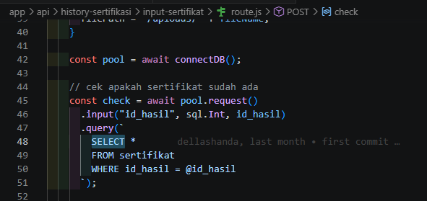 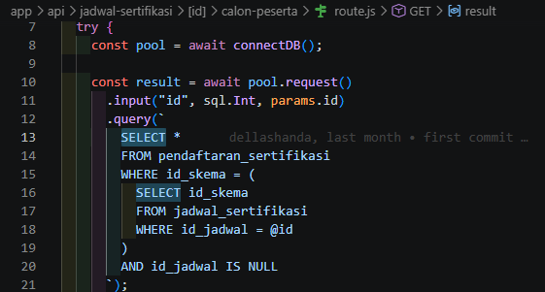
 | 