Inflation bonds
 | Interest capitalisation |  |  |  | No interest capitalisation |  |  |  |  | Name | Value | EDO10 | ROD12 | COI4
Year End | Gross value | Interest | Net value (after tax) | vs inflation | Gross value | Interest | Net value (after tax) | vs inflation | Inflated notional | Inflation (const) | 0.1000 | cap. | cap. | no cap.
Y0 | 1,000.00 |  | 1,000.00 |  | 1,000.00 |  | 1,000.00 |  |  | 1st year coupon | 0.0700 | 0.0655 | 0.0680 | 0.063
YE1 | 1,070.00 | 70.00 | 1,056.70 | -43.30 | 1,070.00 | 70.00 | 1,056.70 | -43.30 | 1,100.00 | 2nd+ year margin | 0.0150 | 0.02 | 0.0250 | 0.015
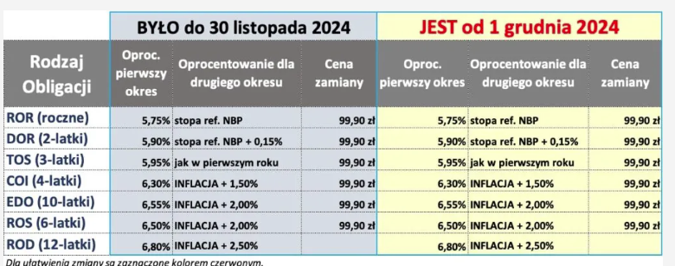
YE2 | 1,193.05 | 123.05 | 1,156.37 | -53.63 | 1,185.00 | 115.00 | 1,149.85 | -60.15 | 1,210.00
YE3 | 1,330.25 | 137.20 | 1,267.50 | -63.50 | 1,300.00 | 115.00 | 1,243.00 | -88.00 | 1,331.00
YE4 | 1,483.23 | 152.98 | 1,391.42 | -72.68 | 1,415.00 | 115.00 | 1,336.15 | -127.95 | 1,464.10
YE5 | 1,653.80 | 170.57 | 1,529.58 | -80.93 | 1,530.00 | 115.00 | 1,429.30 | -181.21 | 1,610.51
YE6 | 1,843.99 | 190.19 | 1,683.63 | -87.93 | 1,645.00 | 115.00 | 1,522.45 | -249.11 | 1,771.56
YE7 | 2,056.05 | 212.06 | 1,855.40 | -93.32 | 1,760.00 | 115.00 | 1,615.60 | -333.12 | 1,948.72
YE8 | 2,292.49 | 236.45 | 2,046.92 | -96.67 | 1,875.00 | 115.00 | 1,708.75 | -434.84 | 2,143.59
YE9 | 2,556.13 | 263.64 | 2,260.46 | -97.48 | 1,990.00 | 115.00 | 1,801.90 | -556.05 | 2,357.95
YE10 | 2,850.08 | 293.95 | 2,498.57 | -95.17 | 2,105.00 | 115.00 | 1,895.05 | -698.69 | 2,593.74
YE11 | 3,177.84 | 327.76 | 2,764.05 | -89.06 | 2,220.00 | 115.00 | 1,988.20 | -864.92 | 2,853.12
YE12 | 3,543.30 | 365.45 | 3,060.07 | -78.36 | 2,335.00 | 115.00 | 2,081.35 | -1,057.08 | 3,138.43
 |  |  | 190.00
 |  |  | 190.00

tax planning
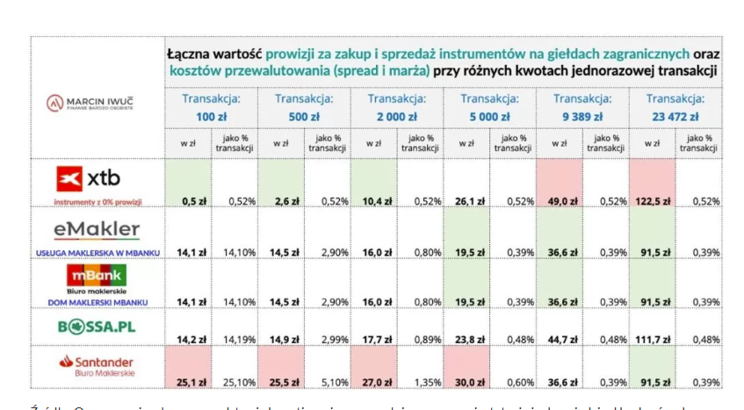
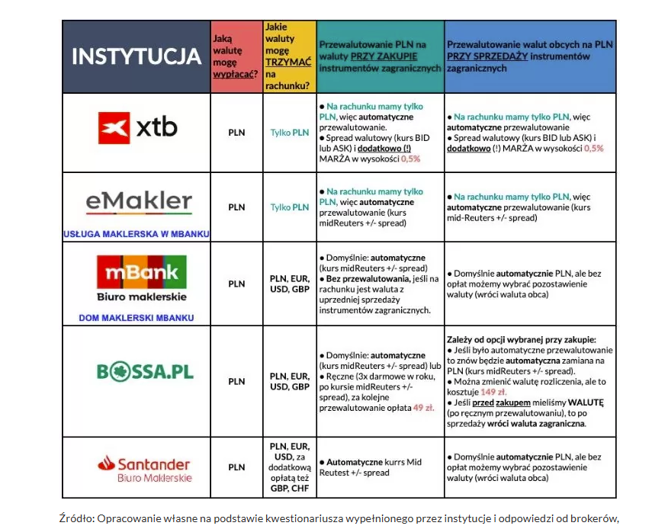
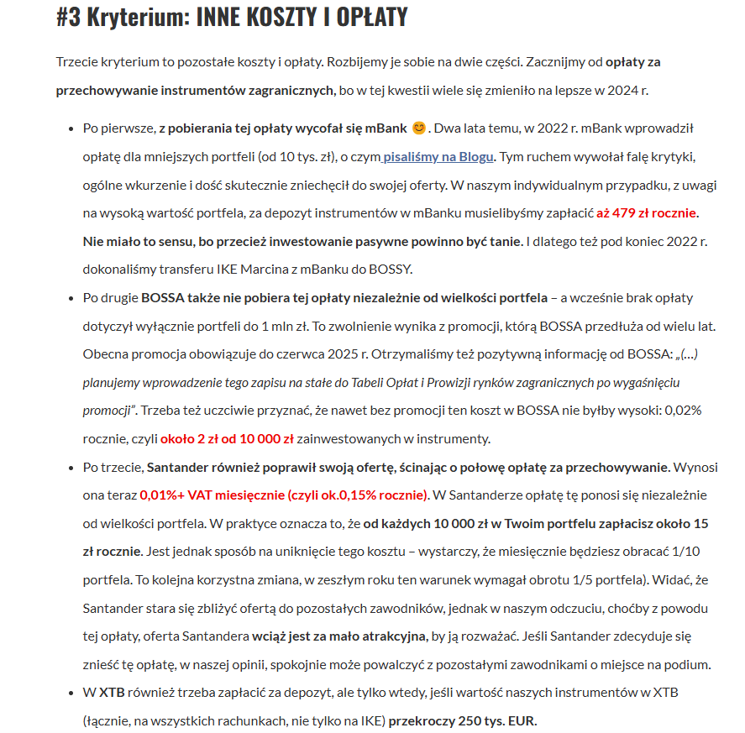
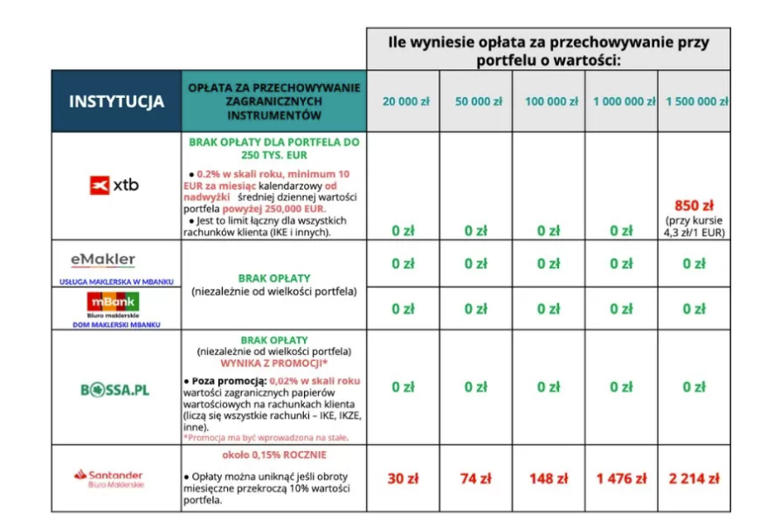
 | only 1 account is allowed per person for IKE and IKZE; OIPE also 1 account; but if residentship is changed - new one might be opened;

 | IKE | IKZE | OIPE (~EU IKE)
Main benefit | No capital gains tax | Can be deducted from income (PIT), 3.3k PLN; 10% (ryczalt) tax still to be paid in best scenario on all accrued funds in IKZE; mo capital gains tax; | No capital gains tax; meant to be EU product that is valid even if you move between countries; on practice - every EU member has it own rules; very different; in Poland it is similar to IKE
Limits 2025 | 26019 | 10407.6 | 3xAverage salary (in PL ~20k) = same as IKE
Forms | Makler, Bank accounts, Treasury Bonds, Funds via TFI; | Makler, Bank accounts, Treasury Bonds, Funds via TFI; | only predefined "strategies"
Tax | Reliefs of 19% capital gain tax until 60y; | All returns (withdraws) are s.t. PIT in next tax settlement; Q: if no income in period would retunr be subject to no tax up to 30k income?
Deposit/Withdrawal | no limits on withdrawal amount/timing, pre 60y taxed with 19% | only full amount if before 65yo; also on demand | only full amount if before 60yo; also on demand
 | can be transferred to different institution |  | can not be partial, capital gains taxes are to be paid;
 | if funds are transferred/withdrawn 1y from first depo, fees may apply |  | can be withdrawn in foreign currency
 | IKE Obligacje are s.t. 0.1% fee, max 200zl |  | some limitations when it comes to transferring funds to other providers;
 | there are Cyprus 2013 case when all deposits on top of 100k EUR guarantee were confiscated? Avoid 100k if possible
Conditions of tax relief | 1. 60y age 2. Either: any 5y investments into IKE or at least 50% of all IKE money were deposited 5y before withdrawal; | 1. 65 yo and 2. at least any 5y had IKZE deposit | 1. 60y age 2. Either: any 5y investments into IKE or at least 50% of all IKE money were deposited 5y before withdrawal;
 |  | makes no sense for maternity leave, since no income to deduct IKZE funds from
 | IKE transfer might? Be of assets; not necessary to close position? | Kwoty uzyskane z tytułu ZWROTU środków z IKZE stanowią przychód z tzw. innych źródeł, opodatkowany według skali podatkowej
 |  |  | in theory, maybe be of lower costs (1% max legally); no such limit in IKE
 |  |  | practically seems to be 1% yearly

 | 1.6288946268 | 135556.61084
 |  | 118808.89537

 | mbank has 2 maklers, DM and emakler - checl | https://marciniwuc.com/ranking-ike-i-ikze/ - great comparison of Maklers
 | xtb always 0.5% of fx charge
 | mbank, Santander have ~0.1% fx charge (mid Reuters); Przy obecnym kursie (4,3 zł za EUR) w mBanku i Santanderze, będzie to 0,43 gr za każde EUR
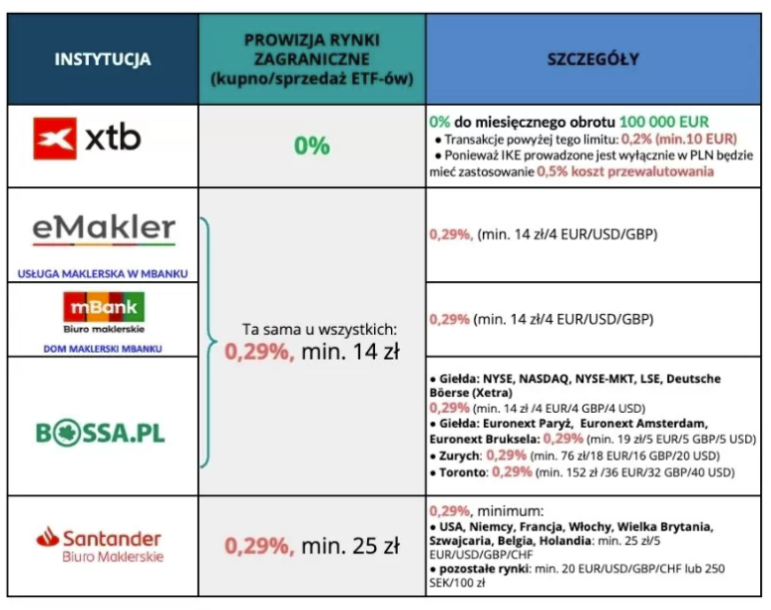
 | Bossa is also mid Reuters + 0.8 gr

 | xtb vs mbank/bossa ~2800-3300 PLN on par

