Sheet1
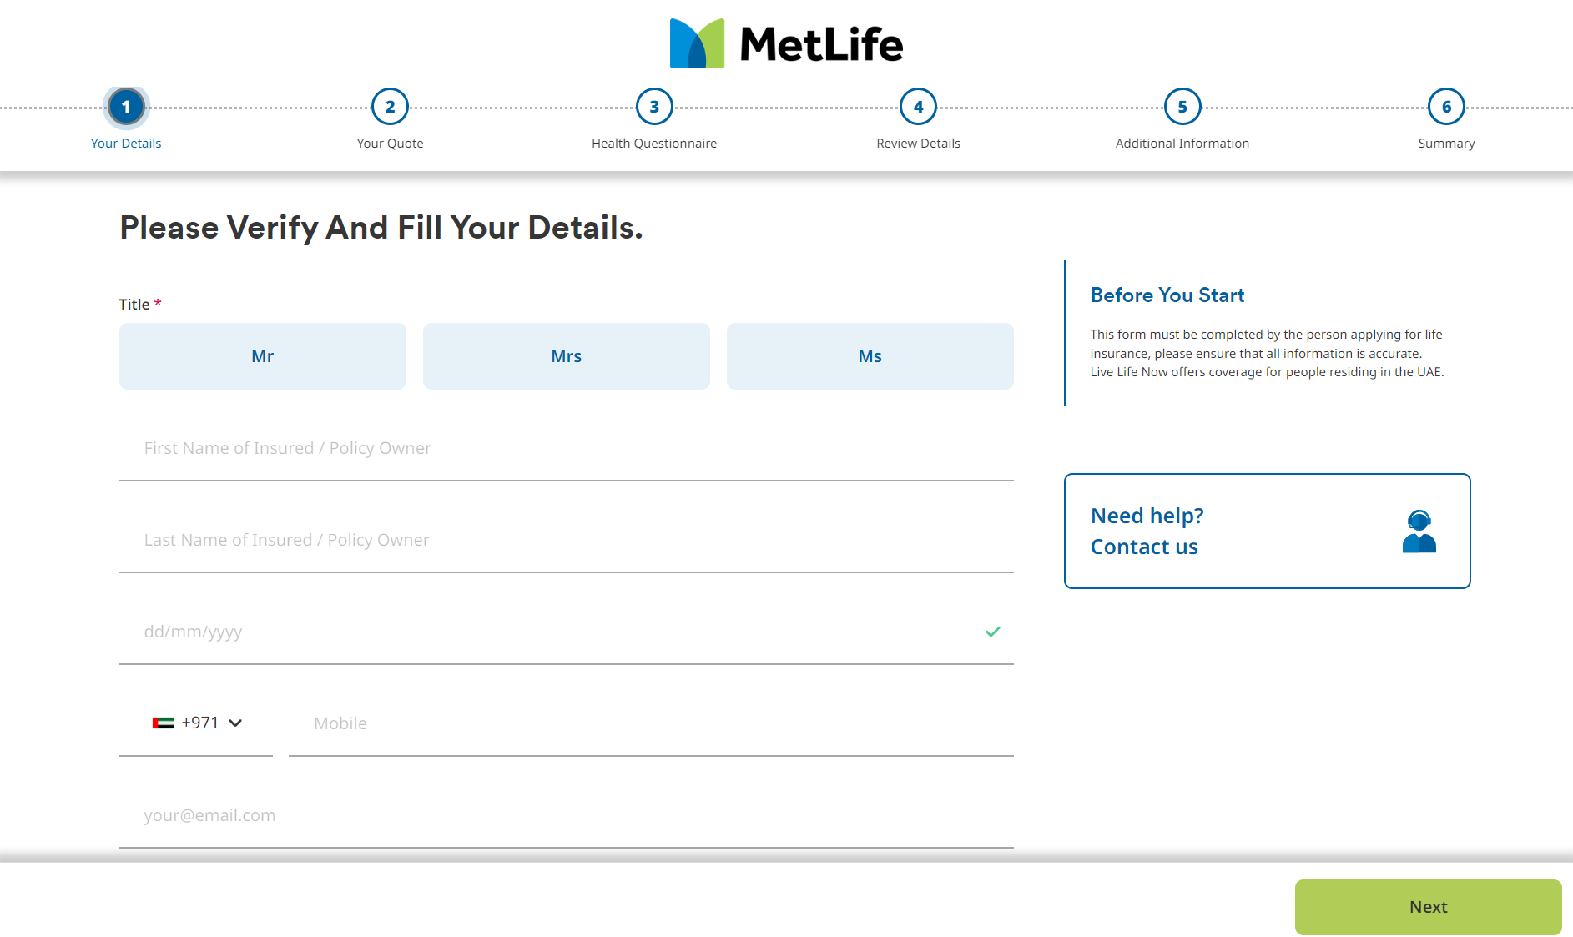
Page Number | Flow Stage | Data Entry Field/Button Names (EN) | Description | Character Entry | Required | Additional Notes
1 | Your Details | First Name |  | Text | Yes | Please indicate if any validations are required
 |  | Last Name |  | Text | Yes | Please indicate if any validations are required
 |  | Date of Birth |  | Date Selector | Yes | If applicants are above 65, the following document must be uploaded. • Medical summary report mentioning the current health status
 |  | Gender |  | Male/Female | Yes | Please indicate if any validations are required
 |  | Nationality |  | Drop-down | Yes | Please indicate if any validations are required
 |  | Email Address |  | Text | Yes | email should be allowed once
 |  | Mobile |  | Number | Yes | Mobile l should be allowed once
 |  | Residence Country |  | Location | Default | Disabled
 |  | Height (optional) |  | Number | Optional | Should be in centimeters
 |  | Weight (optional) |  | Number | Optional | Should be in kilograms
 |  | We want to personalise our services for you and assure you that your data will be safe with us. Please read our data privacy statement and agree to a few conditions to proceed: 1) I agree to receive personalised information on my registered email address 2) I agree to share my data as requested from time to time 3) I agree to provide accurate and complete information 3) I have read and agree with the terms and conditions All you need now is to create an online account with us by entering your email address below and we are all set to navigate the future together! enter your email adress (text) You are all set! |  | Radio button (Yes/No) | Required | Add loading of 20% on premium if the answer to this piece is no
Section to the side |  | Before you start: This form must be completed by the person applying for life insurance, please ensure that all information is accurate. (brand name) provides accident and health coverage for those aged 23-30 years. Your policy follows you where you are except for in designated sanctioned and classified high-risk countries.

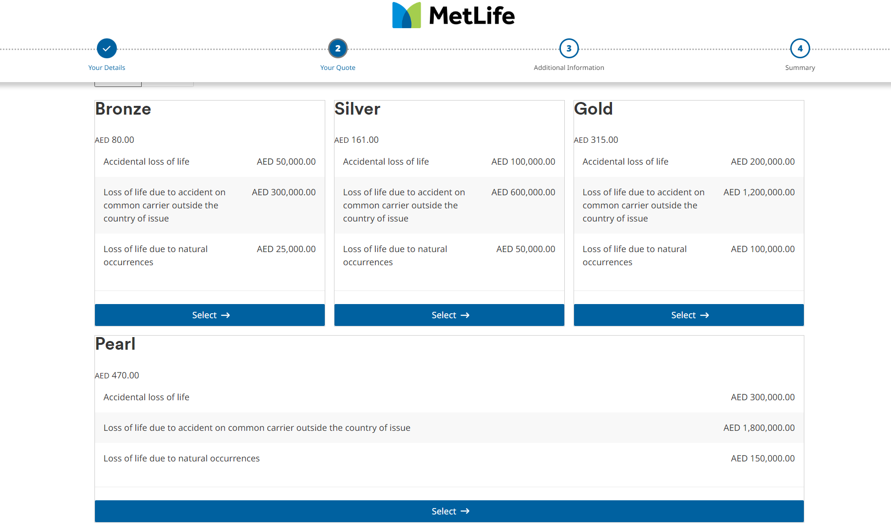

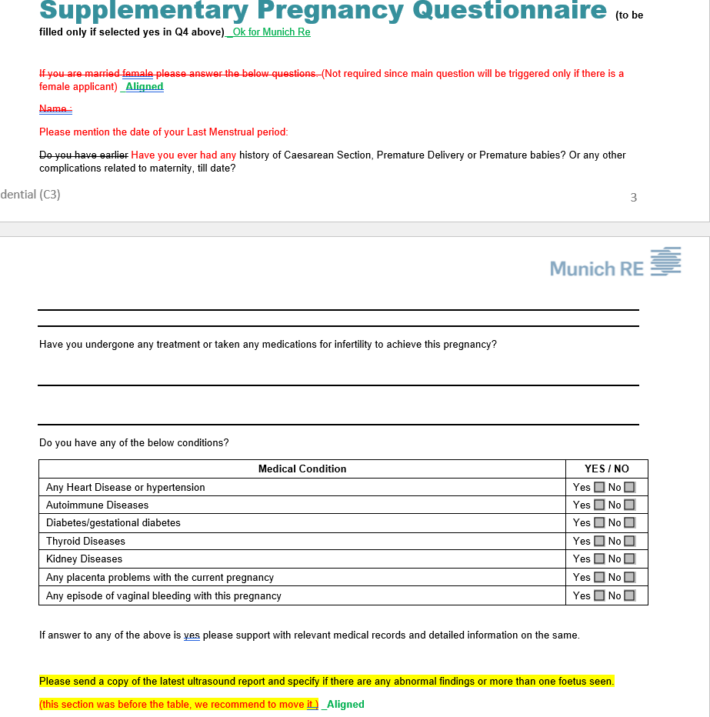

Page Number | Flow Stage | Data Entry Field/Button Names (EN) | Description | Character Entry | Required | Additional Notes
2 | Your Quote | I want to pay Annually/ I want to pay monthly |  | Radio button (Annually/Monthly) |  | Should this be present before or after the health questions? We have not seen the product/plan details yet. If any of the health questions impact the premium, then this should be set up after that page. Bassam- Recommen after Health Declations to cover any Rated policy
 |  | Plans |  | Button - None Drop Down and user need to select the requirement package | Yes
 |  | Premium Amount |  | None | Wll be calculated based on selected emirates and package based on insured age
 |  | Benefits |  | None
 |  | Next | Move on to the next page | Button - None
 |  | Back to Form | Move to the previous page | Button - None

If answer to 1 is "YES"
Plans |  | Bronze | Silver | Gold
2a | Premium | 34 | 51 | 68
 | Coverage
 | Accidental Medical Reimbursement | 1,000 | 1,500 | 2,000
 | Permenant Partial Disability due to accident | 50,000 | 75,000 | 100,000
 | In Hospital income due to accident and sickness | 150 | 225 | 300

If answer to 1 is "NO"
Plans |  | Bronze | Silver | Gold
2b | Premium | 41 | 61 | 82
 | Coverage
 | Accidental Medical Reimbursement | 1,000 | 1,500 | 2,000
 | Permenant Partial Disability due to accident | 50,000 | 75,000 | 100,000
 | In Hospital income due to accident and sickness | 150 | 225 | 300

Page Number | Flow Stage | Data Entry Field/Button Names (EN) | Description | Character Entry | Required | Additional Notes
3 | Additional Information Page | Emirates ID / Any other proof of identity depending on location |  | Numeric | Yes | Validation on format
 |  | Upload Emirates ID / Any other proof of identity depending on location |  | None | Yes | 2 documents should be attached
 |  | Policy Start Date |  | Read only field
 |  | Next | Move on to payment window | None
 |  | Back to Form | Move to previous page | None

 |  |  |  | TBD

 |  |  |  | Add link to data privacy policy
Page Number | Flow Stage | Data Entry Field/Button Names (EN) | Description | Character Entry | Required | Additional Notes
5 | Summary Page | Product Name, Premium Amount, Effective Date |  | None
 |  | Your Details (First Name, Last Name, DOB, Gender, Nationality, Email Address etc.) | Details filled in through the form | None
 |  | Terms & Conditions (TBD) / Declarations | Title | None
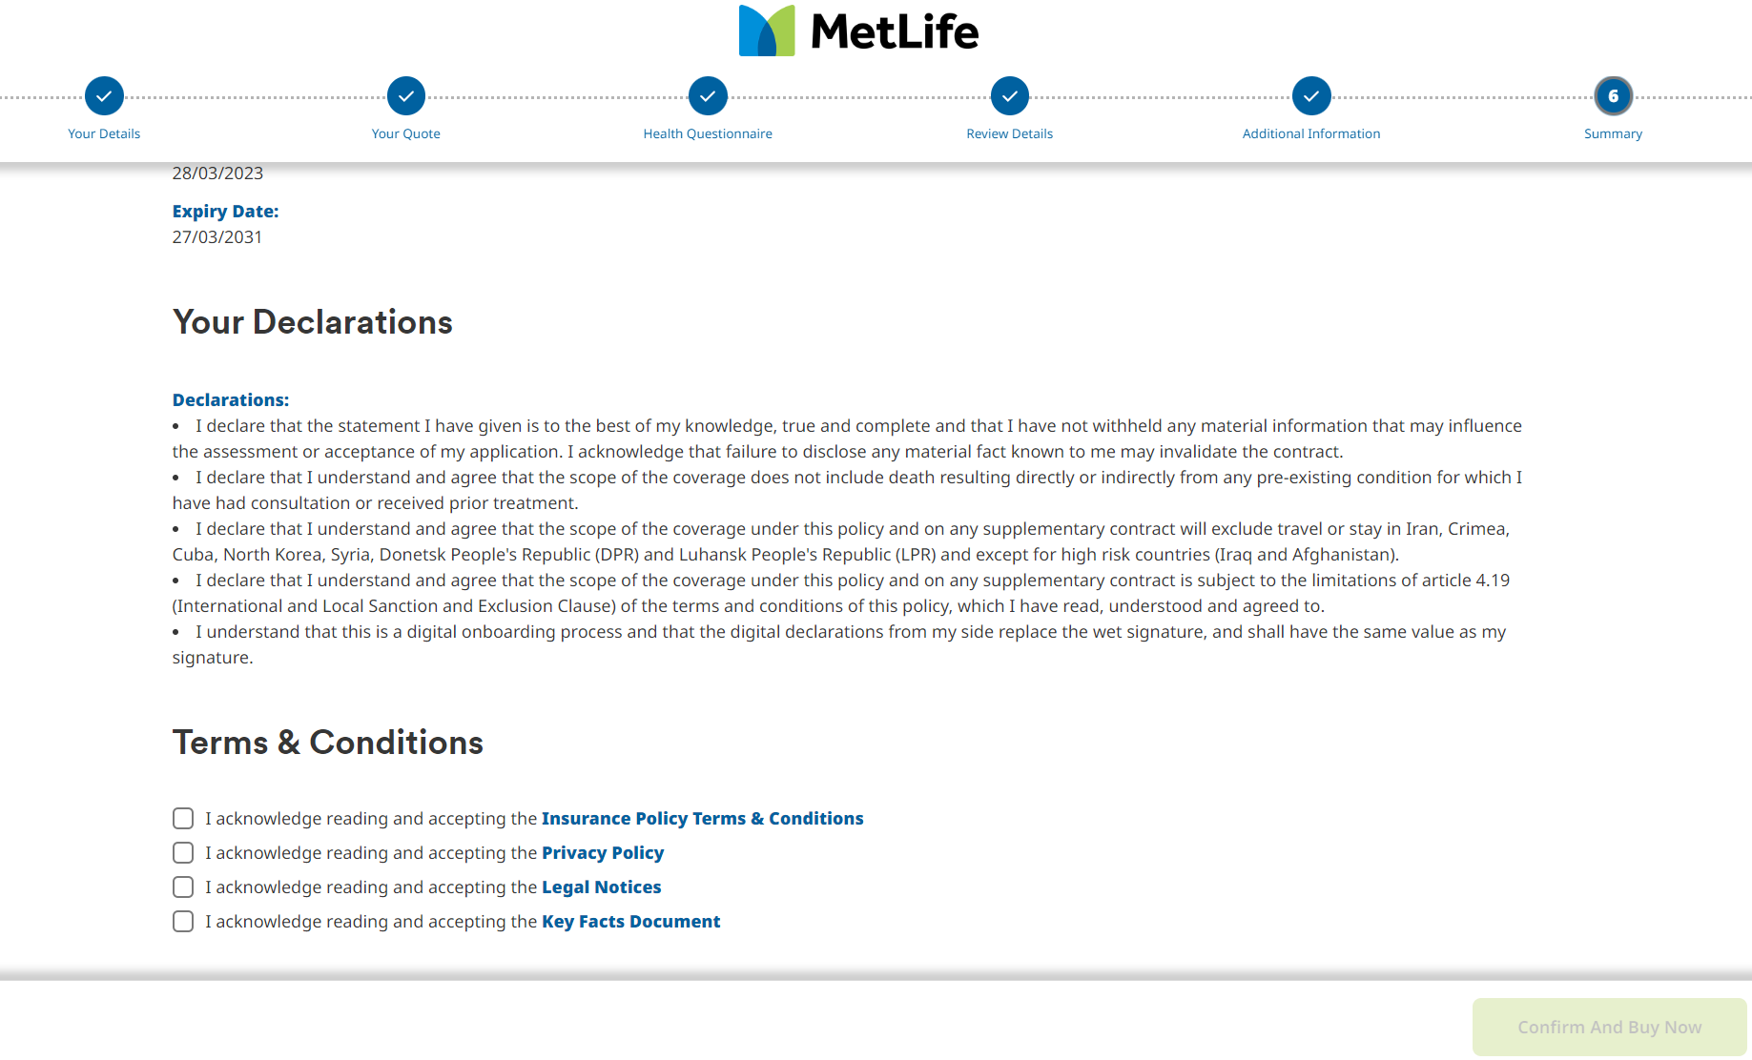
 |  | I declare the statement I have given is best to my knowledge, true and complete and I have not withheld any material infromation thaat may incluence the assesment or acceptance of my application. I acknowledge that failure to disclose any material fact known to me may invalidate the contract |  | Tick Box |  | If not selected, Confirm & Buy Now button should be disabled.
 |  | I declare that I understand and agree that the scope of the coverage under this policy and any supplementary contract will not be provided in designated sanctioned and classified high risk countries |  | Tick Box |  | If not selected, Confirm & Buy Now button should be disabled.
 |  | I understand that this is a digital onboarding process and that the digital declarations from my side replace the wet signature, and shall have the same value as my signature. |  | Tick Box |  | If not selected, Confirm & Buy Now button should be disabled.
 |  | Confirm and Buy Now | Move on to payment window | None
 |  | Back to Form | Move to previous page | None

Page Number | Flow Stage | Data Entry Field/Button Names (EN) | Description | Character Entry | Required | Additional Notes
6 | Thank you Page | Policy Number *Auto-generated* | Text present at the top of the page | None | N/A
 |  | Dear *Customer Name*, congratulations on taking this important step in protecting yourself and your family. We look forward to being your partner for life. Your policy documents will be emailed to you shortly. For additional queries or customer support, please contact: 04 4154 777 or 04 4154 800. Monday - Friday from 9:00 AM to 5:00 PM. If you would like to apply for a policy for another family member please click here: |  | None | N/A |  | 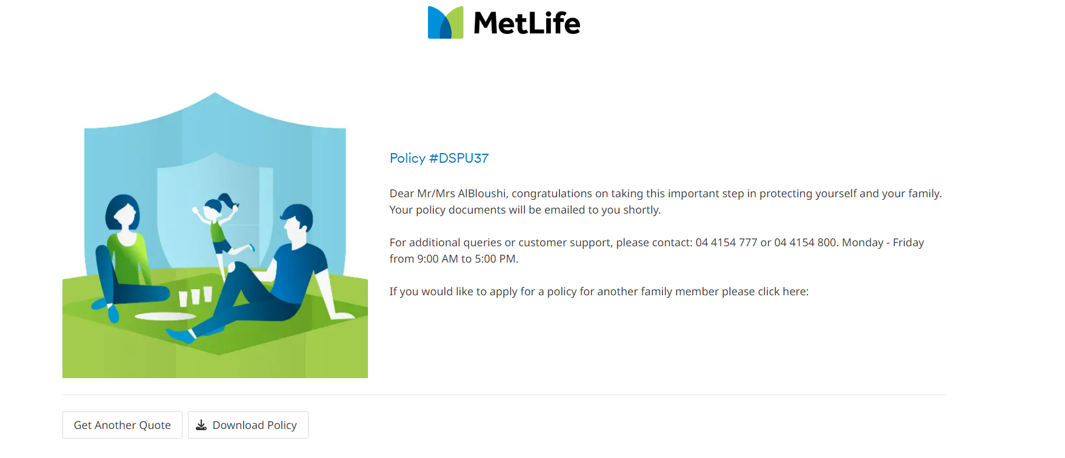
 |  | Download Policy Schedule |  | Button | N/A

Page Number | Flow Stage | Data Entry Field/Button Names (EN) | Description | Character Entry | Required | Additional Notes
7 | At 3 month mark- through app notification | Hey ( customer name), this is (brand name) checking in. It has been 3 months since we partnered up. Let us know how you are getting on with life by doing any 2 of the following (remember your data is safe with us and the more information you provide, the more it helps us personalise our services for you and protect you for life): - Upload data from your wearable device (link) - Upload a copy of annual health screening or medical tests or lab work in the last 12 months (link) - Upload a certificate of participating in a sports event (link) - complete a health questionnaire on our 360 health app (link) - Refer a friend to us if you are loving our partnership (link) We will be in touch soon to offer some additional free services! Tell us how we are doing so far by taking a short survey (link) |  |  | No
 |  | Next | Move on to link device/upload records
 |  | Back to Form | Move to previous page

Page Number | Flow Stage | Data Entry Field/Button Names (EN) | Description | Character Entry | Required | Additional Notes
8 | At 6 month mark- through app notification | Hey (customer name) Thank you for sharing more about yourself. This helps us serve and protect you better. We have put together some additional services just for you at no extra cost. Please select one service from the list below: - online doctor consultation 24x7 for one year - 2 free mental health consulations over the next 6 months - 2 free financial wellness consultations over the next 6 months We will be in touch soon. Thank you for choosing us as your partner for life. Tell us how we are doing so far by taking a short survey (link) |  |  | No
 |  | Next | Move on to link device/upload records
 |  | Back to Form | Move to previous page

Page Number | Flow Stage | Data Entry Field/Button Names (EN) | Description | Character Entry | Required | Additional Notes
9 | At 12 month mark- through app notification | Hey (customer name) We value your trust and partnership over the last year! Thank you for being a valued customer and we look forward to serving you. Here are some more benefits you can avail throug your policy 1) 2) 3) We will be in touch soon. Thank you for choosing us as your partner for life. Tell us how we are doing so far by taking a short survey (link) |  |  | No
 |  | Next | Move on to link device/upload records
 |  | Back to Form | Move to previous page

