Main
Date

Alignment

Beam line | Left needle, horizontal | Left needle, vertical | Right needle, horizontal | Right needle, vertical | Focus | Average, horizontal | Average, vertical | Original
Combined (493/553/650) | 1.608 | 1.913 | 1.653 | 1.913 | 8.43 | 1.727 | 2.014 | 1.644 | 1.916
REMPI 2 (405) | 2.233 | 2.159 | 2.177 | 2.155 | 12.625 | 1.74 | 2.061
Optical pumping | - | - | - | - | - | - | -
Ionization 1st (553 perp to rad. target) | - | - | - | - | 12.42 | 2.378 | 2.086
Imaging | - | - | - | - | 1.76 | 17.64 | 5.535
Note: All measurements defined from micrometer readings from stages and mirror mounts. 'Vertical' for beams is perpendicular to optics table. '
Vertical' for imaging is in the plane of focus, perpendicular to trap axis. 'Horizontal' is the trap axis.
 |  |  |  |  |  | x | y

Trap parameters

DC 1, top left (V) | DC 4, top right (V) | Needle, left (V) |  | RF drive amplitude (Vpp) | 2.5
0.27 | 0.05 | 8.6 |  | RF frequency (MHz) | 20.7856
DC 2, bottom left (V) | DC 3, bottom right (V) | Needle, right (V) |  | RF reflected (dBm) | -27
0.66 | 0.34 | 9

Magnetic field

Ring 1 (A) | Ring 3 (A) | Ring 5 (A)
0 | 0 | 0
Ring 2 (A) | Ring 4 (A) | Ring 6 (A)
0 | 0 | 4

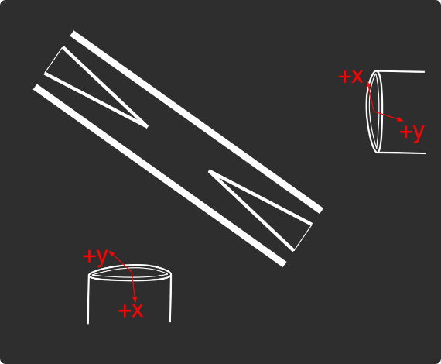
Loading
 |  |  |  | View from below
Oven current (A) |  |  |  | Radioactive |  | x | y
Target temperature (oC) |  |  |  |  |  | SN 27255859 | SN 27255860
 |  |  |  |  |  | Horiz. on Mirror mount | Vert. on Mirror mount
 |  |  |  |  |  | Natural | Radioactive
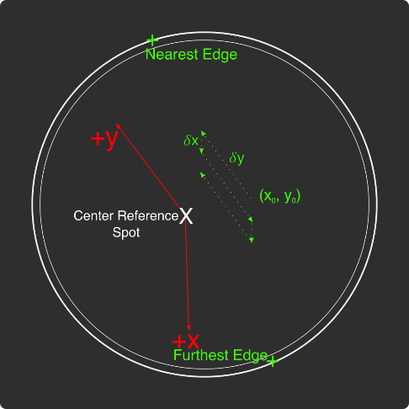
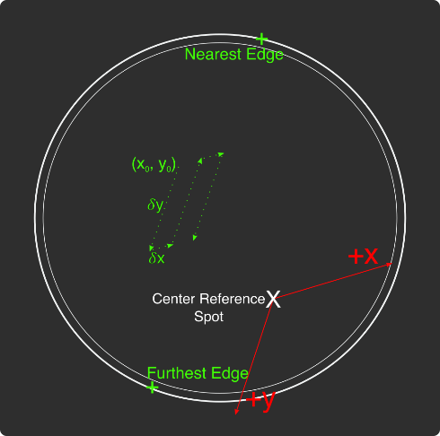
Ablation Split-Paths Power | Natural | Ba133 | Sampler
FitA (uJ) | 1120.6401 | 1219.6182 | 1158.1265
FitX0 (Deg) | 100.3444 | 101.3211 | 100.4206
FitY0 (uJ) | 1.2331 | 0.5797 | 2.072
Amplitude Ratio (from Sampler) | 0.96829950491 | 1.0544818605
Data collected 8-20-2020, graphs on Minilite ions-wiki page
Natural Abundance Target |  |  |  | Natural Abundance |  |  |  |  |  |  | x | y |  | X | Y | Z
Ablation laser | Repetition rate (Hz) | Pressure spikes (mBar) | Rotation angle (55[min] - 100) | Sampler pulse energy (uJ) | Actual pulse energy (uJ) |  |  |  |  | Closest to Focus pos. |  |  | Ablation Beam Vector
Minilite I | 2 | 2.00E-10 | 55 | 60 | 36.053766715 |  |  |  |  | Furthest from Focus pos. |  |  | Target Normal Vector
 | Note, to recenter to the same position, be sure to use the same pulse energy each time
Ablation Laser Sweep | Edge Position 1 (x) | Edge Position 2( x) | Edge Position 3 (y) | Edge Position 4 (y) | Center Position (x) | Center Position (y) | Servo/Actual Ratio (x) | Servo/Actual Ratio(y) |  | Angle b/w Target+Laser |  |  | Beam Waist
Natural Abund. Target | 7.1257 | 7.2893 | 5.9291 | 6.1682 | 7.2075 | 6.04865 | 25.464547677 | 17.423672104 |  | Laser Z along Target |  |  | Rayleigh Range
 |  |  |  |  |  |  |  |  |  | Rayleigh Z |  |  | Fluence
Period (s) | x0 (mm) | y0 (mm) | 𝛿x (mm) | 𝛿y (mm) | Steps (x) | Steps (y) | Total Actual Distance (x) (mm) | Total Actual Distance (y) (mm)
60 | 7.24 | 6.1 | 0.0025 | 0.01 | 6 | 1 | 0.38196821516 | 0.17423672104
 |  |  | xf (mm) | yf (mm)
 |  |  | 7.255 | 6.11
Radioactive Target
Ablation laser | Repetition rate (Hz) | Pressure spikes (mBar) | Rotation angle (55[min] - 100) | Sampler pulse energy (uJ) | Actual pulse energy (uJ)
Minilite I | 2 | 2.00E-10 | 100 | 60 | 62.982401191
 | Note, to recenter to the same position, be sure to use the same pulse energy each time |  |  |  |  |  |  |  |  | Edge to Edge parameters - 08/25/2020
Ablation Laser Sweep | Edge Position 1 (x) | Edge Position 2( x) | Edge Position 3 (y) | Edge Position 4 (y) | Center Position (x) | Center Position (y) | Servo-Actual-Ratio (x) | Servo-Actual Ratio(y) |  | Y pos | Xedge | Xedge
Radioactive Target | 7.06227 | 7.43187 | 5.8754 | 6.26612 | 7.24707 | 6.07076 | 11.271645022 | 10.662366912 |  | 6.00564 | 7.348 | 6.9938 | 7.1709

Period (s) | x0 (mm) | y0 (mm) | 𝛿x (mm) | 𝛿y (mm) | Steps (x) | Steps (y) | Total Actual Distance (x) (mm) | Total Actual Distance (y) (mm)
60 | 7.24 | 6.00564 | 0.005 | 0.02 | 6 | 1 |  | 0.21324733825 | #VALUE!
 |  |  | xf (mm) | yf (mm)
 |  |  | 7.27 | 6.02564
Laser parameters

Laser Powers | Cooling (493 nm) | Cooling Repump (650 nm) | REMPI 1 (553.5 nm) | REMPI 1 (553.5 nm) Secondary | REMPI 2 (405 nm) | Combined Beam Total
Measured Power (Sampled) (uW) | 3.3 | 71 | 2.4 | Ratio from other path
Actual Power/Sampler Power Ratio | 24.3819 | 14.6846 | 13.747 | 4.5497185741
Power (uW) | 80.46027 | 1042.6066 | 32.9928 | 150.10795497 | 740
 | 34 | 68 | 7 | 31.848030019 | 570

Wavemeter Calibration | HeNe Laser Freq. (THz) | HeNe Laser Measured Freq. (THz) | Change in Freq. (MHz)
 | 473.612249 | 473.61225 | -1

Ba138
Beam | Power (uW) | Freq. on Wmeter (THz) | Actual Freq.(THz)
Cooling (493 nm) | 34 | 607.42601 | 607.42621
Measurement (493 nm) | - | - | -
Cooling repump (650 nm) | 70 | 461.31207 | 461.31227 |  | -33
Clearout (614 nm) | - | - | -
REMPI 1 (553.5 nm) | 7 | 541.43304 | 541.43304
REMPI 1 (553.5 nm) (Radioactive) | 527 | 541.43304
REMPI 2 (405 nm) | 560 | - | -
 |  |  | Ion Brightness (Counts/s)
If Ion parameters are changed during the day, paste the other parameters to the right |  |  | 11500

Ba137
Beam | Power (uW) | Frequency Offset (from Ba138) (GHz) | Expected Freq. on Wmeter (THz) | Acutal Peak Freq. on Wmeter (THz) | AOM Freq. (MHZ) | Actual Carrier Freq. (THz)
Cooling (493 nm) | 34 | 1.833 | 607.427843 | 607.42786 | 200 | 607.428043
Measurement (493 nm) | - |  | - | - | - | -
Cooling repump (650 nm) | 76 | 0.10675 | 461.31217675 | 461.31221 | -200 | 461.31197675
Clearout (614 nm) | - |  | - | - | - | -
REMPI 1 (553.5 nm) | 7 | 0.274 | 541.433314 | 541.43326 | - | -
REMPI 2 (405 nm) | 600 |  | - |  | - | -

Beam | Method | EOM Tones (GHz) | Isotope-Switching Path | Sideband Freq. Blue (THz) | Sideband Freq. Red (THz) | Rf Atten. (dB) | RF Power Pickoff (dBm) | RF Power (dBm)
 | ThroughF2 | 4.01875 | B | 607.43187875 | 607.42384125 | 8 | -38.8 | 14.27
Cooling (493 nm)
 |  | - |  | - | -
 |  | - |  | - | -
Measurement (493 nm) |  | - |  | - | -
 |  | - |  | - | -
 | A | 0.39365 | I | 461.31260365 | 461.31181635 | 16 | -35 | 5.9
Cooling repump (650 nm) |  | 0.53875 | K | 461.31274875 | 461.31167125 | 12.5 | -31.7 | 6.1
 |  | 0.614125 | J | 461.31282413 | 461.31159587 | 13.5 | -24.6 | 12.98
 |  | - |  | - | -
 |  | - |  | - | -
Clearout (614 nm) |  | - |  | - | -
 |  | - |  | - | -
 |  |  |  | Ion Brightness (Counts/s)
If Ion parameters are changed during the day, paste the other parameters to the right |  |  |  | 3500

Ba133
Beam | Power (uW) | Frequency Offset (from Ba138) (GHz) | Expected Freq. on Wmeter (THz) | Acutal Peak Freq. on Wmeter (THz) | AOM Freq. (MHZ) | Actual Carrier Freq. (THz)
Cooling (493 nm) | 19 | 0 | 607.42601 | 607.42597 | 200 | 607.42617
Measurement (493 nm) | - |  | - | - | - | -
Cooling repump (650 nm) | 26.3 | 0.5 | 461.31257 | 461.31204 | 200 | 461.31224
Clearout (614 nm) | - |  | - | - | - | -
REMPI 1 (553.5 nm) | 599 | 0.3865 | 541.4334265 | - | - | -
REMPI 2 (405 nm) | 3155 |  | - | - | - | -

Beam | Method | EOM Tones (GHz) | Isotope Switching Path | Sideband Freq. Blue (THz) | Sideband Freq. Red (THz) | RF Atten. (dB) | RF Power (dBm)
 |  | 4.23425 | D | 607.43020425 | 607.42173575 | 14 | 12.8
Cooling (493 nm) |  | 7.53 | E | 607.4335 | 607.41844 | 13 | 13.3
 |  | - |  | - | -
Pumping (493 nm) |  | 2.3945 | C | 607.4283645 | 607.4235755 | 24 | 13.2
 |  | - |  | - | -
Measurement (493 nm) |  | 4.23436 | D | 607.43020436 | 607.42173564 | 14 | 12.8
 |  | - |  | - | -
 | C | 0.4106 | F | 461.3124506 | 461.3116294 | 13 | 13
Cooling repump (650 nm) |  | 1.3475 | G | 461.3133875 | 461.3106925 | 14 | 13.3
 |  | - |  | - | -
Measuring repump (650 nm) | D | 0.49225 | H | 461.31253225 | 461.31154775 | 18.5 | 13.3
 |  | - |  | - | -
 |  | - |  | - | -
Clearout (614 nm) |  | - |  | - | -
 |  | - |  | - | -
 |  |  |  | Ion Brightness (Counts/s)
If Ion parameters are changed during the day, paste the other parameters to the right

Session notes

Low ~10% loading efficiency for Ba137 from yesterday's selectivity experiments
HeNe Calibration freq. low 246 MHz compared to 249 MHz calibration
Trapping Ba138 basically every 140 uJ pulse, with 553 nm freq. near Ba137 peak. Low Ba137 efficiency could be that not perfectly on Ba137 peak. Could also be that cooling freqs. too close to resonance for Ba137
Trapped x1 Ba138 - BG is ~300, ions total brightness ~850 counts
Swapped filter to 493 + 553 nm filter - BG now ~700 (x2.3 that of just 493 nm filter)
With lights off, BG ~60 counts compared to ~20-25 counts with just 493 nm filter
Checked neutral fluorescence with this filter - at 140 uJ, 80 uW, ~500 counts compared to background, ~0.5 counts. BG with lights off ~0.04
BG with no 553, just ablation: ~0.5 counts. BG with lights off ~0.05
Overall, this filter works perfectly! If want slightly less noise for neutral fluorescence measurement, might switch to 553 nm filter, but it's the same order of magnitude noise
Neutral fluorescence at Ba137 peak instead: 145 us - 200 us: ~150 counts, compared to 500
Setup Ba137 selectivity script and Ba137_Trapping-spectrum scripts to use new pulse program which pulses laser and measures neutral fluorescence at the same time
Ran 137 553 nm spectrum trapping script to find best 553 nm freq.
 |  |  |  |  |  |  |  | Raw power | Previous (September) | Pickoff
 |  |  |  |  |  |  | 394 MHz | 5.75 | 6.8 | -35.15 | 40.9
 |  |  |  |  |  |  | 514 MHz | 4.2 | 13.5 | -33.6 | 37.8
 |  |  |  |  |  |  | 614 MHz | 13.1 | 13.6 | -24.48 | 37.58
 |  |  |  |  |  |  |  |  |  |  | 0
 |  |  |  |  |  |  |  |  |  |  | 0
 |  |  |  |  |  |  | 2.2 GHz | 9 | 6.8 | -43.65 | 52.65
 |  |  |  |  |  |  | 4.36 GHz | 13.9 | 12.8 | -39.17 | 53.07

493nm
 |  | Frequencies

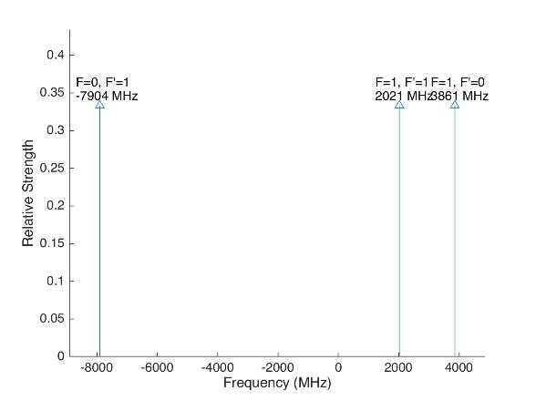
 |  |  |  |  | Laser Shift (from Ba138) | Laser Frequency |  |  |  |  |  | Ba133
 |  |  |  |  | 1833 | 607.427803
Ba133 |  |  | S1/2 |  |  |  | Ba133 |  |  | S1/2
 |  | F | 0 | 1 | Isotope Shift (from Ba138) | Ba133 Fine Carrier | Ba133 |  | F | 0 | 1
 | F | Frequency | 7444.09 | -2481.36 | 373 | -1460 |  | F | Frequency | 7444.09 | -2481.36
P1/2 | 0 | 1380 | na | 3861.36 |  |  | P1/2 | 0 | 1380 | na | 2401.36
 | 1 | -460 | -7904.09 | 2021.36 |  |  |  | 1 | -460 | -9364.09 | 561.36

Ba137 |  |  | S1/2 |  |  |  | Ba137 |  |  | S1/2
 |  | F | 1 | 2 | Isotope Shift (from Ba138) | Ba137 Fine Carrier |  |  | F | 1 | 2
 | F | Frequency | -5023.59 | 3014.15 | 271.1 | -1561.9 |  | F | Frequency | -5023.59 | 3014.15
P1/2 | 1 | -929.625 | 4093.965 | -3943.775 |  |  | P1/2 | 1 | -929.625 | 2532.065 | -5505.675
 | 2 | 557.78 | 5581.37 | -2456.37 |  |  |  | 2 | 557.78 | 4019.47 | -4018.27

This sheet allows you to find what EOM frequencies are needed to drive all of the 493 nm Hyperfine transitions, given a laser shift from the Ba138 transition.
To set the laser carrier to drive a transition, do "= Energy(P1/2) - Energy(S1/2) + IsotopeShift".
Averaged transition strengths are shown to the right to help make the best choice for your application
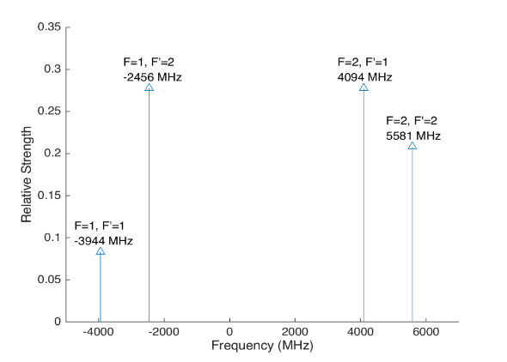
 |  |  |  |  |  |  | Ba138 |  | S1/2 |  |  | Ba137
 |  |  |  |  | Isotope Shift (from Ba138) | Transition Frequency
 |  |  |  |  | 0 | 607.42597 | P1/2 |  | -1833
 |  |  |  |  |  | ^Four-Rod
 |  |  |  |  |  |  | Ba136 |  | S1/2
 |  |  |  |  | Isotope Shift (from Ba138) | Transition Frequency
 |  |  |  |  | 179.4 | 607.4261494 | P1/2 |  | -1653.6

 |  |  |  |  |  |  | Ba134 |  | S1/2
 |  |  |  |  | Isotope Shift (from Ba138) | Transition Frequency
 |  |  |  |  | 222.6 | 607.4261926 | P1/2 |  | -1610.4

 |  |  |  |  |  |  | Ba132 |  | S1/2
 |  |  |  |  | Isotope Shift (from Ba138) | Transition Frequency
 |  |  |  |  | 279.9 | 607.4262499 | P1/2 |  | -1554.1

 |  |  |  |  |  |  | Ba130 |  | S1/2
 |  |  |  |  | Isotope Shift (from Ba138) | Transition Frequency
 |  |  |  |  | 355.3 | 607.4263253 | P1/2 |  | -1477.7

 |  | Powers

650nm
 |  |  | Frequencies

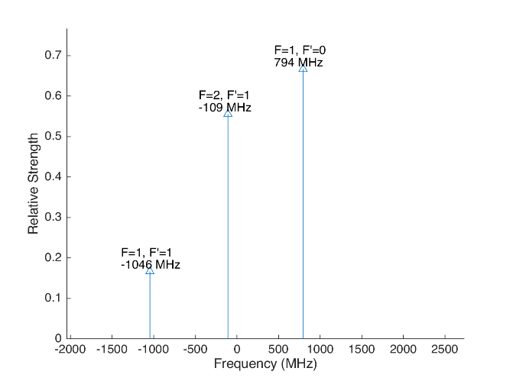
 |  |  |  |  |  |  | Laser Shift (From 138) | Laser Frequency |  |  |  |  |  |  |  | Ba133
 |  |  |  |  |  |  | 106.75 | 461.31214675 |  |  |  | 500
Ba133 |  |  | D3/2 |  |  |  |  |  | Ba133 |  |  | D3/2
 |  | F | 1 | 2 |  |  | Isotope Shift (from Ba138) | Ba133 Fine Carrier | Ba133 |  | F | 1 | 2
 | F | Frequency | 585.625 | -351.375 |  |  | 198 | 91.25 |  | F | Frequency | 585.625 | -351.375
P1/2 | 0 | 1380 | 794.375 | na |  |  |  |  | P1/2 | 0 | 1380 | 885.625 | na
 | 1 | -460 | -1045.625 | -108.625 |  |  |  |  |  | 1 | -460 | -954.375 | -17.375

Ba137 |  |  | D3/2 |  |  |  |  |  | Ba137 |  |  |  |  | D3/2
Ba137 |  | F | 0 | 1 | 2 | 3 | Isotope Shift (from Ba138) | Ba137 Fine Carrier | Ba137 |  | F | 0 | 1 | 2 | 3
 | F | Frequency | -655.81 | -510.62 | -175.7 | 438.03 | -13 | -119.75 |  | F | Frequency | -655.81 | -510.62 | -175.7 | 438.03
P1/2 | 1 | -929.625 | -273.815 | -419.005 | -753.925 | na |  |  | P1/2 | 1 | -929.625 | -393.565 | -538.755 | -873.675 | na
 | 2 | 557.78 | na | 1068.4 | 733.48 | 119.75 |  |  |  | 2 | 557.78 | na | 948.65 | 613.73 | 0
This sheet allows you to find what EOM frequencies are needed to drive all of the 650 nm Hyperfine transitions, given a laser shift from the Ba138 transition.
To set the laser carrier to drive a transition, do "= Energy(P1/2) - Energy(D3/2) + IsotopeShift".
Averaged transition strengths are shown to the right to help make the best choice for your application
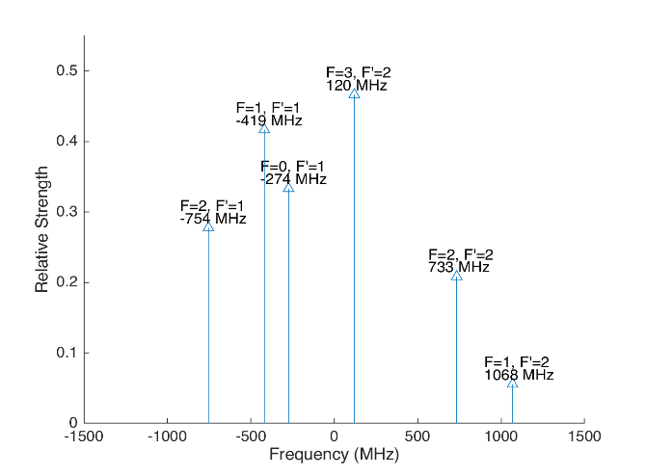
 |  |  |  |  |  |  |  |  | Ba138 |  | D3/2 |  |  |  |  | Ba137
 |  |  |  |  |  |  | Isotope Shift (from Ba138) | Transition Frequency | Ba138
 |  |  |  |  |  |  | 0 | 461.31204 | P1/2 |  | -106.75
 |  |  |  |  |  |  |  | ^Four-Rod
 |  |  |  |  |  |  |  |  | Ba136 |  | D3/2
 |  |  |  |  |  |  | Isotope Shift (from Ba138) | Transition Frequency | Ba136
 |  |  |  |  |  |  | 68 | 461.312108 | P1/2 |  | -38.75

 |  |  |  |  |  |  |  |  | Ba134 |  | D3/2
 |  |  |  |  |  |  | Isotope Shift (from Ba138) | Transition Frequency
 |  |  |  |  |  |  | 174.5 | 461.3122145 | P1/2 |  | 67.75

 |  |  |  |  |  |  |  |  | Ba132 |  | D3/2
 |  |  |  |  |  |  | Isotope Shift (from Ba138) | Transition Frequency
 |  |  |  |  |  |  | 292 | 461.312332 | P1/2 |  | 185.25

 |  |  |  |  |  |  |  |  | Ba130 |  | D3/2
 |  |  |  |  |  |  | Isotope Shift (from Ba138) | Transition Frequency
 |  |  |  |  |  |  | 394 | 461.312434 | P1/2 |  | 287.25

 |  |  | Powers

Isotope-Sw
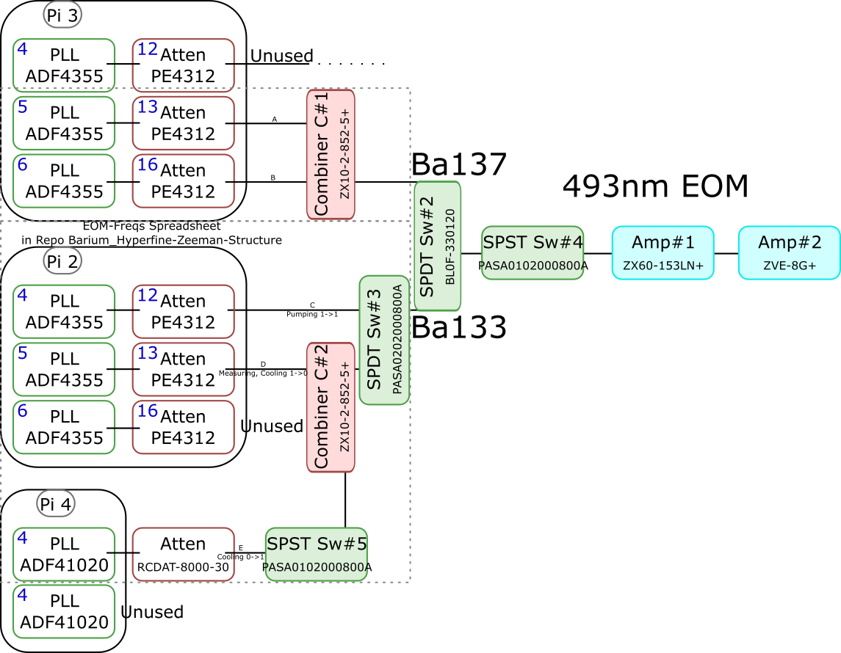
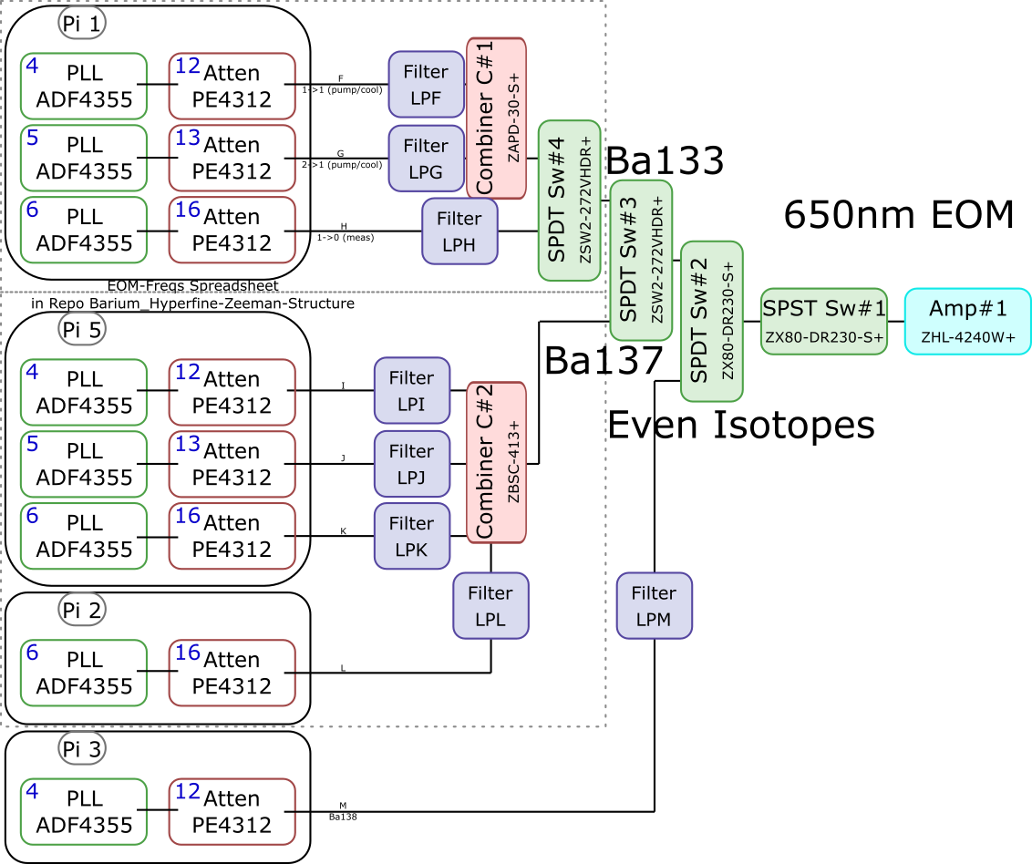
 |  |  |  |  |  |  |  |  |  |  |  | Components | Part # | Frequencies (MHz) | Power (dBm)
 |  |  |  |  |  |  |  |  |  |  |  | PLLs | ADF4355 | 54 - 4400 | -10
 |  |  |  |  |  |  |  |  |  |  |  |  | ADF41020 | 6500 - 8300

 |  |  |  |  |  |  |  |  |  |  |  |  |  | Frequencies (MHz) |  |  | Speed (ns) | Notes
 |  |  |  |  |  |  |  |  |  |  |  | Attenuators | PE4312 | 1 - 5000 |  |  | 500 | 4000 freq. limit, but 5000 works in practice
 |  |  |  |  |  |  |  |  |  |  |  |  | RCDAT-8000-30 | 1 - 8000 |  |  | 800

 |  |  |  |  |  |  |  |  |  |  |  |  |  | Frequencies (MHz)
 |  |  |  |  |  |  |  |  |  |  |  | Combiners | ZX10-2-852-5+ | 500 - 8500
 |  |  |  |  |  |  |  |  |  |  |  |  | ZAPD-30-S+ | 20 - 3000
 |  |  |  |  |  |  |  |  |  |  |  |  | ZBSC-413+ | 10 - 800

 |  |  |  |  |  |  |  |  |  |  |  |  |  | Frequencies (MHz) |  |  | Speed (us)
 |  |  |  |  |  |  |  |  |  |  |  | Switches | B10F-330120 | 0 - 12400 |  |  | 20000
 |  |  |  |  |  |  |  |  |  |  |  |  | PASA0102000800A | 2000 - 8000 |  |  | 0.1
 |  |  |  |  |  |  |  |  |  |  |  |  | PASA0202000800A | 2000 - 8000 |  |  | 0.1
 |  |  |  |  |  |  |  |  |  |  |  |  | ZSW2-272-VHDR+ | 350 - 10000 |  |  | 15
 |  |  |  |  |  |  |  |  |  |  |  |  | ZX80-DR230-S+ | 0 - 3000 |  |  | 2

 |  |  |  |  |  |  |  |  |  |  |  |  |  | Frequencies (MHz) | Power (dBm) | Gain (dB)
 |  |  |  |  |  |  |  |  |  |  |  | Amplifiers | ZX60-153LN+ | 500 - 18000 | 28 | 17
 |  |  |  |  |  |  |  |  |  |  |  |  | ZVE-3W-183+ | 5900 - 18000 | 36 | 35
 |  |  |  |  |  |  |  |  |  |  |  |  | ZVE-8G+ | 2000 - 8000 | 30 | 30
 |  |  |  |  |  |  |  |  |  |  |  |  | ZHL-4240W+ | 10 - 4200 | 38

 |  | Overall path frequency limitations |  |  |  |  |  | Path Frequency Limitations
 | Path | Frequency Range | Isotope | Pickoff (dB) | Description |  | Path | Frequency Range | Isotope | Pickoff (dB) | Description
493 nm | A | 2000 (Sw#4) - 5000 (Att) | Ba137 | 52.65 |  | 650 nm | F | 350 (Sw#4,3) - 3000 (Sw#2,1) | Ba133 |  | (1-1) Pumping/Cooling
 | B | 2000 (Sw#4) - 5000 (Att) | Ba137 | 53.07 |  |  | G | 350 (Sw#4,3) - 3000 (Sw#2,1) | Ba133 |  | (2-1) Pumping/Cooling
 | C | 2000 (Sw#3,4) - 5000 (Att#1) | Ba133 |  | (1-1) Pumping |  | H | 350 (Sw#4,3) - 3000 (Sw#2,1) | Ba133 |  | (1-0) Measuring
 | D | 2000 (Sw#3,4) - 5000 (Att#1) | Ba133 |  | (1-0) Measuring/Cooling |  | I | 350 (Sw#3) - 800 (Comb#2) | Ba137 | 40.9
 | E | 2000 (Sw#5,3,4) - 8000 (Sw#5,3,4) | Ba133 | 64.5 | (0-1) Cooling |  | J | 350 (Sw#3) - 800 (Comb#2) | Ba137 | 37.58
 |  |  |  |  |  |  | K | 350 (Sw#3) - 800 (Comb#2) | Ba137 | 37.8
 |  |  |  |  |  |  | L | 350 (Sw#3) - 800 (Comb#2) | Ba137 |  | Not needed if carrier drives a transition
 |  |  |  |  |  |  | M | 54 (PLL#1) - 3000 (Sw#1) | Evens |  | Not currently being used - carrier drives these

 |  |  |  |  |  |  |  | Current Filters
 |  |  |  |  |  |  | Filter | Part # | Freq (MHz)
 |  |  |  |  |  |  | LPF | SLP550+ | 550+
 |  |  |  |  |  |  | LPG
 |  |  |  |  |  |  | LPH | VLF-630+ | 630+
 |  |  |  |  |  |  | LPI
 |  |  |  |  |  |  | LPJ
 |  |  |  |  |  |  | LPK
 |  |  |  |  |  |  | LPL
 |  |  |  |  |  |  | LPM

Neutral
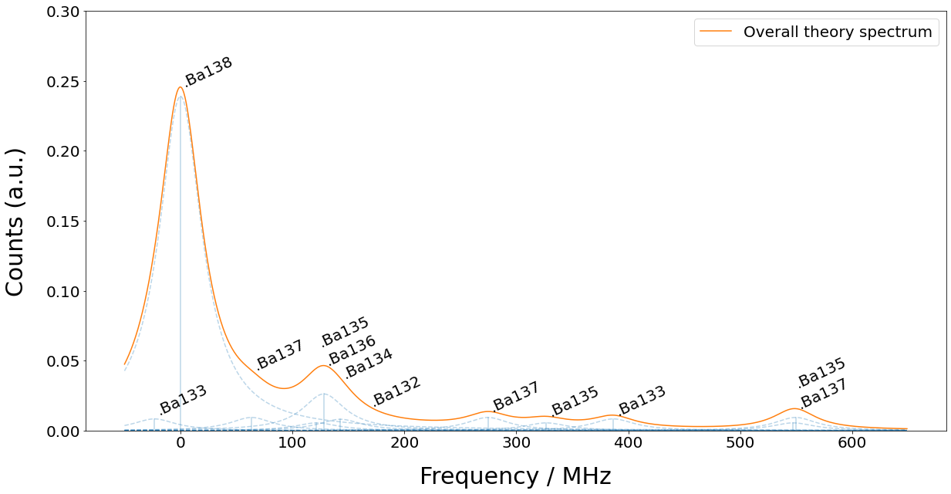
Isotope | 133g(1/2) | 138 | 131(1/2) | 137(5/2) | 135(5/2) | 136 | 134 | 132 | 133m(1/2) | 130 | 137(COM) | 131(COM) | 135(COM) | 128 | 137(3/2) | 135(3/2) | 131(3/2) | 133g(3/2) | 135(1/2) | 137(1/2)
Freq (MHz) | -23.3 | 0 | 0 | 63.43 | 121.6 | 128.02 | 142.8 | 167.9 | 172.9 | 207.3 | 214.7 | 249.2 | 258.7 | 271.1 | 274.56 | 326.7 | 373.8 | 386.65 | 547.3 | 549.47

