Main
Date

Alignment

Beam line | Left needle, horizontal | Left needle, vertical | Right needle, horizontal | Right needle, vertical | Focus | Average, horizontal | Average, vertical | Original
Combined (493/553/650) | 1.608 | 1.913 | 1.653 | 1.913 | 8.43 | 1.727 | 2.014 | 1.644 | 1.916
REMPI 2 (405) | 2.233 | 2.159 | 2.177 | 2.155 | 12.625 | 1.74 | 2.061
Optical pumping | - | - | - | - | - | - | -
Ionization 1st (553 perp to rad. target) | - | - | - | - | 12.42 | 2.378 | 2.086
Imaging | - | - | - | - | 1.76 | 17.64 | 5.535
Note: All measurements defined from micrometer readings from stages and mirror mounts. 'Vertical' for beams is perpendicular to optics table. '
Vertical' for imaging is in the plane of focus, perpendicular to trap axis. 'Horizontal' is the trap axis.
 |  |  |  |  |  | x | y

Trap parameters

DC 1, top left (V) | DC, top right (V) | Needle, left (V) |  | RF drive amplitude (Vpp) | 2.5
0.1 | 0 | 8.6 |  | RF frequency (MHz) | 20.787
DC 2, bottom left (V) | DC, bottom right (V) | Needle, right (V) |  | RF reflected (dBm) | -19
0 | 0.05 | 9

Magnetic field

Ring 1 (A) | Ring 3 (A) | Ring 5 (A)
0 | 0 | 0
Ring 2 (A) | Ring 4 (A) | Ring 6 (A)
0 | 0 | 4

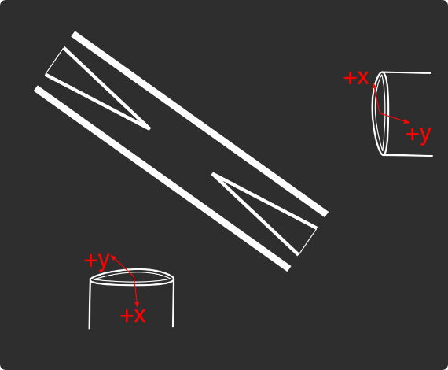
Loading
 |  |  |  | View from below
Oven current (A) |  |  |  | Radioactive |  | x | y
Target temperature (oC) |  |  |  |  |  | SN 27255859 | SN 27255860
 |  |  |  |  |  | Horiz. on Mirror mount | Vert. on Mirror mount
 |  |  |  |  |  | Natural | Radioactive
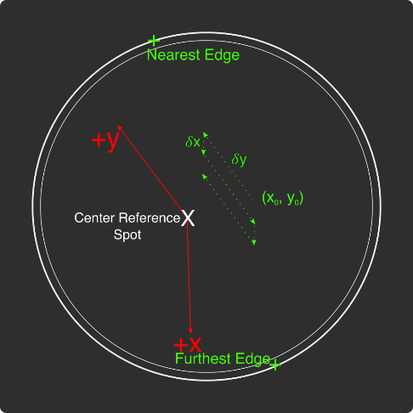
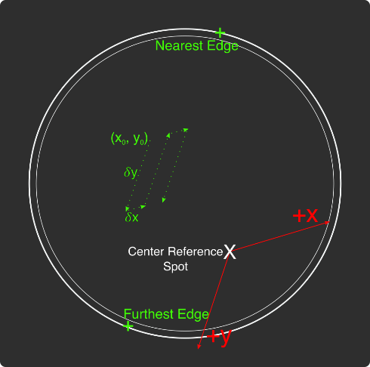
Ablation Split-Paths Power | Natural | Ba133 | Sampler
FitA (uJ) | 1120.6401 | 1219.6182 | 1158.1265
FitX0 (Deg) | 100.3444 | 101.3211 | 100.4206
FitY0 (uJ) | 1.2331 | 0.5797 | 2.072
Amplitude Ratio (from Sampler) | 0.96829950491 | 1.0544818605
Data collected 8-20-2020, graphs on Minilite ions-wiki page
Natural Abundance Target |  |  |  | Natural Abundance |  |  |  |  |  |  | x | y |  | X | Y | Z
Ablation laser | Repetition rate (Hz) | Pressure spikes (mBar) | Rotation angle (55[min] - 100) | Sampler pulse energy (uJ) | Actual pulse energy (uJ) |  |  |  |  | Closest to Focus pos. |  |  | Ablation Beam Vector
Minilite I | 2 | 2.00E-10 | 55 | 65 | 39.058247275 |  |  |  |  | Furthest from Focus pos. |  |  | Target Normal Vector
 | Note, to recenter to the same position, be sure to use the same pulse energy each time
Ablation Laser Sweep | Edge Position 1 (x) | Edge Position 2( x) | Edge Position 3 (y) | Edge Position 4 (y) | Center Position (x) | Center Position (y) | Servo/Actual Ratio (x) | Servo/Actual Ratio(y) |  | Angle b/w Target+Laser |  |  | Beam Waist
Natural Abund. Target | 7.12765 | 7.2913 | 5.9351 | 6.16692 | 7.209475 | 6.05101 | 25.456767492 | 17.970839444 |  | Laser Z along Target |  |  | Rayleigh Range
 |  |  |  |  |  |  |  |  |  | Rayleigh Z |  |  | Fluence
Period (s) | x0 (mm) | y0 (mm) | 𝛿x (mm) | 𝛿y (mm) | Steps (x) | Steps (y) | Total Actual Distance (x) (mm) | Total Actual Distance (y) (mm)
60 | 7.22239 | 6.06622 | 0.005 | 0.02 | 6 | 1 | 0.76370302475 | 0.35941678889
 |  |  | xf (mm) | yf (mm)
 |  |  | 7.25239 | 6.08622
Radioactive Target
Ablation laser | Repetition rate (Hz) | Pressure spikes (mBar) | Rotation angle (55[min] - 100) | Sampler pulse energy (uJ) | Actual pulse energy (uJ) |  |  | 0.089854197222
Minilite I | 2 | 2.00E-10 | 100 | 60 | 62.982401191
 | Note, to recenter to the same position, be sure to use the same pulse energy each time |  |  |  |  |  |  |  |  | Edge to Edge parameters - 08/25/2020
Ablation Laser Sweep | Edge Position 1 (x) | Edge Position 2( x) | Edge Position 3 (y) | Edge Position 4 (y) | Center Position (x) | Center Position (y) | Servo-Actual-Ratio (x) | Servo-Actual Ratio(y) |  | Y pos | Xedge | Xedge
Radioactive Target | 7.06227 | 7.43187 | 5.8754 | 6.26612 | 7.24707 | 6.07076 | 11.271645022 | 10.662366912 |  | 6.00564 | 7.348 | 6.9938 | 7.1709

Period (s) | x0 (mm) | y0 (mm) | 𝛿x (mm) | 𝛿y (mm) | Steps (x) | Steps (y) | Total Actual Distance (x) (mm) | Total Actual Distance (y) (mm)
60 | 7.24 | 6.00564 | 0.005 | 0.02 | 6 | 1 |  | 0.21324733825 | #VALUE!
 |  |  | xf (mm) | yf (mm)
 |  |  | 7.27 | 6.02564
Laser parameters

Laser Powers | Cooling (493 nm) | Cooling Repump (650 nm) | REMPI 1 (553.5 nm) | REMPI 1 (553.5 nm) Secondary | REMPI 2 (405 nm) | Combined Beam Total
Measured Power (Sampled) (uW) | 3.3 | 10 | 2.4 | Ratio from other path
Actual Power/Sampler Power Ratio | 24.3819 | 14.6846 | 13.747 | 4.5497185741
Power (uW) | 80.46027 | 146.846 | 32.9928 | 150.10795497 | 775
 | 55 | 81 | 110 | 500.46904315
Ba138
Beam | Power (uW) | Freq. on Wmeter (THz) | Actual Freq.(THz)
Cooling (493 nm) | 55 | 607.42594 | 607.42614
Measurement (493 nm) | - | - | -
Cooling repump (650 nm) | 85 | 461.31204 | 461.31224
Clearout (614 nm) | - | - | -
REMPI 1 (553.5 nm) | 110 | 541.4329 | 541.4331
REMPI 1 (553.5 nm) (Radioactive) | 527 | 541.4329
REMPI 2 (405 nm) | 1650 | - | -
 |  |  | Ion Brightness (Counts/s)
If Ion parameters are changed during the day, paste the other parameters to the right |  |  | 14000

Ba137
Beam | Power (uW) | Frequency Offset (from Ba138) (GHz) | Expected Freq. on Wmeter (THz) | Acutal Peak Freq. on Wmeter (THz) | AOM Freq. (MHZ) | Actual Carrier Freq. (THz)
Cooling (493 nm) | 85 | 0 | 607.42594 | 607.426015 | 200 | 607.42614
Measurement (493 nm) | - |  | - | - | - | -
Cooling repump (650 nm) | 207 | 0.10675 | 461.31214675 | 461.31215 | -200 | 461.31194675
Clearout (614 nm) | - |  | - | - | - | -
REMPI 1 (553.5 nm) | 116 | 0.274 | 541.433174 | 541.43313 | - | -
REMPI 2 (405 nm) | 1650 |  | - |  | - | -

Beam | Method | EOM Tones (GHz) | Isotope-Switching Path | Sideband Freq. Blue (THz) | Sideband Freq. Red (THz) | Rf Atten. (dB) | RF Power (dBm)
 | Direct | 2.2 | A | 607.428215 | 607.423815 | 22 | 6.8
Cooling (493 nm) |  | 4.36 | B | 607.430375 | 607.421655 | 6.5 | 12.8
 |  | - |  | - | -
 |  | - |  | - | -
Measurement (493 nm) |  | - |  | - | -
 |  | - |  | - | -
 | A | 0.41 | I | 461.31256 | 461.31174 | 16 | 6.8
Cooling repump (650 nm) |  | 0.53875 | K | 461.31268875 | 461.31161125 | 12.5 | 13.5
 |  | 0.59 | J | 461.31274 | 461.31156 | 13.5 | 13.6
 |  | - |  | - | -
 |  | - |  | - | -
Clearout (614 nm) |  | - |  | - | -
 |  | - |  | - | -
 |  |  |  | Ion Brightness (Counts/s)
If Ion parameters are changed during the day, paste the other parameters to the right

Ba133
Beam | Power (uW) | Frequency Offset (from Ba138) (GHz) | Expected Freq. on Wmeter (THz) | Acutal Peak Freq. on Wmeter (THz) | AOM Freq. (MHZ) | Actual Carrier Freq. (THz)
Cooling (493 nm) | 19 | 0 | 607.42594 | 607.42597 | 200 | 607.42617
Measurement (493 nm) | - |  | - | - | - | -
Cooling repump (650 nm) | 26.3 | 0.5 | 461.31254 | 461.31204 | 200 | 461.31224
Clearout (614 nm) | - |  | - | - | - | -
REMPI 1 (553.5 nm) | 599 | 0.3865 | 541.4332865 | - | - | -
REMPI 2 (405 nm) | 3155 |  | - | - | - | -

Beam | Method | EOM Tones (GHz) | Isotope Switching Path | Sideband Freq. Blue (THz) | Sideband Freq. Red (THz) | RF Atten. (dB) | RF Power (dBm)
 |  | 4.23425 | D | 607.43020425 | 607.42173575 | 14 | 12.8
Cooling (493 nm) |  | 7.53 | E | 607.4335 | 607.41844 | 13 | 13.3
 |  | - |  | - | -
Pumping (493 nm) |  | 2.3945 | C | 607.4283645 | 607.4235755 | 24 | 13.2
 |  | - |  | - | -
Measurement (493 nm) |  | 4.23436 | D | 607.43020436 | 607.42173564 | 14 | 12.8
 |  | - |  | - | -
 | C | 0.4106 | F | 461.3124506 | 461.3116294 | 13 | 13
Cooling repump (650 nm) |  | 1.3475 | G | 461.3133875 | 461.3106925 | 14 | 13.3
 |  | - |  | - | -
Measuring repump (650 nm) | D | 0.49225 | H | 461.31253225 | 461.31154775 | 18.5 | 13.3
 |  | - |  | - | -
 |  | - |  | - | -
Clearout (614 nm) |  | - |  | - | -
 |  | - |  | - | -
 |  |  |  | Ion Brightness (Counts/s)
If Ion parameters are changed during the day, paste the other parameters to the right

Session notes

Optimized 650 nm light - 1 dB atten for most light
Improved coupling of 553 nm light: 88 -> 110 uW. Note that wavemeter exposure went from 11 -> 13: doubler reduction??
553 freq. set to Ba138 Opt.
Neutral-Fluorescence_Natural_CenterArea_65uJ_1: Collected neutral fluorescence in center sweep for 2 periods (2 minutes) - two ~100 count areas, one ~15 count area, ~10 rest. Second sweep, 100-> 150+, 15-> 25 counts
Aperature not opened fully. Upon opening, found imaging system not centered very well again (Ghost) - tightened it down to table more, and recentered
2: ~300-350 count areas, ~50 count areas, ~10 rest. Second sweep higher counts
3: Reduced pulse energy to ~57 uJ: ~250-300 count areas, ~50-100 count areas. Second sweep slightly lower counts
4: 49 uJ pulse energy: ~200-300 count areas, ~50-100 count areas. Second sweep similar counts
Rep rate 2 Hz. Pulse laser Rot: 61.5 deg
Define the pitting area to be x: 7.2600 -> 7.2700, x: 6.13 -> 6.14
7.26x6.13, 49 uJ before condition: ~2.5 counts avg, slightly higher beginning
BG No Ablation: ~1.5-2 counts avg
BG No 553: ~1.5-2 counts avg
BG No either: ~1-1.5 counts avg
7.26x6.13, 103 uJ during condition 1: ~20 pulses: ~10 counts twice, ~3 counts mostly
7.26x6.13, 140 uJ during condition 1: ~20 pulses: ~30 counts at first, increasing to ~80-100 counts at end. Pressure spike ~6e-10 pressure spike
7.26x6.13, 48 uJ after condition 1: Start low ~3 counts, increase to ~15 counts, steady 15 counts
Increase rep rate to 10 Hz, num of experiments to average over to 5. 25 minute experiment.
Pulse energy ramped up to ~51 uJ after a bit. Sudden drop after ~ 2000 pulses. After that, ramped up slowly to ~60 counts at ~8000 pulses. Dropped at ~9500 pulses to BG. Pressure stopped spiking at this point too.
During-Condition-2: Conditioned at ~140 uJ - ~160 counts during
After-Condition-2: ~2.5 start, reducing to ~1-1.5 after ~500 pulses.
Moved to 7.2605x6.13
Before-Condition-1:47 uJ pulse energy, ~1.5-2 counts
During-Condition-1:135 uJ pulse energy, ~180 counts, ~6e-10 pressure spike
After-Condition-1: 50 uJ pulse energy, ~3 counts, decreasing to ~1.5 counts after ~1000 pulses
Moved to 7.265x6.13
Before-Condition-1:47 uJ pulse energy, ~1.5-2 counts
During-Condition-1:135 uJ pulse energy, ~20, increasing to ~220 counts over 20 pulses, 1e-9 pressure spike
After-Condition-1: 50 uJ pulse energy, Quickly reached peak ~100 counts after ~1000 pulses. Decreased to ~10 counts after ~6000 pulses
Decided to stop, and recondition, to see if signal recovers this time (is this pitting-like decay actually pitting?)
During-Condition-2: 135 uJ pulse energy, ~20 pulses, ~200 counts, 1e-9 pressure spike
After-Condition-2: ~20, reducing to BG quickly under 500 pulses
During-Condition-3: ~100 pulses, ~250 counts, 6e-10 pressure spike -> 4e-10
After-Condition-3: Signal did not recover at all. Very start ~5 counts, after ~20 pulses BG
Moved to 7.265x6.135
Before-Condition-1: 47 uJ pulse energy, ~1.5-2 counts
During-Condition-1: 35 pulses, ~280-300 counts, ~5e-10 pressure spike
After-Condition-1: Start ~7 counts, quickly ~3 counts never going higher
Moved to 7.265x6.14
Before-Condition-1: 47 uJ pulse energy, ~1.5-2 counts
During-Condition-1: 40 pulses, slowly increased from ~40 -> ~120 counts, ~5e-10 pressure spike
After-Condition-1: Start ~3 counts, after ~500 pulses, down to BG
Moved to 7.27x6.14
Before-Condition-1: 47 uJ pulse energy, ~3-5 counts
During-Condition-1: 20 pulses, ~120 counts, ~5e-10 pressure spike
After-Condition-1: ~2.5-3 counts entire time...
By the end of the day, 553 nm power down ~91 uW from 110 uW
Drifted back up in under 1 minute though...

493nm_EOM-Freqs
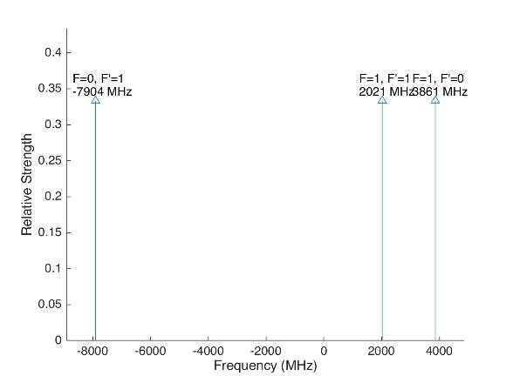
 |  |  |  |  | Laser Shift (from Ba138) | Laser Frequency |  |  |  |  |  | Ba133
 |  |  |  |  | 0 | 607.42597
Ba133 |  |  | S1/2 |  |  |  | Ba133 |  |  | S1/2
 |  | F | 0 | 1 | Isotope Shift (from Ba138) | Ba133 Fine Carrier | Ba133 |  | F | 0 | 1
 | F | Frequency | 7444.09 | -2481.36 | 373 | 373 |  | F | Frequency | 7444.09 | -2481.36
P1/2 | 0 | 1380 | na | 3861.36 |  |  | P1/2 | 0 | 1380 | na | 4234.36
 | 1 | -460 | -7904.09 | 2021.36 |  |  |  | 1 | -460 | -7531.09 | 2394.36

Ba137 |  |  | S1/2 |  |  |  | Ba137 |  |  | S1/2
 |  | F | 1 | 2 | Isotope Shift (from Ba138) | Ba137 Fine Carrier |  |  | F | 1 | 2
 | F | Frequency | -5023.59 | 3014.15 | 271.1 | 271.1 |  | F | Frequency | -5023.59 | 3014.15
P1/2 | 1 | -929.625 | 4093.965 | -3943.775 |  |  | P1/2 | 1 | -929.625 | 4365.065 | -3672.675
 | 2 | 557.78 | 5581.37 | -2456.37 |  |  |  | 2 | 557.78 | 5852.47 | -2185.27

This sheet allows you to find what EOM frequencies are needed to drive all of the 493 nm Hyperfine transitions, given a laser shift from the Ba138 transition.
To set the laser carrier to drive a transition, do "= Energy(P1/2) - Energy(S1/2) + IsotopeShift".
Averaged transition strengths are shown to the right to help make the best choice for your application
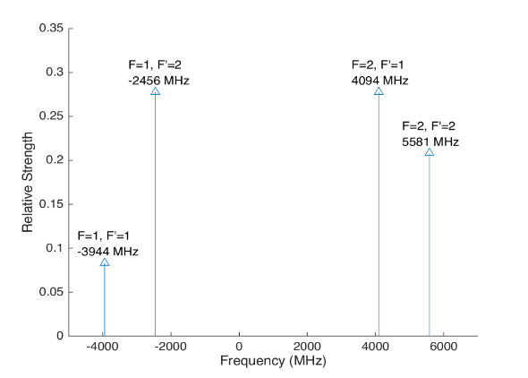
 |  |  |  |  |  |  | Ba138 |  | S1/2 |  |  | Ba137
 |  |  |  |  | Isotope Shift (from Ba138) | Transition Frequency
 |  |  |  |  | 0 | 607.42597 | P1/2 |  | 0
 |  |  |  |  |  | ^Four-Rod
 |  |  |  |  |  |  | Ba136 |  | S1/2
 |  |  |  |  | Isotope Shift (from Ba138) | Transition Frequency
 |  |  |  |  | 179.4 | 607.4261494 | P1/2 |  | 179.4

 |  |  |  |  |  |  | Ba134 |  | S1/2
 |  |  |  |  | Isotope Shift (from Ba138) | Transition Frequency
 |  |  |  |  | 222.6 | 607.4261926 | P1/2 |  | 222.6

 |  |  |  |  |  |  | Ba132 |  | S1/2
 |  |  |  |  | Isotope Shift (from Ba138) | Transition Frequency
 |  |  |  |  | 279.9 | 607.4262499 | P1/2 |  | 278.9

 |  |  |  |  |  |  | Ba130 |  | S1/2
 |  |  |  |  | Isotope Shift (from Ba138) | Transition Frequency
 |  |  |  |  | 355.3 | 607.4263253 | P1/2 |  | 355.3

650nm_EOM-Freqs
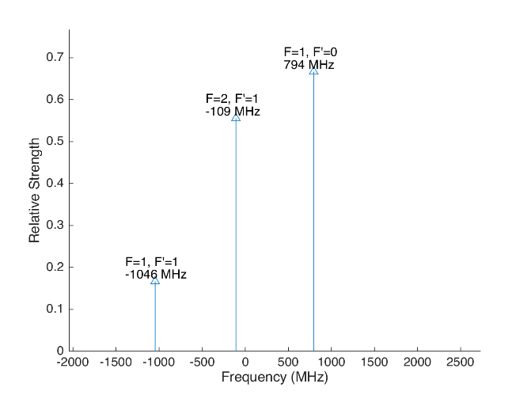
 |  |  |  |  |  |  | Laser Shift (From 138) | Laser Frequency |  |  |  |  |  |  |  | Ba133
 |  |  |  |  |  |  | 500 | 461.31254 |  |  |  | 500
Ba133 |  |  | D3/2 |  |  |  |  |  | Ba133 |  |  | D3/2
 |  | F | 1 | 2 |  |  | Isotope Shift (from Ba138) | Ba133 Fine Carrier | Ba133 |  | F | 1 | 2
 | F | Frequency | 585.625 | -351.375 |  |  | 198 | -302 |  | F | Frequency | 585.625 | -351.375
P1/2 | 0 | 1380 | 794.375 | na |  |  |  |  | P1/2 | 0 | 1380 | 492.375 | na
 | 1 | -460 | -1045.625 | -108.625 |  |  |  |  |  | 1 | -460 | -1347.625 | -410.625

Ba137 |  |  | D3/2 |  |  |  |  |  | Ba137 |  |  |  |  | D3/2
Ba137 |  | F | 0 | 1 | 2 | 3 | Isotope Shift (from Ba138) | Ba137 Fine Carrier | Ba137 |  | F | 0 | 1 | 2 | 3
 | F | Frequency | -655.81 | -510.62 | -175.7 | 438.03 | -13 | -513 |  | F | Frequency | -655.81 | -510.62 | -175.7 | 438.03
P1/2 | 1 | -929.625 | -273.815 | -419.005 | -753.925 | na |  |  | P1/2 | 1 | -929.625 | -786.815 | -932.005 | -1266.925 | na
 | 2 | 557.78 | na | 1068.4 | 733.48 | 119.75 |  |  |  | 2 | 557.78 | na | 555.4 | 220.48 | -393.25
This sheet allows you to find what EOM frequencies are needed to drive all of the 650 nm Hyperfine transitions, given a laser shift from the Ba138 transition.
To set the laser carrier to drive a transition, do "= Energy(P1/2) - Energy(D3/2) + IsotopeShift".
Averaged transition strengths are shown to the right to help make the best choice for your application
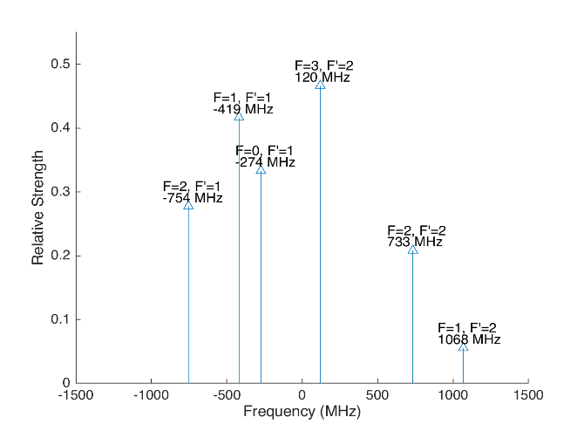
 |  |  |  |  |  |  |  |  | Ba138 |  | D3/2 |  |  |  |  | Ba137
 |  |  |  |  |  |  | Isotope Shift (from Ba138) | Transition Frequency | Ba138
 |  |  |  |  |  |  | 0 | 461.31204 | P1/2 |  | -500
 |  |  |  |  |  |  |  | ^Four-Rod
 |  |  |  |  |  |  |  |  | Ba136 |  | D3/2
 |  |  |  |  |  |  | Isotope Shift (from Ba138) | Transition Frequency | Ba136
 |  |  |  |  |  |  | 68 | 461.312108 | P1/2 |  | -432

 |  |  |  |  |  |  |  |  | Ba134 |  | D3/2
 |  |  |  |  |  |  | Isotope Shift (from Ba138) | Transition Frequency
 |  |  |  |  |  |  | 174.5 | 461.3122145 | P1/2 |  | -325.5

 |  |  |  |  |  |  |  |  | Ba132 |  | D3/2
 |  |  |  |  |  |  | Isotope Shift (from Ba138) | Transition Frequency
 |  |  |  |  |  |  | 292 | 461.312332 | P1/2 |  | -208

 |  |  |  |  |  |  |  |  | Ba130 |  | D3/2
 |  |  |  |  |  |  | Isotope Shift (from Ba138) | Transition Frequency
 |  |  |  |  |  |  | 394 | 461.312434 | P1/2 |  | -106

Isotope-Switching
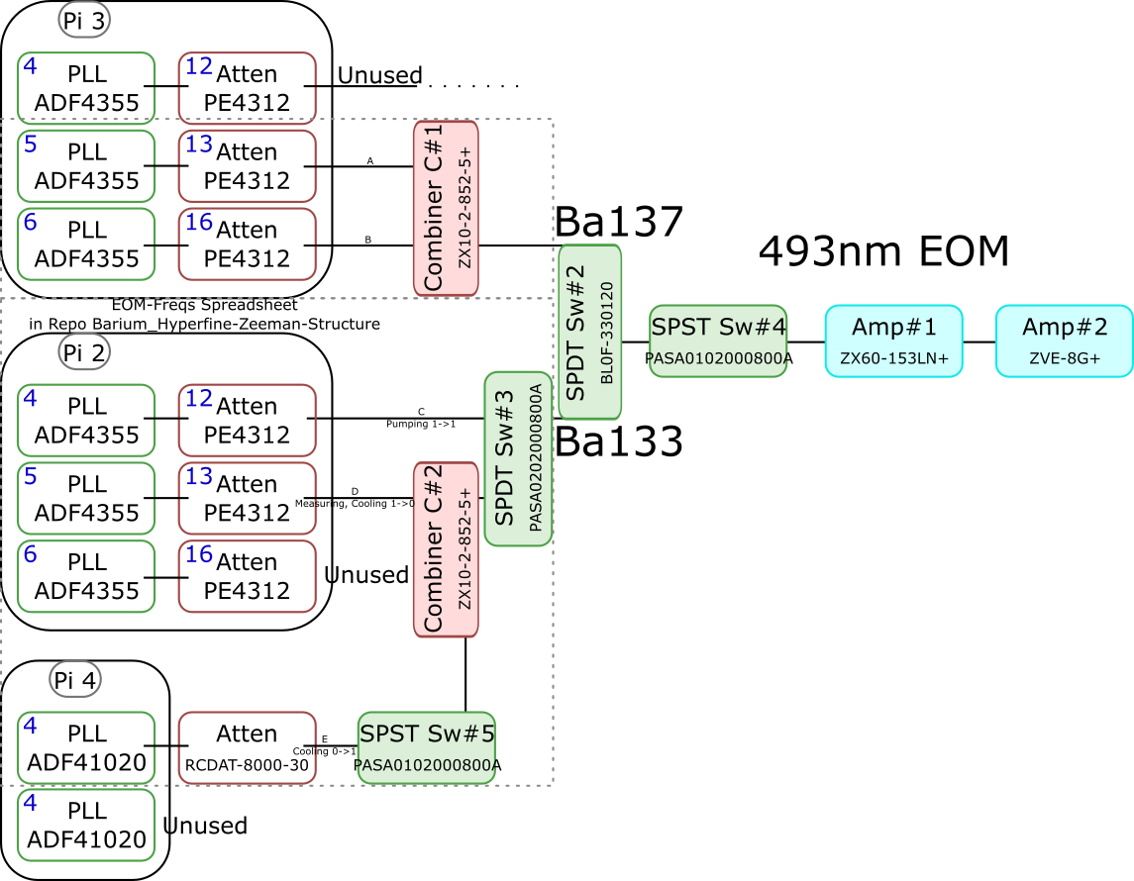
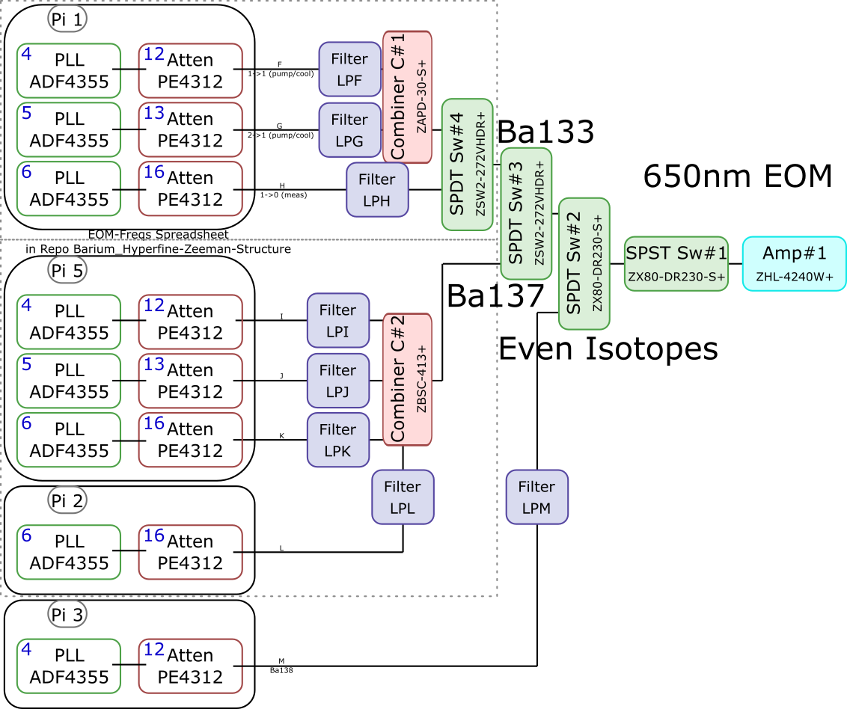
 |  |  |  |  |  |  |  |  |  | Components | Part # | Frequencies (MHz) | Power (dBm)
 |  |  |  |  |  |  |  |  |  | PLLs | ADF4355 | 54 - 4400 | -10
 |  |  |  |  |  |  |  |  |  |  | ADF41020 | 6500 - 8300

 |  |  |  |  |  |  |  |  |  |  |  | Frequencies (MHz) |  |  | Speed (ns) | Notes
 |  |  |  |  |  |  |  |  |  | Attenuators | PE4312 | 1 - 5000 |  |  | 500 | 4000 freq. limit, but 5000 works in practice
 |  |  |  |  |  |  |  |  |  |  | RCDAT-8000-30 | 1 - 8000 |  |  | 800

 |  |  |  |  |  |  |  |  |  |  |  | Frequencies (MHz)
 |  |  |  |  |  |  |  |  |  | Combiners | ZX10-2-852-5+ | 500 - 8500
 |  |  |  |  |  |  |  |  |  |  | ZAPD-30-S+ | 20 - 3000
 |  |  |  |  |  |  |  |  |  |  | ZBSC-413+ | 10 - 800

 |  |  |  |  |  |  |  |  |  |  |  | Frequencies (MHz) |  |  | Speed (us)
 |  |  |  |  |  |  |  |  |  | Switches | B10F-330120 | 0 - 12400 |  |  | 20000
 |  |  |  |  |  |  |  |  |  |  | PASA0102000800A | 2000 - 8000 |  |  | 0.1
 |  |  |  |  |  |  |  |  |  |  | PASA0202000800A | 2000 - 8000 |  |  | 0.1
 |  |  |  |  |  |  |  |  |  |  | ZSW2-272-VHDR+ | 350 - 10000 |  |  | 15
 |  |  |  |  |  |  |  |  |  |  | ZX80-DR230-S+ | 0 - 3000 |  |  | 2

 |  |  |  |  |  |  |  |  |  |  |  | Frequencies (MHz) | Power (dBm) | Gain (dB)
 |  |  |  |  |  |  |  |  |  | Amplifiers | ZX60-153LN+ | 500 - 18000 | 28 | 17
 |  |  |  |  |  |  |  |  |  |  | ZVE-3W-183+ | 5900 - 18000 | 36 | 35
 |  |  |  |  |  |  |  |  |  |  | ZVE-8G+ | 2000 - 8000 | 30 | 30
 |  |  |  |  |  |  |  |  |  |  | ZHL-4240W+ | 10 - 4200 | 38

 |  | Overall path frequency limitations |  |  |  |  | Path Frequency Limitations
 | Path | Frequency Range | Isotope | Description |  | Path | Frequency Range | Isotope | Description
493 nm | A | 2000 (Sw#4) - 5000 (Att) | Ba137 |  | 650 nm | F | 350 (Sw#4,3) - 3000 (Sw#2,1) | Ba133 | (1-1) Pumping/Cooling
 | B | 2000 (Sw#4) - 5000 (Att) | Ba137 |  |  | G | 350 (Sw#4,3) - 3000 (Sw#2,1) | Ba133 | (2-1) Pumping/Cooling
 | C | 2000 (Sw#3,4) - 5000 (Att#1) | Ba133 | (1-1) Pumping |  | H | 350 (Sw#4,3) - 3000 (Sw#2,1) | Ba133 | (1-0) Measuring
 | D | 2000 (Sw#3,4) - 5000 (Att#1) | Ba133 | (1-0) Measuring/Cooling |  | I | 350 (Sw#3) - 800 (Comb#2) | Ba137
 | E | 2000 (Sw#5,3,4) - 8000 (Sw#5,3,4) | Ba133 | (0-1) Cooling |  | J | 350 (Sw#3) - 800 (Comb#2) | Ba137
 |  |  |  |  |  | K | 350 (Sw#3) - 800 (Comb#2) | Ba137
 |  |  |  |  |  | L | 350 (Sw#3) - 800 (Comb#2) | Ba137 | Not needed if carrier drives a transition
 |  |  |  |  |  | M | 54 (PLL#1) - 3000 (Sw#1) | Evens | Not currently being used - carrier drives these

 |  |  |  |  |  |  | Current Filters
 |  |  |  |  |  | Filter | Part # | Freq (MHz)
 |  |  |  |  |  | LPF | SLP550+ | 550+
 |  |  |  |  |  | LPG
 |  |  |  |  |  | LPH | VLF-630+ | 630+
 |  |  |  |  |  | LPI
 |  |  |  |  |  | LPJ
 |  |  |  |  |  | LPK
 |  |  |  |  |  | LPL
 |  |  |  |  |  | LPM

Data
Temp | Power Min | Power Max | Power Ave
60 | 28.7 | 35 | 31.85
60.5 | 39 | 43 | 41
61 | 63 | 68 | 65.5
61.5 | 90 | 105 | 97.5
62 | 245 | 255 | 250
62.7 |  |  | 486
63.2 |  |  | 1320
63.65 |  |  | 1550
64.15 |  |  | 2220
64.35 |  |  | 2050
64.9 |  |  | 1050
 |  |  | #DIV/0!
 |  |  | #DIV/0!

