Main
Date

Alignment

Beam line | Left needle, horizontal | Left needle, vertical | Right needle, horizontal | Right needle, vertical | Focus | Average, horizontal | Average, vertical | Original
Combined (493/553/650) | 1.608 | 1.913 | 1.653 | 1.913 | 8.43 | 1.727 | 2.014 | 1.644 | 1.916
REMPI 2 (405) | 2.233 | 2.159 | 2.177 | 2.155 | 12.625 | 1.74 | 2.061
Optical pumping | - | - | - | - | - | - | -
Ionization 1st (553 perp to rad. target) | - | - | - | - | 12.42 | 2.378 | 2.086
Imaging | - | - | - | - | 1.76 | 17.64 | 5.535
Note: All measurements defined from micrometer readings from stages and mirror mounts. 'Vertical' for beams is perpendicular to optics table. '
Vertical' for imaging is in the plane of focus, perpendicular to trap axis. 'Horizontal' is the trap axis.
 |  |  |  |  |  | x | y

Trap parameters

DC 1, top left (V) | DC, top right (V) | Needle, left (V) |  | RF drive amplitude (Vpp) | 2.5
0.1 | 0 | 8.6 |  | RF frequency (MHz) | 20.787
DC 2, bottom left (V) | DC, bottom right (V) | Needle, right (V) |  | RF reflected (dBm) | -19
0 | 0.05 | 9

Magnetic field

Ring 1 (A) | Ring 3 (A) | Ring 5 (A)
0 | 0 | 0
Ring 2 (A) | Ring 4 (A) | Ring 6 (A)
0 | 0 | 4

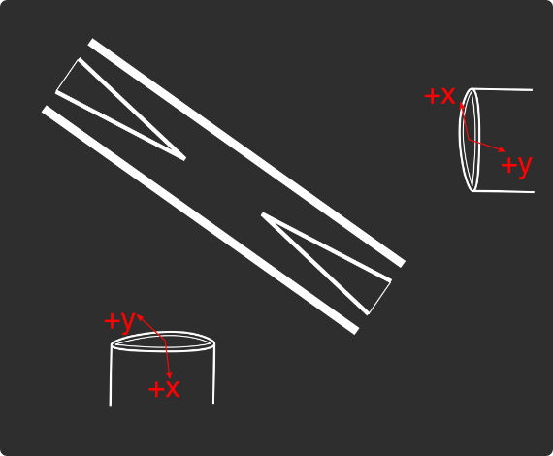
Loading
 |  |  |  | View from below
Oven current (A) |  |  |  | Radioactive |  | x | y
Target temperature (oC) |  |  |  |  |  | SN 27255859 | SN 27255860
 |  |  |  |  |  | Horiz. on Mirror mount | Vert. on Mirror mount
 |  |  |  |  |  | Natural | Radioactive
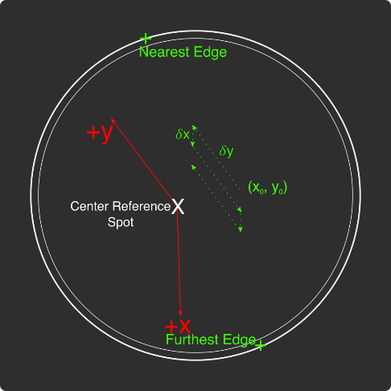
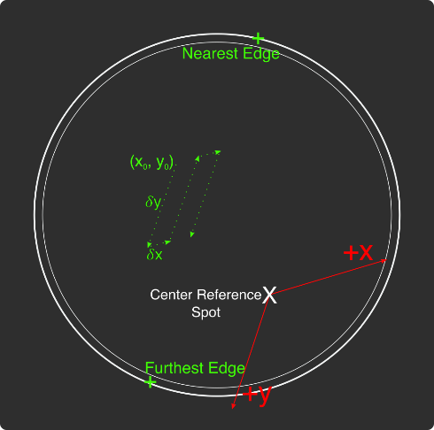
Ablation Split-Paths Power | Natural | Ba133 | Sampler
FitA (uJ) | 1120.6401 | 1219.6182 | 1158.1265
FitX0 (Deg) | 100.3444 | 101.3211 | 100.4206
FitY0 (uJ) | 1.2331 | 0.5797 | 2.072
Amplitude Ratio (from Sampler) | 0.96829950491 | 1.0544818605
Data collected 8-20-2020, graphs on Minilite ions-wiki page
Natural Abundance Target |  |  |  | Natural Abundance |  |  |  |  |  |  | x | y |  | X | Y | Z
Ablation laser | Repetition rate (Hz) | Pressure spikes (mBar) | Rotation angle (55[min] - 100) | Sampler pulse energy (uJ) | Actual pulse energy (uJ) |  |  |  |  | Closest to Focus pos. |  |  | Ablation Beam Vector
Minilite I | 2 | 2.00E-10 | 55 | 65 | 39.058247275 |  |  |  |  | Furthest from Focus pos. |  |  | Target Normal Vector
 | Note, to recenter to the same position, be sure to use the same pulse energy each time
Ablation Laser Sweep | Edge Position 1 (x) | Edge Position 2( x) | Edge Position 3 (y) | Edge Position 4 (y) | Center Position (x) | Center Position (y) | Servo/Actual Ratio (x) | Servo/Actual Ratio(y) |  | Angle b/w Target+Laser |  |  | Beam Waist
Natural Abund. Target | 7.12765 | 7.2913 | 5.9351 | 6.16692 | 7.209475 | 6.05101 | 25.456767492 | 17.970839444 |  | Laser Z along Target |  |  | Rayleigh Range
 |  |  |  |  |  |  |  |  |  | Rayleigh Z |  |  | Fluence
Period (s) | x0 (mm) | y0 (mm) | 𝛿x (mm) | 𝛿y (mm) | Steps (x) | Steps (y) | Total Actual Distance (x) (mm) | Total Actual Distance (y) (mm)
60 | 7.24 | 6.1 | 0.0025 | 0.01 | 6 | 1 | 0.38185151237 | 0.17970839444
 |  |  | xf (mm) | yf (mm)
 |  |  | 7.255 | 6.11
Radioactive Target
Ablation laser | Repetition rate (Hz) | Pressure spikes (mBar) | Rotation angle (55[min] - 100) | Sampler pulse energy (uJ) | Actual pulse energy (uJ)
Minilite I | 2 | 2.00E-10 | 100 | 60 | 62.982401191
 | Note, to recenter to the same position, be sure to use the same pulse energy each time |  |  |  |  |  |  |  |  | Edge to Edge parameters - 08/25/2020
Ablation Laser Sweep | Edge Position 1 (x) | Edge Position 2( x) | Edge Position 3 (y) | Edge Position 4 (y) | Center Position (x) | Center Position (y) | Servo-Actual-Ratio (x) | Servo-Actual Ratio(y) |  | Y pos | Xedge | Xedge
Radioactive Target | 7.06227 | 7.43187 | 5.8754 | 6.26612 | 7.24707 | 6.07076 | 11.271645022 | 10.662366912 |  | 6.00564 | 7.348 | 6.9938 | 7.1709

Period (s) | x0 (mm) | y0 (mm) | 𝛿x (mm) | 𝛿y (mm) | Steps (x) | Steps (y) | Total Actual Distance (x) (mm) | Total Actual Distance (y) (mm)
60 | 7.24 | 6.00564 | 0.005 | 0.02 | 6 | 1 |  | 0.21324733825 | #VALUE!
 |  |  | xf (mm) | yf (mm)
 |  |  | 7.27 | 6.02564
Laser parameters

Laser Powers | Cooling (493 nm) | Cooling Repump (650 nm) | REMPI 1 (553.5 nm) | REMPI 1 (553.5 nm) Secondary | REMPI 2 (405 nm) | Combined Beam Total
Measured Power (Sampled) (uW) | 3.3 | 10 | 2.4 | Ratio from other path
Actual Power/Sampler Power Ratio | 24.3819 | 14.6846 | 13.747 | 4.5497185741
Power (uW) | 80.46027 | 146.846 | 32.9928 | 150.10795497 | 775
 | 55 | 81 | 105 | 477.72045028
Ba138
Beam | Power (uW) | Freq. on Wmeter (THz) | Actual Freq.(THz)
Cooling (493 nm) | 55 | 607.42594 | 607.42614
Measurement (493 nm) | - | - | -
Cooling repump (650 nm) | 85 | 461.31204 | 461.31224
Clearout (614 nm) | - | - | -
REMPI 1 (553.5 nm) | 105 | 541.4329 | 541.4331
REMPI 1 (553.5 nm) (Radioactive) | 527 | 541.4329
REMPI 2 (405 nm) | 1650 | - | -
 |  |  | Ion Brightness (Counts/s)
If Ion parameters are changed during the day, paste the other parameters to the right |  |  | 14000

Ba137
Beam | Power (uW) | Frequency Offset (from Ba138) (GHz) | Expected Freq. on Wmeter (THz) | Acutal Peak Freq. on Wmeter (THz) | AOM Freq. (MHZ) | Actual Carrier Freq. (THz)
Cooling (493 nm) | 85 | 0 | 607.42594 | 607.426015 | 200 | 607.42614
Measurement (493 nm) | - |  | - | - | - | -
Cooling repump (650 nm) | 207 | 0.10675 | 461.31214675 | 461.31215 | -200 | 461.31194675
Clearout (614 nm) | - |  | - | - | - | -
REMPI 1 (553.5 nm) | 116 | 0.274 | 541.433174 | 541.43313 | - | -
REMPI 2 (405 nm) | 1650 |  | - |  | - | -
 |  |  |  |  |  |  |  |  | 541.433205
Beam | Method | EOM Tones (GHz) | Isotope-Switching Path | Sideband Freq. Blue (THz) | Sideband Freq. Red (THz) | Rf Atten. (dB) | RF Power (dBm)
 | Direct | 2.2 | A | 607.428215 | 607.423815 | 22 | 6.8
Cooling (493 nm) |  | 4.36 | B | 607.430375 | 607.421655 | 6.5 | 12.8
 |  | - |  | - | -
 |  | - |  | - | -
Measurement (493 nm) |  | - |  | - | -
 |  | - |  | - | -
 | A | 0.41 | I | 461.31256 | 461.31174 | 16 | 6.8
Cooling repump (650 nm) |  | 0.53875 | K | 461.31268875 | 461.31161125 | 12.5 | 13.5
 |  | 0.59 | J | 461.31274 | 461.31156 | 13.5 | 13.6
 |  | - |  | - | -
 |  | - |  | - | -
Clearout (614 nm) |  | - |  | - | -
 |  | - |  | - | -
 |  |  |  | Ion Brightness (Counts/s)
If Ion parameters are changed during the day, paste the other parameters to the right

Ba133
Beam | Power (uW) | Frequency Offset (from Ba138) (GHz) | Expected Freq. on Wmeter (THz) | Acutal Peak Freq. on Wmeter (THz) | AOM Freq. (MHZ) | Actual Carrier Freq. (THz)
Cooling (493 nm) | 19 | 0 | 607.42594 | 607.42597 | 200 | 607.42617
Measurement (493 nm) | - |  | - | - | - | -
Cooling repump (650 nm) | 26.3 | 0.5 | 461.31254 | 461.31204 | 200 | 461.31224
Clearout (614 nm) | - |  | - | - | - | -
REMPI 1 (553.5 nm) | 599 | 0.3865 | 541.4332865 | - | - | -
REMPI 2 (405 nm) | 3155 |  | - | - | - | -

Beam | Method | EOM Tones (GHz) | Isotope Switching Path | Sideband Freq. Blue (THz) | Sideband Freq. Red (THz) | RF Atten. (dB) | RF Power (dBm)
 |  | 4.23425 | D | 607.43020425 | 607.42173575 | 14 | 12.8
Cooling (493 nm) |  | 7.53 | E | 607.4335 | 607.41844 | 13 | 13.3
 |  | - |  | - | -
Pumping (493 nm) |  | 2.3945 | C | 607.4283645 | 607.4235755 | 24 | 13.2
 |  | - |  | - | -
Measurement (493 nm) |  | 4.23436 | D | 607.43020436 | 607.42173564 | 14 | 12.8
 |  | - |  | - | -
 | C | 0.4106 | F | 461.3124506 | 461.3116294 | 13 | 13
Cooling repump (650 nm) |  | 1.3475 | G | 461.3133875 | 461.3106925 | 14 | 13.3
 |  | - |  | - | -
Measuring repump (650 nm) | D | 0.49225 | H | 461.31253225 | 461.31154775 | 18.5 | 13.3
 |  | - |  | - | -
 |  | - |  | - | -
Clearout (614 nm) |  | - |  | - | -
 |  | - |  | - | -
 |  |  |  | Ion Brightness (Counts/s)
If Ion parameters are changed during the day, paste the other parameters to the right

Session notes

Measured 553 power: ~105 uW, reducing to ~75 uW over 1 minute
Returned to second pitted spot from yesterday to use even higher conditioning pulse energy: ~4x to see if we can revive the signal.
Neutral_Pitting_7p265x6p13_During-Condition-3_001: 200 uJ (68 Deg): Forgot to switch on PMT. Pressure spike 2e-9
002: Counts ~140 increasing to ~240 over 40 pulses. Pressure spike 2.5e-9, increasing to ~3.5e09 with counts
After-Condition-3_001: 50 uJ (61.5 Deg): Ablation laser reset
002: Quickly after ~50 pulses, signal went up to ~9, then decayed to 7 after ~1000 pulses. After ~2000 pulses, down to ~5 counts
During-Condition-4_001: 250 uJ (69.5 Deg): 340 counts reducing to ~280 counts then back up to ~320 counts over 40 pulses. Pressure spike 5e-9
After-Condition-4_001: Counts ~3, reducing to BG after ~100 pulses.
7p266x6p13_After-Condition-5_001: BG entire ~200 pulses
7p267x6p13_After-Condition-5_001: BG entire ~200 pulses
7p268x6p13_After-Condition-5_001: ~2.5 counts start, then BG entire rest of ~200 pulses
7p269x6p13_After-Condition-5_001: ~2.5 counts start, then BG entire rest of ~200 pulses
7p27x6p13_After-Condition-5_001: BG entire ~200 pulses
7p264x6p13_After-Condition-5_001: BG entire ~200 pulses
7p263x6p13_After-Condition-5_001: BG entire ~200 pulses
7p262x6p13_After-Condition-5_001: BG entire ~200 pulses
7p261x6p13_After-Condition-5_001: BG entire ~200 pulses
7p260x6p13_After-Condition-5_001: BG entire ~200 pulses
7p265x6p131_After-Condition-5_001: BG entire ~100 pulses
7p265x6p132_After-Condition-5_001: BG entire ~100 pulses
7p265x6p133_After-Condition-5_001: BG entire ~100 pulses
7p265x6p134_After-Condition-5_001: BG entire ~100 pulses
7p265x6p135_After-Condition-5_001: BG entire ~100 pulses
7p265x6p129_After-Condition-5_001: BG entire ~100 pulses
7p265x6p128_After-Condition-5_001: BG entire ~100 pulses
7p265x6p127_After-Condition-5_001: BG entire ~100 pulses
7p265x6p126_After-Condition-5_001: BG entire ~100 pulses
7p265x6p125_After-Condition-5_001: BG entire ~100 pulses
New spot entirely: 7p28x6p125
Before-Condition-1_001: BG entire ~400 pulses
During-Condition-1_001: 140 uJ (66 Deg): ~100 counts increasing to ~200 counts. Total 20 pulses. Pressure spike ~1e-9
After-Condition-1_001: Varied around 30-40 counts up to 10,000 pulses, then suddenly dropped to ~3-5 counts
Returned to ^^ location to see if this new pit influenced the old pit
7p265x6p125_After-First-Pitting-Exp-7p28_001: BG entire ~300 pulses
New spot entirely: 7p265x6p15
Before-Condition-1_001: BG entire ~300 pulses
During-Condition-1_001: Start ~40, increase to ~100 over 20 pulses. Pressure spike ~3e-10
Lower repetition rate, ~5 Hz
After-Condition-1_001: Stayed BG for 400 pulses
During-Condition-2_001: higher condition pulse energy 200 uJ (68 Deg): ~180 counts increasing to ~280 over 20 pulses. Pressure spike ~2e-9
Setup new sweep sacrificial area 7.24 -> 7.25, 6.1 ->6.11, got to 1 minute sweep time
Neutral_Conditioning_Sacrif1_Before-Condition-1_001: ~1.5-2 counts average (Close to BG)
Somehow, the 553 nm laser was out of lock and the power was extremely low. Downloaded Wavemeter data to check later. Relocked
Overall power drifting from ~125 ms exp to ~2000 ms exp (wavemeter)... Freq. at 541.45853 THz
After relocking, ~10 ms exposure. Power ~87 uW
BG no 553: ~1.5-2 counts average, barely any spikes above 4
Power drifting down to 40 uW sometimes...
BG no ablation: ~1.5-2 counts average, barely any spikes above 4
Before-Condition-1_002: Redid before-Condition with 553 fixed - Initial ~7 counts, mostly ~BG
During-Condition-1_001:137 uJ (66 Deg): ~100-350 counts, some areas with nearly no signal around halfway through sweep. Pressure spike max ~9e-9. Repeated second period, but signal STAYED up high the entire second period.
After-Condition-1_001: didn't start at beginning of sweep
002: Only signal towards beginning of sweep, ~20 counts. Second sweep, signal only went to ~10 counts
During-Condition-2_001: 190uJ (68 Deg): ~300-400 counts increasing towards half sweep, less towards end of sweep (just like ^), pressure spikes ~3e-9
After-Condition-2_001: ~40 counts mostly, first sweep much higher ~100+ counts, with 240 counts one part ~60 second sweeppeak area
002: COllect fluorescence for this sweep overnight. 5 Hz rep rate, averaging over 120 pulses.First 40k pulses ~20-40 counts average. 553 power varying ~1000 -3000 intensity (wavemeter), possibly corresponding to tail end variation where counts go from ~BG to ~5 counts. Maybe not though, because at one point intens. was

493nm_EOM-Freqs
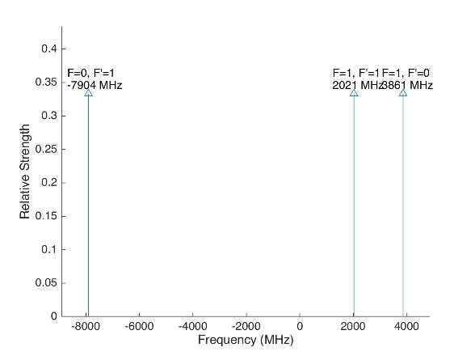
 |  |  |  |  | Laser Shift (from Ba138) | Laser Frequency |  |  |  |  |  | Ba133
 |  |  |  |  | 0 | 607.42597
Ba133 |  |  | S1/2 |  |  |  | Ba133 |  |  | S1/2
 |  | F | 0 | 1 | Isotope Shift (from Ba138) | Ba133 Fine Carrier | Ba133 |  | F | 0 | 1
 | F | Frequency | 7444.09 | -2481.36 | 373 | 373 |  | F | Frequency | 7444.09 | -2481.36
P1/2 | 0 | 1380 | na | 3861.36 |  |  | P1/2 | 0 | 1380 | na | 4234.36
 | 1 | -460 | -7904.09 | 2021.36 |  |  |  | 1 | -460 | -7531.09 | 2394.36

Ba137 |  |  | S1/2 |  |  |  | Ba137 |  |  | S1/2
 |  | F | 1 | 2 | Isotope Shift (from Ba138) | Ba137 Fine Carrier |  |  | F | 1 | 2
 | F | Frequency | -5023.59 | 3014.15 | 271.1 | 271.1 |  | F | Frequency | -5023.59 | 3014.15
P1/2 | 1 | -929.625 | 4093.965 | -3943.775 |  |  | P1/2 | 1 | -929.625 | 4365.065 | -3672.675
 | 2 | 557.78 | 5581.37 | -2456.37 |  |  |  | 2 | 557.78 | 5852.47 | -2185.27

This sheet allows you to find what EOM frequencies are needed to drive all of the 493 nm Hyperfine transitions, given a laser shift from the Ba138 transition.
To set the laser carrier to drive a transition, do "= Energy(P1/2) - Energy(S1/2) + IsotopeShift".
Averaged transition strengths are shown to the right to help make the best choice for your application
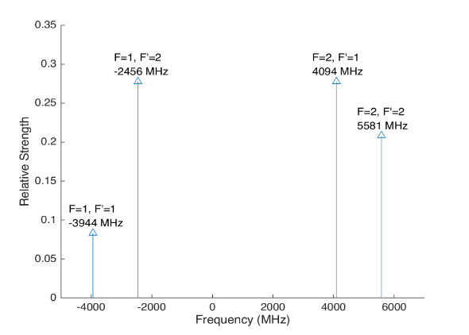
 |  |  |  |  |  |  | Ba138 |  | S1/2 |  |  | Ba137
 |  |  |  |  | Isotope Shift (from Ba138) | Transition Frequency
 |  |  |  |  | 0 | 607.42597 | P1/2 |  | 0
 |  |  |  |  |  | ^Four-Rod
 |  |  |  |  |  |  | Ba136 |  | S1/2
 |  |  |  |  | Isotope Shift (from Ba138) | Transition Frequency
 |  |  |  |  | 179.4 | 607.4261494 | P1/2 |  | 179.4

 |  |  |  |  |  |  | Ba134 |  | S1/2
 |  |  |  |  | Isotope Shift (from Ba138) | Transition Frequency
 |  |  |  |  | 222.6 | 607.4261926 | P1/2 |  | 222.6

 |  |  |  |  |  |  | Ba132 |  | S1/2
 |  |  |  |  | Isotope Shift (from Ba138) | Transition Frequency
 |  |  |  |  | 279.9 | 607.4262499 | P1/2 |  | 278.9

 |  |  |  |  |  |  | Ba130 |  | S1/2
 |  |  |  |  | Isotope Shift (from Ba138) | Transition Frequency
 |  |  |  |  | 355.3 | 607.4263253 | P1/2 |  | 355.3

650nm_EOM-Freqs
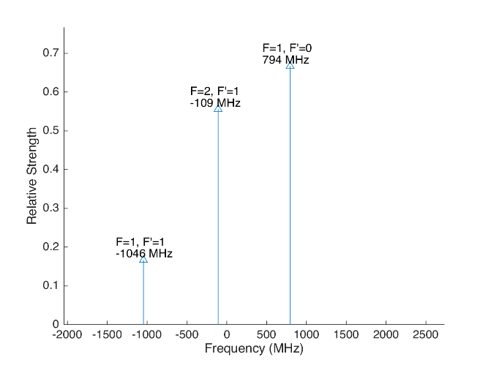
 |  |  |  |  |  |  | Laser Shift (From 138) | Laser Frequency |  |  |  |  |  |  |  | Ba133
 |  |  |  |  |  |  | 500 | 461.31254 |  |  |  | 500
Ba133 |  |  | D3/2 |  |  |  |  |  | Ba133 |  |  | D3/2
 |  | F | 1 | 2 |  |  | Isotope Shift (from Ba138) | Ba133 Fine Carrier | Ba133 |  | F | 1 | 2
 | F | Frequency | 585.625 | -351.375 |  |  | 198 | -302 |  | F | Frequency | 585.625 | -351.375
P1/2 | 0 | 1380 | 794.375 | na |  |  |  |  | P1/2 | 0 | 1380 | 492.375 | na
 | 1 | -460 | -1045.625 | -108.625 |  |  |  |  |  | 1 | -460 | -1347.625 | -410.625

Ba137 |  |  | D3/2 |  |  |  |  |  | Ba137 |  |  |  |  | D3/2
Ba137 |  | F | 0 | 1 | 2 | 3 | Isotope Shift (from Ba138) | Ba137 Fine Carrier | Ba137 |  | F | 0 | 1 | 2 | 3
 | F | Frequency | -655.81 | -510.62 | -175.7 | 438.03 | -13 | -513 |  | F | Frequency | -655.81 | -510.62 | -175.7 | 438.03
P1/2 | 1 | -929.625 | -273.815 | -419.005 | -753.925 | na |  |  | P1/2 | 1 | -929.625 | -786.815 | -932.005 | -1266.925 | na
 | 2 | 557.78 | na | 1068.4 | 733.48 | 119.75 |  |  |  | 2 | 557.78 | na | 555.4 | 220.48 | -393.25
This sheet allows you to find what EOM frequencies are needed to drive all of the 650 nm Hyperfine transitions, given a laser shift from the Ba138 transition.
To set the laser carrier to drive a transition, do "= Energy(P1/2) - Energy(D3/2) + IsotopeShift".
Averaged transition strengths are shown to the right to help make the best choice for your application
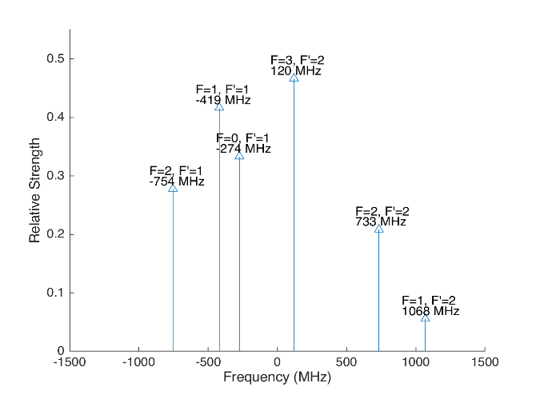
 |  |  |  |  |  |  |  |  | Ba138 |  | D3/2 |  |  |  |  | Ba137
 |  |  |  |  |  |  | Isotope Shift (from Ba138) | Transition Frequency | Ba138
 |  |  |  |  |  |  | 0 | 461.31204 | P1/2 |  | -500
 |  |  |  |  |  |  |  | ^Four-Rod
 |  |  |  |  |  |  |  |  | Ba136 |  | D3/2
 |  |  |  |  |  |  | Isotope Shift (from Ba138) | Transition Frequency | Ba136
 |  |  |  |  |  |  | 68 | 461.312108 | P1/2 |  | -432

 |  |  |  |  |  |  |  |  | Ba134 |  | D3/2
 |  |  |  |  |  |  | Isotope Shift (from Ba138) | Transition Frequency
 |  |  |  |  |  |  | 174.5 | 461.3122145 | P1/2 |  | -325.5

 |  |  |  |  |  |  |  |  | Ba132 |  | D3/2
 |  |  |  |  |  |  | Isotope Shift (from Ba138) | Transition Frequency
 |  |  |  |  |  |  | 292 | 461.312332 | P1/2 |  | -208

 |  |  |  |  |  |  |  |  | Ba130 |  | D3/2
 |  |  |  |  |  |  | Isotope Shift (from Ba138) | Transition Frequency
 |  |  |  |  |  |  | 394 | 461.312434 | P1/2 |  | -106

Isotope-Switching
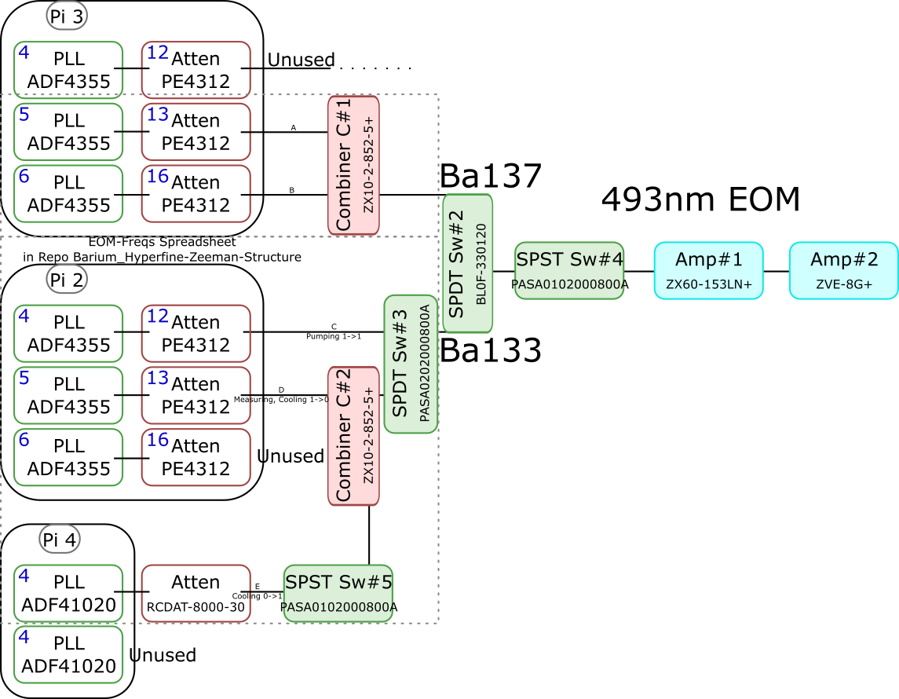
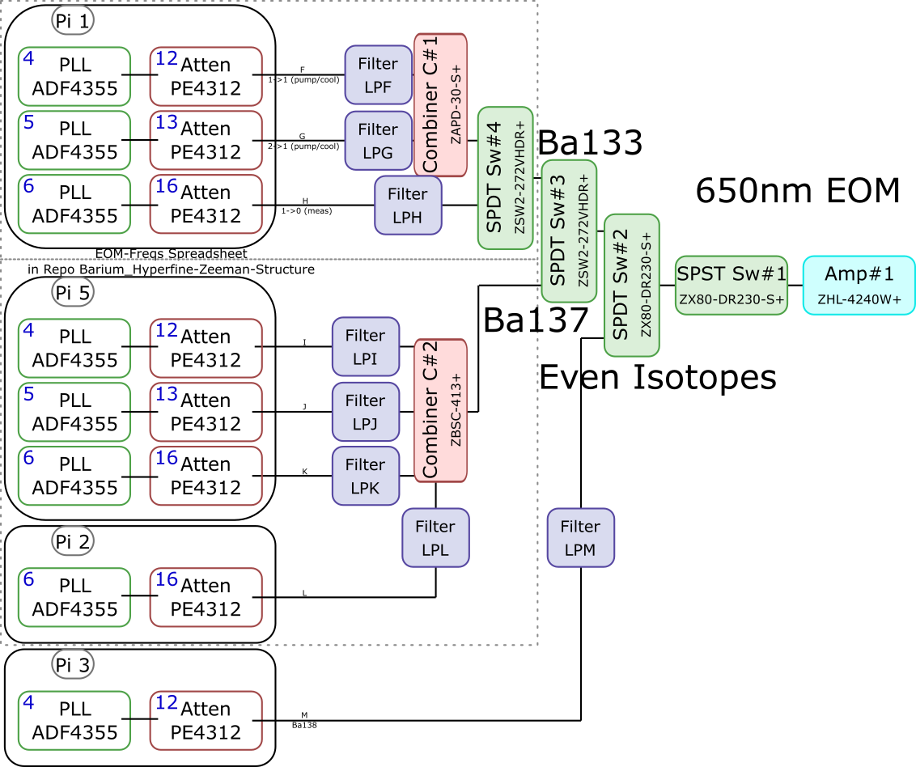
 |  |  |  |  |  |  |  |  |  | Components | Part # | Frequencies (MHz) | Power (dBm)
 |  |  |  |  |  |  |  |  |  | PLLs | ADF4355 | 54 - 4400 | -10
 |  |  |  |  |  |  |  |  |  |  | ADF41020 | 6500 - 8300

 |  |  |  |  |  |  |  |  |  |  |  | Frequencies (MHz) |  |  | Speed (ns) | Notes
 |  |  |  |  |  |  |  |  |  | Attenuators | PE4312 | 1 - 5000 |  |  | 500 | 4000 freq. limit, but 5000 works in practice
 |  |  |  |  |  |  |  |  |  |  | RCDAT-8000-30 | 1 - 8000 |  |  | 800

 |  |  |  |  |  |  |  |  |  |  |  | Frequencies (MHz)
 |  |  |  |  |  |  |  |  |  | Combiners | ZX10-2-852-5+ | 500 - 8500
 |  |  |  |  |  |  |  |  |  |  | ZAPD-30-S+ | 20 - 3000
 |  |  |  |  |  |  |  |  |  |  | ZBSC-413+ | 10 - 800

 |  |  |  |  |  |  |  |  |  |  |  | Frequencies (MHz) |  |  | Speed (us)
 |  |  |  |  |  |  |  |  |  | Switches | B10F-330120 | 0 - 12400 |  |  | 20000
 |  |  |  |  |  |  |  |  |  |  | PASA0102000800A | 2000 - 8000 |  |  | 0.1
 |  |  |  |  |  |  |  |  |  |  | PASA0202000800A | 2000 - 8000 |  |  | 0.1
 |  |  |  |  |  |  |  |  |  |  | ZSW2-272-VHDR+ | 350 - 10000 |  |  | 15
 |  |  |  |  |  |  |  |  |  |  | ZX80-DR230-S+ | 0 - 3000 |  |  | 2

 |  |  |  |  |  |  |  |  |  |  |  | Frequencies (MHz) | Power (dBm) | Gain (dB)
 |  |  |  |  |  |  |  |  |  | Amplifiers | ZX60-153LN+ | 500 - 18000 | 28 | 17
 |  |  |  |  |  |  |  |  |  |  | ZVE-3W-183+ | 5900 - 18000 | 36 | 35
 |  |  |  |  |  |  |  |  |  |  | ZVE-8G+ | 2000 - 8000 | 30 | 30
 |  |  |  |  |  |  |  |  |  |  | ZHL-4240W+ | 10 - 4200 | 38

 |  | Overall path frequency limitations |  |  |  |  | Path Frequency Limitations
 | Path | Frequency Range | Isotope | Description |  | Path | Frequency Range | Isotope | Description
493 nm | A | 2000 (Sw#4) - 5000 (Att) | Ba137 |  | 650 nm | F | 350 (Sw#4,3) - 3000 (Sw#2,1) | Ba133 | (1-1) Pumping/Cooling
 | B | 2000 (Sw#4) - 5000 (Att) | Ba137 |  |  | G | 350 (Sw#4,3) - 3000 (Sw#2,1) | Ba133 | (2-1) Pumping/Cooling
 | C | 2000 (Sw#3,4) - 5000 (Att#1) | Ba133 | (1-1) Pumping |  | H | 350 (Sw#4,3) - 3000 (Sw#2,1) | Ba133 | (1-0) Measuring
 | D | 2000 (Sw#3,4) - 5000 (Att#1) | Ba133 | (1-0) Measuring/Cooling |  | I | 350 (Sw#3) - 800 (Comb#2) | Ba137
 | E | 2000 (Sw#5,3,4) - 8000 (Sw#5,3,4) | Ba133 | (0-1) Cooling |  | J | 350 (Sw#3) - 800 (Comb#2) | Ba137
 |  |  |  |  |  | K | 350 (Sw#3) - 800 (Comb#2) | Ba137
 |  |  |  |  |  | L | 350 (Sw#3) - 800 (Comb#2) | Ba137 | Not needed if carrier drives a transition
 |  |  |  |  |  | M | 54 (PLL#1) - 3000 (Sw#1) | Evens | Not currently being used - carrier drives these

 |  |  |  |  |  |  | Current Filters
 |  |  |  |  |  | Filter | Part # | Freq (MHz)
 |  |  |  |  |  | LPF | SLP550+ | 550+
 |  |  |  |  |  | LPG
 |  |  |  |  |  | LPH | VLF-630+ | 630+
 |  |  |  |  |  | LPI
 |  |  |  |  |  | LPJ
 |  |  |  |  |  | LPK
 |  |  |  |  |  | LPL
 |  |  |  |  |  | LPM

Data
Temp | Power Min | Power Max | Power Ave
60 | 28.7 | 35 | 31.85
60.5 | 39 | 43 | 41
61 | 63 | 68 | 65.5
61.5 | 90 | 105 | 97.5
62 | 245 | 255 | 250
62.7 |  |  | 486
63.2 |  |  | 1320
63.65 |  |  | 1550
64.15 |  |  | 2220
64.35 |  |  | 2050
64.9 |  |  | 1050
 |  |  | #DIV/0!
 |  |  | #DIV/0!

