Main
Date

Alignment

Beam line | Left needle, horizontal | Left needle, vertical | Right needle, horizontal | Right needle, vertical | Focus | Average, horizontal | Average, vertical | Original
Combined (493/553/650) | 1.608 | 1.913 | 1.653 | 1.913 | 8.43 | 1.727 | 2.014 | 1.644 | 1.916
REMPI 2 (405) | 2.233 | 2.159 | 2.177 | 2.155 | 12.625 | 1.74 | 2.061
Optical pumping | - | - | - | - | - | - | -
Ionization 1st (553 perp to rad. target) | - | - | - | - | 12.42 | 2.378 | 2.086
Imaging | - | - | - | - | 1.76 | 17.64 | 5.535
Note: All measurements defined from micrometer readings from stages and mirror mounts. 'Vertical' for beams is perpendicular to optics table. '
Vertical' for imaging is in the plane of focus, perpendicular to trap axis. 'Horizontal' is the trap axis.
 |  |  |  |  |  | x | y

Trap parameters

DC 1, top left (V) | DC 4, top right (V) | Needle, left (V) |  | RF drive amplitude (Vpp) | 2.5
0.27 | 0.05 | 8.6 |  | RF frequency (MHz) | 20.7856
DC 2, bottom left (V) | DC 3, bottom right (V) | Needle, right (V) |  | RF reflected (dBm) | -27
0.66 | 0.34 | 9

Magnetic field

Ring 1 (A) | Ring 3 (A) | Ring 5 (A)
0 | 0 | 0
Ring 2 (A) | Ring 4 (A) | Ring 6 (A)
0 | 0 | 4

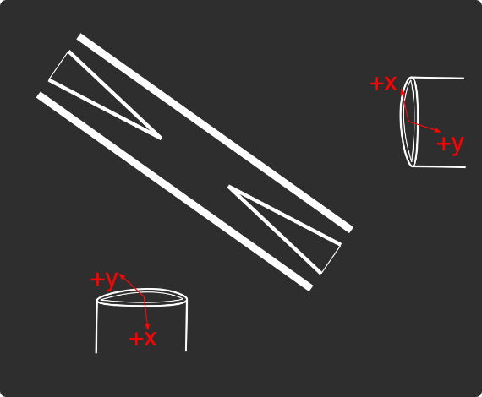
Loading
 |  |  |  | View from below
Oven current (A) |  |  |  | Radioactive |  | x | y
Target temperature (oC) |  |  |  |  |  | SN 27255859 | SN 27255860
 |  |  |  |  |  | Horiz. on Mirror mount | Vert. on Mirror mount
 |  |  |  |  |  | Natural | Radioactive
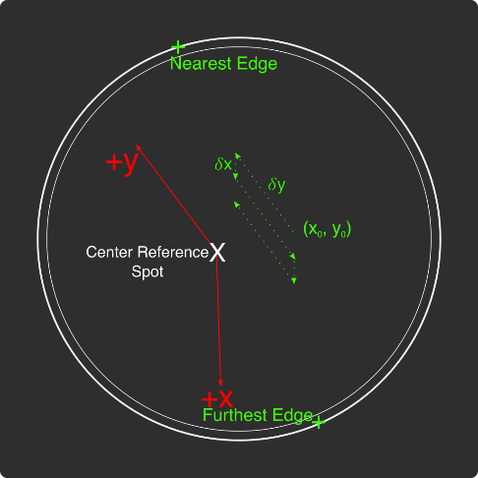
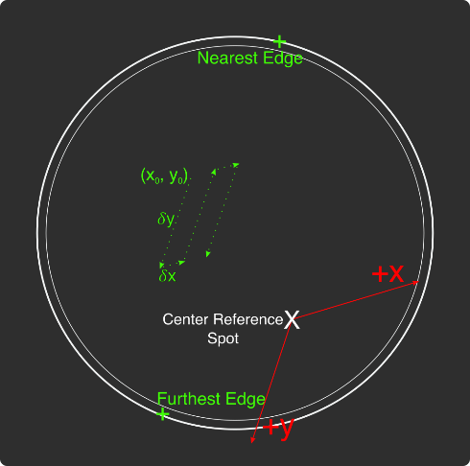
Ablation Split-Paths Power | Natural | Ba133 | Sampler
FitA (uJ) | 1120.6401 | 1219.6182 | 1158.1265
FitX0 (Deg) | 100.3444 | 101.3211 | 100.4206
FitY0 (uJ) | 1.2331 | 0.5797 | 2.072
Amplitude Ratio (from Sampler) | 0.96829950491 | 1.0544818605
Data collected 8-20-2020, graphs on Minilite ions-wiki page
Natural Abundance Target |  |  |  | Natural Abundance |  |  |  |  |  |  | x | y |  | X | Y | Z
Ablation laser | Repetition rate (Hz) | Pressure spikes (mBar) | Rotation angle (55[min] - 100) | Sampler pulse energy (uJ) | Actual pulse energy (uJ) |  |  |  |  | Closest to Focus pos. |  |  | Ablation Beam Vector
Minilite I | 2 | 2.00E-10 | 55 | 78 | 46.86989673 |  |  |  |  | Furthest from Focus pos. |  |  | Target Normal Vector
 | Note, to recenter to the same position, be sure to use the same pulse energy each time
Ablation Laser Sweep | Edge Position 1 (x) | Edge Position 2( x) | Edge Position 3 (y) | Edge Position 4 (y) | Center Position (x) | Center Position (y) | Servo/Actual Ratio (x) | Servo/Actual Ratio(y) |  | Angle b/w Target+Laser |  |  | Beam Waist
Natural Abund. Target | 7.1257 | 7.2893 | 5.9291 | 6.1682 | 7.2075 | 6.04865 | 25.464547677 | 17.423672104 |  | Laser Z along Target |  |  | Rayleigh Range
 |  |  |  |  |  |  |  |  |  | Rayleigh Z |  |  | Fluence
Period (s) | x0 (mm) | y0 (mm) | 𝛿x (mm) | 𝛿y (mm) | Steps (x) | Steps (y) | Total Actual Distance (x) (mm) | Total Actual Distance (y) (mm)
60 | 7.24 | 6.1 | 0.0025 | 0.01 | 6 | 1 | 0.38196821516 | 0.17423672104
 |  |  | xf (mm) | yf (mm)
 |  |  | 7.255 | 6.11
Radioactive Target
Ablation laser | Repetition rate (Hz) | Pressure spikes (mBar) | Rotation angle (55[min] - 100) | Sampler pulse energy (uJ) | Actual pulse energy (uJ)
Minilite I | 2 | 2.00E-10 | 100 | 60 | 62.982401191
 | Note, to recenter to the same position, be sure to use the same pulse energy each time |  |  |  |  |  |  |  |  | Edge to Edge parameters - 08/25/2020
Ablation Laser Sweep | Edge Position 1 (x) | Edge Position 2( x) | Edge Position 3 (y) | Edge Position 4 (y) | Center Position (x) | Center Position (y) | Servo-Actual-Ratio (x) | Servo-Actual Ratio(y) |  | Y pos | Xedge | Xedge
Radioactive Target | 7.06227 | 7.43187 | 5.8754 | 6.26612 | 7.24707 | 6.07076 | 11.271645022 | 10.662366912 |  | 6.00564 | 7.348 | 6.9938 | 7.1709

Period (s) | x0 (mm) | y0 (mm) | 𝛿x (mm) | 𝛿y (mm) | Steps (x) | Steps (y) | Total Actual Distance (x) (mm) | Total Actual Distance (y) (mm)
60 | 7.24 | 6.00564 | 0.005 | 0.02 | 6 | 1 |  | 0.21324733825 | #VALUE!
 |  |  | xf (mm) | yf (mm)
 |  |  | 7.27 | 6.02564
Laser parameters

Laser Powers | Cooling (493 nm) | Cooling Repump (650 nm) | REMPI 1 (553.5 nm) | REMPI 1 (553.5 nm) Secondary | REMPI 2 (405 nm) | Combined Beam Total
Measured Power (Sampled) (uW) | 3.3 | 71 | 2.4 | Ratio from other path
Actual Power/Sampler Power Ratio | 24.3819 | 14.6846 | 13.747 | 4.5497185741
Power (uW) | 80.46027 | 1042.6066 | 32.9928 | 150.10795497 | 740
 | 34 | 72 | 10 | 45.497185741 | 560

Wavemeter Calibration | HeNe Laser Freq. (THz) | HeNe Laser Measured Freq. (THz) | Change in Freq. (MHz)
 | 473.612249 | 473.61225 | -1

Ba138
Beam | Power (uW) | Freq. on Wmeter (THz) | Actual Freq.(THz)
Cooling (493 nm) | 34 | 607.42604 | 607.42624
Measurement (493 nm) | - | - | -
Cooling repump (650 nm) | 70 | 461.3121 | 461.3123
Clearout (614 nm) | - | - | -
REMPI 1 (553.5 nm) | 7 | 541.432982 | 541.433182
REMPI 1 (553.5 nm) (Radioactive) | 527 | 541.432982
REMPI 2 (405 nm) | 560 | - | -
 |  |  | Ion Brightness (Counts/s)
If Ion parameters are changed during the day, paste the other parameters to the right |  |  | 1300

Ba137
Beam | Power (uW) | Frequency Offset (from Ba138) (GHz) | Expected Freq. on Wmeter (THz) | Acutal Peak Freq. on Wmeter (THz) | AOM Freq. (MHZ) | Actual Carrier Freq. (THz)
Cooling (493 nm) | 34 | 1.83 | 607.42787 | 607.42776 | 200 | 607.42807
Measurement (493 nm) | - |  | - | - | - | -
Cooling repump (650 nm) | 76 | 0.10675 | 461.31220675 | 461.31214 | -200 | 461.31200675
Clearout (614 nm) | - |  | - | - | - | -
REMPI 1 (553.5 nm) | 7 | 0.274 | 541.433256 | 541.43326 | - | -
REMPI 2 (405 nm) | 600 |  | - |  | - | -

Beam | Method | EOM Tones (GHz) | Isotope-Switching Path | Sideband Freq. Blue (THz) | Sideband Freq. Red (THz) | Rf Atten. (dB) | RF Power Pickoff (dBm) | RF Power (dBm)
 | ThroughF2 | 4.01875 | B | 607.43177875 | 607.42374125 | 8 | -37.8 | 15.27
Cooling (493 nm)
 |  | - |  | - | -
 |  | - |  | - | -
Measurement (493 nm) |  | - |  | - | -
 |  | - |  | - | -
 | A | 0.39365 | I | 461.31253365 | 461.31174635 | 16 | -35 | 5.9
Cooling repump (650 nm) |  | 0.53875 | K | 461.31267875 | 461.31160125 | 12.5 | -32.4 | 5.4
 |  | 0.614125 | J | 461.31275413 | 461.31152587 | 13.5 | -24.6 | 12.98
 |  | - |  | - | -
 |  | - |  | - | -
Clearout (614 nm) |  | - |  | - | -
 |  | - |  | - | -
 |  |  |  | Ion Brightness (Counts/s)
If Ion parameters are changed during the day, paste the other parameters to the right |  |  |  | 4000

Ba133
Beam | Power (uW) | Frequency Offset (from Ba138) (GHz) | Expected Freq. on Wmeter (THz) | Acutal Peak Freq. on Wmeter (THz) | AOM Freq. (MHZ) | Actual Carrier Freq. (THz)
Cooling (493 nm) | 19 | 0 | 607.42604 | 607.42597 | 200 | 607.42617
Measurement (493 nm) | - |  | - | - | - | -
Cooling repump (650 nm) | 26.3 | 0.5 | 461.3126 | 461.31204 | 200 | 461.31224
Clearout (614 nm) | - |  | - | - | - | -
REMPI 1 (553.5 nm) | 599 | 0.3865 | 541.4333685 | - | - | -
REMPI 2 (405 nm) | 3155 |  | - | - | - | -

Beam | Method | EOM Tones (GHz) | Isotope Switching Path | Sideband Freq. Blue (THz) | Sideband Freq. Red (THz) | RF Atten. (dB) | RF Power (dBm)
 |  | 4.23425 | D | 607.43020425 | 607.42173575 | 14 | 12.8
Cooling (493 nm) |  | 7.53 | E | 607.4335 | 607.41844 | 13 | 13.3
 |  | - |  | - | -
Pumping (493 nm) |  | 2.3945 | C | 607.4283645 | 607.4235755 | 24 | 13.2
 |  | - |  | - | -
Measurement (493 nm) |  | 4.23436 | D | 607.43020436 | 607.42173564 | 14 | 12.8
 |  | - |  | - | -
 | C | 0.4106 | F | 461.3124506 | 461.3116294 | 13 | 13
Cooling repump (650 nm) |  | 1.3475 | G | 461.3133875 | 461.3106925 | 14 | 13.3
 |  | - |  | - | -
Measuring repump (650 nm) | D | 0.49225 | H | 461.31253225 | 461.31154775 | 18.5 | 13.3
 |  | - |  | - | -
 |  | - |  | - | -
Clearout (614 nm) |  | - |  | - | -
 |  | - |  | - | -
 |  |  |  | Ion Brightness (Counts/s)
If Ion parameters are changed during the day, paste the other parameters to the right

Session notes

Checked timing of TTLs from IonControl - with SMA DDS output, much less ringing
update() adds exactly 400 ns to every run - without it, the timing is perfect as far as can tell down to 370 ns, which is the smallest timing interval it can handle.
140 us timing difference is measured to be exactly 140 us on oscilloscope.
0: 10 us - 10.4 us actual
1: ^ single falling edge
2: ^ single rising edge
3: 1 us - 1.4 us actual
4: 2 us - 2.4 us actual
5: 3 us - 3.4 us actual
6: no update() - exactly 10 us now
8: 140 us - exactly 140 us actual
DISREGARD THE FOLLOWING:
~25 uJ pulse energy:
Measured TOF with just the ablation laser (took out both filters)
With just one filter taken out, can see high signal from 130 us - 142 us, which reduces to BG after that...
Took 532 nm filter out as well - no different from ^...
Measured from 80 us - 150 us - bright counts from 90-142 us - flash lamp???
Increased pulse energy to 50 uJ - starts at 90 us again, ends at 142 us again. Counts pretty much the same... So flash lamp has fixed intensity perhaps?
Blocked ablation laser - much less drop off at 142 us - flash lamp being blocked mostly...
Even less pulse energy ~21 uJ - ~10 counts flash lamp very close to same as 50 uJ
400 uJ on rad. target - ~10 counts dropoff at 143 us. first meas. at 138 us ~65 somehow... Pressure spike HUGE ~5e-8
started 135 us instead - no such huge measurement... Dropoff same place
Lower pulse energy ~25 uJ - same measurement basically.
Opened up aperture, turned lights off - same general features... Additional small peak within the drop off at 143 us
Increased pulse energy to ~70 uJ - can see slightly higher counts at 142 us (35 compared to 31 counts). BG slightly higher (31 compared to ~25)
Increased to 140 uJ - 38 counts average flashlamp, no peak as in ^... must have been just noise. Dropoff closer to 144 us...
Realized the neutral fluorescence window was the issue - 55 us...
Fixed neutral fluorescence window width to 400 ns (lowest possible)
25 uJ pulse energy rad target - ~142 us increased counts, until 145 us, small counts after still...
Lowest pulse energy, nat target - 142 us increased counts, 143 us max, 145 us nearing BG, 147 us fully BG. Small spike at 148 us
Returned filters, closed down aperture
Checked neutral fluorescence counts (2980 MHz, 90 uW, 60 uJ) - ~5 counts (1/4th what it was beginning of week)
BG ^ - no 553 - ~1-2 counts
Condition (135 uJ) - ~230 counts
A - 20 -> 2 counts quickly...
D2 - 200 counts...
A2 - 30 -> BG quickly
D3 - 220 counts
A3 - 70 uJ instead - 60 -> ~10 quickly, but then came back up to 20, then to 10, then came up to 20-30 -> 10 -> 20-30... Seems like it might be okay for loading efficiency tests...
Trapped single Ba138 after ~10 pulses at 70 uJ - 2980 MHz, which, according to the loading efficiency experiments from this week, is not an optimal freq. for loading it... (0% at 2972 MHz)
Tried trapping with script - 2972 MHz - none trapped after 10 attempts... Probably just the freq. Based on neutral fluorescence, we're probably good to collect data again...
 |  |  |  |  |  |  |  | Raw power | Previous (September) | Pickoff
 |  |  |  |  |  |  | 394 MHz | 5.75 | 6.8 | -35.15 | 40.9
 |  |  |  |  |  |  | 514 MHz | 4.2 | 13.5 | -33.6 | 37.8
 |  |  |  |  |  |  | 614 MHz | 13.1 | 13.6 | -24.48 | 37.58
 |  |  |  |  |  |  |  |  |  |  | 0
 |  |  |  |  |  |  |  |  |  |  | 0
 |  |  |  |  |  |  | 2.2 GHz | 9 | 6.8 | -43.65 | 52.65
 |  |  |  |  |  |  | 4.36 GHz | 13.9 | 12.8 | -39.17 | 53.07

493nm_EOM-Freqs
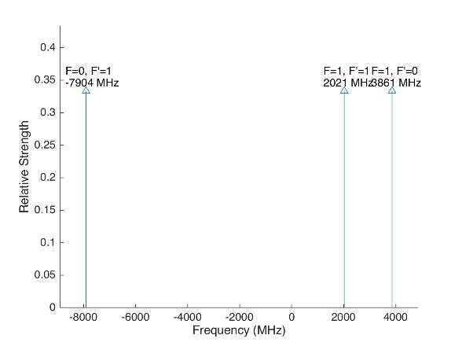
 |  |  |  |  | Laser Shift (from Ba138) | Laser Frequency |  |  |  |  |  | Ba133
 |  |  |  |  | 1833 | 607.427803
Ba133 |  |  | S1/2 |  |  |  | Ba133 |  |  | S1/2
 |  | F | 0 | 1 | Isotope Shift (from Ba138) | Ba133 Fine Carrier | Ba133 |  | F | 0 | 1
 | F | Frequency | 7444.09 | -2481.36 | 373 | -1460 |  | F | Frequency | 7444.09 | -2481.36
P1/2 | 0 | 1380 | na | 3861.36 |  |  | P1/2 | 0 | 1380 | na | 2401.36
 | 1 | -460 | -7904.09 | 2021.36 |  |  |  | 1 | -460 | -9364.09 | 561.36

Ba137 |  |  | S1/2 |  |  |  | Ba137 |  |  | S1/2
 |  | F | 1 | 2 | Isotope Shift (from Ba138) | Ba137 Fine Carrier |  |  | F | 1 | 2
 | F | Frequency | -5023.59 | 3014.15 | 271.1 | -1561.9 |  | F | Frequency | -5023.59 | 3014.15
P1/2 | 1 | -929.625 | 4093.965 | -3943.775 |  |  | P1/2 | 1 | -929.625 | 2532.065 | -5505.675
 | 2 | 557.78 | 5581.37 | -2456.37 |  |  |  | 2 | 557.78 | 4019.47 | -4018.27

This sheet allows you to find what EOM frequencies are needed to drive all of the 493 nm Hyperfine transitions, given a laser shift from the Ba138 transition.
To set the laser carrier to drive a transition, do "= Energy(P1/2) - Energy(S1/2) + IsotopeShift".
Averaged transition strengths are shown to the right to help make the best choice for your application
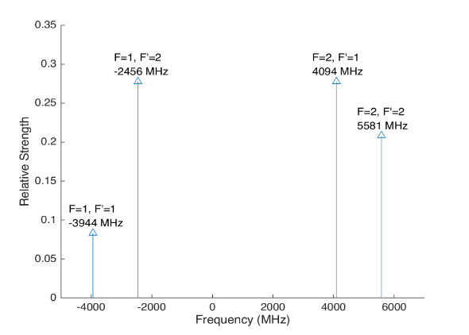
 |  |  |  |  |  |  | Ba138 |  | S1/2 |  |  | Ba137
 |  |  |  |  | Isotope Shift (from Ba138) | Transition Frequency
 |  |  |  |  | 0 | 607.42597 | P1/2 |  | -1833
 |  |  |  |  |  | ^Four-Rod
 |  |  |  |  |  |  | Ba136 |  | S1/2
 |  |  |  |  | Isotope Shift (from Ba138) | Transition Frequency
 |  |  |  |  | 179.4 | 607.4261494 | P1/2 |  | -1653.6

 |  |  |  |  |  |  | Ba134 |  | S1/2
 |  |  |  |  | Isotope Shift (from Ba138) | Transition Frequency
 |  |  |  |  | 222.6 | 607.4261926 | P1/2 |  | -1610.4

 |  |  |  |  |  |  | Ba132 |  | S1/2
 |  |  |  |  | Isotope Shift (from Ba138) | Transition Frequency
 |  |  |  |  | 279.9 | 607.4262499 | P1/2 |  | -1554.1

 |  |  |  |  |  |  | Ba130 |  | S1/2
 |  |  |  |  | Isotope Shift (from Ba138) | Transition Frequency
 |  |  |  |  | 355.3 | 607.4263253 | P1/2 |  | -1477.7

650nm_EOM-Freqs
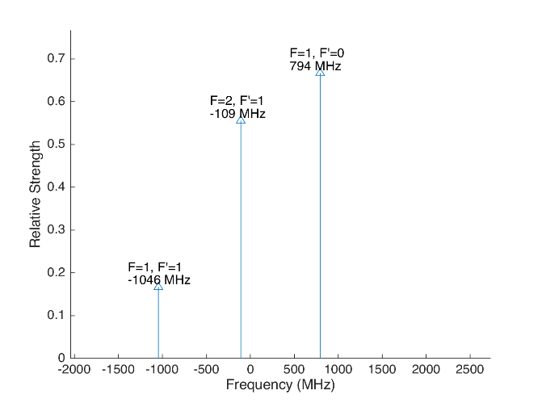
 |  |  |  |  |  |  | Laser Shift (From 138) | Laser Frequency |  |  |  |  |  |  |  | Ba133
 |  |  |  |  |  |  | 106.75 | 461.31214675 |  |  |  | 500
Ba133 |  |  | D3/2 |  |  |  |  |  | Ba133 |  |  | D3/2
 |  | F | 1 | 2 |  |  | Isotope Shift (from Ba138) | Ba133 Fine Carrier | Ba133 |  | F | 1 | 2
 | F | Frequency | 585.625 | -351.375 |  |  | 198 | 91.25 |  | F | Frequency | 585.625 | -351.375
P1/2 | 0 | 1380 | 794.375 | na |  |  |  |  | P1/2 | 0 | 1380 | 885.625 | na
 | 1 | -460 | -1045.625 | -108.625 |  |  |  |  |  | 1 | -460 | -954.375 | -17.375

Ba137 |  |  | D3/2 |  |  |  |  |  | Ba137 |  |  |  |  | D3/2
Ba137 |  | F | 0 | 1 | 2 | 3 | Isotope Shift (from Ba138) | Ba137 Fine Carrier | Ba137 |  | F | 0 | 1 | 2 | 3
 | F | Frequency | -655.81 | -510.62 | -175.7 | 438.03 | -13 | -119.75 |  | F | Frequency | -655.81 | -510.62 | -175.7 | 438.03
P1/2 | 1 | -929.625 | -273.815 | -419.005 | -753.925 | na |  |  | P1/2 | 1 | -929.625 | -393.565 | -538.755 | -873.675 | na
 | 2 | 557.78 | na | 1068.4 | 733.48 | 119.75 |  |  |  | 2 | 557.78 | na | 948.65 | 613.73 | 0
This sheet allows you to find what EOM frequencies are needed to drive all of the 650 nm Hyperfine transitions, given a laser shift from the Ba138 transition.
To set the laser carrier to drive a transition, do "= Energy(P1/2) - Energy(D3/2) + IsotopeShift".
Averaged transition strengths are shown to the right to help make the best choice for your application
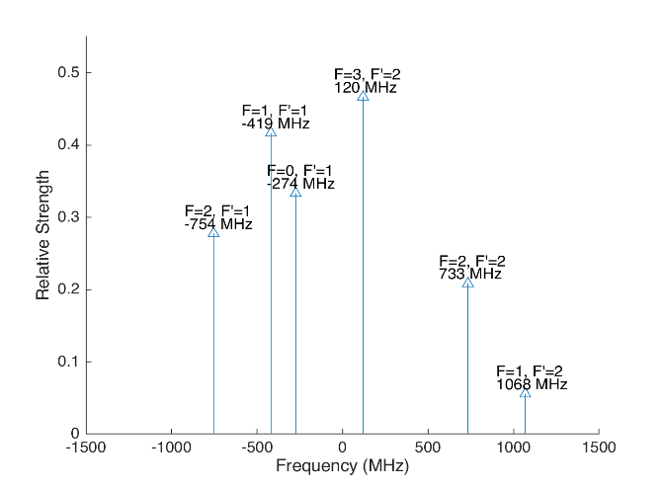
 |  |  |  |  |  |  |  |  | Ba138 |  | D3/2 |  |  |  |  | Ba137
 |  |  |  |  |  |  | Isotope Shift (from Ba138) | Transition Frequency | Ba138
 |  |  |  |  |  |  | 0 | 461.31204 | P1/2 |  | -106.75
 |  |  |  |  |  |  |  | ^Four-Rod
 |  |  |  |  |  |  |  |  | Ba136 |  | D3/2
 |  |  |  |  |  |  | Isotope Shift (from Ba138) | Transition Frequency | Ba136
 |  |  |  |  |  |  | 68 | 461.312108 | P1/2 |  | -38.75

 |  |  |  |  |  |  |  |  | Ba134 |  | D3/2
 |  |  |  |  |  |  | Isotope Shift (from Ba138) | Transition Frequency
 |  |  |  |  |  |  | 174.5 | 461.3122145 | P1/2 |  | 67.75

 |  |  |  |  |  |  |  |  | Ba132 |  | D3/2
 |  |  |  |  |  |  | Isotope Shift (from Ba138) | Transition Frequency
 |  |  |  |  |  |  | 292 | 461.312332 | P1/2 |  | 185.25

 |  |  |  |  |  |  |  |  | Ba130 |  | D3/2
 |  |  |  |  |  |  | Isotope Shift (from Ba138) | Transition Frequency
 |  |  |  |  |  |  | 394 | 461.312434 | P1/2 |  | 287.25

Isotope-Switching
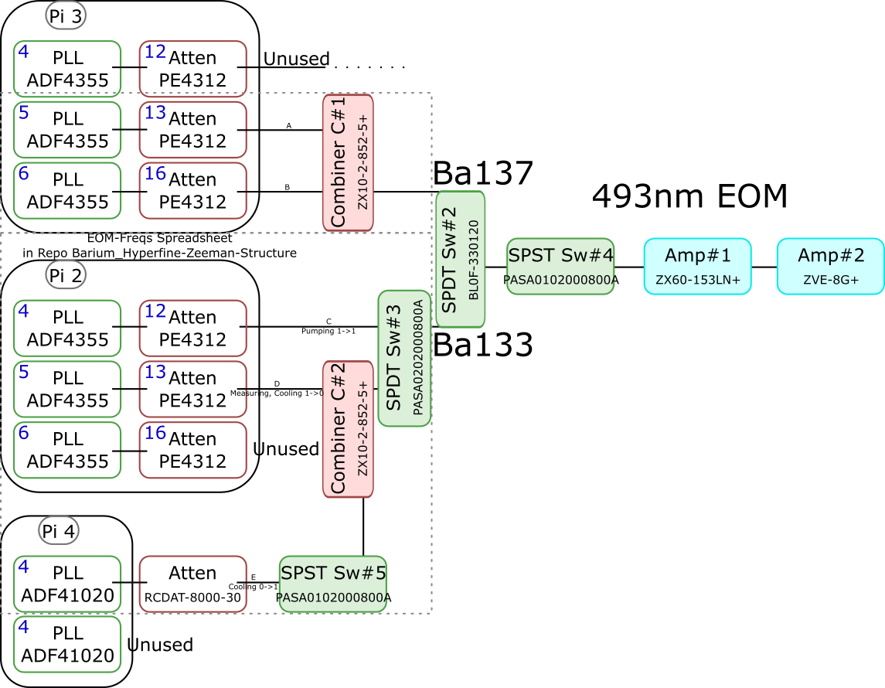
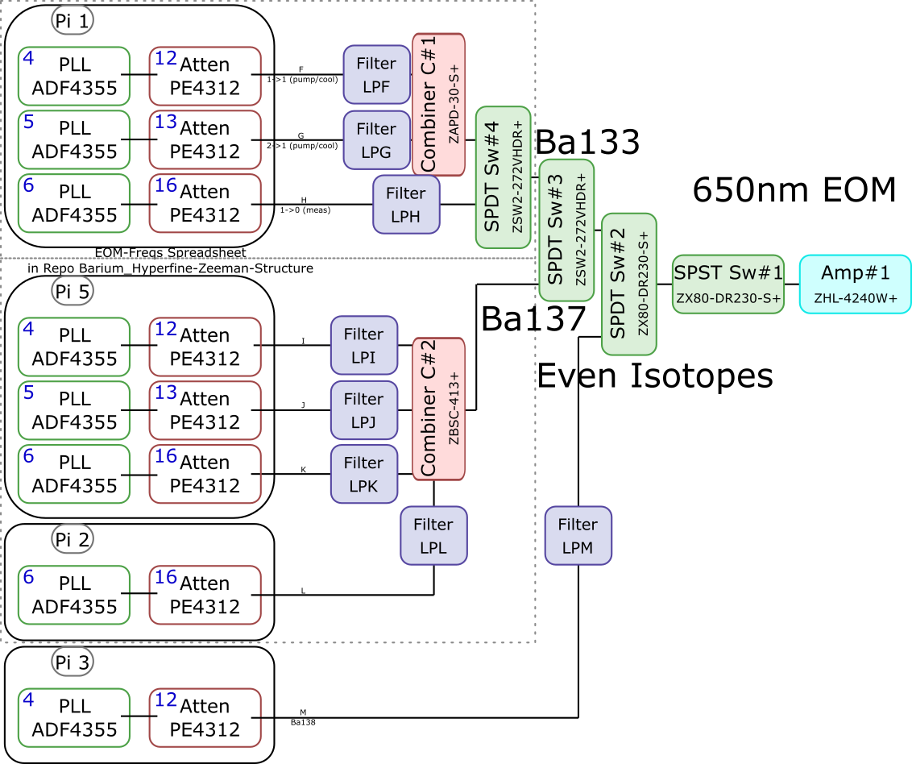
 |  |  |  |  |  |  |  |  |  |  |  | Components | Part # | Frequencies (MHz) | Power (dBm)
 |  |  |  |  |  |  |  |  |  |  |  | PLLs | ADF4355 | 54 - 4400 | -10
 |  |  |  |  |  |  |  |  |  |  |  |  | ADF41020 | 6500 - 8300

 |  |  |  |  |  |  |  |  |  |  |  |  |  | Frequencies (MHz) |  |  | Speed (ns) | Notes
 |  |  |  |  |  |  |  |  |  |  |  | Attenuators | PE4312 | 1 - 5000 |  |  | 500 | 4000 freq. limit, but 5000 works in practice
 |  |  |  |  |  |  |  |  |  |  |  |  | RCDAT-8000-30 | 1 - 8000 |  |  | 800

 |  |  |  |  |  |  |  |  |  |  |  |  |  | Frequencies (MHz)
 |  |  |  |  |  |  |  |  |  |  |  | Combiners | ZX10-2-852-5+ | 500 - 8500
 |  |  |  |  |  |  |  |  |  |  |  |  | ZAPD-30-S+ | 20 - 3000
 |  |  |  |  |  |  |  |  |  |  |  |  | ZBSC-413+ | 10 - 800

 |  |  |  |  |  |  |  |  |  |  |  |  |  | Frequencies (MHz) |  |  | Speed (us)
 |  |  |  |  |  |  |  |  |  |  |  | Switches | B10F-330120 | 0 - 12400 |  |  | 20000
 |  |  |  |  |  |  |  |  |  |  |  |  | PASA0102000800A | 2000 - 8000 |  |  | 0.1
 |  |  |  |  |  |  |  |  |  |  |  |  | PASA0202000800A | 2000 - 8000 |  |  | 0.1
 |  |  |  |  |  |  |  |  |  |  |  |  | ZSW2-272-VHDR+ | 350 - 10000 |  |  | 15
 |  |  |  |  |  |  |  |  |  |  |  |  | ZX80-DR230-S+ | 0 - 3000 |  |  | 2

 |  |  |  |  |  |  |  |  |  |  |  |  |  | Frequencies (MHz) | Power (dBm) | Gain (dB)
 |  |  |  |  |  |  |  |  |  |  |  | Amplifiers | ZX60-153LN+ | 500 - 18000 | 28 | 17
 |  |  |  |  |  |  |  |  |  |  |  |  | ZVE-3W-183+ | 5900 - 18000 | 36 | 35
 |  |  |  |  |  |  |  |  |  |  |  |  | ZVE-8G+ | 2000 - 8000 | 30 | 30
 |  |  |  |  |  |  |  |  |  |  |  |  | ZHL-4240W+ | 10 - 4200 | 38

 |  | Overall path frequency limitations |  |  |  |  |  | Path Frequency Limitations
 | Path | Frequency Range | Isotope | Pickoff (dB) | Description |  | Path | Frequency Range | Isotope | Pickoff (dB) | Description
493 nm | A | 2000 (Sw#4) - 5000 (Att) | Ba137 | 52.65 |  | 650 nm | F | 350 (Sw#4,3) - 3000 (Sw#2,1) | Ba133 |  | (1-1) Pumping/Cooling
 | B | 2000 (Sw#4) - 5000 (Att) | Ba137 | 53.07 |  |  | G | 350 (Sw#4,3) - 3000 (Sw#2,1) | Ba133 |  | (2-1) Pumping/Cooling
 | C | 2000 (Sw#3,4) - 5000 (Att#1) | Ba133 |  | (1-1) Pumping |  | H | 350 (Sw#4,3) - 3000 (Sw#2,1) | Ba133 |  | (1-0) Measuring
 | D | 2000 (Sw#3,4) - 5000 (Att#1) | Ba133 |  | (1-0) Measuring/Cooling |  | I | 350 (Sw#3) - 800 (Comb#2) | Ba137 | 40.9
 | E | 2000 (Sw#5,3,4) - 8000 (Sw#5,3,4) | Ba133 | 64.5 | (0-1) Cooling |  | J | 350 (Sw#3) - 800 (Comb#2) | Ba137 | 37.58
 |  |  |  |  |  |  | K | 350 (Sw#3) - 800 (Comb#2) | Ba137 | 37.8
 |  |  |  |  |  |  | L | 350 (Sw#3) - 800 (Comb#2) | Ba137 |  | Not needed if carrier drives a transition
 |  |  |  |  |  |  | M | 54 (PLL#1) - 3000 (Sw#1) | Evens |  | Not currently being used - carrier drives these

 |  |  |  |  |  |  |  | Current Filters
 |  |  |  |  |  |  | Filter | Part # | Freq (MHz)
 |  |  |  |  |  |  | LPF | SLP550+ | 550+
 |  |  |  |  |  |  | LPG
 |  |  |  |  |  |  | LPH | VLF-630+ | 630+
 |  |  |  |  |  |  | LPI
 |  |  |  |  |  |  | LPJ
 |  |  |  |  |  |  | LPK
 |  |  |  |  |  |  | LPL
 |  |  |  |  |  |  | LPM

