Main
Date

Alignment

Beam line | Left needle, horizontal | Left needle, vertical | Right needle, horizontal | Right needle, vertical | Focus | Average, horizontal | Average, vertical | Original
Combined (493/553/650) | 1.608 | 1.913 | 1.653 | 1.913 | 8.43 | 1.727 | 2.014 | 1.644 | 1.916
REMPI 2 (405) | 2.233 | 2.159 | 2.177 | 2.155 | 12.625 | 1.74 | 2.061
Optical pumping | - | - | - | - | - | - | -
Ionization 1st (553 perp to rad. target) | - | - | - | - | 12.42 | 2.378 | 2.086
Imaging | - | - | - | - | 1.76 | 17.64 | 5.535
Note: All measurements defined from micrometer readings from stages and mirror mounts. 'Vertical' for beams is perpendicular to optics table. '
Vertical' for imaging is in the plane of focus, perpendicular to trap axis. 'Horizontal' is the trap axis.
 |  |  |  |  |  | x | y

Trap parameters

DC 1, top left (V) | DC 4, top right (V) | Needle, left (V) |  | RF drive amplitude (Vpp) | 2.5 | Range: 2.1 - 3.5 V - if change outside this, voltage refreshes
0.255 | 0.05 | 8.6 |  | RF frequency (MHz) | 20.7856
DC 2, bottom left (V) | DC 3, bottom right (V) | Needle, right (V) |  | RF reflected (dBm) | -21.4
0.435 | 0.16 | 9

Magnetic field

Ring 1 (A) | Ring 3 (A) | Ring 5 (A)
0 | 0 | 0
Ring 2 (A) | Ring 4 (A) | Ring 6 (A)
0 | 0 | 4

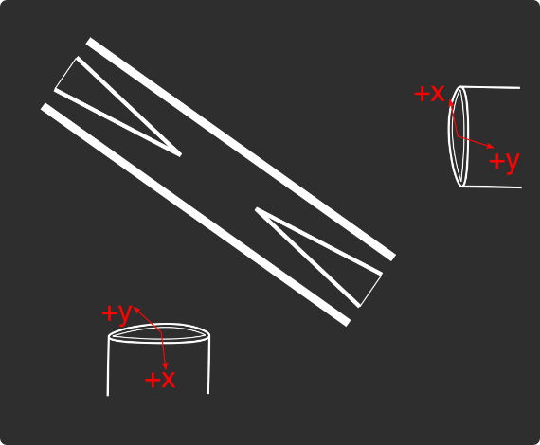
Loading
 |  |  |  | View from below
Oven current (A) |  |  |  | Radioactive |  | x | y
Target temperature (oC) |  |  |  |  |  | SN 27255859 | SN 27255860
 |  |  |  |  |  | Horiz. on Mirror mount | Vert. on Mirror mount
 |  |  |  |  |  | Natural | Radioactive
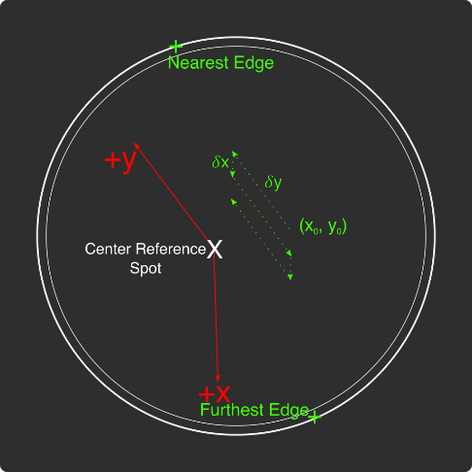
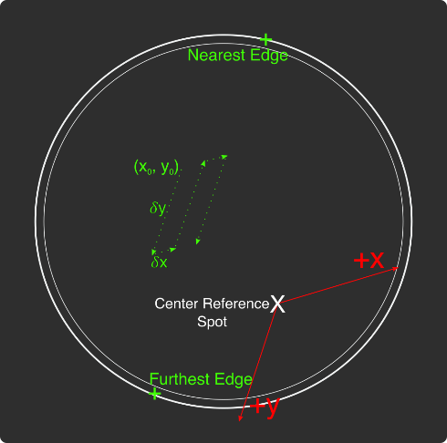
Ablation Split-Paths Power | Natural | Ba133 | Sampler
FitA (uJ) | 1120.6401 | 1219.6182 | 1158.1265
FitX0 (Deg) | 100.3444 | 101.3211 | 100.4206
FitY0 (uJ) | 1.2331 | 0.5797 | 2.072
Amplitude Ratio (from Sampler) | 0.96829950491 | 1.0544818605
Data collected 8-20-2020, graphs on Minilite ions-wiki page
Natural Abundance Target |  |  |  | Natural Abundance |  |  |  |  |  |  | x | y |  | X | Y | Z
Ablation laser | Repetition rate (Hz) | Pressure spikes (mBar) | Rotation angle (55[min] - 100) | Sampler pulse energy (uJ) | Actual pulse energy (uJ) |  |  |  |  | Closest to Focus pos. |  |  | Ablation Beam Vector
Minilite I | 2 | 2.00E-10 | 55 | 120 | 72.10753343 |  |  |  |  | Furthest from Focus pos. |  |  | Target Normal Vector
 | Note, to recenter to the same position, be sure to use the same pulse energy each time
Ablation Laser Sweep | Edge Position 1 (x) | Edge Position 2( x) | Edge Position 3 (y) | Edge Position 4 (y) | Center Position (x) | Center Position (y) | Servo/Actual Ratio (x) | Servo/Actual Ratio(y) |  | Angle b/w Target+Laser |  |  | Beam Waist
Natural Abund. Target | 7.1257 | 7.2893 | 5.9291 | 6.1682 | 7.2075 | 6.04865 | 25.464547677 | 17.423672104 |  | Laser Z along Target |  |  | Rayleigh Range
 |  |  |  |  |  |  |  |  |  | Rayleigh Z |  |  | Fluence
Period (s) | x0 (mm) | y0 (mm) | 𝛿x (mm) | 𝛿y (mm) | Steps (x) | Steps (y) | Total Actual Distance (x) (mm) | Total Actual Distance (y) (mm)
60 | 7.24 | 6.1 | 0.0025 | 0.01 | 6 | 1 | 0.38196821516 | 0.17423672104
 |  |  |  | xf (mm) | yf (mm)
 |  |  |  | 7.255 | 6.11
Ablation Laser Spot | x (mm) | y (mm)
Minilite I | 7.29 | 6.11

Radioactive Target
Ablation laser | Repetition rate (Hz) | Pressure spikes (mBar) | Rotation angle (55[min] - 100) | Sampler pulse energy (uJ) | Actual pulse energy (uJ)
Minilite I | 2 | 2.00E-10 | 100 | 60 | 62.982401191
 | Note, to recenter to the same position, be sure to use the same pulse energy each time |  |  |  |  |  |  |  |  | Edge to Edge parameters - 08/25/2020
Ablation Laser Sweep | Edge Position 1 (x) | Edge Position 2( x) | Edge Position 3 (y) | Edge Position 4 (y) | Center Position (x) | Center Position (y) | Servo-Actual-Ratio (x) | Servo-Actual Ratio(y) |  | Y pos | Xedge | Xedge
Radioactive Target | 7.06227 | 7.43187 | 5.8754 | 6.26612 | 7.24707 | 6.07076 | 11.271645022 | 10.662366912 |  | 6.00564 | 7.348 | 6.9938 | 7.1709

Period (s) | x0 (mm) | y0 (mm) | 𝛿x (mm) | 𝛿y (mm) | Steps (x) | Steps (y) | Total Actual Distance (x) (mm) | Total Actual Distance (y) (mm)
60 | 7.24 | 6.00564 | 0.005 | 0.02 | 6 | 1 |  | 0.21324733825 | #VALUE!
 |  |  |  | xf (mm) | yf (mm)
 |  |  |  | 7.27 | 6.02564
Ablation Laser Spot | x (mm) | y (mm)
Minilite I

Laser parameters

Laser Powers | Cooling (493 nm) | Cooling Repump (650 nm) | REMPI 1 (553.5 nm) | REMPI 1 (553.5 nm) Secondary | REMPI 2 (405 nm) | Combined Beam Total (493)
Measured Power (Sampled) (uW)
Actual Power/Sampler Power Ratio
Power (uW) | 30 | 180 | 100 | 0 | 990 | 290

Wavemeter Calibration | HeNe Laser Freq. (THz) | HeNe Laser Measured Freq. (THz) | Change in Freq. (MHz)
 | 473.612249 | 473.61225 | -1

Ba138
Beam | Power (uW) | Freq. used to Trap on Wmeter (THz) | Actual Peak Freq. on Wmeter (THZ) | Actual Freq.(THz)
Cooling (493 nm) | 30 | 607.426 | 607.426055 | 607.4262
Measurement (493 nm) |  | - | - | -
Cooling repump (650 nm) | 180 | 461.31209 | 461.31211 | 461.31229
Clearout (614 nm) |  | - | - | -
REMPI 1 (553.5 nm) | 9 | 541.43302 | 541.433038 | 541.43302
REMPI 1 (553.5 nm) (Radioactive) |  | 541.43302 | 541.433038
REMPI 2 (405 nm) | 1000 | - | - | -
 |  |  |  | Ion Peak Brightness (Counts/s)
If Ion parameters are changed during the day, paste the other parameters to the right |  |  |  | 16000

Ba137
Beam | Power (uW) | Frequency Offset (from Ba138) (GHz) | Expected Freq. on Wmeter (THz) | Freq. used to Trap on Wmeter (THz) | Acutal Peak Freq. on Wmeter (THz) | AOM Freq. (MHZ) | Actual Carrier Freq. (THz)
Cooling (493 nm) |  | 1.833 | 607.427833 | 607.427869 | 607.42788 | 200 | 607.428033
Measurement (493 nm) |  |  | - | - | - | - | -
Cooling repump (650 nm) |  | 0.10675 | 461.31219675 | 461.312195 | 461.312205 | -200 | 461.31199675
Clearout (614 nm) |  |  | - | - | - | - | -
REMPI 1 (553.5 nm) |  | 0.274 | 541.433294 | 541.433294 | 541.433294 | - | -
REMPI 2 (405 nm) |  |  | - |  |  | - | -

Beam | Method | EOM Tones (GHz) | Isotope-Switching Path | Sideband Freq. Blue (THz) | Sideband Freq. Red (THz) | Rf Atten. (dB) | RF Power Pickoff (dBm) | RF Power (dBm)
 | ThroughF2 | 4.025 | B | 607.431905 | 607.423855 | 8 | -38.8 | 14.27
Cooling (493 nm)
 |  | - |  | - | -
 |  | - |  | - | -
Measurement (493 nm) |  | - |  | - | -
 |  | - |  | - | -
 | A | 0.404 | I | 461.312609 | 461.311801 | 16 | -35 | 5.9
Cooling repump (650 nm) |  | 0.538 | K | 461.312743 | 461.311667 | 12.5 | -31.7 | 6.1
 |  | 0.604 | J | 461.312809 | 461.311601 | 13.5 | -24.6 | 12.98
 |  | - |  | - | -
 |  | - |  | - | -
Clearout (614 nm) |  | - |  | - | -
 |  | - |  | - | -
 |  |  |  | Ion Peak Brightness (Counts/s)
If Ion parameters are changed during the day, paste the other parameters to the right |  |  |  | 7000

Ba133
Beam | Power (uW) | Frequency Offset (from Ba138) (GHz) | Expected Freq. on Wmeter (THz) | Freq. used to Trap on Wmeter (THz) | Acutal Peak Freq. on Wmeter (THz) | AOM Freq. (MHZ) | Actual Carrier Freq. (THz)
Cooling (493 nm) |  | 0 | 607.426 |  | 607.42597 | 200 | 607.42617
Measurement (493 nm) |  |  | - |  | - | - | -
Cooling repump (650 nm) |  | 0.5 | 461.31259 |  | 461.31204 | 200 | 461.31224
Clearout (614 nm) |  |  | - |  | - | - | -
REMPI 1 (553.5 nm) |  | 0.3865 | 541.4334065 |  | - | - | -
REMPI 2 (405 nm) |  |  | - |  | - | - | -

Beam | Method | EOM Tones (GHz) | Isotope Switching Path | Sideband Freq. Blue (THz) | Sideband Freq. Red (THz) | RF Atten. (dB) | RF Power (dBm)
 |  | 4.23425 | D | 607.43020425 | 607.42173575 | 14 | 12.8
Cooling (493 nm) |  | 7.53 | E | 607.4335 | 607.41844 | 13 | 13.3
 |  | - |  | - | -
Pumping (493 nm) |  | 2.3945 | C | 607.4283645 | 607.4235755 | 24 | 13.2
 |  | - |  | - | -
Measurement (493 nm) |  | 4.23436 | D | 607.43020436 | 607.42173564 | 14 | 12.8
 |  | - |  | - | -
 | C | 0.4106 | F | 461.3124506 | 461.3116294 | 13 | 13
Cooling repump (650 nm) |  | 1.3475 | G | 461.3133875 | 461.3106925 | 14 | 13.3
 |  | - |  | - | -
Measuring repump (650 nm) | D | 0.49225 | H | 461.31253225 | 461.31154775 | 18.5 | 13.3
 |  | - |  | - | -
 |  | - |  | - | -
Clearout (614 nm) |  | - |  | - | -
 |  | - |  | - | -
 |  |  |  | Ion Peak Brightness (Counts/s)
If Ion parameters are changed during the day, paste the other parameters to the right

Session notes

493 nm power down 21 uW - had to manually recouple into fiber to improve to ~30 uW
8 uW 553 nm power transition calibration - first run, the peak freq. was looking to be pretty low ~40 MHz below expected. Possibly because the 553 nm freq. wasn't locking as fast as we were measuring. Improved locking with PID settings, and next run, the peak was found to be closer to expected ~3300 MHz.
Redid calibration - locking is maybe slightly too slow still by ~5-10 MHz - will add 5 MHz offset for Ba137
Ba138 load rate experiment with low 553 power - ~40-80 counts neutral fluorescence - load rate ~0.5
Collected Ba138 load rate for different 493 nm freqs. - 6000 and optimal 6035 MHz. brightness of ions ~8000 or 16000
Realized that the sweeping reset the 493 nm freq. to the optimal, so this experiment did nothing. Last week's experiments with 300-350-1200 counts also did nothing. Makes sense, since we found the same loading rate for all of them. Anyways, the overall loading rate is 18/30
Towards end, neutral fluorescence reducing to ~20-40 counts, with HeNe drifting up ~5MHz. Probably the wavemeter calibration is messing up us being at the Ba138 peak, reducing the neutral fluorescence.
Redid loading eff. with cooling laser actualy at 6000 MHz. Neutral fluorescence counts ~20-40 MHz throughout, compared to 35-60 counts earlier in the day.
Loading rate is 26/20, much better than before, even considering the lower neutral fluorescence counts. Seems like lower 493 nm freq. really helps after all.
Reset EOM freqs - 493 nm freq. power was lower than supposed to be
Tried trapping Ba137 with single pulses. Neutral fluorescense very low ~0-3 counts...
Looked at neutral fluorescence near Ba138 peak - low 5-10 counts now. Reducing as well with more pulses. With high 553 nm power 100 uW, counts still the same... Probably the spot is starting to die
Looked at neutral fluorescence spectrum quickly - counts improved a bit, but peak is still the same and counts are much reduced from earlier today

 |  |  |  |  |  |  |  | 531

493nm
 |  | Frequencies

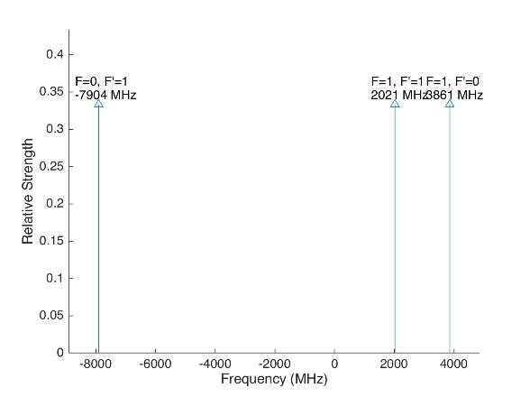
 |  |  |  |  | Laser Shift (from Ba138) | Laser Frequency |  |  |  |  |  | Ba133
 |  |  |  |  | 1833 | 607.427803
Ba133 |  |  | S1/2 |  |  |  | Ba133 |  |  | S1/2
 |  | F | 0 | 1 | Isotope Shift (from Ba138) | Ba133 Fine Carrier | Ba133 |  | F | 0 | 1
 | F | Frequency | 7444.09 | -2481.36 | 373 | -1460 |  | F | Frequency | 7444.09 | -2481.36
P1/2 | 0 | 1380 | na | 3861.36 |  |  | P1/2 | 0 | 1380 | na | 2401.36
 | 1 | -460 | -7904.09 | 2021.36 |  |  |  | 1 | -460 | -9364.09 | 561.36

Ba137 |  |  | S1/2 |  |  |  | Ba137 |  |  | S1/2
 |  | F | 1 | 2 | Isotope Shift (from Ba138) | Ba137 Fine Carrier |  |  | F | 1 | 2
 | F | Frequency | -5023.59 | 3014.15 | 271.1 | -1561.9 |  | F | Frequency | -5023.59 | 3014.15
P1/2 | 1 | -929.625 | 4093.965 | -3943.775 |  |  | P1/2 | 1 | -929.625 | 2532.065 | -5505.675
 | 2 | 557.78 | 5581.37 | -2456.37 |  |  |  | 2 | 557.78 | 4019.47 | -4018.27

This sheet allows you to find what EOM frequencies are needed to drive all of the 493 nm Hyperfine transitions, given a laser shift from the Ba138 transition.
To set the laser carrier to drive a transition, do "= Energy(P1/2) - Energy(S1/2) + IsotopeShift".
Averaged transition strengths are shown to the right to help make the best choice for your application
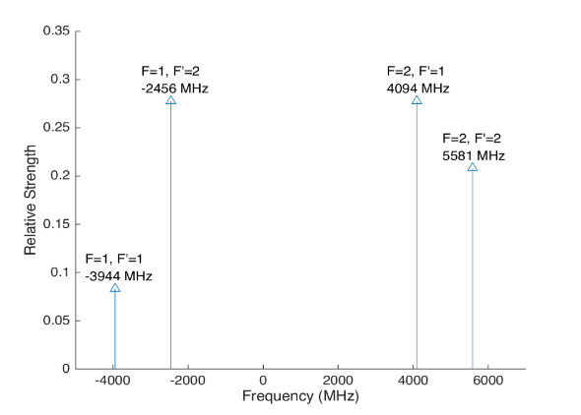
 |  |  |  |  |  |  | Ba138 |  | S1/2 |  |  | Ba137
 |  |  |  |  | Isotope Shift (from Ba138) | Transition Frequency
 |  |  |  |  | 0 | 607.42597 | P1/2 |  | -1833
 |  |  |  |  |  | ^Four-Rod
 |  |  |  |  |  |  | Ba136 |  | S1/2
 |  |  |  |  | Isotope Shift (from Ba138) | Transition Frequency
 |  |  |  |  | 179.4 | 607.4261494 | P1/2 |  | -1653.6

 |  |  |  |  |  |  | Ba134 |  | S1/2
 |  |  |  |  | Isotope Shift (from Ba138) | Transition Frequency
 |  |  |  |  | 222.6 | 607.4261926 | P1/2 |  | -1610.4

 |  |  |  |  |  |  | Ba132 |  | S1/2
 |  |  |  |  | Isotope Shift (from Ba138) | Transition Frequency
 |  |  |  |  | 279.9 | 607.4262499 | P1/2 |  | -1554.1

 |  |  |  |  |  |  | Ba130 |  | S1/2
 |  |  |  |  | Isotope Shift (from Ba138) | Transition Frequency
 |  |  |  |  | 355.3 | 607.4263253 | P1/2 |  | -1477.7

 |  | Powers

650nm
 |  |  | Frequencies

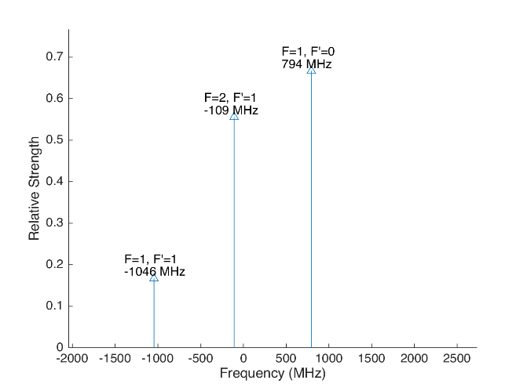
 |  |  |  |  |  |  | Laser Shift (From 138) | Laser Frequency |  |  |  |  |  |  |  | Ba133
 |  |  |  |  |  |  | 106.75 | 461.31214675 |  |  |  | 500
Ba133 |  |  | D3/2 |  |  |  |  |  | Ba133 |  |  | D3/2
 |  | F | 1 | 2 |  |  | Isotope Shift (from Ba138) | Ba133 Fine Carrier | Ba133 |  | F | 1 | 2
 | F | Frequency | 585.625 | -351.375 |  |  | 198 | 91.25 |  | F | Frequency | 585.625 | -351.375
P1/2 | 0 | 1380 | 794.375 | na |  |  |  |  | P1/2 | 0 | 1380 | 885.625 | na
 | 1 | -460 | -1045.625 | -108.625 |  |  |  |  |  | 1 | -460 | -954.375 | -17.375

Ba137 |  |  | D3/2 |  |  |  |  |  | Ba137 |  |  |  |  | D3/2
Ba137 |  | F | 0 | 1 | 2 | 3 | Isotope Shift (from Ba138) | Ba137 Fine Carrier | Ba137 |  | F | 0 | 1 | 2 | 3
 | F | Frequency | -655.81 | -510.62 | -175.7 | 438.03 | -13 | -119.75 |  | F | Frequency | -655.81 | -510.62 | -175.7 | 438.03
P1/2 | 1 | -929.625 | -273.815 | -419.005 | -753.925 | na |  |  | P1/2 | 1 | -929.625 | -393.565 | -538.755 | -873.675 | na
 | 2 | 557.78 | na | 1068.4 | 733.48 | 119.75 |  |  |  | 2 | 557.78 | na | 948.65 | 613.73 | 0
This sheet allows you to find what EOM frequencies are needed to drive all of the 650 nm Hyperfine transitions, given a laser shift from the Ba138 transition.
To set the laser carrier to drive a transition, do "= Energy(P1/2) - Energy(D3/2) + IsotopeShift".
Averaged transition strengths are shown to the right to help make the best choice for your application
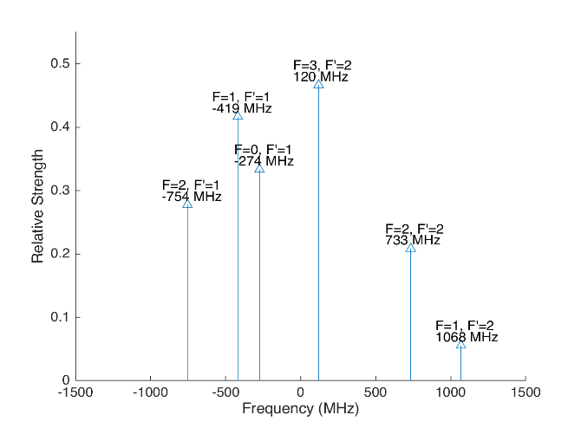
 |  |  |  |  |  |  |  |  | Ba138 |  | D3/2 |  |  |  |  | Ba137
 |  |  |  |  |  |  | Isotope Shift (from Ba138) | Transition Frequency | Ba138
 |  |  |  |  |  |  | 0 | 461.31204 | P1/2 |  | -106.75
 |  |  |  |  |  |  |  | ^Four-Rod
 |  |  |  |  |  |  |  |  | Ba136 |  | D3/2
 |  |  |  |  |  |  | Isotope Shift (from Ba138) | Transition Frequency | Ba136
 |  |  |  |  |  |  | 68 | 461.312108 | P1/2 |  | -38.75

 |  |  |  |  |  |  |  |  | Ba134 |  | D3/2
 |  |  |  |  |  |  | Isotope Shift (from Ba138) | Transition Frequency
 |  |  |  |  |  |  | 174.5 | 461.3122145 | P1/2 |  | 67.75

 |  |  |  |  |  |  |  |  | Ba132 |  | D3/2
 |  |  |  |  |  |  | Isotope Shift (from Ba138) | Transition Frequency
 |  |  |  |  |  |  | 292 | 461.312332 | P1/2 |  | 185.25

 |  |  |  |  |  |  |  |  | Ba130 |  | D3/2
 |  |  |  |  |  |  | Isotope Shift (from Ba138) | Transition Frequency
 |  |  |  |  |  |  | 394 | 461.312434 | P1/2 |  | 287.25

 |  |  | Powers

Isotope-Sw
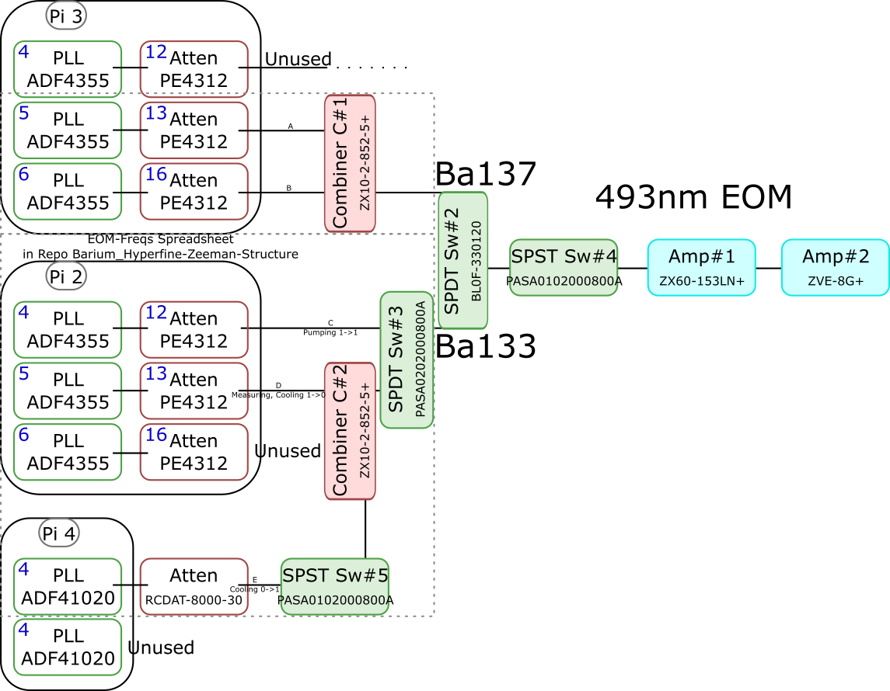
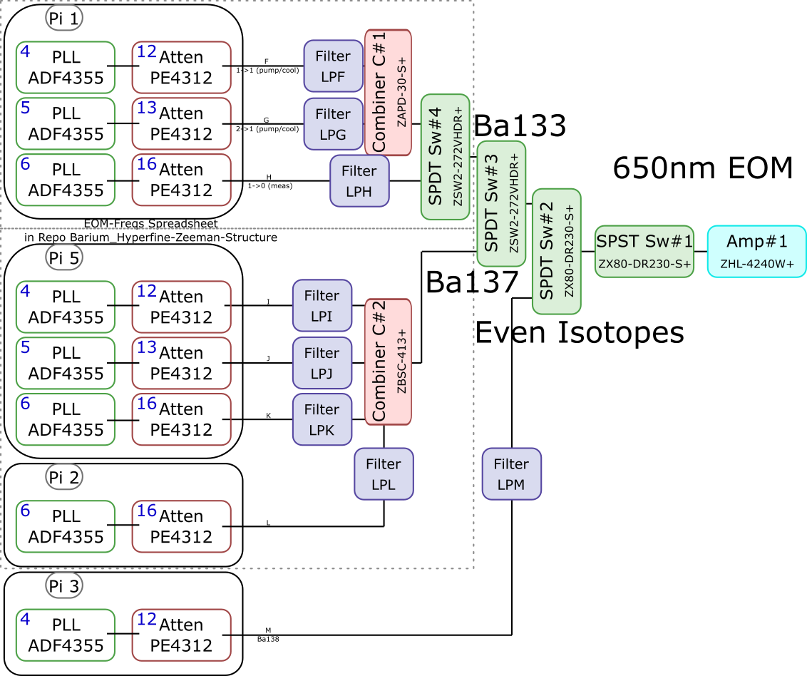
 |  |  |  |  |  |  |  |  |  |  |  | Components | Part # | Frequencies (MHz) | Power (dBm)
 |  |  |  |  |  |  |  |  |  |  |  | PLLs | ADF4355 | 54 - 4400 | -10
 |  |  |  |  |  |  |  |  |  |  |  |  | ADF41020 | 6500 - 8300

 |  |  |  |  |  |  |  |  |  |  |  |  |  | Frequencies (MHz) |  |  | Speed (ns) | Notes
 |  |  |  |  |  |  |  |  |  |  |  | Attenuators | PE4312 | 1 - 5000 |  |  | 500 | 4000 freq. limit, but 5000 works in practice
 |  |  |  |  |  |  |  |  |  |  |  |  | RCDAT-8000-30 | 1 - 8000 |  |  | 800

 |  |  |  |  |  |  |  |  |  |  |  |  |  | Frequencies (MHz)
 |  |  |  |  |  |  |  |  |  |  |  | Combiners | ZX10-2-852-5+ | 500 - 8500
 |  |  |  |  |  |  |  |  |  |  |  |  | ZAPD-30-S+ | 20 - 3000
 |  |  |  |  |  |  |  |  |  |  |  |  | ZBSC-413+ | 10 - 800

 |  |  |  |  |  |  |  |  |  |  |  |  |  | Frequencies (MHz) |  |  | Speed (us)
 |  |  |  |  |  |  |  |  |  |  |  | Switches | B10F-330120 | 0 - 12400 |  |  | 20000
 |  |  |  |  |  |  |  |  |  |  |  |  | PASA0102000800A | 2000 - 8000 |  |  | 0.1
 |  |  |  |  |  |  |  |  |  |  |  |  | PASA0202000800A | 2000 - 8000 |  |  | 0.1
 |  |  |  |  |  |  |  |  |  |  |  |  | ZSW2-272-VHDR+ | 350 - 10000 |  |  | 15
 |  |  |  |  |  |  |  |  |  |  |  |  | ZX80-DR230-S+ | 0 - 3000 |  |  | 2

 |  |  |  |  |  |  |  |  |  |  |  |  |  | Frequencies (MHz) | Power (dBm) | Gain (dB)
 |  |  |  |  |  |  |  |  |  |  |  | Amplifiers | ZX60-153LN+ | 500 - 18000 | 28 | 17
 |  |  |  |  |  |  |  |  |  |  |  |  | ZVE-3W-183+ | 5900 - 18000 | 36 | 35
 |  |  |  |  |  |  |  |  |  |  |  |  | ZVE-8G+ | 2000 - 8000 | 30 | 30
 |  |  |  |  |  |  |  |  |  |  |  |  | ZHL-4240W+ | 10 - 4200 | 38

 |  | Overall path frequency limitations |  |  |  |  |  | Path Frequency Limitations
 | Path | Frequency Range | Isotope | Pickoff (dB) | Description |  | Path | Frequency Range | Isotope | Pickoff (dB) | Description
493 nm | A | 2000 (Sw#4) - 5000 (Att) | Ba137 | 52.65 |  | 650 nm | F | 350 (Sw#4,3) - 3000 (Sw#2,1) | Ba133 |  | (1-1) Pumping/Cooling
 | B | 2000 (Sw#4) - 5000 (Att) | Ba137 | 53.07 |  |  | G | 350 (Sw#4,3) - 3000 (Sw#2,1) | Ba133 |  | (2-1) Pumping/Cooling
 | C | 2000 (Sw#3,4) - 5000 (Att#1) | Ba133 |  | (1-1) Pumping |  | H | 350 (Sw#4,3) - 3000 (Sw#2,1) | Ba133 |  | (1-0) Measuring
 | D | 2000 (Sw#3,4) - 5000 (Att#1) | Ba133 |  | (1-0) Measuring/Cooling |  | I | 350 (Sw#3) - 800 (Comb#2) | Ba137 | 40.9
 | E | 2000 (Sw#5,3,4) - 8000 (Sw#5,3,4) | Ba133 | 64.5 | (0-1) Cooling |  | J | 350 (Sw#3) - 800 (Comb#2) | Ba137 | 37.58
 |  |  |  |  |  |  | K | 350 (Sw#3) - 800 (Comb#2) | Ba137 | 37.8
 |  |  |  |  |  |  | L | 350 (Sw#3) - 800 (Comb#2) | Ba137 |  | Not needed if carrier drives a transition
 |  |  |  |  |  |  | M | 54 (PLL#1) - 3000 (Sw#1) | Evens |  | Not currently being used - carrier drives these

 |  |  |  |  |  |  |  | Current Filters
 |  |  |  |  |  |  | Filter | Part # | Freq (MHz)
 |  |  |  |  |  |  | LPF | SLP550+ | 550+
 |  |  |  |  |  |  | LPG
 |  |  |  |  |  |  | LPH | VLF-630+ | 630+
 |  |  |  |  |  |  | LPI
 |  |  |  |  |  |  | LPJ
 |  |  |  |  |  |  | LPK
 |  |  |  |  |  |  | LPL
 |  |  |  |  |  |  | LPM

Neutral
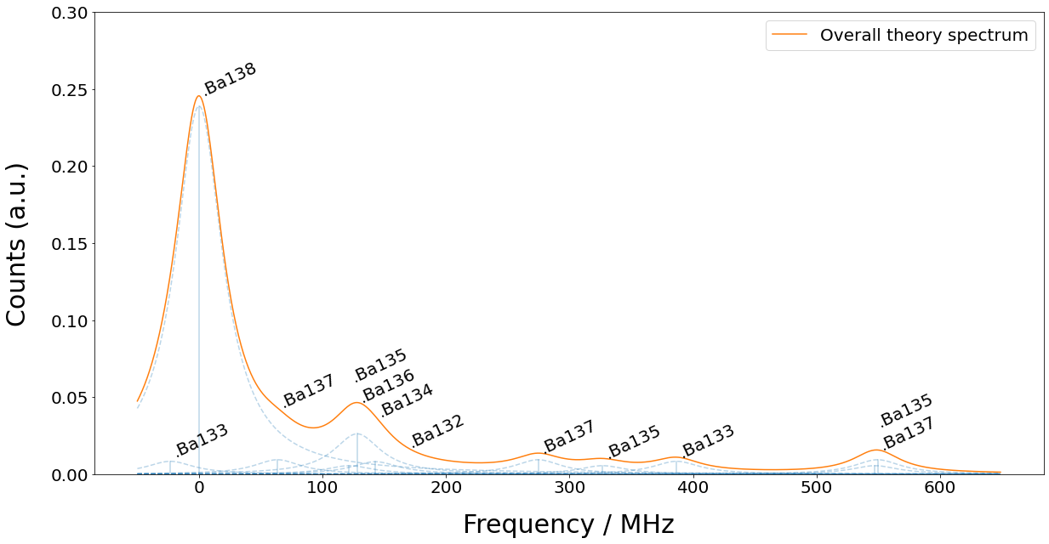
Isotope | 133g(1/2) | 138 | 131(1/2) | 137(5/2) | 135(5/2) | 136 | 134 | 132 | 133m(1/2) | 130 | 137(COM) | 131(COM) | 135(COM) | 128 | 137(3/2) | 135(3/2) | 131(3/2) | 133g(3/2) | 135(1/2) | 137(1/2)
Freq (MHz) | -23.3 | 0 | 0 | 63.43 | 121.6 | 128.02 | 142.8 | 167.9 | 172.9 | 207.3 | 214.7 | 249.2 | 258.7 | 271.1 | 274.56 | 326.7 | 373.8 | 386.65 | 547.3 | 549.47

