Main
Date

Alignment

Beam line | Left needle, horizontal | Left needle, vertical | Right needle, horizontal | Right needle, vertical | Focus | Average, horizontal | Average, vertical | Original
Combined (493/553/650) | 1.608 | 1.913 | 1.653 | 1.913 | 8.43 | 1.727 | 2.014 | 1.644 | 1.916
REMPI 2 (405) | 2.233 | 2.159 | 2.177 | 2.155 | 12.625 | 1.74 | 2.061
Optical pumping | - | - | - | - | - | - | -
Ionization 1st (553 perp to rad. target) | - | - | - | - | 12.42 | 2.378 | 2.086
Imaging | - | - | - | - | 1.76 | 17.64 | 5.535
Note: All measurements defined from micrometer readings from stages and mirror mounts. 'Vertical' for beams is perpendicular to optics table. '
Vertical' for imaging is in the plane of focus, perpendicular to trap axis. 'Horizontal' is the trap axis.
 |  |  |  |  |  | x | y

Trap parameters

DC 1, top left (V) | DC 4, top right (V) | Needle, left (V) |  | RF drive amplitude (Vpp) | 2.5 | Range: 2.1 - 3.5 V - if change outside this, voltage refreshes
0.255 | 0.05 | 8.6 |  | RF frequency (MHz) | 20.7856
DC 2, bottom left (V) | DC 3, bottom right (V) | Needle, right (V) |  | RF reflected (dBm) | -21.4
0.435 | 0.16 | 9

Magnetic field

Ring 1 (A) | Ring 3 (A) | Ring 5 (A)
0 | 0 | 0
Ring 2 (A) | Ring 4 (A) | Ring 6 (A)
0 | 0 | 4

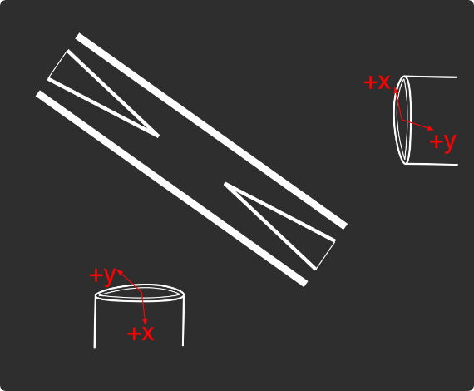
Loading
 |  |  |  | View from below
Oven current (A) |  |  |  | Radioactive |  | x | y
Target temperature (oC) |  |  |  |  |  | SN 27255859 | SN 27255860
 |  |  |  |  |  | Horiz. on Mirror mount | Vert. on Mirror mount
 |  |  |  |  |  | Natural | Radioactive
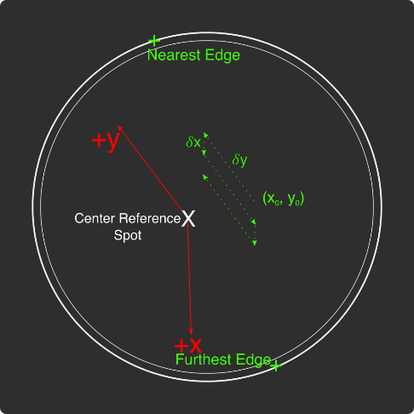
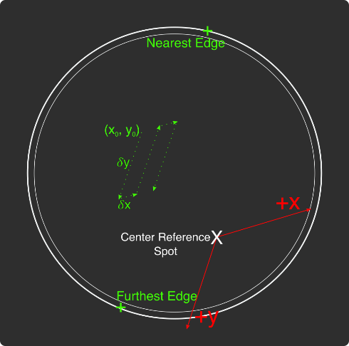
Ablation Split-Paths Power | Natural | Ba133 | Sampler
FitA (uJ) | 1120.6401 | 1219.6182 | 1158.1265
FitX0 (Deg) | 100.3444 | 101.3211 | 100.4206
FitY0 (uJ) | 1.2331 | 0.5797 | 2.072
Amplitude Ratio (from Sampler) | 0.96829950491 | 1.0544818605
Data collected 8-20-2020, graphs on Minilite ions-wiki page
Natural Abundance Target |  |  |  | Natural Abundance |  |  |  |  |  |  | x | y |  | X | Y | Z
Ablation laser | Repetition rate (Hz) | Pressure spikes (mBar) | Rotation angle (55[min] - 100) | Sampler pulse energy (uJ) | Actual pulse energy (uJ) |  |  |  |  | Closest to Focus pos. |  |  | Ablation Beam Vector
Minilite I | 2 | 2.00E-10 | 55 | 120 | 72.10753343 |  |  |  |  | Furthest from Focus pos. |  |  | Target Normal Vector
 | Note, to recenter to the same position, be sure to use the same pulse energy each time
Ablation Laser Sweep | Edge Position 1 (x) | Edge Position 2( x) | Edge Position 3 (y) | Edge Position 4 (y) | Center Position (x) | Center Position (y) | Servo/Actual Ratio (x) | Servo/Actual Ratio(y) |  | Angle b/w Target+Laser |  |  | Beam Waist
Natural Abund. Target | 7.1257 | 7.2893 | 5.9291 | 6.1682 | 7.2075 | 6.04865 | 25.464547677 | 17.423672104 |  | Laser Z along Target |  |  | Rayleigh Range
 |  |  |  |  |  |  |  |  |  | Rayleigh Z |  |  | Fluence
Period (s) | x0 (mm) | y0 (mm) | 𝛿x (mm) | 𝛿y (mm) | Steps (x) | Steps (y) | Total Actual Distance (x) (mm) | Total Actual Distance (y) (mm)
60 | 7.24 | 6.1 | 0.0025 | 0.01 | 6 | 1 | 0.38196821516 | 0.17423672104
 |  |  |  | xf (mm) | yf (mm)
 |  |  |  | 7.255 | 6.11
Ablation Laser Spot | x (mm) | y (mm)
Minilite I | 7.29 | 6.11

Radioactive Target
Ablation laser | Repetition rate (Hz) | Pressure spikes (mBar) | Rotation angle (55[min] - 100) | Sampler pulse energy (uJ) | Actual pulse energy (uJ)
Minilite I | 2 | 2.00E-10 | 100 | 60 | 62.982401191
 | Note, to recenter to the same position, be sure to use the same pulse energy each time |  |  |  |  |  |  |  |  | Edge to Edge parameters - 08/25/2020
Ablation Laser Sweep | Edge Position 1 (x) | Edge Position 2( x) | Edge Position 3 (y) | Edge Position 4 (y) | Center Position (x) | Center Position (y) | Servo-Actual-Ratio (x) | Servo-Actual Ratio(y) |  | Y pos | Xedge | Xedge
Radioactive Target | 7.06227 | 7.43187 | 5.8754 | 6.26612 | 7.24707 | 6.07076 | 11.271645022 | 10.662366912 |  | 6.00564 | 7.348 | 6.9938 | 7.1709

Period (s) | x0 (mm) | y0 (mm) | 𝛿x (mm) | 𝛿y (mm) | Steps (x) | Steps (y) | Total Actual Distance (x) (mm) | Total Actual Distance (y) (mm)
60 | 7.24 | 6.00564 | 0.005 | 0.02 | 6 | 1 |  | 0.21324733825 | #VALUE!
 |  |  |  | xf (mm) | yf (mm)
 |  |  |  | 7.27 | 6.02564
Ablation Laser Spot | x (mm) | y (mm)
Minilite I

Laser parameters

Laser Powers | Cooling (493 nm) | Cooling Repump (650 nm) | REMPI 1 (553.5 nm) | REMPI 1 (553.5 nm) Secondary | REMPI 2 (405 nm) | Combined Beam Total (493)
Measured Power (Sampled) (uW)
Actual Power/Sampler Power Ratio
Power (uW) | 35 | 210 | 110 | 0 | 990 | 430

Wavemeter Calibration | HeNe Laser Freq. (THz) | HeNe Laser Measured Freq. (THz) | Change in Freq. (MHz)
 | 473.612249 | 473.612244 | 5

Ba138
Beam | Power (uW) | Freq. used to Trap on WM (THz) | Actual Peak Freq. on WM (THZ) | Actual Freq.(THz)
Cooling (493 nm) | 35 | 607.426 | 607.42604 | 607.4262
Measurement (493 nm) |  | - | - | -
Cooling repump (650 nm) | 210 | 461.31209 | 461.31211 | 461.31229
Clearout (614 nm) |  | - | - | -
REMPI 1 (553.5 nm) | 130 | 541.43301 | 541.43301 | 541.43301
REMPI 1 (553.5 nm) (Radioactive) |  | 541.43301 | 541.43301
REMPI 2 (405 nm) | 1000 | - | - | -
 |  |  |  | Ion Peak Brightness (Counts/s)
If Ion parameters are changed during the day, paste the other parameters to the right |  |  |  | 18000

Ba137
Beam | Power (uW) | Frequency Offset (from Ba138) (GHz) | Expect. Peak Freq. on WM (THz) | Freq. used to Trap on WM (THz) | Acutal Peak Freq. on WM (THz) | AOM Freq. (MHZ) | Actual Carrier Freq. (THz)
Cooling (493 nm) |  | 1.833 | 607.427873 | 607.427869 | 607.427883 | 200 | 607.428073
Measurement (493 nm) |  |  | - | - | - | - | -
Cooling repump (650 nm) |  | 0.10675 | 461.31221675 | 461.31219 | 461.31221 | -200 | 461.31201675
Clearout (614 nm) |  |  | - | - | - | - | -
REMPI 1 (553.5 nm) |  | 0.274 | 541.433284 | 541.433284 | 541.433284 | - | -
REMPI 2 (405 nm) |  |  | - |  |  | - | -

Beam | Method | EOM Tones (GHz) | Isotope-Switching Path | Sideband Freq. Blue (THz) | Sideband Freq. Red (THz) | Rf Atten. (dB) | RF Power Pickoff (dBm) | RF Power (dBm)
 | ThroughF2 | 4.025 | B | 607.431908 | 607.423858 | 8 | -38.8 | 14.27
Cooling (493 nm)
 |  | - |  | - | -
 |  | - |  | - | -
Measurement (493 nm) |  | - |  | - | -
 |  | - |  | - | -
 | A | 0.404 | I | 461.312614 | 461.311806 | 16 | -35 | 5.9
Cooling repump (650 nm) |  | 0.538 | K | 461.312748 | 461.311672 | 12.5 | -31.7 | 6.1
 |  | 0.604 | J | 461.312814 | 461.311606 | 13.5 | -24.6 | 12.98
 |  | - |  | - | -
 |  | - |  | - | -
Clearout (614 nm) |  | - |  | - | -
 |  | - |  | - | -
 |  |  |  | Ion Peak Brightness (Counts/s)
If Ion parameters are changed during the day, paste the other parameters to the right |  |  |  | 7500

Ba133
Beam | Power (uW) | Frequency Offset (from Ba138) (GHz) | Expected Freq. on WM (THz) | Freq. used to Trap on WM (THz) | Acutal Peak Freq. on WM (THz) | AOM Freq. (MHZ) | Actual Carrier Freq. (THz)
Cooling (493 nm) |  | 0 | 607.426 |  | 607.42597 | 200 | 607.42617
Measurement (493 nm) |  |  | - |  | - | - | -
Cooling repump (650 nm) |  | 0.5 | 461.31259 |  | 461.31204 | 200 | 461.31224
Clearout (614 nm) |  |  | - |  | - | - | -
REMPI 1 (553.5 nm) |  | 0.3865 | 541.4333965 |  | - | - | -
REMPI 2 (405 nm) |  |  | - |  | - | - | -

Beam | Method | EOM Tones (GHz) | Isotope Switching Path | Sideband Freq. Blue (THz) | Sideband Freq. Red (THz) | RF Atten. (dB) | RF Power (dBm)
 |  | 4.23425 | D | 607.43020425 | 607.42173575 | 14 | 12.8
Cooling (493 nm) |  | 7.53 | E | 607.4335 | 607.41844 | 13 | 13.3
 |  | - |  | - | -
Pumping (493 nm) |  | 2.3945 | C | 607.4283645 | 607.4235755 | 24 | 13.2
 |  | - |  | - | -
Measurement (493 nm) |  | 4.23436 | D | 607.43020436 | 607.42173564 | 14 | 12.8
 |  | - |  | - | -
 | C | 0.4106 | F | 461.3124506 | 461.3116294 | 13 | 13
Cooling repump (650 nm) |  | 1.3475 | G | 461.3133875 | 461.3106925 | 14 | 13.3
 |  | - |  | - | -
Measuring repump (650 nm) | D | 0.49225 | H | 461.31253225 | 461.31154775 | 18.5 | 13.3
 |  | - |  | - | -
 |  | - |  | - | -
Clearout (614 nm) |  | - |  | - | -
 |  | - |  | - | -
 |  |  |  | Ion Peak Brightness (Counts/s)
If Ion parameters are changed during the day, paste the other parameters to the right

Session notes

Recalibrated HeNe - 5MHz off
Looked at neutral fluorescence high 553 power, 140 uJ pulse energy, 3020 MHz - ~10 counts only
Increased pulse energy to 190 uJ - 120 counts
Changed freq. to 3010 MHz - 180 counts
Brought pulse energy back to 140 uJ - 120 counts good. Spot is actually fine
493 nm power up 35 uW
650 nm power up 210 uW
Trapped x2 Ba138 after single pulse - optimized cooling freqs - slightly different from previous optimal.
Ba137 neutral fluorescence peak ~15 counts, what we expect.
Single Ba137 trapped after just 3 pulses! Using ~40 MHz detuned from 493 nm peak, ~20 MHz detuned from 650 nm peak.
Very bright ~7500 counts. Stayed trapped with optimal frequencies for 1 hour.
Setup script to trap Ba137 using multiple pulses.
Setup script for loading eff. of Ba138 with different cooling freqs - 40 MHz, 80 MHz, 120 MHz below resonance
Trapped multiple Ba138 with 40 MHz below resonance ~6, then 2
0 MHz ~17000 counts - 0, 1, 1, 3, 1, 2, 0, 1, 1, 0 - 10/10
-40 MHz ~12000 counts - 3, 1, 1, 2, 2, 3, 0, 3, 2, 1 - 18/10
-80 MHz ~6000 counts - 1, 3, 1, 1, 2, 0, 3, 2, 3, 1 - 17/10
-120 MHz ~3000 counts - 0, 3, 2, 1, 1, 2, 3, 2, 2, 1 - 17/10
Checked what multiple pulses in a single pulse program does for trapping Ba138 - if too fast, ejects trapped. Slow enough, no difference
Tried Ba137 multiple pulses script - x1 493 nm sweep between pulses per (4 pulses per) - trapped on second attempt- last pulse of second attempt.
Tried ^ again - Trapped one on first attempt, second pulse, but subsequent pulse ejected it somehow... This may not work after all.

 |  |  |  |  |  |  | 2450

 |  |  |  |  |  |  |  | 531

493nm
 |  | Frequencies

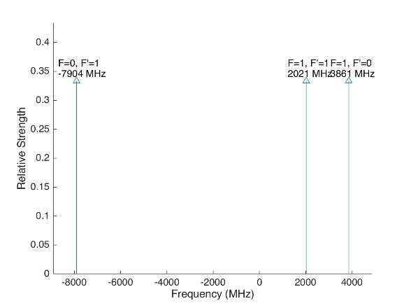
 |  |  |  |  | Laser Shift (from Ba138) | Laser Frequency |  |  |  |  |  | Ba133
 |  |  |  |  | 1833 | 607.427803
Ba133 |  |  | S1/2 |  |  |  | Ba133 |  |  | S1/2
 |  | F | 0 | 1 | Isotope Shift (from Ba138) | Ba133 Fine Carrier | Ba133 |  | F | 0 | 1
 | F | Frequency | 7444.09 | -2481.36 | 373 | -1460 |  | F | Frequency | 7444.09 | -2481.36
P1/2 | 0 | 1380 | na | 3861.36 |  |  | P1/2 | 0 | 1380 | na | 2401.36
 | 1 | -460 | -7904.09 | 2021.36 |  |  |  | 1 | -460 | -9364.09 | 561.36

Ba137 |  |  | S1/2 |  |  |  | Ba137 |  |  | S1/2
 |  | F | 1 | 2 | Isotope Shift (from Ba138) | Ba137 Fine Carrier |  |  | F | 1 | 2
 | F | Frequency | -5023.59 | 3014.15 | 271.1 | -1561.9 |  | F | Frequency | -5023.59 | 3014.15
P1/2 | 1 | -929.625 | 4093.965 | -3943.775 |  |  | P1/2 | 1 | -929.625 | 2532.065 | -5505.675
 | 2 | 557.78 | 5581.37 | -2456.37 |  |  |  | 2 | 557.78 | 4019.47 | -4018.27

This sheet allows you to find what EOM frequencies are needed to drive all of the 493 nm Hyperfine transitions, given a laser shift from the Ba138 transition.
To set the laser carrier to drive a transition, do "= Energy(P1/2) - Energy(S1/2) + IsotopeShift".
Averaged transition strengths are shown to the right to help make the best choice for your application
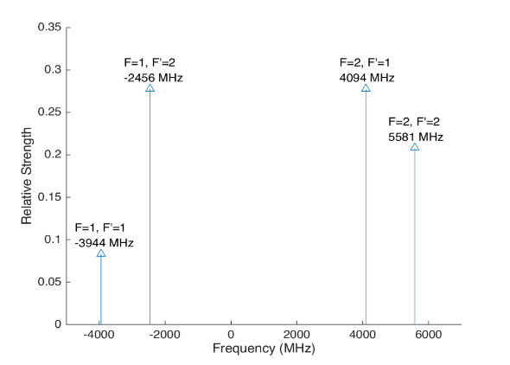
 |  |  |  |  |  |  | Ba138 |  | S1/2 |  |  | Ba137
 |  |  |  |  | Isotope Shift (from Ba138) | Transition Frequency
 |  |  |  |  | 0 | 607.42597 | P1/2 |  | -1833
 |  |  |  |  |  | ^Four-Rod
 |  |  |  |  |  |  | Ba136 |  | S1/2
 |  |  |  |  | Isotope Shift (from Ba138) | Transition Frequency
 |  |  |  |  | 179.4 | 607.4261494 | P1/2 |  | -1653.6

 |  |  |  |  |  |  | Ba134 |  | S1/2
 |  |  |  |  | Isotope Shift (from Ba138) | Transition Frequency
 |  |  |  |  | 222.6 | 607.4261926 | P1/2 |  | -1610.4

 |  |  |  |  |  |  | Ba132 |  | S1/2
 |  |  |  |  | Isotope Shift (from Ba138) | Transition Frequency
 |  |  |  |  | 279.9 | 607.4262499 | P1/2 |  | -1554.1

 |  |  |  |  |  |  | Ba130 |  | S1/2
 |  |  |  |  | Isotope Shift (from Ba138) | Transition Frequency
 |  |  |  |  | 355.3 | 607.4263253 | P1/2 |  | -1477.7

 |  | Powers

650nm
 |  |  | Frequencies

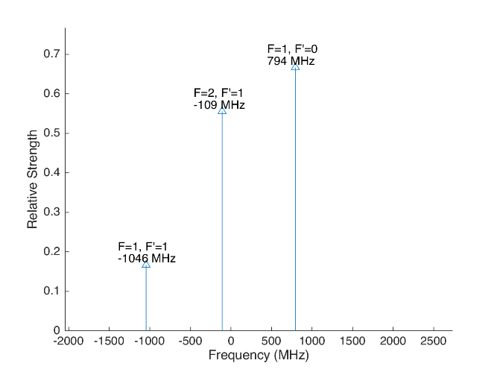
 |  |  |  |  |  |  | Laser Shift (From 138) | Laser Frequency |  |  |  |  |  |  |  | Ba133
 |  |  |  |  |  |  | 106.75 | 461.31214675 |  |  |  | 500
Ba133 |  |  | D3/2 |  |  |  |  |  | Ba133 |  |  | D3/2
 |  | F | 1 | 2 |  |  | Isotope Shift (from Ba138) | Ba133 Fine Carrier | Ba133 |  | F | 1 | 2
 | F | Frequency | 585.625 | -351.375 |  |  | 198 | 91.25 |  | F | Frequency | 585.625 | -351.375
P1/2 | 0 | 1380 | 794.375 | na |  |  |  |  | P1/2 | 0 | 1380 | 885.625 | na
 | 1 | -460 | -1045.625 | -108.625 |  |  |  |  |  | 1 | -460 | -954.375 | -17.375

Ba137 |  |  | D3/2 |  |  |  |  |  | Ba137 |  |  |  |  | D3/2
Ba137 |  | F | 0 | 1 | 2 | 3 | Isotope Shift (from Ba138) | Ba137 Fine Carrier | Ba137 |  | F | 0 | 1 | 2 | 3
 | F | Frequency | -655.81 | -510.62 | -175.7 | 438.03 | -13 | -119.75 |  | F | Frequency | -655.81 | -510.62 | -175.7 | 438.03
P1/2 | 1 | -929.625 | -273.815 | -419.005 | -753.925 | na |  |  | P1/2 | 1 | -929.625 | -393.565 | -538.755 | -873.675 | na
 | 2 | 557.78 | na | 1068.4 | 733.48 | 119.75 |  |  |  | 2 | 557.78 | na | 948.65 | 613.73 | 0
This sheet allows you to find what EOM frequencies are needed to drive all of the 650 nm Hyperfine transitions, given a laser shift from the Ba138 transition.
To set the laser carrier to drive a transition, do "= Energy(P1/2) - Energy(D3/2) + IsotopeShift".
Averaged transition strengths are shown to the right to help make the best choice for your application
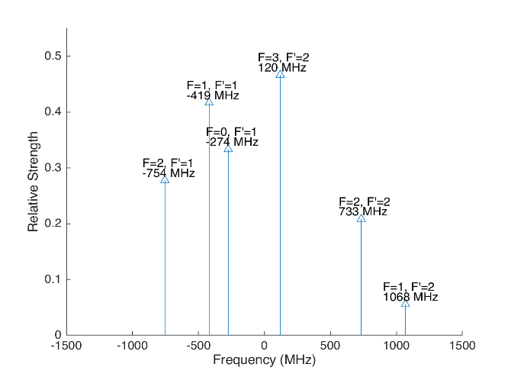
 |  |  |  |  |  |  |  |  | Ba138 |  | D3/2 |  |  |  |  | Ba137
 |  |  |  |  |  |  | Isotope Shift (from Ba138) | Transition Frequency | Ba138
 |  |  |  |  |  |  | 0 | 461.31204 | P1/2 |  | -106.75
 |  |  |  |  |  |  |  | ^Four-Rod
 |  |  |  |  |  |  |  |  | Ba136 |  | D3/2
 |  |  |  |  |  |  | Isotope Shift (from Ba138) | Transition Frequency | Ba136
 |  |  |  |  |  |  | 68 | 461.312108 | P1/2 |  | -38.75

 |  |  |  |  |  |  |  |  | Ba134 |  | D3/2
 |  |  |  |  |  |  | Isotope Shift (from Ba138) | Transition Frequency
 |  |  |  |  |  |  | 174.5 | 461.3122145 | P1/2 |  | 67.75

 |  |  |  |  |  |  |  |  | Ba132 |  | D3/2
 |  |  |  |  |  |  | Isotope Shift (from Ba138) | Transition Frequency
 |  |  |  |  |  |  | 292 | 461.312332 | P1/2 |  | 185.25

 |  |  |  |  |  |  |  |  | Ba130 |  | D3/2
 |  |  |  |  |  |  | Isotope Shift (from Ba138) | Transition Frequency
 |  |  |  |  |  |  | 394 | 461.312434 | P1/2 |  | 287.25

 |  |  | Powers

Isotope-Sw
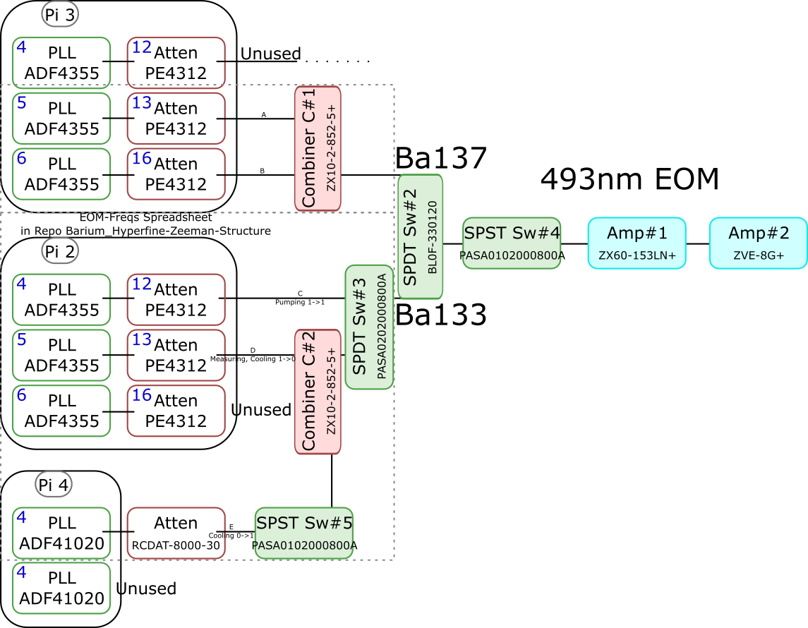
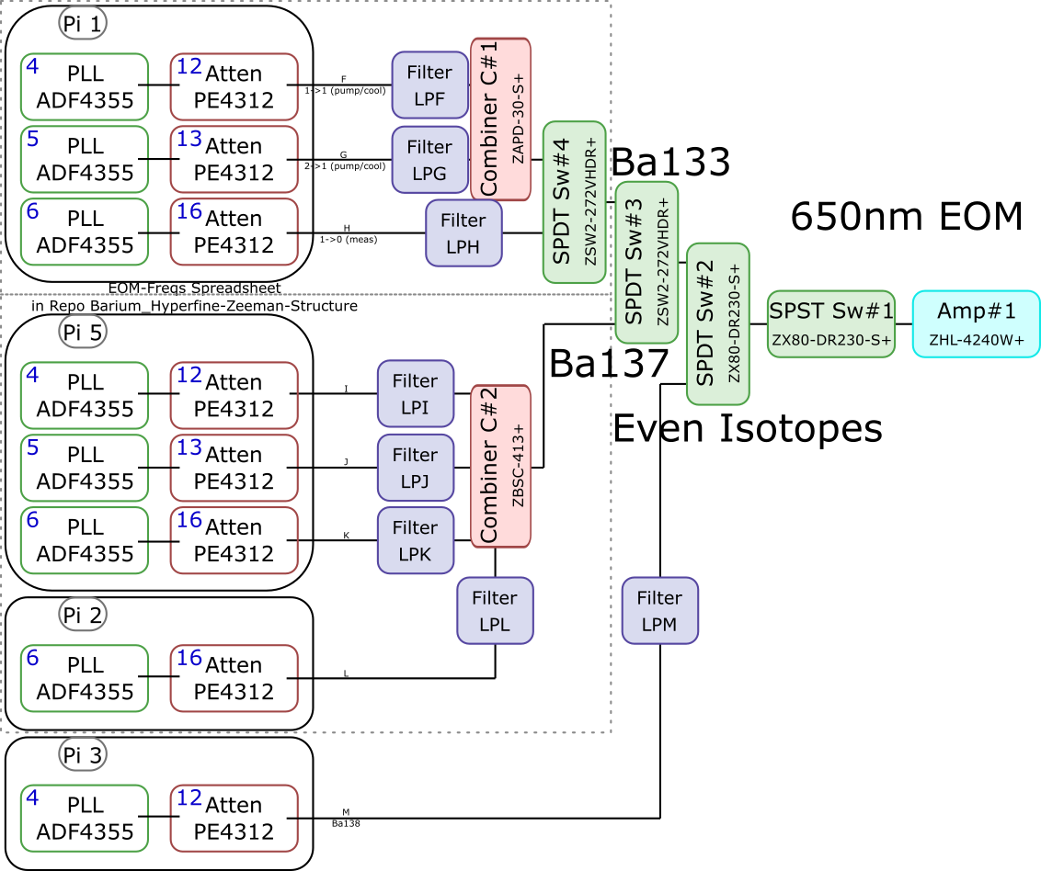
 |  |  |  |  |  |  |  |  |  |  |  | Components | Part # | Frequencies (MHz) | Power (dBm)
 |  |  |  |  |  |  |  |  |  |  |  | PLLs | ADF4355 | 54 - 4400 | -10
 |  |  |  |  |  |  |  |  |  |  |  |  | ADF41020 | 6500 - 8300

 |  |  |  |  |  |  |  |  |  |  |  |  |  | Frequencies (MHz) |  |  | Speed (ns) | Notes
 |  |  |  |  |  |  |  |  |  |  |  | Attenuators | PE4312 | 1 - 5000 |  |  | 500 | 4000 freq. limit, but 5000 works in practice
 |  |  |  |  |  |  |  |  |  |  |  |  | RCDAT-8000-30 | 1 - 8000 |  |  | 800

 |  |  |  |  |  |  |  |  |  |  |  |  |  | Frequencies (MHz)
 |  |  |  |  |  |  |  |  |  |  |  | Combiners | ZX10-2-852-5+ | 500 - 8500
 |  |  |  |  |  |  |  |  |  |  |  |  | ZAPD-30-S+ | 20 - 3000
 |  |  |  |  |  |  |  |  |  |  |  |  | ZBSC-413+ | 10 - 800

 |  |  |  |  |  |  |  |  |  |  |  |  |  | Frequencies (MHz) |  |  | Speed (us)
 |  |  |  |  |  |  |  |  |  |  |  | Switches | B10F-330120 | 0 - 12400 |  |  | 20000
 |  |  |  |  |  |  |  |  |  |  |  |  | PASA0102000800A | 2000 - 8000 |  |  | 0.1
 |  |  |  |  |  |  |  |  |  |  |  |  | PASA0202000800A | 2000 - 8000 |  |  | 0.1
 |  |  |  |  |  |  |  |  |  |  |  |  | ZSW2-272-VHDR+ | 350 - 10000 |  |  | 15
 |  |  |  |  |  |  |  |  |  |  |  |  | ZX80-DR230-S+ | 0 - 3000 |  |  | 2

 |  |  |  |  |  |  |  |  |  |  |  |  |  | Frequencies (MHz) | Power (dBm) | Gain (dB)
 |  |  |  |  |  |  |  |  |  |  |  | Amplifiers | ZX60-153LN+ | 500 - 18000 | 28 | 17
 |  |  |  |  |  |  |  |  |  |  |  |  | ZVE-3W-183+ | 5900 - 18000 | 36 | 35
 |  |  |  |  |  |  |  |  |  |  |  |  | ZVE-8G+ | 2000 - 8000 | 30 | 30
 |  |  |  |  |  |  |  |  |  |  |  |  | ZHL-4240W+ | 10 - 4200 | 38

 |  | Overall path frequency limitations |  |  |  |  |  | Path Frequency Limitations
 | Path | Frequency Range | Isotope | Pickoff (dB) | Description |  | Path | Frequency Range | Isotope | Pickoff (dB) | Description
493 nm | A | 2000 (Sw#4) - 5000 (Att) | Ba137 | 52.65 |  | 650 nm | F | 350 (Sw#4,3) - 3000 (Sw#2,1) | Ba133 |  | (1-1) Pumping/Cooling
 | B | 2000 (Sw#4) - 5000 (Att) | Ba137 | 53.07 |  |  | G | 350 (Sw#4,3) - 3000 (Sw#2,1) | Ba133 |  | (2-1) Pumping/Cooling
 | C | 2000 (Sw#3,4) - 5000 (Att#1) | Ba133 |  | (1-1) Pumping |  | H | 350 (Sw#4,3) - 3000 (Sw#2,1) | Ba133 |  | (1-0) Measuring
 | D | 2000 (Sw#3,4) - 5000 (Att#1) | Ba133 |  | (1-0) Measuring/Cooling |  | I | 350 (Sw#3) - 800 (Comb#2) | Ba137 | 40.9
 | E | 2000 (Sw#5,3,4) - 8000 (Sw#5,3,4) | Ba133 | 64.5 | (0-1) Cooling |  | J | 350 (Sw#3) - 800 (Comb#2) | Ba137 | 37.58
 |  |  |  |  |  |  | K | 350 (Sw#3) - 800 (Comb#2) | Ba137 | 37.8
 |  |  |  |  |  |  | L | 350 (Sw#3) - 800 (Comb#2) | Ba137 |  | Not needed if carrier drives a transition
 |  |  |  |  |  |  | M | 54 (PLL#1) - 3000 (Sw#1) | Evens |  | Not currently being used - carrier drives these

 |  |  |  |  |  |  |  | Current Filters
 |  |  |  |  |  |  | Filter | Part # | Freq (MHz)
 |  |  |  |  |  |  | LPF | SLP550+ | 550+
 |  |  |  |  |  |  | LPG
 |  |  |  |  |  |  | LPH | VLF-630+ | 630+
 |  |  |  |  |  |  | LPI
 |  |  |  |  |  |  | LPJ
 |  |  |  |  |  |  | LPK
 |  |  |  |  |  |  | LPL
 |  |  |  |  |  |  | LPM

Neutral
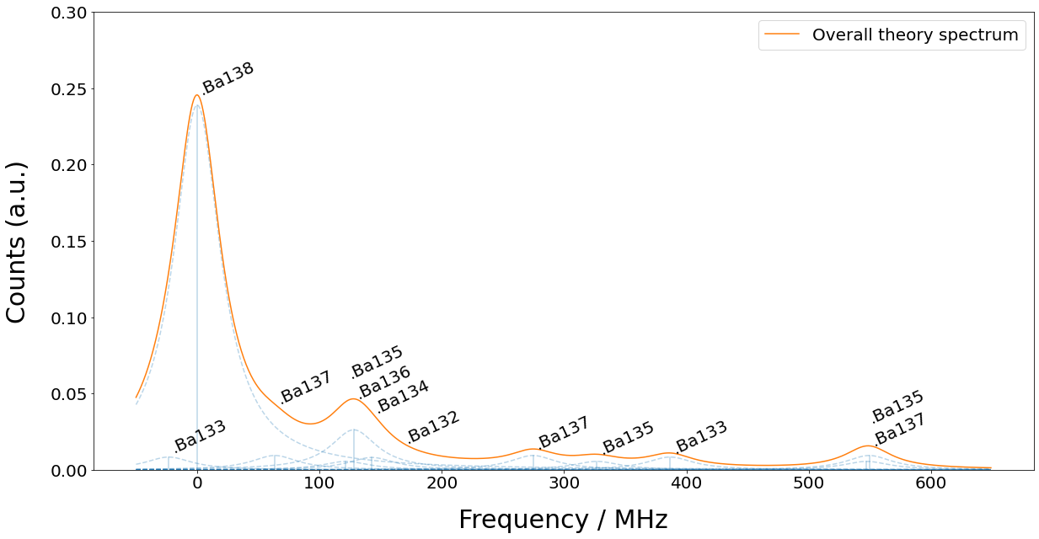
Isotope | 133g(1/2) | 138 | 131(1/2) | 137(5/2) | 135(5/2) | 136 | 134 | 132 | 133m(1/2) | 130 | 137(COM) | 131(COM) | 135(COM) | 128 | 137(3/2) | 135(3/2) | 131(3/2) | 133g(3/2) | 135(1/2) | 137(1/2)
Freq (MHz) | -23.3 | 0 | 0 | 63.43 | 121.6 | 128.02 | 142.8 | 167.9 | 172.9 | 207.3 | 214.7 | 249.2 | 258.7 | 271.1 | 274.56 | 326.7 | 373.8 | 386.65 | 547.3 | 549.47

