Main
Date

Alignment

Beam line | Left needle, horizontal | Left needle, vertical | Right needle, horizontal | Right needle, vertical | Focus | Average, horizontal | Average, vertical | Original
Combined (493/553/650) | 1.608 | 1.913 | 1.653 | 1.913 | 8.43 | 1.7235 | 2.014 | 1.644 | 1.916
REMPI 2 (405) | 2.233 | 2.159 | 2.177 | 2.155 | 12.625 | 1.74 | 2.061
Optical pumping | - | - | - | - | - | - | -
Ionization 1st (553 perp to rad. target) | - | - | - | - | 12.42 | 2.378 | 2.086
Imaging | - | - | - | - | 1.76 | 17.64 | 5.535
Note: All measurements defined from micrometer readings from stages and mirror mounts. 'Vertical' for beams is perpendicular to optics table. '
Vertical' for imaging is in the plane of focus, perpendicular to trap axis. 'Horizontal' is the trap axis.
 |  |  |  |  |  | x | y

Trap parameters

DC 1, top left (V) | DC 4, top right (V) | Needle, left (V) |  | RF drive amplitude (Vpp) | 2.5 | Range: 2.1 - 3.5 V - if change outside this, voltage refreshes
0.255 | 0.05 | 8.6 |  | RF frequency (MHz) | 20.7856
DC 2, bottom left (V) | DC 3, bottom right (V) | Needle, right (V) |  | RF reflected (dBm) | -21.4
0.435 | 0.16 | 9

Magnetic field

Ring 1 (A) | Ring 3 (A) | Ring 5 (A)
0 | 0 | 0
Ring 2 (A) | Ring 4 (A) | Ring 6 (A)
0 | 0 | 4

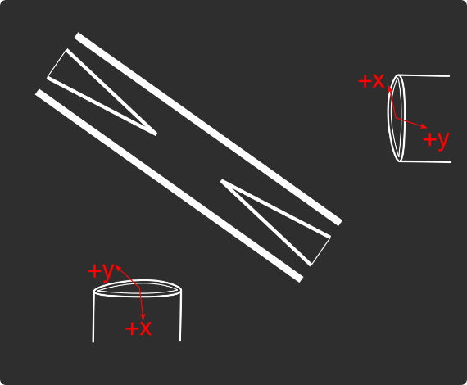
Loading
 |  |  |  | View from below
Oven current (A) |  |  |  | Radioactive |  | x | y
Target temperature (oC) |  |  |  |  |  | SN 27255859 | SN 27255860
 |  |  |  |  |  | Horiz. on Mirror mount | Vert. on Mirror mount
 |  |  |  |  |  | Natural | Radioactive
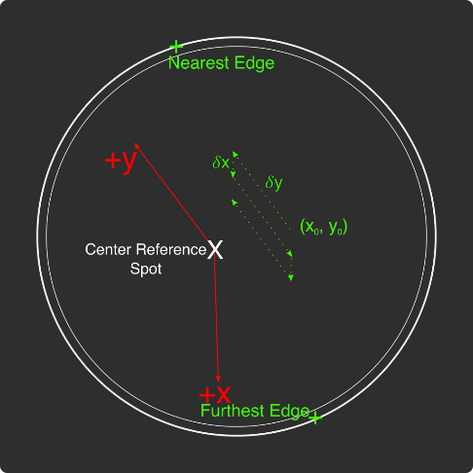
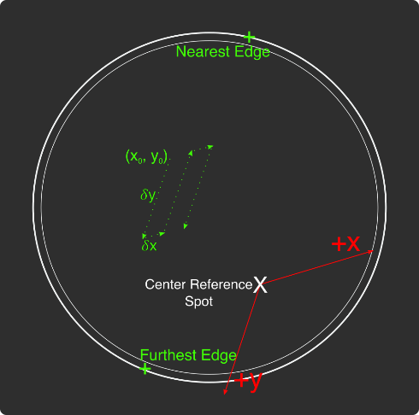
Ablation Split-Paths Power | Natural | Ba133 | Sampler
FitA (uJ) | 1120.6401 | 1219.6182 | 1158.1265
FitX0 (Deg) | 100.3444 | 101.3211 | 100.4206
FitY0 (uJ) | 1.2331 | 0.5797 | 2.072
Amplitude Ratio (from Sampler) | 0.96829950491 | 1.0544818605
Data collected 8-20-2020, graphs on Minilite ions-wiki page
Natural Abundance Target |  |  |  | Natural Abundance |  |  |  |  |  |  | x | y |  | X | Y | Z
Ablation laser | Repetition rate (Hz) | Pressure spikes (mBar) | Rotation angle (55[min] - 100) | Sampler pulse energy (uJ) | Actual pulse energy (uJ) |  |  |  |  | Closest to Focus pos. |  |  | Ablation Beam Vector
Minilite I | 2 | 2.00E-10 | 55 | 120 | 72.10753343 |  |  |  |  | Furthest from Focus pos. |  |  | Target Normal Vector
 | Note, to recenter to the same position, be sure to use the same pulse energy each time
Ablation Laser Sweep | Edge Position 1 (x) | Edge Position 2( x) | Edge Position 3 (y) | Edge Position 4 (y) | Center Position (x) | Center Position (y) | Servo/Actual Ratio (x) | Servo/Actual Ratio(y) |  | Angle b/w Target+Laser |  |  | Beam Waist
Natural Abund. Target | 7.1257 | 7.2893 | 5.9291 | 6.1682 | 7.2075 | 6.04865 | 25.464547677 | 17.423672104 |  | Laser Z along Target |  |  | Rayleigh Range
 |  |  |  |  |  |  |  |  |  | Rayleigh Z |  |  | Fluence
Period (s) | x0 (mm) | y0 (mm) | 𝛿x (mm) | 𝛿y (mm) | Steps (x) | Steps (y) | Total Actual Distance (x) (mm) | Total Actual Distance (y) (mm)
60 | 7.24 | 6.1 | 0.0025 | 0.01 | 6 | 1 | 0.38196821516 | 0.17423672104
 |  |  |  | xf (mm) | yf (mm)
 |  |  |  | 7.255 | 6.11
Ablation Laser Spot | x (mm) | y (mm)
Minilite I | 7.29 | 6.12

Radioactive Target
Ablation laser | Repetition rate (Hz) | Pressure spikes (mBar) | Rotation angle (55[min] - 100) | Sampler pulse energy (uJ) | Actual pulse energy (uJ)
Minilite I | 2 | 2.00E-10 | 100 | 60 | 62.982401191
 | Note, to recenter to the same position, be sure to use the same pulse energy each time |  |  |  |  |  |  |  |  | Edge to Edge parameters - 08/25/2020
Ablation Laser Sweep | Edge Position 1 (x) | Edge Position 2( x) | Edge Position 3 (y) | Edge Position 4 (y) | Center Position (x) | Center Position (y) | Servo-Actual-Ratio (x) | Servo-Actual Ratio(y) |  | Y pos | Xedge | Xedge
Radioactive Target | 7.06227 | 7.43187 | 5.8754 | 6.26612 | 7.24707 | 6.07076 | 11.271645022 | 10.662366912 |  | 6.00564 | 7.348 | 6.9938 | 7.1709

Period (s) | x0 (mm) | y0 (mm) | 𝛿x (mm) | 𝛿y (mm) | Steps (x) | Steps (y) | Total Actual Distance (x) (mm) | Total Actual Distance (y) (mm)
60 | 7.24 | 6.00564 | 0.005 | 0.02 | 6 | 1 |  | 0.21324733825 | #VALUE!
 |  |  |  | xf (mm) | yf (mm)
 |  |  |  | 7.27 | 6.02564
Ablation Laser Spot | x (mm) | y (mm)
Minilite I

Laser parameters

Laser Powers | Cooling (493 nm) | Cooling Repump (650 nm) | REMPI 1 (553.5 nm) | REMPI 1 (553.5 nm) Secondary | REMPI 2 (405 nm) | Combined Beam Total (493)
Measured Power (Sampled) (uW)
Actual Power/Sampler Power Ratio
Power (uW) | 17 | 160 | 120 | 0 | 880 | 360

Wavemeter Calibration | HeNe Laser Freq. (THz) | HeNe Laser Measured Freq. (THz) | Change in Freq. (MHz)
 | 473.612249 | 473.612253 | -4

Ba138
Beam | Power (uW) | Freq. used to Trap on WM (THz) | Actual Peak Freq. on WM (THZ) | Actual Freq. Used (THz)
Cooling (493 nm) | 17 | 607.42605 | 607.42605 | 607.42625
Measurement (493 nm) |  | - | - | -
Cooling repump (650 nm) | 160 | 461.31208 | 461.312105 | 461.31228
Clearout (614 nm) |  | - | - | -
REMPI 1 (553.5 nm) | 10 | 541.433042 | 541.433042 | 541.433042 |  | 461.312185
REMPI 1 (553.5 nm) (Radioactive) |  | 541.433042 | 541.433042
REMPI 2 (405 nm) | 900 | - | - | -
 |  |  |  | Ion Peak Brightness (Counts/s)
If Ion parameters are changed during the day, paste the other parameters to the right |  |  |  | 15500

Ba137
Beam | Power (uW) | Frequency Offset (from Ba138) (GHz) | Expect. Peak Freq. on WM (THz) | Freq. used to Trap on WM (THz) | Acutal Peak Freq. on WM (THz) | AOM Freq. (MHZ) | Actual Carrier Freq. (THz)
Cooling (493 nm) | 17 | 1.833 | 607.427883 |  | 607.427895 | 200 | 607.428083
Measurement (493 nm) |  |  | - | - | - | - | -
Cooling repump (650 nm) | 160 | 0.10675 | 461.31221175 |  | 461.31221 | -200 | 461.31201175
Clearout (614 nm) |  |  | - | - | - | - | -
REMPI 1 (553.5 nm) | 10 | 0.274 | 541.433316 |  | 541.4333 | - | -
REMPI 2 (405 nm) |  |  | - |  |  | - | -

Beam | Method | EOM Tones (GHz) | Isotope-Switching Path | Sideband Freq. Blue (THz) | Sideband Freq. Red (THz) | Rf Atten. (dB) | RF Power Pickoff (dBm) | RF Power (dBm)
 | ThroughF2 | 4.019 | B | 607.431914 | 607.423876 | 8 | -38.8 | 14.27
Cooling (493 nm)
 |  | - |  | - | -
 |  | - |  | - | -
Measurement (493 nm) |  | - |  | - | -
 |  | - |  | - | -
 | A | 0.404 | I | 461.312614 | 461.311806 | 16 | -35.7 | 5.2
Cooling repump (650 nm) |  | 0.538 | J | 461.312748 | 461.311672 | 12.5 | -31.7 | 6.1
 |  | 0.604 | K | 461.312814 | 461.311606 | 13.5 | -24 | 13.58
 |  | - |  | - | -
 |  | - |  | - | -
Clearout (614 nm) |  | - |  | - | -
 |  | - |  | - | -
 |  |  |  | Ion Peak Brightness (Counts/s)
If Ion parameters are changed during the day, paste the other parameters to the right |  |  |  | 6500

Ba133
Beam | Power (uW) | Frequency Offset (from Ba138) (GHz) | Expected Freq. on WM (THz) | Freq. used to Trap on WM (THz) | Acutal Peak Freq. on WM (THz) | AOM Freq. (MHZ) | Actual Carrier Freq. (THz)
Cooling (493 nm) |  | 0 | 607.42605 |  | 607.42597 | 200 | 607.42617
Measurement (493 nm) |  |  | - |  | - | - | -
Cooling repump (650 nm) |  | 0.5 | 461.31258 |  | 461.31204 | 200 | 461.31224
Clearout (614 nm) |  |  | - |  | - | - | -
REMPI 1 (553.5 nm) |  | 0.3865 | 541.4334285 |  | - | - | -
REMPI 2 (405 nm) |  |  | - |  | - | - | -

Beam | Method | EOM Tones (GHz) | Isotope Switching Path | Sideband Freq. Blue (THz) | Sideband Freq. Red (THz) | RF Atten. (dB) | RF Power (dBm)
 |  | 4.23425 | D | 607.43020425 | 607.42173575 | 14 | 12.8
Cooling (493 nm) |  | 7.53 | E | 607.4335 | 607.41844 | 13 | 13.3
 |  | - |  | - | -
Pumping (493 nm) |  | 2.3945 | C | 607.4283645 | 607.4235755 | 24 | 13.2
 |  | - |  | - | -
Measurement (493 nm) |  | 4.23436 | D | 607.43020436 | 607.42173564 | 14 | 12.8
 |  | - |  | - | -
 | C | 0.4106 | F | 461.3124506 | 461.3116294 | 13 | 13
Cooling repump (650 nm) |  | 1.3475 | G | 461.3133875 | 461.3106925 | 14 | 13.3
 |  | - |  | - | -
Measuring repump (650 nm) | D | 0.49225 | H | 461.31253225 | 461.31154775 | 18.5 | 13.3
 |  | - |  | - | -
 |  | - |  | - | -
Clearout (614 nm) |  | - |  | - | -
 |  | - |  | - | -
 |  |  |  | Ion Peak Brightness (Counts/s)
If Ion parameters are changed during the day, paste the other parameters to the right

Session notes

493 nm power much lower ~5 uW (compared to 23 uW yesterday). Improved by fiber coupling to ~17 uW only.
650 nm power also lower ~160 uW (compared to 180-200 uW yesterday).
Trapped single Ba138 before checking 493 power - 3000 counts/s only. Stable as well, even though dim, so that points to the instability not being the issue with Ba137...
Optimized counts - 5 MHz blue for both lasers, 17,500 counts/s
Looking on camera, single ion seems to be occupying more pixels than we've seen in the past (3 compared to ~2)
Ion brightness increased a bit to ~19,000 counts/s - probably laser powers drifting up (most likely 650 nm)
Trapped single Ba138 ion - 1 ablation pulse, low 553 power. Trapped dark ion with it...
Tried again - 1 pulse, 2 Ba138. Seems like they are stretch-mode moving with opposite phase ~0.5-1 pixel sometimes randomly. Actually, 2 Ba138, 1 dark
Checked if dark ion was Ba137 - nope (7860, 2170 MHz)
Trapped single Ba138 - Kept trapping more than 1. Either 2 or 1+ dark ions with it...
Tried checking Ba137 freqs. on dark ion - nope...
Realized that 650 EOM freqs. not set to 10 MHz detuned like we setup before - exact... Changed it back
Trapping Ba138 - x3 in 1
x1 in 1 - dark ion with it - checked if Ba137 - 493 out of lock, when fixed saw nothing... Ba138 was still there, so didn't heat out of trap... Not Ba137, must be 135 or BaCl or something...
Most times when switching to Ba137 freq. the 493 nm laser keeps going out of lock and have to fix piezo voltage... Free spectral range is JUST good, so that sometimes it works to switch, most of the time it doesn't...
Trapped single Ba138 in 1 attempt - no dark ions
Tried trapping Ba137 with it, by changing 553 freq. 1 pulse and lost the Ba138 ion
Single Ba138, with x2 dark ions... Checked Ba137 - 493 out of lock again briefly... 1 Ba137 ion!
Single Ba137 ion optimized brightness. Fixed 493 nm EOM freq. - was at 4 GHz, not 4019 MHz. This improved brightness ~1000 counts. 6500 bright
With both lasers 20 Mhz red, ion brightness ~3000 - use for trapping...
Tried trapping Ba137 now - nothing after 17 attempts... Neutral fluorescence quite low <10 most of the time, can't see neutral fluorescence on dedicated counters at all.
Redid 553 calibration - ablation laser giving low pulse energy a bunch of the time... Redid after rewsetting ablation laser... Still happening. Optimal 3047 MHz...
Tried trapping Ba137 - trapped after single pulse - trapped with a 2 dark ions. Neither one was Ba138...
Trapped x2 Ba138 - 1 pulse - 1 dark ion as well. Tried 137 freqs. - 493 unlocked briefly again... No Ba137. Returned to Ba138 - nothing at all now... Might have heated everything out.
Trapped x2 Ba138 - 1 pulse. Pulsed ablation again - decrystallizd then crystallized again to x3 Ba138 ions. Pulsed again - ejected completely...
2 pulses - Single Ba138. Pulsed again - added dark ion. Checked Ba137 - nope... Back to Ba138 - gone
3 pulses - Single Ba138. - 1 dark ion as well. Checked Ba137 - nope...

 |  |  |  |  |  |  |  | 531

493nm
 |  | Frequencies

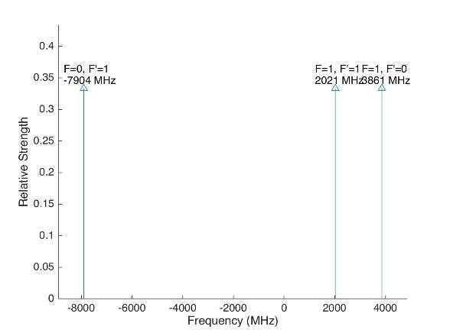
 |  |  |  |  | Laser Shift (from Ba138) | Laser Frequency |  |  |  |  |  | Ba133
 |  |  |  |  | 1833 | 607.427803
Ba133 |  |  | S1/2 |  |  |  | Ba133 |  |  | S1/2
 |  | F | 0 | 1 | Isotope Shift (from Ba138) | Ba133 Fine Carrier | Ba133 |  | F | 0 | 1
 | F | Frequency | 7444.09 | -2481.36 | 373 | -1460 |  | F | Frequency | 7444.09 | -2481.36
P1/2 | 0 | 1380 | na | 3861.36 |  |  | P1/2 | 0 | 1380 | na | 2401.36
 | 1 | -460 | -7904.09 | 2021.36 |  |  |  | 1 | -460 | -9364.09 | 561.36

Ba137 |  |  | S1/2 |  |  |  | Ba137 |  |  | S1/2
 |  | F | 1 | 2 | Isotope Shift (from Ba138) | Ba137 Fine Carrier |  |  | F | 1 | 2
 | F | Frequency | -5023.59 | 3014.15 | 271.1 | -1561.9 |  | F | Frequency | -5023.59 | 3014.15
P1/2 | 1 | -929.625 | 4093.965 | -3943.775 |  |  | P1/2 | 1 | -929.625 | 2532.065 | -5505.675
 | 2 | 557.78 | 5581.37 | -2456.37 |  |  |  | 2 | 557.78 | 4019.47 | -4018.27

This sheet allows you to find what EOM frequencies are needed to drive all of the 493 nm Hyperfine transitions, given a laser shift from the Ba138 transition.
To set the laser carrier to drive a transition, do "= Energy(P1/2) - Energy(S1/2) + IsotopeShift".
Averaged transition strengths are shown to the right to help make the best choice for your application
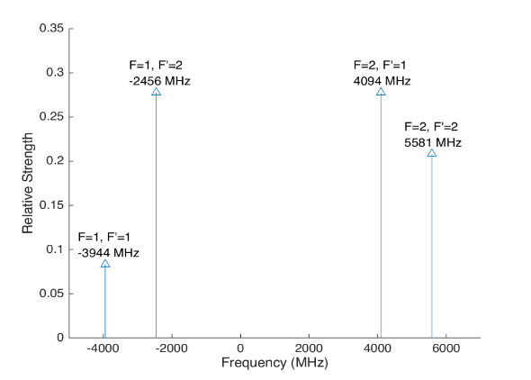
 |  |  |  |  |  |  | Ba138 |  | S1/2 |  |  | Ba137
 |  |  |  |  | Isotope Shift (from Ba138) | Transition Frequency
 |  |  |  |  | 0 | 607.42597 | P1/2 |  | -1833
 |  |  |  |  |  | ^Four-Rod
 |  |  |  |  |  |  | Ba136 |  | S1/2
 |  |  |  |  | Isotope Shift (from Ba138) | Transition Frequency
 |  |  |  |  | 179.4 | 607.4261494 | P1/2 |  | -1653.6

 |  |  |  |  |  |  | Ba134 |  | S1/2
 |  |  |  |  | Isotope Shift (from Ba138) | Transition Frequency
 |  |  |  |  | 222.6 | 607.4261926 | P1/2 |  | -1610.4

 |  |  |  |  |  |  | Ba132 |  | S1/2
 |  |  |  |  | Isotope Shift (from Ba138) | Transition Frequency
 |  |  |  |  | 279.9 | 607.4262499 | P1/2 |  | -1554.1

 |  |  |  |  |  |  | Ba130 |  | S1/2
 |  |  |  |  | Isotope Shift (from Ba138) | Transition Frequency
 |  |  |  |  | 355.3 | 607.4263253 | P1/2 |  | -1477.7

 |  | Powers

650nm
 |  |  | Frequencies

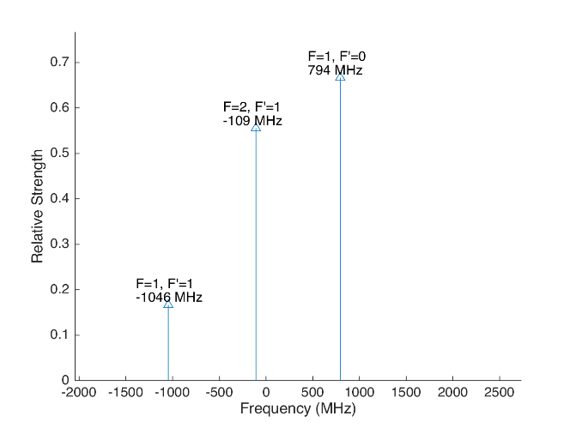
 |  |  |  |  |  |  | Laser Shift (From 138) | Laser Frequency |  |  |  |  |  |  |  | Ba133
 |  |  |  |  |  |  | 106.75 | 461.31214675 |  |  |  | 500
Ba133 |  |  | D3/2 |  |  |  |  |  | Ba133 |  |  | D3/2
 |  | F | 1 | 2 |  |  | Isotope Shift (from Ba138) | Ba133 Fine Carrier | Ba133 |  | F | 1 | 2
 | F | Frequency | 585.625 | -351.375 |  |  | 198 | 91.25 |  | F | Frequency | 585.625 | -351.375
P1/2 | 0 | 1380 | 794.375 | na |  |  |  |  | P1/2 | 0 | 1380 | 885.625 | na
 | 1 | -460 | -1045.625 | -108.625 |  |  |  |  |  | 1 | -460 | -954.375 | -17.375

Ba137 |  |  | D3/2 |  |  |  |  |  | Ba137 |  |  |  |  | D3/2
Ba137 |  | F | 0 | 1 | 2 | 3 | Isotope Shift (from Ba138) | Ba137 Fine Carrier | Ba137 |  | F | 0 | 1 | 2 | 3
 | F | Frequency | -655.81 | -510.62 | -175.7 | 438.03 | -13 | -119.75 |  | F | Frequency | -655.81 | -510.62 | -175.7 | 438.03
P1/2 | 1 | -929.625 | -273.815 | -419.005 | -753.925 | na |  |  | P1/2 | 1 | -929.625 | -393.565 | -538.755 | -873.675 | na
 | 2 | 557.78 | na | 1068.4 | 733.48 | 119.75 |  |  |  | 2 | 557.78 | na | 948.65 | 613.73 | 0
This sheet allows you to find what EOM frequencies are needed to drive all of the 650 nm Hyperfine transitions, given a laser shift from the Ba138 transition.
To set the laser carrier to drive a transition, do "= Energy(P1/2) - Energy(D3/2) + IsotopeShift".
Averaged transition strengths are shown to the right to help make the best choice for your application
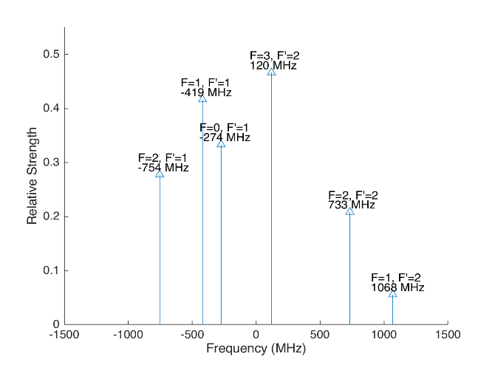
 |  |  |  |  |  |  |  |  | Ba138 |  | D3/2 |  |  |  |  | Ba137
 |  |  |  |  |  |  | Isotope Shift (from Ba138) | Transition Frequency | Ba138
 |  |  |  |  |  |  | 0 | 461.31204 | P1/2 |  | -106.75
 |  |  |  |  |  |  |  | ^Four-Rod
 |  |  |  |  |  |  |  |  | Ba136 |  | D3/2
 |  |  |  |  |  |  | Isotope Shift (from Ba138) | Transition Frequency | Ba136
 |  |  |  |  |  |  | 68 | 461.312108 | P1/2 |  | -38.75

 |  |  |  |  |  |  |  |  | Ba134 |  | D3/2
 |  |  |  |  |  |  | Isotope Shift (from Ba138) | Transition Frequency
 |  |  |  |  |  |  | 174.5 | 461.3122145 | P1/2 |  | 67.75

 |  |  |  |  |  |  |  |  | Ba132 |  | D3/2
 |  |  |  |  |  |  | Isotope Shift (from Ba138) | Transition Frequency
 |  |  |  |  |  |  | 292 | 461.312332 | P1/2 |  | 185.25

 |  |  |  |  |  |  |  |  | Ba130 |  | D3/2
 |  |  |  |  |  |  | Isotope Shift (from Ba138) | Transition Frequency
 |  |  |  |  |  |  | 394 | 461.312434 | P1/2 |  | 287.25

 |  |  | Powers

Isotope-Sw
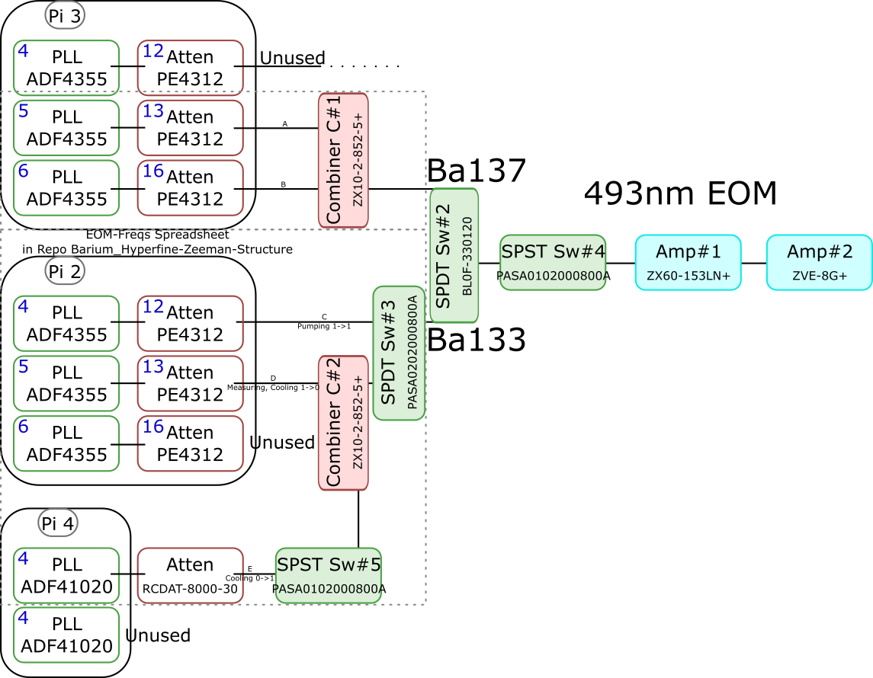
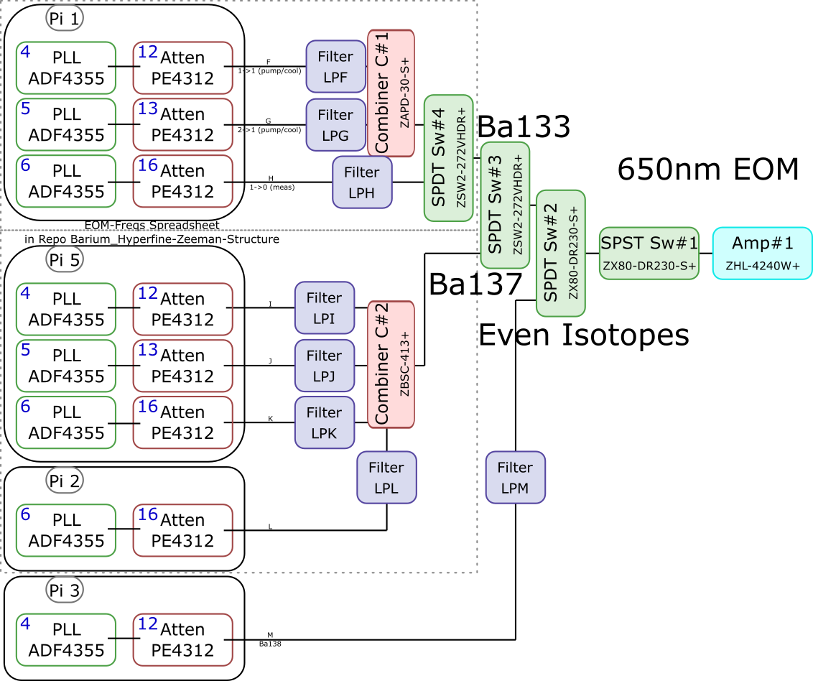
 |  |  |  |  |  |  |  |  |  |  |  | Components | Part # | Frequencies (MHz) | Power (dBm)
 |  |  |  |  |  |  |  |  |  |  |  | PLLs | ADF4355 | 54 - 4400 | -10
 |  |  |  |  |  |  |  |  |  |  |  |  | ADF41020 | 6500 - 8300

 |  |  |  |  |  |  |  |  |  |  |  |  |  | Frequencies (MHz) |  |  | Speed (ns) | Notes
 |  |  |  |  |  |  |  |  |  |  |  | Attenuators | PE4312 | 1 - 5000 |  |  | 500 | 4000 freq. limit, but 5000 works in practice
 |  |  |  |  |  |  |  |  |  |  |  |  | RCDAT-8000-30 | 1 - 8000 |  |  | 800

 |  |  |  |  |  |  |  |  |  |  |  |  |  | Frequencies (MHz)
 |  |  |  |  |  |  |  |  |  |  |  | Combiners | ZX10-2-852-5+ | 500 - 8500
 |  |  |  |  |  |  |  |  |  |  |  |  | ZAPD-30-S+ | 20 - 3000
 |  |  |  |  |  |  |  |  |  |  |  |  | ZBSC-413+ | 10 - 800

 |  |  |  |  |  |  |  |  |  |  |  |  |  | Frequencies (MHz) |  |  | Speed (us)
 |  |  |  |  |  |  |  |  |  |  |  | Switches | B10F-330120 | 0 - 12400 |  |  | 20000
 |  |  |  |  |  |  |  |  |  |  |  |  | PASA0102000800A | 2000 - 8000 |  |  | 0.1
 |  |  |  |  |  |  |  |  |  |  |  |  | PASA0202000800A | 2000 - 8000 |  |  | 0.1
 |  |  |  |  |  |  |  |  |  |  |  |  | ZSW2-272-VHDR+ | 350 - 10000 |  |  | 15
 |  |  |  |  |  |  |  |  |  |  |  |  | ZX80-DR230-S+ | 0 - 3000 |  |  | 2

 |  |  |  |  |  |  |  |  |  |  |  |  |  | Frequencies (MHz) | Power (dBm) | Gain (dB)
 |  |  |  |  |  |  |  |  |  |  |  | Amplifiers | ZX60-153LN+ | 500 - 18000 | 28 | 17
 |  |  |  |  |  |  |  |  |  |  |  |  | ZVE-3W-183+ | 5900 - 18000 | 36 | 35
 |  |  |  |  |  |  |  |  |  |  |  |  | ZVE-8G+ | 2000 - 8000 | 30 | 30
 |  |  |  |  |  |  |  |  |  |  |  |  | ZHL-4240W+ | 10 - 4200 | 38

 |  | Overall path frequency limitations |  |  |  |  |  | Path Frequency Limitations
 | Path | Frequency Range | Isotope | Pickoff (dB) | Description |  | Path | Frequency Range | Isotope | Pickoff (dB) | Description
493 nm | A | 2000 (Sw#4) - 5000 (Att) | Ba137 | 52.65 |  | 650 nm | F | 350 (Sw#4,3) - 3000 (Sw#2,1) | Ba133 |  | (1-1) Pumping/Cooling
 | B | 2000 (Sw#4) - 5000 (Att) | Ba137 | 53.07 |  |  | G | 350 (Sw#4,3) - 3000 (Sw#2,1) | Ba133 |  | (2-1) Pumping/Cooling
 | C | 2000 (Sw#3,4) - 5000 (Att#1) | Ba133 |  | (1-1) Pumping |  | H | 350 (Sw#4,3) - 3000 (Sw#2,1) | Ba133 |  | (1-0) Measuring
 | D | 2000 (Sw#3,4) - 5000 (Att#1) | Ba133 |  | (1-0) Measuring/Cooling |  | I | 350 (Sw#3) - 800 (Comb#2) | Ba137 | 40.9
 | E | 2000 (Sw#5,3,4) - 8000 (Sw#5,3,4) | Ba133 | 64.5 | (0-1) Cooling |  | J | 350 (Sw#3) - 800 (Comb#2) | Ba137 | 37.58
 |  |  |  |  |  |  | K | 350 (Sw#3) - 800 (Comb#2) | Ba137 | 37.8
 |  |  |  |  |  |  | L | 350 (Sw#3) - 800 (Comb#2) | Ba137 |  | Not needed if carrier drives a transition
 |  |  |  |  |  |  | M | 54 (PLL#1) - 3000 (Sw#1) | Evens |  | Not currently being used - carrier drives these

 |  |  |  |  |  |  |  | Current Filters
 |  |  |  |  |  |  | Filter | Part # | Freq (MHz)
 |  |  |  |  |  |  | LPF | SLP550+ | 550+
 |  |  |  |  |  |  | LPG
 |  |  |  |  |  |  | LPH | VLF-630+ | 630+
 |  |  |  |  |  |  | LPI
 |  |  |  |  |  |  | LPJ
 |  |  |  |  |  |  | LPK
 |  |  |  |  |  |  | LPL
 |  |  |  |  |  |  | LPM

Neutral
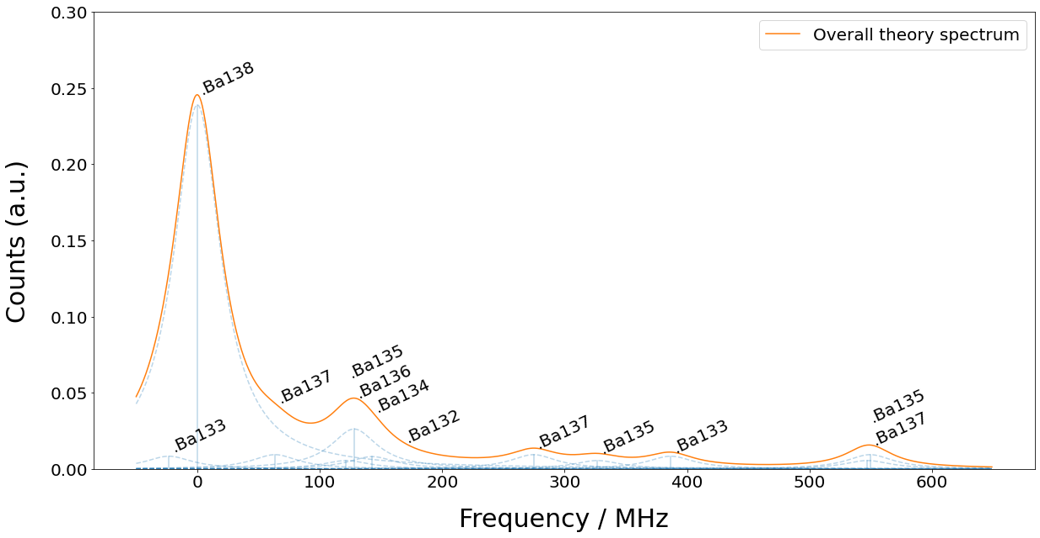
Isotope | 133g(1/2) | 138 | 131(1/2) | 137(5/2) | 135(5/2) | 136 | 134 | 132 | 133m(1/2) | 130 | 137(COM) | 131(COM) | 135(COM) | 128 | 137(3/2) | 135(3/2) | 131(3/2) | 133g(3/2) | 135(1/2) | 137(1/2)
Freq (MHz) | -23.3 | 0 | 0 | 63.43 | 121.6 | 128.02 | 142.8 | 167.9 | 172.9 | 207.3 | 214.7 | 249.2 | 258.7 | 271.1 | 274.56 | 326.7 | 373.8 | 386.65 | 547.3 | 549.47

