Main
Date

Alignment

Beam line | Left needle, horizontal | Left needle, vertical | Right needle, horizontal | Right needle, vertical | Focus | Average, horizontal | Average, vertical | Original
Combined (493/553/650) | 1.608 | 1.913 | 1.653 | 1.913 | 8.43 | 1.7235 | 2.014 | 1.644 | 1.916
REMPI 2 (405) | 2.233 | 2.159 | 2.177 | 2.155 | 12.625 | 1.74 | 2.061
Optical pumping | - | - | - | - | - | - | -
Ionization 1st (553 perp to rad. target) | - | - | - | - | 12.42 | 2.378 | 2.086
Imaging | - | - | - | - | 1.76 | 17.64 | 5.535
Note: All measurements defined from micrometer readings from stages and mirror mounts. 'Vertical' for beams is perpendicular to optics table. '
Vertical' for imaging is in the plane of focus, perpendicular to trap axis. 'Horizontal' is the trap axis.
 |  |  |  |  |  | x | y

Trap parameters

DC 1, top left (V) | DC 4, top right (V) | Needle, left (V) |  | RF drive amplitude (Vpp) | 2.5 | Range: 2.1 - 3.5 V - if change outside this, voltage refreshes
0.255 | 0.05 | 8.6 |  | RF frequency (MHz) | 20.7856
DC 2, bottom left (V) | DC 3, bottom right (V) | Needle, right (V) |  | RF reflected (dBm) | -21.4
0.435 | 0.16 | 9

Magnetic field

Ring 1 (A) | Ring 3 (A) | Ring 5 (A)
0 | 0 | 0
Ring 2 (A) | Ring 4 (A) | Ring 6 (A)
0 | 0 | 4

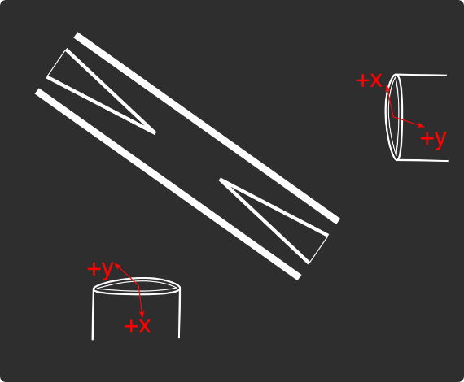
Loading
 |  |  |  | View from below
Oven current (A) |  |  |  | Radioactive |  | x | y
Target temperature (oC) |  |  |  |  |  | SN 27255859 | SN 27255860
 |  |  |  |  |  | Horiz. on Mirror mount | Vert. on Mirror mount
 |  |  |  |  |  | Natural | Radioactive
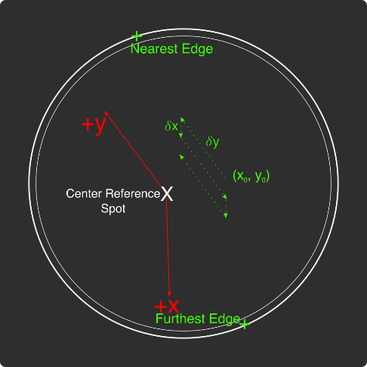
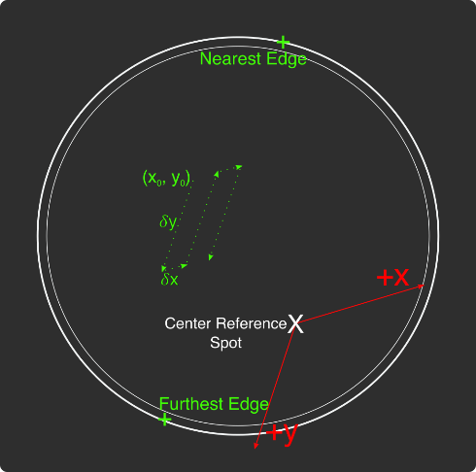
Ablation Split-Paths Power | Natural | Ba133 | Sampler
FitA (uJ) | 1120.6401 | 1219.6182 | 1158.1265
FitX0 (Deg) | 100.3444 | 101.3211 | 100.4206
FitY0 (uJ) | 1.2331 | 0.5797 | 2.072
Amplitude Ratio (from Sampler) | 0.96829950491 | 1.0544818605
Data collected 8-20-2020, graphs on Minilite ions-wiki page
Natural Abundance Target |  |  |  | Natural Abundance |  |  |  |  |  |  | x | y |  | X | Y | Z
Ablation laser | Repetition rate (Hz) | Pressure spikes (mBar) | Rotation angle (55[min] - 100) | Sampler pulse energy (uJ) | Actual pulse energy (uJ) |  |  |  |  | Closest to Focus pos. |  |  | Ablation Beam Vector
Minilite I | 2 | 2.00E-10 | 55 | 120 | 72.10753343 |  |  |  |  | Furthest from Focus pos. |  |  | Target Normal Vector
 | Note, to recenter to the same position, be sure to use the same pulse energy each time
Ablation Laser Sweep | Edge Position 1 (x) | Edge Position 2( x) | Edge Position 3 (y) | Edge Position 4 (y) | Center Position (x) | Center Position (y) | Servo/Actual Ratio (x) | Servo/Actual Ratio(y) |  | Angle b/w Target+Laser |  |  | Beam Waist
Natural Abund. Target | 7.1257 | 7.2893 | 5.9291 | 6.1682 | 7.2075 | 6.04865 | 25.464547677 | 17.423672104 |  | Laser Z along Target |  |  | Rayleigh Range
 |  |  |  |  |  |  |  |  |  | Rayleigh Z |  |  | Fluence
Period (s) | x0 (mm) | y0 (mm) | 𝛿x (mm) | 𝛿y (mm) | Steps (x) | Steps (y) | Total Actual Distance (x) (mm) | Total Actual Distance (y) (mm)
60 | 7.24 | 6.1 | 0.0025 | 0.01 | 6 | 1 | 0.38196821516 | 0.17423672104
 |  |  |  | xf (mm) | yf (mm)
 |  |  |  | 7.255 | 6.11
Ablation Laser Spot | x (mm) | y (mm)
Minilite I | 7.29 | 6.12

Radioactive Target
Ablation laser | Repetition rate (Hz) | Pressure spikes (mBar) | Rotation angle (55[min] - 100) | Sampler pulse energy (uJ) | Actual pulse energy (uJ)
Minilite I | 2 | 2.00E-10 | 100 | 60 | 62.982401191
 | Note, to recenter to the same position, be sure to use the same pulse energy each time |  |  |  |  |  |  |  |  | Edge to Edge parameters - 08/25/2020
Ablation Laser Sweep | Edge Position 1 (x) | Edge Position 2( x) | Edge Position 3 (y) | Edge Position 4 (y) | Center Position (x) | Center Position (y) | Servo-Actual-Ratio (x) | Servo-Actual Ratio(y) |  | Y pos | Xedge | Xedge
Radioactive Target | 7.06227 | 7.43187 | 5.8754 | 6.26612 | 7.24707 | 6.07076 | 11.271645022 | 10.662366912 |  | 6.00564 | 7.348 | 6.9938 | 7.1709

Period (s) | x0 (mm) | y0 (mm) | 𝛿x (mm) | 𝛿y (mm) | Steps (x) | Steps (y) | Total Actual Distance (x) (mm) | Total Actual Distance (y) (mm)
60 | 7.24 | 6.00564 | 0.005 | 0.02 | 6 | 1 |  | 0.21324733825 | #VALUE!
 |  |  |  | xf (mm) | yf (mm)
 |  |  |  | 7.27 | 6.02564
Ablation Laser Spot | x (mm) | y (mm)
Minilite I

Laser parameters

Laser Powers | Cooling (493 nm) | Cooling Repump (650 nm) | REMPI 1 (553.5 nm) | REMPI 1 (553.5 nm) Secondary | REMPI 2 (405 nm) | Combined Beam Total (493)
Measured Power (Sampled) (uW)
Actual Power/Sampler Power Ratio
Power (uW) | 22 | 165 | 120 | 0 | 880 | 360

Wavemeter Calibration | HeNe Laser Freq. (THz) | HeNe Laser Measured Freq. (THz) | Change in Freq. (MHz)
 | 473.612249 | 473.61226 | -11

Ba138
Beam | Power (uW) | Freq. used to Trap on WM (THz) | Actual Peak Freq. on WM (THZ) | Actual Freq. Used (THz)
Cooling (493 nm) | 17 | 607.42605 | 607.42605 | 607.42625
Measurement (493 nm) |  | - | - | -
Cooling repump (650 nm) | 160 | 461.31208 | 461.312105 | 461.31228
Clearout (614 nm) |  | - | - | -
REMPI 1 (553.5 nm) | 10 | 541.433047 | 541.433047 | 541.433047 |  | 461.312185
REMPI 1 (553.5 nm) (Radioactive) |  | 541.433047 | 541.433047
REMPI 2 (405 nm) | 900 | - | - | -
 |  |  |  | Ion Peak Brightness (Counts/s)
If Ion parameters are changed during the day, paste the other parameters to the right |  |  |  | 15500

Ba137
Beam | Power (uW) | Frequency Offset (from Ba138) (GHz) | Expect. Peak Freq. on WM (THz) | Freq. used to Trap on WM (THz) | Acutal Peak Freq. on WM (THz) | AOM Freq. (MHZ) | Actual Carrier Freq. (THz)
Cooling (493 nm) | 17 | 1.833 | 607.427883 | 607.427863 | 607.42789 | 200 | 607.428083
Measurement (493 nm) |  |  | - | - | - | - | -
Cooling repump (650 nm) | 160 | 0.10675 | 461.31221175 | 461.312192 | 461.312205 | -200 | 461.31201175
Clearout (614 nm) |  |  | - | - | - | - | -
REMPI 1 (553.5 nm) | 10 | 0.274 | 541.433321 | 541.433321 | 541.43321 | - | -
REMPI 2 (405 nm) |  |  | - |  |  | - | -

Beam | Method | EOM Tones (GHz) | Isotope-Switching Path | Sideband Freq. Blue (THz) | Sideband Freq. Red (THz) | Rf Atten. (dB) | RF Power Pickoff (dBm) | RF Power (dBm)
 | ThroughF2 | 4.019 | B | 607.431909 | 607.423871 | 8 | -38.8 | 14.27
Cooling (493 nm)
 |  | - |  | - | -
 |  | - |  | - | -
Measurement (493 nm) |  | - |  | - | -
 |  | - |  | - | -
 | A | 0.404 | I | 461.312609 | 461.311801 | 16 | -35.7 | 5.2
Cooling repump (650 nm) |  | 0.538 | J | 461.312743 | 461.311667 | 12.5 | -31.7 | 6.1
 |  | 0.604 | K | 461.312809 | 461.311601 | 13.5 | -24 | 13.58
 |  | - |  | - | -
 |  | - |  | - | -
Clearout (614 nm) |  | - |  | - | -
 |  | - |  | - | -
 |  |  |  | Ion Peak Brightness (Counts/s)
If Ion parameters are changed during the day, paste the other parameters to the right |  |  |  | 6000

Ba133
Beam | Power (uW) | Frequency Offset (from Ba138) (GHz) | Expected Freq. on WM (THz) | Freq. used to Trap on WM (THz) | Acutal Peak Freq. on WM (THz) | AOM Freq. (MHZ) | Actual Carrier Freq. (THz)
Cooling (493 nm) |  | 0 | 607.42605 |  | 607.42597 | 200 | 607.42617
Measurement (493 nm) |  |  | - |  | - | - | -
Cooling repump (650 nm) |  | 0.5 | 461.31258 |  | 461.31204 | 200 | 461.31224
Clearout (614 nm) |  |  | - |  | - | - | -
REMPI 1 (553.5 nm) |  | 0.3865 | 541.4334335 |  | - | - | -
REMPI 2 (405 nm) |  |  | - |  | - | - | -

Beam | Method | EOM Tones (GHz) | Isotope Switching Path | Sideband Freq. Blue (THz) | Sideband Freq. Red (THz) | RF Atten. (dB) | RF Power (dBm)
 |  | 4.23425 | D | 607.43020425 | 607.42173575 | 14 | 12.8
Cooling (493 nm) |  | 7.53 | E | 607.4335 | 607.41844 | 13 | 13.3
 |  | - |  | - | -
Pumping (493 nm) |  | 2.3945 | C | 607.4283645 | 607.4235755 | 24 | 13.2
 |  | - |  | - | -
Measurement (493 nm) |  | 4.23436 | D | 607.43020436 | 607.42173564 | 14 | 12.8
 |  | - |  | - | -
 | C | 0.4106 | F | 461.3124506 | 461.3116294 | 13 | 13
Cooling repump (650 nm) |  | 1.3475 | G | 461.3133875 | 461.3106925 | 14 | 13.3
 |  | - |  | - | -
Measuring repump (650 nm) | D | 0.49225 | H | 461.31253225 | 461.31154775 | 18.5 | 13.3
 |  | - |  | - | -
 |  | - |  | - | -
Clearout (614 nm) |  | - |  | - | -
 |  | - |  | - | -
 |  |  |  | Ion Peak Brightness (Counts/s)
If Ion parameters are changed during the day, paste the other parameters to the right

Session notes

493 nm laser power low 10 uW improved to 22 uW
Tried trapping Ba137 using script - Trapped after 11 attempts - 1 dark ion as well - 2,000 counts. Looked for peak - 10 -20 MHz higher on 493 transition 7910 MHz - 6,500 counts
Noticed wavemeter 11 MHz blue - recalibrated, ^ optimal freqs. closer to yesterday's now
Checked if dark ion was Ba138 or even isotope - nope
Ran loading rate experiment Ba137 - none trapped in 40 attempts...
Ran again, but 30 MHz detuned red cooling lasers - one after 30 attempts. Realized ionization freq. 5 MHz red, switched to 0 MHz at 20 pulses... Then none after 20 before ablation laser reset
Trapping Ba138 10 uW, 115 uJ - Neutral fluorescence ~150 total
x3 pulses, x1 Ba138, x1 dim ion. Pulsed again, lost Ba138, ended up with x1 dim... Different chain? Or Ba138 ejected? Pulsed again, lost completely
x3 pulses, x3 Ba138
x2 pulses, x2 Ba138. Pulsed again, x3 Ba138. Pulsed again, x3 Ba138, x1 dark. Pulsed again, x2 Ba138. Pulsed again, nothing...
x1 pulse, x2 Ba138. Pulsed again, nothing.
x4 pulses, x1 Ba138, x1 dark. Pulsed again, nothing.
x1 pulses, x1 Ba138. Pulsed again, x4 Ba138. Pulsed again, nothing.
x2 pulses, x1 Ba138. Again, nothing.
x2 pulses, x1 Ba138. Again, x2 Ba138. Again, nothing.
x1 pulse, x1 Ba138. Again, nothing.
x2 pulses, x3 Ba138, x2 dark. Checked Ba137, nope. Back to Ba138 - now x2 Ba138, x1 dark. Pulsed again, x2 Ba138, x1 dark. Again, nothing.
x2 pulses, x2 Ba138. Again, x2 Ba138. Again, x2 Ba138. Again, x1 Ba138, x2 dark. Checked Ba137 - nothing... Returned to Ba138 - x1 Ba138 no dark. Pulsed again, nothing.
x3 pulses, x3 Ba138, x1 dim. Again, x1 Ba138, x1 dark. Checked Ba137 - nothing. Returned to Ba138 - nothing.
x2 pulses, x2 Ba138. Again, nothing.
x3 pulses, x1 Ba138. Again, x2 Ba138. Again, nothing.
x2 pulses, x2 Ba138. Again, x1 Ba138. Again, x1 Ba138. Again, x2 Ba138, x1 dark. Again, x1 Ba138, x1 dark. Checked Ba137 - none.
First vs successive:
First: 2,3,2,2,2,1,1,1,1,3,2,4,2,1,2
Successive: 1, 3,0,0,4,0,2,0,2,0,2,3
Overall, the second pulse results in less ions, so we're failing to accumulate ions...
Reduced pulse energy to 95 uJ - neutral fluorescence similar...
x4 pulses, 1 Ba138. Trap center moved over ~1.5 pixels... Another 2 pulses, x2 Ba138. Again, x3 Ba138. Ions staying crystallized during pulse better... They instead move down a pixel for a bit. Again, x3 Ba138. Again, x4 Ba138. Again, x4 Ba138. Again, x6 Ba138. Again, x6 Ba138, x1 dark. slightly zig-zag. Again 2 times, no change. Pulsed 4 more times, x8 Ba138, x1 dark.
x6 pulses, x1 Ba138. x5 pulses, x4 Ba138, center moved again...
Moved 553 freq. to 3280 MHz. Pulsed 20 times, no change to chain. x20 more, no change.
Did load rate vs num pulses (1, 3) at 14 Hz, using this pulse energy:
Only trapped with 3 pulses, never with 1 pulse... x2, x1, x1
Redid with higher 553 power 80 uW - ~100-200 counts neutral fluorescence
1 pulse: 1, 0, 0, 1, 0, 1, 0, 0, 0, 0 - 3/10
3 pulse: 0, 0, 1, 2, 0, 5, 4, 2, 0, 1 - 15/10
Seems to work great! Next to try Ba137
Trapped 4 ions using 7 pulses 90 uJ.
Tried then trapping with 553 freq. away 2800 MHz (240 MHz lower), low power, high pulse energy, to see if generate dark mystery ions again.
Ejected after just 1 pulse... Increased 553 power to 80 and tried trapping, hoping for Ba138, if see dark, likely not any isotope of barium
Nothing trapped after 10 attempts
Increased power to 120 uW. nothing after 5
Moved freq. to 2900 MHz. After 5 attempts, trapped single Ba138 by itself. Pulsed again, lost it
Moved to 2950 MHz. after 3 attempts, x1 Ba138, x1 dark ion not Ba137. Pulsed again nothing
13 attempts, x1 Ba138, x1 dim, x1 dark. Pulsed again, lost it.
With 95 uJ, pulsed 8 times, trapped x10 Ba138, 0 dark or dim
5 pulses, x5 Ba138. 4 more pulses, x7 Ba138
6 pulses, x2 Ba138. 10 more
5 pulses, x2 Ba138. 5 pulses, x4 Ba138. 5 pulses, x6 Ba138, x1 dark
95 uJ selectivity results:
Ba138: 10, 7, 9, 6 -> 32
Dark: 1
Dim:
32/33
115 uJ selectivity results:
Ba138: 133241213231222 -> 32
Dark: 1112211 -> 9
Ba137:
Dim: 1
32/42
From yesterday, 140 uJ
Ba138: 1212131112311 -> 20
Dark: 112112111 -> 11
Ba137: 1
Dim:
20/32
Reduced to 70 uJ
10 pulses, nothing.
80 uJ
5 pulses, x1 Ba138. 10, x2 Ba138. 10, x3 Ba138. 5, x4 Ba138. 10, x6 Ba138. 10, x7 Ba138. 10, x8 Ba138. 5, x9 Ba138.
20 pulses, nothing.. 10, nothing. 10, x1 Ba138. 5, x3 ba138. 5, x4 Ba138. 10, x5 Ba138. 10, x6 Ba138. 5, x8 Ba138. 5, x9 Ba138.
5, nothing. again. 5, x2 Ba138. 5, x5 Ba138. 10, x4 Ba138. 10, x4 Ba138. 10, x5 Ba138. 10, x7 Ba138. 5, x8 Ba138. 10, x8 Ba138. 5, x9 Ba138.
Overall, no dark/dim ions!
27/27 selectivity

 |  |  |  |  |  |  |  | 531

493nm
 |  | Frequencies

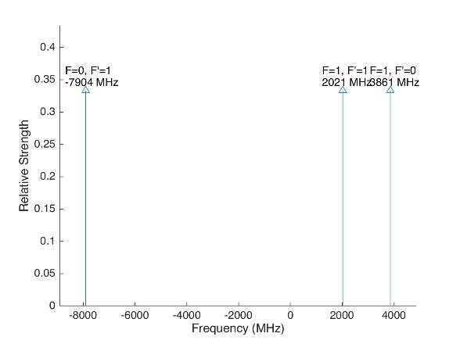
 |  |  |  |  | Laser Shift (from Ba138) | Laser Frequency |  |  |  |  |  | Ba133
 |  |  |  |  | 1833 | 607.427803
Ba133 |  |  | S1/2 |  |  |  | Ba133 |  |  | S1/2
 |  | F | 0 | 1 | Isotope Shift (from Ba138) | Ba133 Fine Carrier | Ba133 |  | F | 0 | 1
 | F | Frequency | 7444.09 | -2481.36 | 373 | -1460 |  | F | Frequency | 7444.09 | -2481.36
P1/2 | 0 | 1380 | na | 3861.36 |  |  | P1/2 | 0 | 1380 | na | 2401.36
 | 1 | -460 | -7904.09 | 2021.36 |  |  |  | 1 | -460 | -9364.09 | 561.36

Ba137 |  |  | S1/2 |  |  |  | Ba137 |  |  | S1/2
 |  | F | 1 | 2 | Isotope Shift (from Ba138) | Ba137 Fine Carrier |  |  | F | 1 | 2
 | F | Frequency | -5023.59 | 3014.15 | 271.1 | -1561.9 |  | F | Frequency | -5023.59 | 3014.15
P1/2 | 1 | -929.625 | 4093.965 | -3943.775 |  |  | P1/2 | 1 | -929.625 | 2532.065 | -5505.675
 | 2 | 557.78 | 5581.37 | -2456.37 |  |  |  | 2 | 557.78 | 4019.47 | -4018.27

This sheet allows you to find what EOM frequencies are needed to drive all of the 493 nm Hyperfine transitions, given a laser shift from the Ba138 transition.
To set the laser carrier to drive a transition, do "= Energy(P1/2) - Energy(S1/2) + IsotopeShift".
Averaged transition strengths are shown to the right to help make the best choice for your application
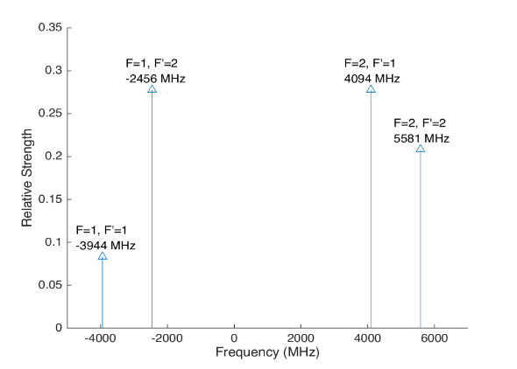
 |  |  |  |  |  |  | Ba138 |  | S1/2 |  |  | Ba137
 |  |  |  |  | Isotope Shift (from Ba138) | Transition Frequency
 |  |  |  |  | 0 | 607.42597 | P1/2 |  | -1833
 |  |  |  |  |  | ^Four-Rod
 |  |  |  |  |  |  | Ba136 |  | S1/2
 |  |  |  |  | Isotope Shift (from Ba138) | Transition Frequency
 |  |  |  |  | 179.4 | 607.4261494 | P1/2 |  | -1653.6

 |  |  |  |  |  |  | Ba134 |  | S1/2
 |  |  |  |  | Isotope Shift (from Ba138) | Transition Frequency
 |  |  |  |  | 222.6 | 607.4261926 | P1/2 |  | -1610.4

 |  |  |  |  |  |  | Ba132 |  | S1/2
 |  |  |  |  | Isotope Shift (from Ba138) | Transition Frequency
 |  |  |  |  | 279.9 | 607.4262499 | P1/2 |  | -1554.1

 |  |  |  |  |  |  | Ba130 |  | S1/2
 |  |  |  |  | Isotope Shift (from Ba138) | Transition Frequency
 |  |  |  |  | 355.3 | 607.4263253 | P1/2 |  | -1477.7

 |  | Powers

650nm
 |  |  | Frequencies

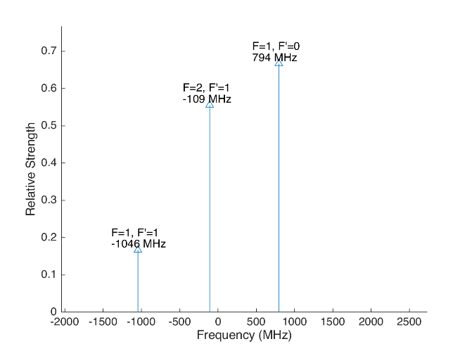
 |  |  |  |  |  |  | Laser Shift (From 138) | Laser Frequency |  |  |  |  |  |  |  | Ba133
 |  |  |  |  |  |  | 106.75 | 461.31214675 |  |  |  | 500
Ba133 |  |  | D3/2 |  |  |  |  |  | Ba133 |  |  | D3/2
 |  | F | 1 | 2 |  |  | Isotope Shift (from Ba138) | Ba133 Fine Carrier | Ba133 |  | F | 1 | 2
 | F | Frequency | 585.625 | -351.375 |  |  | 198 | 91.25 |  | F | Frequency | 585.625 | -351.375
P1/2 | 0 | 1380 | 794.375 | na |  |  |  |  | P1/2 | 0 | 1380 | 885.625 | na
 | 1 | -460 | -1045.625 | -108.625 |  |  |  |  |  | 1 | -460 | -954.375 | -17.375

Ba137 |  |  | D3/2 |  |  |  |  |  | Ba137 |  |  |  |  | D3/2
Ba137 |  | F | 0 | 1 | 2 | 3 | Isotope Shift (from Ba138) | Ba137 Fine Carrier | Ba137 |  | F | 0 | 1 | 2 | 3
 | F | Frequency | -655.81 | -510.62 | -175.7 | 438.03 | -13 | -119.75 |  | F | Frequency | -655.81 | -510.62 | -175.7 | 438.03
P1/2 | 1 | -929.625 | -273.815 | -419.005 | -753.925 | na |  |  | P1/2 | 1 | -929.625 | -393.565 | -538.755 | -873.675 | na
 | 2 | 557.78 | na | 1068.4 | 733.48 | 119.75 |  |  |  | 2 | 557.78 | na | 948.65 | 613.73 | 0
This sheet allows you to find what EOM frequencies are needed to drive all of the 650 nm Hyperfine transitions, given a laser shift from the Ba138 transition.
To set the laser carrier to drive a transition, do "= Energy(P1/2) - Energy(D3/2) + IsotopeShift".
Averaged transition strengths are shown to the right to help make the best choice for your application
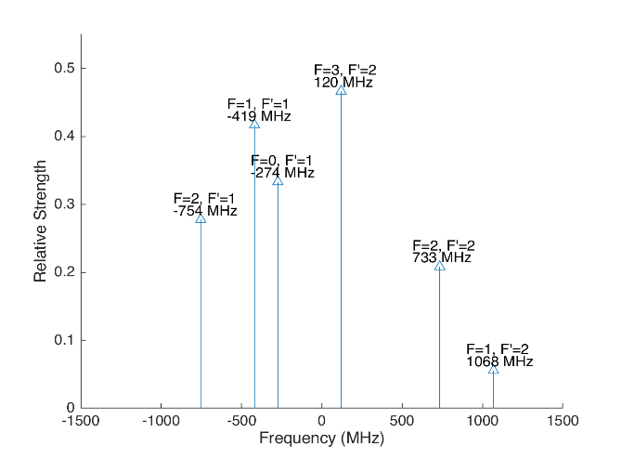
 |  |  |  |  |  |  |  |  | Ba138 |  | D3/2 |  |  |  |  | Ba137
 |  |  |  |  |  |  | Isotope Shift (from Ba138) | Transition Frequency | Ba138
 |  |  |  |  |  |  | 0 | 461.31204 | P1/2 |  | -106.75
 |  |  |  |  |  |  |  | ^Four-Rod
 |  |  |  |  |  |  |  |  | Ba136 |  | D3/2
 |  |  |  |  |  |  | Isotope Shift (from Ba138) | Transition Frequency | Ba136
 |  |  |  |  |  |  | 68 | 461.312108 | P1/2 |  | -38.75

 |  |  |  |  |  |  |  |  | Ba134 |  | D3/2
 |  |  |  |  |  |  | Isotope Shift (from Ba138) | Transition Frequency
 |  |  |  |  |  |  | 174.5 | 461.3122145 | P1/2 |  | 67.75

 |  |  |  |  |  |  |  |  | Ba132 |  | D3/2
 |  |  |  |  |  |  | Isotope Shift (from Ba138) | Transition Frequency
 |  |  |  |  |  |  | 292 | 461.312332 | P1/2 |  | 185.25

 |  |  |  |  |  |  |  |  | Ba130 |  | D3/2
 |  |  |  |  |  |  | Isotope Shift (from Ba138) | Transition Frequency
 |  |  |  |  |  |  | 394 | 461.312434 | P1/2 |  | 287.25

 |  |  | Powers

Isotope-Sw
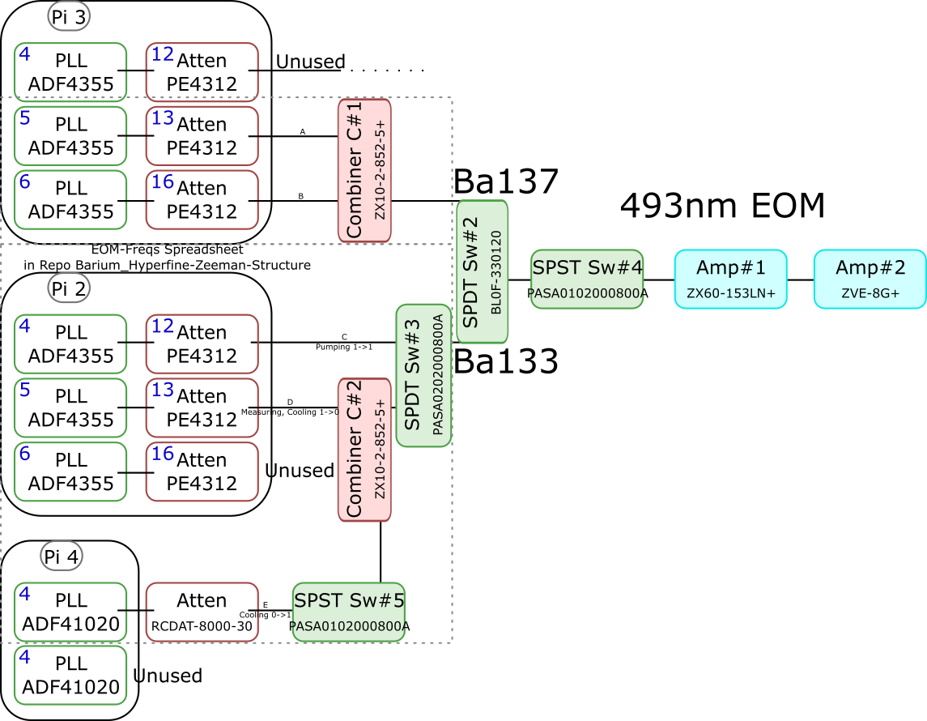
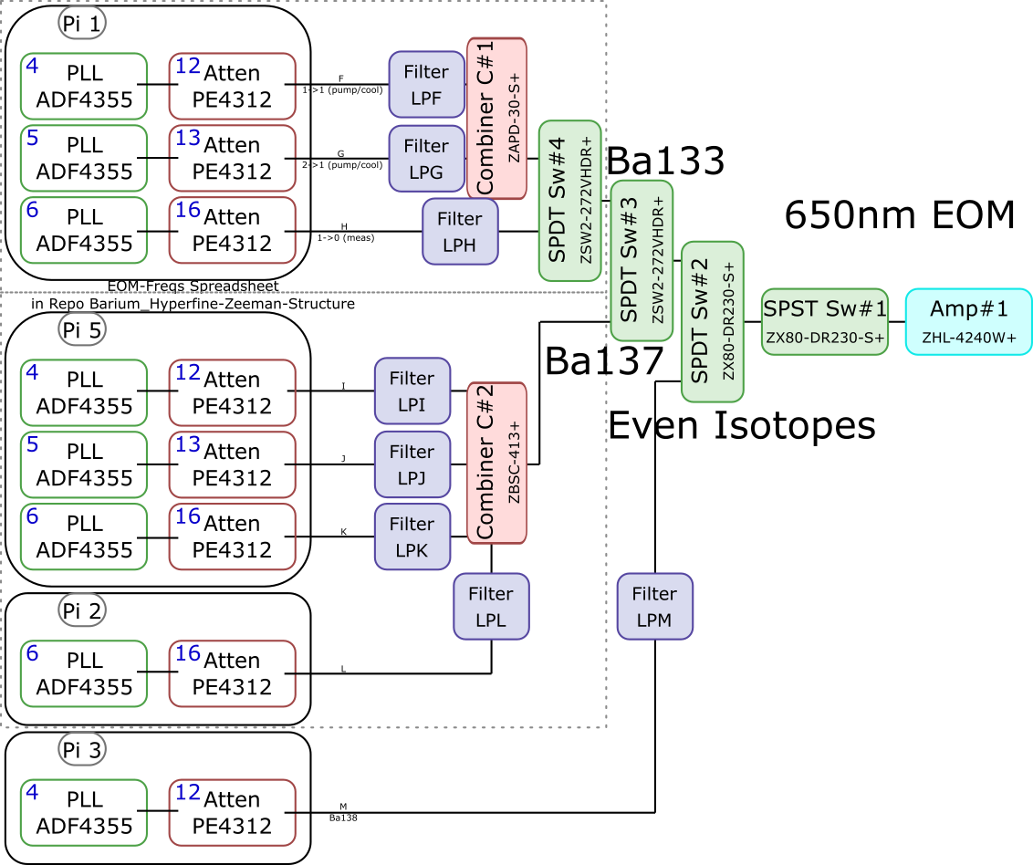
 |  |  |  |  |  |  |  |  |  |  |  | Components | Part # | Frequencies (MHz) | Power (dBm)
 |  |  |  |  |  |  |  |  |  |  |  | PLLs | ADF4355 | 54 - 4400 | -10
 |  |  |  |  |  |  |  |  |  |  |  |  | ADF41020 | 6500 - 8300

 |  |  |  |  |  |  |  |  |  |  |  |  |  | Frequencies (MHz) |  |  | Speed (ns) | Notes
 |  |  |  |  |  |  |  |  |  |  |  | Attenuators | PE4312 | 1 - 5000 |  |  | 500 | 4000 freq. limit, but 5000 works in practice
 |  |  |  |  |  |  |  |  |  |  |  |  | RCDAT-8000-30 | 1 - 8000 |  |  | 800

 |  |  |  |  |  |  |  |  |  |  |  |  |  | Frequencies (MHz)
 |  |  |  |  |  |  |  |  |  |  |  | Combiners | ZX10-2-852-5+ | 500 - 8500
 |  |  |  |  |  |  |  |  |  |  |  |  | ZAPD-30-S+ | 20 - 3000
 |  |  |  |  |  |  |  |  |  |  |  |  | ZBSC-413+ | 10 - 800

 |  |  |  |  |  |  |  |  |  |  |  |  |  | Frequencies (MHz) |  |  | Speed (us)
 |  |  |  |  |  |  |  |  |  |  |  | Switches | B10F-330120 | 0 - 12400 |  |  | 20000
 |  |  |  |  |  |  |  |  |  |  |  |  | PASA0102000800A | 2000 - 8000 |  |  | 0.1
 |  |  |  |  |  |  |  |  |  |  |  |  | PASA0202000800A | 2000 - 8000 |  |  | 0.1
 |  |  |  |  |  |  |  |  |  |  |  |  | ZSW2-272-VHDR+ | 350 - 10000 |  |  | 15
 |  |  |  |  |  |  |  |  |  |  |  |  | ZX80-DR230-S+ | 0 - 3000 |  |  | 2

 |  |  |  |  |  |  |  |  |  |  |  |  |  | Frequencies (MHz) | Power (dBm) | Gain (dB)
 |  |  |  |  |  |  |  |  |  |  |  | Amplifiers | ZX60-153LN+ | 500 - 18000 | 28 | 17
 |  |  |  |  |  |  |  |  |  |  |  |  | ZVE-3W-183+ | 5900 - 18000 | 36 | 35
 |  |  |  |  |  |  |  |  |  |  |  |  | ZVE-8G+ | 2000 - 8000 | 30 | 30
 |  |  |  |  |  |  |  |  |  |  |  |  | ZHL-4240W+ | 10 - 4200 | 38

 |  | Overall path frequency limitations |  |  |  |  |  | Path Frequency Limitations
 | Path | Frequency Range | Isotope | Pickoff (dB) | Description |  | Path | Frequency Range | Isotope | Pickoff (dB) | Description
493 nm | A | 2000 (Sw#4) - 5000 (Att) | Ba137 | 52.65 |  | 650 nm | F | 350 (Sw#4,3) - 3000 (Sw#2,1) | Ba133 |  | (1-1) Pumping/Cooling
 | B | 2000 (Sw#4) - 5000 (Att) | Ba137 | 53.07 |  |  | G | 350 (Sw#4,3) - 3000 (Sw#2,1) | Ba133 |  | (2-1) Pumping/Cooling
 | C | 2000 (Sw#3,4) - 5000 (Att#1) | Ba133 |  | (1-1) Pumping |  | H | 350 (Sw#4,3) - 3000 (Sw#2,1) | Ba133 |  | (1-0) Measuring
 | D | 2000 (Sw#3,4) - 5000 (Att#1) | Ba133 |  | (1-0) Measuring/Cooling |  | I | 350 (Sw#3) - 800 (Comb#2) | Ba137 | 40.9
 | E | 2000 (Sw#5,3,4) - 8000 (Sw#5,3,4) | Ba133 | 64.5 | (0-1) Cooling |  | J | 350 (Sw#3) - 800 (Comb#2) | Ba137 | 37.58
 |  |  |  |  |  |  | K | 350 (Sw#3) - 800 (Comb#2) | Ba137 | 37.8
 |  |  |  |  |  |  | L | 350 (Sw#3) - 800 (Comb#2) | Ba137 |  | Not needed if carrier drives a transition
 |  |  |  |  |  |  | M | 54 (PLL#1) - 3000 (Sw#1) | Evens |  | Not currently being used - carrier drives these

 |  |  |  |  |  |  |  | Current Filters
 |  |  |  |  |  |  | Filter | Part # | Freq (MHz)
 |  |  |  |  |  |  | LPF | SLP550+ | 550+
 |  |  |  |  |  |  | LPG
 |  |  |  |  |  |  | LPH | VLF-630+ | 630+
 |  |  |  |  |  |  | LPI
 |  |  |  |  |  |  | LPJ
 |  |  |  |  |  |  | LPK
 |  |  |  |  |  |  | LPL
 |  |  |  |  |  |  | LPM

Neutral
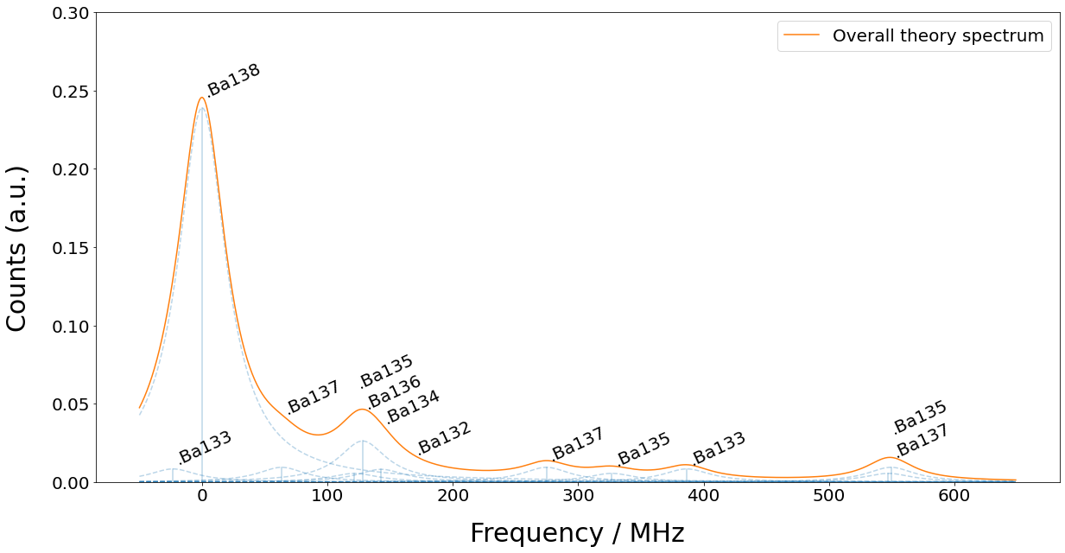
Isotope | 133g(1/2) | 138 | 131(1/2) | 137(5/2) | 135(5/2) | 136 | 134 | 132 | 133m(1/2) | 130 | 137(COM) | 131(COM) | 135(COM) | 128 | 137(3/2) | 135(3/2) | 131(3/2) | 133g(3/2) | 135(1/2) | 137(1/2)
Freq (MHz) | -23.3 | 0 | 0 | 63.43 | 121.6 | 128.02 | 142.8 | 167.9 | 172.9 | 207.3 | 214.7 | 249.2 | 258.7 | 271.1 | 274.56 | 326.7 | 373.8 | 386.65 | 547.3 | 549.47

