Main
Date

Alignment

Beam line | Left needle, horizontal | Left needle, vertical | Right needle, horizontal | Right needle, vertical | Focus | Average, horizontal | Average, vertical | Original
Combined (493/553/650) | 1.608 | 1.913 | 1.653 | 1.913 | 8.43 | 1.7235 | 2.014 | 1.644 | 1.916
REMPI 2 (405) | 2.233 | 2.159 | 2.177 | 2.155 | 12.625 | 1.74 | 2.061
Optical pumping | - | - | - | - | - | - | -
Ionization 1st (553 perp to rad. target) | - | - | - | - | 12.42 | 2.378 | 2.086
Imaging | - | - | - | - | 1.76 | 17.64 | 5.535
Note: All measurements defined from micrometer readings from stages and mirror mounts. 'Vertical' for beams is perpendicular to optics table. '
Vertical' for imaging is in the plane of focus, perpendicular to trap axis. 'Horizontal' is the trap axis.
 |  |  |  |  |  | x | y

Trap parameters

DC 1, top left (V) | DC 4, top right (V) | Needle, left (V) |  | RF drive amplitude (Vpp) | 2.5 | Range: 2.1 - 3.5 V - if change outside this, voltage refreshes
0.255 | 0.05 | 8.6 |  | RF frequency (MHz) | 20.7856
DC 2, bottom left (V) | DC 3, bottom right (V) | Needle, right (V) |  | RF reflected (dBm) | -21.4
0.435 | 0.16 | 9

Magnetic field

Ring 1 (A) | Ring 3 (A) | Ring 5 (A)
0 | 0 | 0
Ring 2 (A) | Ring 4 (A) | Ring 6 (A)
0 | 0 | 4

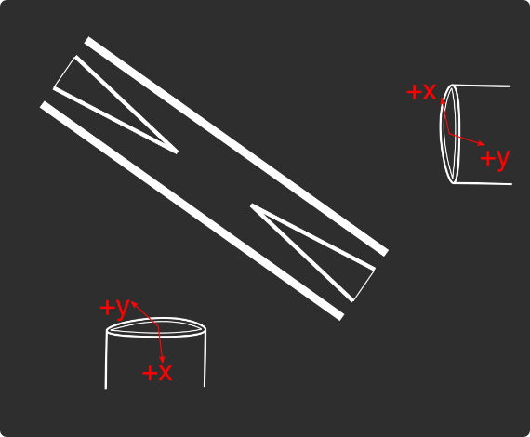
Loading
 |  |  |  | View from below
Oven current (A) |  |  |  | Radioactive |  | x | y
Target temperature (oC) |  |  |  |  |  | SN 27255859 | SN 27255860
 |  |  |  |  |  | Horiz. on Mirror mount | Vert. on Mirror mount
 |  |  |  |  |  | Natural | Radioactive
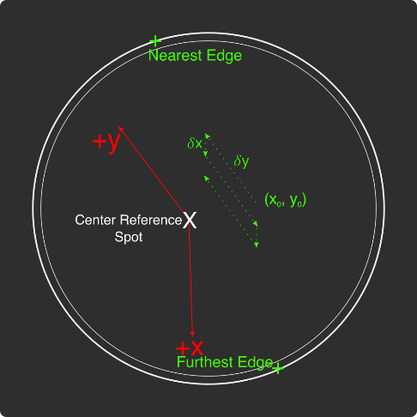
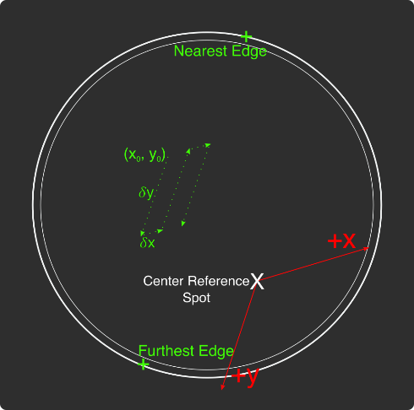
Ablation Split-Paths Power | Natural | Ba133 | Sampler
FitA (uJ) | 1120.6401 | 1219.6182 | 1158.1265
FitX0 (Deg) | 100.3444 | 101.3211 | 100.4206
FitY0 (uJ) | 1.2331 | 0.5797 | 2.072
Amplitude Ratio (from Sampler) | 0.96829950491 | 1.0544818605
Data collected 8-20-2020, graphs on Minilite ions-wiki page
Natural Abundance Target |  |  |  | Natural Abundance |  |  |  |  |  |  | x | y |  | X | Y | Z
Ablation laser | Repetition rate (Hz) | Pressure spikes (mBar) | Rotation angle (55[min] - 100) | Sampler pulse energy (uJ) | Actual pulse energy (uJ) |  |  |  |  | Closest to Focus pos. |  |  | Ablation Beam Vector
Minilite I | 2 | 2.00E-10 | 55 | 120 | 72.10753343 |  |  |  |  | Furthest from Focus pos. |  |  | Target Normal Vector
 | Note, to recenter to the same position, be sure to use the same pulse energy each time
Ablation Laser Sweep | Edge Position 1 (x) | Edge Position 2( x) | Edge Position 3 (y) | Edge Position 4 (y) | Center Position (x) | Center Position (y) | Servo/Actual Ratio (x) | Servo/Actual Ratio(y) |  | Angle b/w Target+Laser |  |  | Beam Waist
Natural Abund. Target | 7.1257 | 7.2893 | 5.9291 | 6.1682 | 7.2075 | 6.04865 | 25.464547677 | 17.423672104 |  | Laser Z along Target |  |  | Rayleigh Range
 |  |  |  |  |  |  |  |  |  | Rayleigh Z |  |  | Fluence
Period (s) | x0 (mm) | y0 (mm) | 𝛿x (mm) | 𝛿y (mm) | Steps (x) | Steps (y) | Total Actual Distance (x) (mm) | Total Actual Distance (y) (mm)
60 | 7.24 | 6.1 | 0.0025 | 0.01 | 6 | 1 | 0.38196821516 | 0.17423672104
 |  |  |  | xf (mm) | yf (mm)
 |  |  |  | 7.255 | 6.11
Ablation Laser Spot | x (mm) | y (mm)
Minilite I | 7.29 | 6.12

Radioactive Target
Ablation laser | Repetition rate (Hz) | Pressure spikes (mBar) | Rotation angle (55[min] - 100) | Sampler pulse energy (uJ) | Actual pulse energy (uJ)
Minilite I | 2 | 2.00E-10 | 100 | 60 | 62.982401191
 | Note, to recenter to the same position, be sure to use the same pulse energy each time |  |  |  |  |  |  |  |  | Edge to Edge parameters - 08/25/2020
Ablation Laser Sweep | Edge Position 1 (x) | Edge Position 2( x) | Edge Position 3 (y) | Edge Position 4 (y) | Center Position (x) | Center Position (y) | Servo-Actual-Ratio (x) | Servo-Actual Ratio(y) |  | Y pos | Xedge | Xedge
Radioactive Target | 7.06227 | 7.43187 | 5.8754 | 6.26612 | 7.24707 | 6.07076 | 11.271645022 | 10.662366912 |  | 6.00564 | 7.348 | 6.9938 | 7.1709

Period (s) | x0 (mm) | y0 (mm) | 𝛿x (mm) | 𝛿y (mm) | Steps (x) | Steps (y) | Total Actual Distance (x) (mm) | Total Actual Distance (y) (mm)
60 | 7.24 | 6.00564 | 0.005 | 0.02 | 6 | 1 |  | 0.21324733825 | #VALUE!
 |  |  |  | xf (mm) | yf (mm)
 |  |  |  | 7.27 | 6.02564
Ablation Laser Spot | x (mm) | y (mm)
Minilite I

Laser parameters

Laser Powers | Cooling (493 nm) | Cooling Repump (650 nm) | REMPI 1 (553.5 nm) | REMPI 1 (553.5 nm) Secondary | REMPI 2 (405 nm) | Combined Beam Total (493)
Measured Power (Sampled) (uW)
Actual Power/Sampler Power Ratio
Power (uW) | 22 | 160 | 130 | 0 | 880 | 360

Wavemeter Calibration | HeNe Laser Freq. (THz) | HeNe Laser Measured Freq. (THz) | Change in Freq. (MHz)
 | 473.612249 | 473.612245 | 4

Ba138
Beam | Power (uW) | Freq. used to Trap on WM (THz) | Actual Peak Freq. on WM (THZ) | Actual Freq. Used (THz)
Cooling (493 nm) | 22 | 607.42601 | 607.426045 | 607.42621
Measurement (493 nm) |  | - | - | -
Cooling repump (650 nm) | 160 | 461.31208 | 461.3121 | 461.31228
Clearout (614 nm) |  | - | - | -
REMPI 1 (553.5 nm) | 10 | 541.433035 | 541.433035 | 541.433035 |  | 461.312185
REMPI 1 (553.5 nm) (Radioactive) |  | 541.433035 | 541.433035
REMPI 2 (405 nm) | 900 | - | - | -
 |  |  |  | Ion Peak Brightness (Counts/s)
If Ion parameters are changed during the day, paste the other parameters to the right |  |  |  | 17500

Ba137
Beam | Power (uW) | Frequency Offset (from Ba138) (GHz) | Expect. Peak Freq. on WM (THz) | Freq. used to Trap on WM (THz) | Acutal Peak Freq. on WM (THz) | AOM Freq. (MHZ) | Actual Carrier Freq. (THz)
Cooling (493 nm) | 17 | 1.833 | 607.427878 | 607.427863 | 607.42789 | 200 | 607.428078
Measurement (493 nm) |  |  | - | - | - | - | -
Cooling repump (650 nm) | 160 | 0.10675 | 461.31220675 | 461.312192 | 461.312205 | -200 | 461.31200675
Clearout (614 nm) |  |  | - | - | - | - | -
REMPI 1 (553.5 nm) | 10 | 0.274 | 541.433309 | 541.433321 | 541.43321 | - | -
REMPI 2 (405 nm) |  |  | - |  |  | - | -

Beam | Method | EOM Tones (GHz) | Isotope-Switching Path | Sideband Freq. Blue (THz) | Sideband Freq. Red (THz) | Rf Atten. (dB) | RF Power Pickoff (dBm) | RF Power (dBm)
 | ThroughF2 | 4.019 | B | 607.431909 | 607.423871 | 8 | -38.8 | 14.27
Cooling (493 nm)
 |  | - |  | - | -
 |  | - |  | - | -
Measurement (493 nm) |  | - |  | - | -
 |  | - |  | - | -
 | A | 0.404 | I | 461.312609 | 461.311801 | 16 | -35.7 | 5.2
Cooling repump (650 nm) |  | 0.538 | J | 461.312743 | 461.311667 | 12.5 | -31.7 | 6.1
 |  | 0.604 | K | 461.312809 | 461.311601 | 13.5 | -24 | 13.58
 |  | - |  | - | -
 |  | - |  | - | -
Clearout (614 nm) |  | - |  | - | -
 |  | - |  | - | -
 |  |  |  | Ion Peak Brightness (Counts/s)
If Ion parameters are changed during the day, paste the other parameters to the right |  |  |  | 6000

Ba133
Beam | Power (uW) | Frequency Offset (from Ba138) (GHz) | Expected Freq. on WM (THz) | Freq. used to Trap on WM (THz) | Acutal Peak Freq. on WM (THz) | AOM Freq. (MHZ) | Actual Carrier Freq. (THz)
Cooling (493 nm) |  | 0 | 607.42601 |  | 607.42597 | 200 | 607.42617
Measurement (493 nm) |  |  | - |  | - | - | -
Cooling repump (650 nm) |  | 0.5 | 461.31258 |  | 461.31204 | 200 | 461.31224
Clearout (614 nm) |  |  | - |  | - | - | -
REMPI 1 (553.5 nm) |  | 0.3865 | 541.4334215 |  | - | - | -
REMPI 2 (405 nm) |  |  | - |  | - | - | -

Beam | Method | EOM Tones (GHz) | Isotope Switching Path | Sideband Freq. Blue (THz) | Sideband Freq. Red (THz) | RF Atten. (dB) | RF Power (dBm)
 |  | 4.23425 | D | 607.43020425 | 607.42173575 | 14 | 12.8
Cooling (493 nm) |  | 7.53 | E | 607.4335 | 607.41844 | 13 | 13.3
 |  | - |  | - | -
Pumping (493 nm) |  | 2.3945 | C | 607.4283645 | 607.4235755 | 24 | 13.2
 |  | - |  | - | -
Measurement (493 nm) |  | 4.23436 | D | 607.43020436 | 607.42173564 | 14 | 12.8
 |  | - |  | - | -
 | C | 0.4106 | F | 461.3124506 | 461.3116294 | 13 | 13
Cooling repump (650 nm) |  | 1.3475 | G | 461.3133875 | 461.3106925 | 14 | 13.3
 |  | - |  | - | -
Measuring repump (650 nm) | D | 0.49225 | H | 461.31253225 | 461.31154775 | 18.5 | 13.3
 |  | - |  | - | -
 |  | - |  | - | -
Clearout (614 nm) |  | - |  | - | -
 |  | - |  | - | -
 |  |  |  | Ion Peak Brightness (Counts/s)
If Ion parameters are changed during the day, paste the other parameters to the right

Session notes

650 nm unlocked - was oscillating harshly by ~200 MHz. To fix, decreased the I in the PID regulation from 12 to 7. Possibly has something to do with the air conditioning in the building being turned on last week.
650 nm laser power low ~130 compared to 160+ uW last week.
493 nm power very low ~1 uW, compared to 23 uW last week. Piezo voltage optimal at 45 V, only 1.1 uW... Exposure time on wavemeter is 150+ ms, therefore the power loss is not after the beam splitting fiber. So the source of the loss must be the fiber coupling or the laser itself. So have to rewalk the beam, or the power coming directly out of the laser has decreased... This 150+ms exposure time also explains why the 650 laser was not locking anymore - the overall frequency of freq. measurement was much lower.
Checked 493 power out of laser - 38 mW, good. Manually moved coupling mirror mount horizontal - we were in a local minimum, got back up to ~17 uW. Drifted down quickly to 6 uW...
Optimized again - drifted from 16 -> 8 uW over 30 seconds... Then drifted back up to 12 uW after 1 minute... However, power measurement on wavemeter stable ~60 the whole time...
Optimized again - 21 uW, drifting down to 17 uW after 30 seconds... Stable around there for 1 minute.
Returned 650 nm PID settings to 12 on I - locks fine now...
650 nm power back up to 160 uW after 1 hour
Calibrated HeNe - 4 MHz red
Trapped Ba138 using low pulse energy 85 uJ, high 553 power 130 uW after ~20 pulses. Neutral fluorescence very low near BG.
Neutral fluorescence very low using low pulse energy. Increased to 115 uJ and brought it back to ~100-150 counts like last week.
Seems like the spot maybe is no longer working using low pulse energy.
Neutral fluorescence drifting around a lot, ~30-150
Calibrated to 553 freq.
Started to be more stable, less drifting after half a calibration. Calibration counts ~200 +- 40 counts for the most part.
Calibration was 3035 MHz, 12 MHz lower than last Friday.
Trapped Ba138 using 115 uJ pulse energy - 2 pulses, trapped x3 Ba138, x1 dark ion.
Reduced to 95 uJ pulse energy - trapped x2 more Ba138
Pulsed again - x1 more Ba138.
x2 more pulses, x1 more Ba138 loaded. x1 even isotope loaded as well.
Pulsed 5 times, 115 uJ - nothing trapped. 3 more, nothing. Reset trap RF - trapped in 1 pulse - x2 Ba138, x1 even isotope
x2 pulses, x2 Ba138, x1 even isotope.
x2 pulses, x2 Ba138. x1 pulse with crystal - x1 Ba138, either remaining from before, or newly trapped others ejected.
x3 pulses, x2 Ba138, x1 dark.
x1 pulse, x1 Ba138.
x1 pulse, x1 Ba138.
x1 pulse, x1 Ba138
x3 pulses, x3 Ba138.
x1 pulse, x2 Ba138.
x1 pulse, x2 Ba138.
x3 pulses, x3 Ba138
x1 pulse, x3 Ba138, x2 dark
x5 pulses, x1 Ba138.
x4 pulses, x3 Ba138.
loading rate for dark ions ~3/30, very low. Will be difficult to confirm whether we're trapping them using no lasers... Mystery why loading rate lower than Friday.
Trapped single Ba137 using script - 6 attempts. Neutral fluor ~5, window 160+
Started loading efficiency experiment using 95 uJ pulse energy. Neutral fluorescence ~0-3, with window 170+.
Restarted IonControl to free up memory...
Redid, with 160+ to compare to single Ba137 exp. of ~5 counts. Also increased 553 power to ~45 uW to hopefully counteract the lower pulse energy.
Instead, did Ba138 loading eff. experiment, and will infer Ba137 loading rate.
0, 1, 0, 2, 2, 3, 2, 3, 0, 1, 0, 2, 1, 1, 2 -> 20/15 loading rate
So Ba137 should be ~20/150, which would mean we need ~7 pulses to trap Ba137.
Loading eff. Ba137 45 uW, 95 uJ, 7 pulses per - sometimes only 6 pulses. after 5 attempts, nothing trapped...
Tried manually trapping Ba137 - 12 pulses, nothing. Again. Again. Again.
Increased pulse energy to 115 uJ - 10 pulses, nothing.
Back to Ba138 freqs. - trapped x2 Ba138 in 2 pulses, with low pulse energy 95 uJ.
Trapped x3 Ba138 after ~6 pulses.
x2 pules, x1 trapped. Optimized counts, pretty much same freqs. as before, 17500 counts.

 |  |  |  |  |  |  |  | 531

493nm
 |  | Frequencies

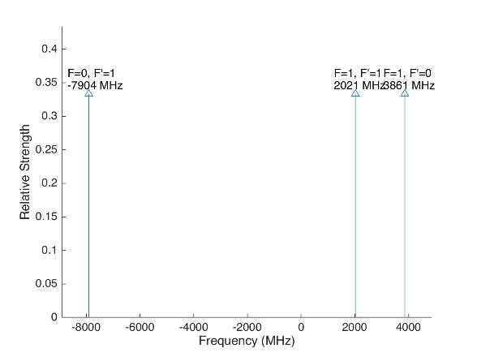
 |  |  |  |  | Laser Shift (from Ba138) | Laser Frequency |  |  |  |  |  | Ba133
 |  |  |  |  | 1833 | 607.427803
Ba133 |  |  | S1/2 |  |  |  | Ba133 |  |  | S1/2
 |  | F | 0 | 1 | Isotope Shift (from Ba138) | Ba133 Fine Carrier | Ba133 |  | F | 0 | 1
 | F | Frequency | 7444.09 | -2481.36 | 373 | -1460 |  | F | Frequency | 7444.09 | -2481.36
P1/2 | 0 | 1380 | na | 3861.36 |  |  | P1/2 | 0 | 1380 | na | 2401.36
 | 1 | -460 | -7904.09 | 2021.36 |  |  |  | 1 | -460 | -9364.09 | 561.36

Ba137 |  |  | S1/2 |  |  |  | Ba137 |  |  | S1/2
 |  | F | 1 | 2 | Isotope Shift (from Ba138) | Ba137 Fine Carrier |  |  | F | 1 | 2
 | F | Frequency | -5023.59 | 3014.15 | 271.1 | -1561.9 |  | F | Frequency | -5023.59 | 3014.15
P1/2 | 1 | -929.625 | 4093.965 | -3943.775 |  |  | P1/2 | 1 | -929.625 | 2532.065 | -5505.675
 | 2 | 557.78 | 5581.37 | -2456.37 |  |  |  | 2 | 557.78 | 4019.47 | -4018.27

This sheet allows you to find what EOM frequencies are needed to drive all of the 493 nm Hyperfine transitions, given a laser shift from the Ba138 transition.
To set the laser carrier to drive a transition, do "= Energy(P1/2) - Energy(S1/2) + IsotopeShift".
Averaged transition strengths are shown to the right to help make the best choice for your application
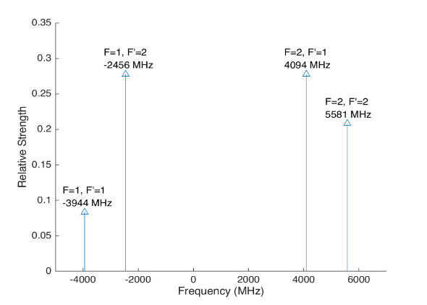
 |  |  |  |  |  |  | Ba138 |  | S1/2 |  |  | Ba137
 |  |  |  |  | Isotope Shift (from Ba138) | Transition Frequency
 |  |  |  |  | 0 | 607.42597 | P1/2 |  | -1833
 |  |  |  |  |  | ^Four-Rod
 |  |  |  |  |  |  | Ba136 |  | S1/2
 |  |  |  |  | Isotope Shift (from Ba138) | Transition Frequency
 |  |  |  |  | 179.4 | 607.4261494 | P1/2 |  | -1653.6

 |  |  |  |  |  |  | Ba134 |  | S1/2
 |  |  |  |  | Isotope Shift (from Ba138) | Transition Frequency
 |  |  |  |  | 222.6 | 607.4261926 | P1/2 |  | -1610.4

 |  |  |  |  |  |  | Ba132 |  | S1/2
 |  |  |  |  | Isotope Shift (from Ba138) | Transition Frequency
 |  |  |  |  | 279.9 | 607.4262499 | P1/2 |  | -1554.1

 |  |  |  |  |  |  | Ba130 |  | S1/2
 |  |  |  |  | Isotope Shift (from Ba138) | Transition Frequency
 |  |  |  |  | 355.3 | 607.4263253 | P1/2 |  | -1477.7

 |  | Powers

650nm
 |  |  | Frequencies

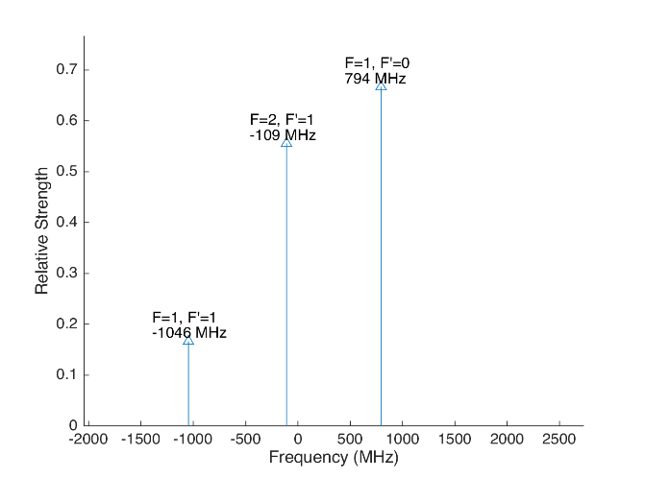
 |  |  |  |  |  |  | Laser Shift (From 138) | Laser Frequency |  |  |  |  |  |  |  | Ba133
 |  |  |  |  |  |  | 106.75 | 461.31214675 |  |  |  | 500
Ba133 |  |  | D3/2 |  |  |  |  |  | Ba133 |  |  | D3/2
 |  | F | 1 | 2 |  |  | Isotope Shift (from Ba138) | Ba133 Fine Carrier | Ba133 |  | F | 1 | 2
 | F | Frequency | 585.625 | -351.375 |  |  | 198 | 91.25 |  | F | Frequency | 585.625 | -351.375
P1/2 | 0 | 1380 | 794.375 | na |  |  |  |  | P1/2 | 0 | 1380 | 885.625 | na
 | 1 | -460 | -1045.625 | -108.625 |  |  |  |  |  | 1 | -460 | -954.375 | -17.375

Ba137 |  |  | D3/2 |  |  |  |  |  | Ba137 |  |  |  |  | D3/2
Ba137 |  | F | 0 | 1 | 2 | 3 | Isotope Shift (from Ba138) | Ba137 Fine Carrier | Ba137 |  | F | 0 | 1 | 2 | 3
 | F | Frequency | -655.81 | -510.62 | -175.7 | 438.03 | -13 | -119.75 |  | F | Frequency | -655.81 | -510.62 | -175.7 | 438.03
P1/2 | 1 | -929.625 | -273.815 | -419.005 | -753.925 | na |  |  | P1/2 | 1 | -929.625 | -393.565 | -538.755 | -873.675 | na
 | 2 | 557.78 | na | 1068.4 | 733.48 | 119.75 |  |  |  | 2 | 557.78 | na | 948.65 | 613.73 | 0
This sheet allows you to find what EOM frequencies are needed to drive all of the 650 nm Hyperfine transitions, given a laser shift from the Ba138 transition.
To set the laser carrier to drive a transition, do "= Energy(P1/2) - Energy(D3/2) + IsotopeShift".
Averaged transition strengths are shown to the right to help make the best choice for your application
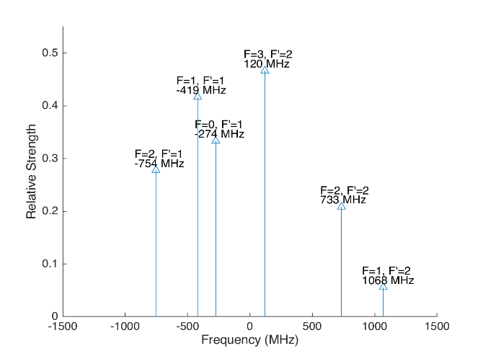
 |  |  |  |  |  |  |  |  | Ba138 |  | D3/2 |  |  |  |  | Ba137
 |  |  |  |  |  |  | Isotope Shift (from Ba138) | Transition Frequency | Ba138
 |  |  |  |  |  |  | 0 | 461.31204 | P1/2 |  | -106.75
 |  |  |  |  |  |  |  | ^Four-Rod
 |  |  |  |  |  |  |  |  | Ba136 |  | D3/2
 |  |  |  |  |  |  | Isotope Shift (from Ba138) | Transition Frequency | Ba136
 |  |  |  |  |  |  | 68 | 461.312108 | P1/2 |  | -38.75

 |  |  |  |  |  |  |  |  | Ba134 |  | D3/2
 |  |  |  |  |  |  | Isotope Shift (from Ba138) | Transition Frequency
 |  |  |  |  |  |  | 174.5 | 461.3122145 | P1/2 |  | 67.75

 |  |  |  |  |  |  |  |  | Ba132 |  | D3/2
 |  |  |  |  |  |  | Isotope Shift (from Ba138) | Transition Frequency
 |  |  |  |  |  |  | 292 | 461.312332 | P1/2 |  | 185.25

 |  |  |  |  |  |  |  |  | Ba130 |  | D3/2
 |  |  |  |  |  |  | Isotope Shift (from Ba138) | Transition Frequency
 |  |  |  |  |  |  | 394 | 461.312434 | P1/2 |  | 287.25

 |  |  | Powers

Isotope-Sw
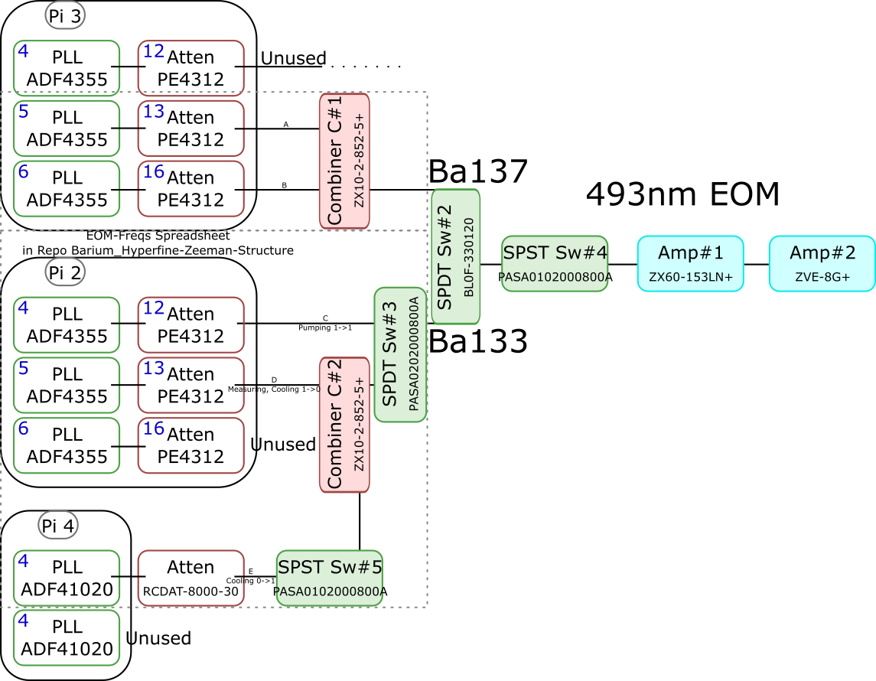
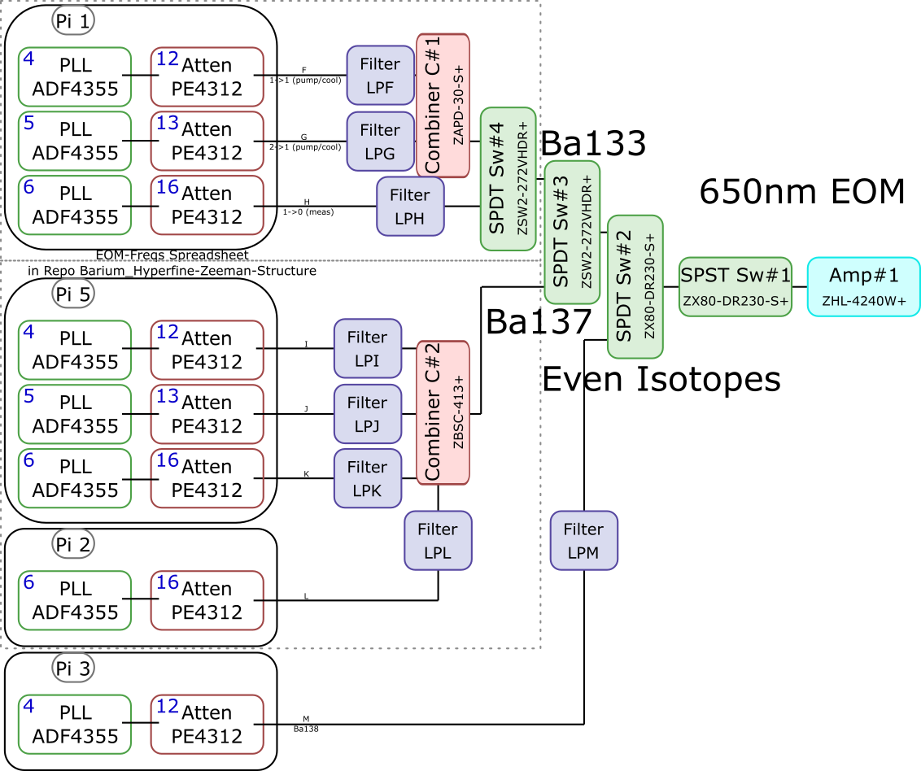
 |  |  |  |  |  |  |  |  |  |  |  | Components | Part # | Frequencies (MHz) | Power (dBm)
 |  |  |  |  |  |  |  |  |  |  |  | PLLs | ADF4355 | 54 - 4400 | -10
 |  |  |  |  |  |  |  |  |  |  |  |  | ADF41020 | 6500 - 8300

 |  |  |  |  |  |  |  |  |  |  |  |  |  | Frequencies (MHz) |  |  | Speed (ns) | Notes
 |  |  |  |  |  |  |  |  |  |  |  | Attenuators | PE4312 | 1 - 5000 |  |  | 500 | 4000 freq. limit, but 5000 works in practice
 |  |  |  |  |  |  |  |  |  |  |  |  | RCDAT-8000-30 | 1 - 8000 |  |  | 800

 |  |  |  |  |  |  |  |  |  |  |  |  |  | Frequencies (MHz)
 |  |  |  |  |  |  |  |  |  |  |  | Combiners | ZX10-2-852-5+ | 500 - 8500
 |  |  |  |  |  |  |  |  |  |  |  |  | ZAPD-30-S+ | 20 - 3000
 |  |  |  |  |  |  |  |  |  |  |  |  | ZBSC-413+ | 10 - 800

 |  |  |  |  |  |  |  |  |  |  |  |  |  | Frequencies (MHz) |  |  | Speed (us)
 |  |  |  |  |  |  |  |  |  |  |  | Switches | B10F-330120 | 0 - 12400 |  |  | 20000
 |  |  |  |  |  |  |  |  |  |  |  |  | PASA0102000800A | 2000 - 8000 |  |  | 0.1
 |  |  |  |  |  |  |  |  |  |  |  |  | PASA0202000800A | 2000 - 8000 |  |  | 0.1
 |  |  |  |  |  |  |  |  |  |  |  |  | ZSW2-272-VHDR+ | 350 - 10000 |  |  | 15
 |  |  |  |  |  |  |  |  |  |  |  |  | ZX80-DR230-S+ | 0 - 3000 |  |  | 2

 |  |  |  |  |  |  |  |  |  |  |  |  |  | Frequencies (MHz) | Power (dBm) | Gain (dB)
 |  |  |  |  |  |  |  |  |  |  |  | Amplifiers | ZX60-153LN+ | 500 - 18000 | 28 | 17
 |  |  |  |  |  |  |  |  |  |  |  |  | ZVE-3W-183+ | 5900 - 18000 | 36 | 35
 |  |  |  |  |  |  |  |  |  |  |  |  | ZVE-8G+ | 2000 - 8000 | 30 | 30
 |  |  |  |  |  |  |  |  |  |  |  |  | ZHL-4240W+ | 10 - 4200 | 38

 |  | Overall path frequency limitations |  |  |  |  |  | Path Frequency Limitations
 | Path | Frequency Range | Isotope | Pickoff (dB) | Description |  | Path | Frequency Range | Isotope | Pickoff (dB) | Description
493 nm | A | 2000 (Sw#4) - 5000 (Att) | Ba137 | 52.65 |  | 650 nm | F | 350 (Sw#4,3) - 3000 (Sw#2,1) | Ba133 |  | (1-1) Pumping/Cooling
 | B | 2000 (Sw#4) - 5000 (Att) | Ba137 | 53.07 |  |  | G | 350 (Sw#4,3) - 3000 (Sw#2,1) | Ba133 |  | (2-1) Pumping/Cooling
 | C | 2000 (Sw#3,4) - 5000 (Att#1) | Ba133 |  | (1-1) Pumping |  | H | 350 (Sw#4,3) - 3000 (Sw#2,1) | Ba133 |  | (1-0) Measuring
 | D | 2000 (Sw#3,4) - 5000 (Att#1) | Ba133 |  | (1-0) Measuring/Cooling |  | I | 350 (Sw#3) - 800 (Comb#2) | Ba137 | 40.9
 | E | 2000 (Sw#5,3,4) - 8000 (Sw#5,3,4) | Ba133 | 64.5 | (0-1) Cooling |  | J | 350 (Sw#3) - 800 (Comb#2) | Ba137 | 37.58
 |  |  |  |  |  |  | K | 350 (Sw#3) - 800 (Comb#2) | Ba137 | 37.8
 |  |  |  |  |  |  | L | 350 (Sw#3) - 800 (Comb#2) | Ba137 |  | Not needed if carrier drives a transition
 |  |  |  |  |  |  | M | 54 (PLL#1) - 3000 (Sw#1) | Evens |  | Not currently being used - carrier drives these

 |  |  |  |  |  |  |  | Current Filters
 |  |  |  |  |  |  | Filter | Part # | Freq (MHz)
 |  |  |  |  |  |  | LPF | SLP550+ | 550+
 |  |  |  |  |  |  | LPG
 |  |  |  |  |  |  | LPH | VLF-630+ | 630+
 |  |  |  |  |  |  | LPI
 |  |  |  |  |  |  | LPJ
 |  |  |  |  |  |  | LPK
 |  |  |  |  |  |  | LPL
 |  |  |  |  |  |  | LPM

Neutral
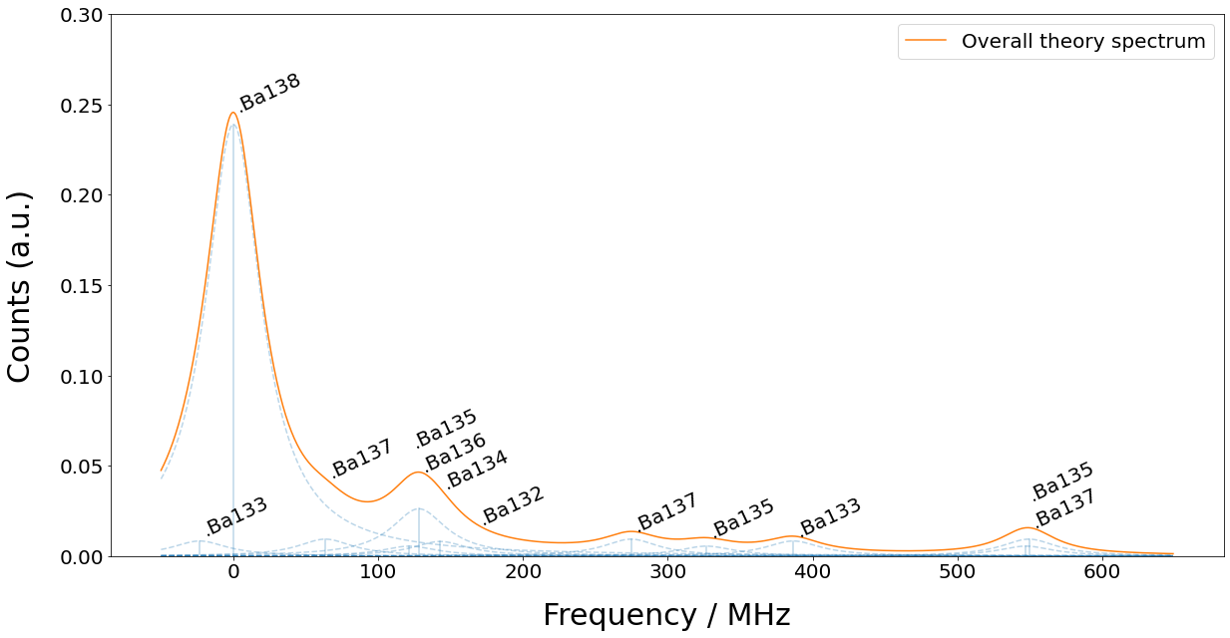
Isotope | 133g(1/2) | 138 | 131(1/2) | 137(5/2) | 135(5/2) | 136 | 134 | 132 | 133m(1/2) | 130 | 137(COM) | 131(COM) | 135(COM) | 128 | 137(3/2) | 135(3/2) | 131(3/2) | 133g(3/2) | 135(1/2) | 137(1/2)
Freq (MHz) | -23.3 | 0 | 0 | 63.43 | 121.6 | 128.02 | 142.8 | 167.9 | 172.9 | 207.3 | 214.7 | 249.2 | 258.7 | 271.1 | 274.56 | 326.7 | 373.8 | 386.65 | 547.3 | 549.47

