Main
Date

Alignment

Beam line | Left needle, horizontal | Left needle, vertical | Right needle, horizontal | Right needle, vertical | Focus | Average, horizontal | Average, vertical | Original
Combined (493/553/650) | 1.608 | 1.913 | 1.653 | 1.913 | 8.43 | 1.7235 | 2.014 | 1.644 | 1.916
REMPI 2 (405) | 2.233 | 2.159 | 2.177 | 2.155 | 12.625 | 1.74 | 2.061
Optical pumping | - | - | - | - | - | - | -
Ionization 1st (553 perp to rad. target) | - | - | - | - | 12.42 | 2.378 | 2.086
Imaging | - | - | - | - | 1.76 | 17.64 | 5.535
Note: All measurements defined from micrometer readings from stages and mirror mounts. 'Vertical' for beams is perpendicular to optics table. '
Vertical' for imaging is in the plane of focus, perpendicular to trap axis. 'Horizontal' is the trap axis.
 |  |  |  |  |  | x | y

Trap parameters

DC 1, top left (V) | DC 4, top right (V) | Needle, left (V) |  | RF drive amplitude (Vpp) | 2.5 | Range: 2.1 - 3.5 V - if change outside this, voltage refreshes
0.265 | 0.05 | 10.1 |  | RF frequency (MHz) | 20.7856
DC 2, bottom left (V) | DC 3, bottom right (V) | Needle, right (V) |  | RF reflected (dBm) | -21.4
0.445 | 0.16 | 9

Magnetic field

Ring 1 (A) | Ring 3 (A) | Ring 5 (A)
0 | 0 | 0
Ring 2 (A) | Ring 4 (A) | Ring 6 (A)
0 | 0 | 4

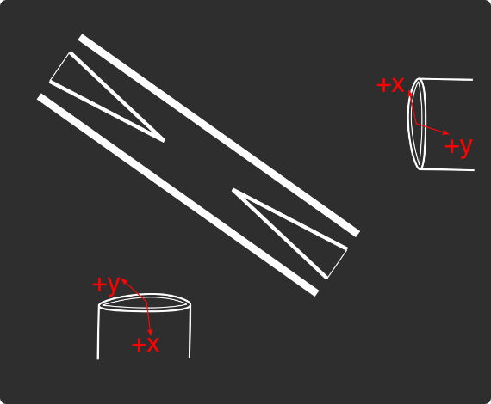
Loading
 |  |  |  | View from below
Oven current (A) |  |  |  | Radioactive |  | x | y
Target temperature (oC) |  |  |  |  |  | SN 27255859 | SN 27255860
 |  |  |  |  |  | Horiz. on Mirror mount | Vert. on Mirror mount
 |  |  |  |  |  | Natural | Radioactive
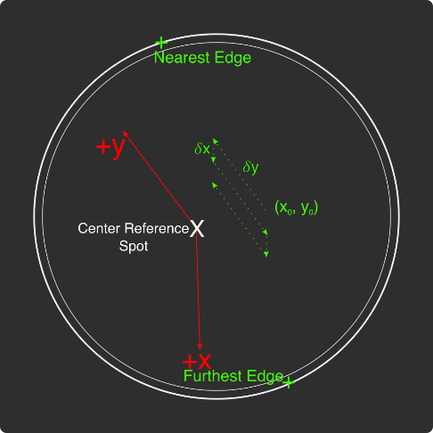
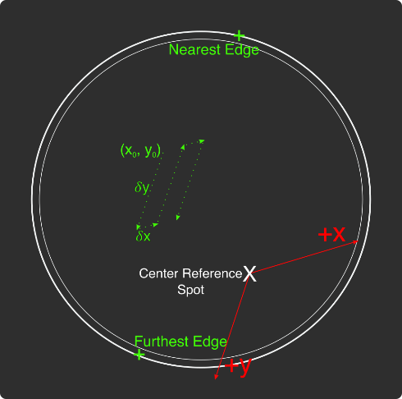
Ablation Split-Paths Power | Natural | Ba133 | Sampler
FitA (uJ) | 1120.6401 | 1219.6182 | 1158.1265
FitX0 (Deg) | 100.3444 | 101.3211 | 100.4206
FitY0 (uJ) | 1.2331 | 0.5797 | 2.072
Amplitude Ratio (from Sampler) | 0.96829950491 | 1.0544818605
Data collected 8-20-2020, graphs on Minilite ions-wiki page
Natural Abundance Target |  |  |  | Natural Abundance |  |  |  |  |  |  | x | y |  | X | Y | Z
Ablation laser | Repetition rate (Hz) | Pressure spikes (mBar) | Rotation angle (55[min] - 100) | Sampler pulse energy (uJ) | Actual pulse energy (uJ) |  |  |  |  | Closest to Focus pos. |  |  | Ablation Beam Vector
Minilite I | 2 | 2.00E-10 | 55 | 120 | 72.10753343 |  |  |  |  | Furthest from Focus pos. |  |  | Target Normal Vector
 | Note, to recenter to the same position, be sure to use the same pulse energy each time
Ablation Laser Sweep | Edge Position 1 (x) | Edge Position 2( x) | Edge Position 3 (y) | Edge Position 4 (y) | Center Position (x) | Center Position (y) | Servo/Actual Ratio (x) | Servo/Actual Ratio(y) |  | Angle b/w Target+Laser |  |  | Beam Waist
Natural Abund. Target | 7.1257 | 7.2893 | 5.9291 | 6.1682 | 7.2075 | 6.04865 | 25.464547677 | 17.423672104 |  | Laser Z along Target |  |  | Rayleigh Range
 |  |  |  |  |  |  |  |  |  | Rayleigh Z |  |  | Fluence
Period (s) | x0 (mm) | y0 (mm) | 𝛿x (mm) | 𝛿y (mm) | Steps (x) | Steps (y) | Total Actual Distance (x) (mm) | Total Actual Distance (y) (mm)
60 | 7.24 | 6.1 | 0.0025 | 0.01 | 6 | 1 | 0.38196821516 | 0.17423672104
 |  |  |  | xf (mm) | yf (mm)
 |  |  |  | 7.255 | 6.11
Ablation Laser Spot | x (mm) | y (mm)
Minilite I | 7.29 | 6.12

Radioactive Target
Ablation laser | Repetition rate (Hz) | Pressure spikes (mBar) | Rotation angle (55[min] - 100) | Sampler pulse energy (uJ) | Actual pulse energy (uJ)
Minilite I | 2 | 2.00E-10 | 100 | 60 | 62.982401191
 | Note, to recenter to the same position, be sure to use the same pulse energy each time |  |  |  |  |  |  |  |  | Edge to Edge parameters - 08/25/2020
Ablation Laser Sweep | Edge Position 1 (x) | Edge Position 2( x) | Edge Position 3 (y) | Edge Position 4 (y) | Center Position (x) | Center Position (y) | Servo-Actual-Ratio (x) | Servo-Actual Ratio(y) |  | Y pos | Xedge | Xedge
Radioactive Target | 7.06227 | 7.43187 | 5.8754 | 6.26612 | 7.24707 | 6.07076 | 11.271645022 | 10.662366912 |  | 6.00564 | 7.348 | 6.9938 | 7.1709

Period (s) | x0 (mm) | y0 (mm) | 𝛿x (mm) | 𝛿y (mm) | Steps (x) | Steps (y) | Total Actual Distance (x) (mm) | Total Actual Distance (y) (mm)
60 | 7.24 | 6.00564 | 0.005 | 0.02 | 6 | 1 |  | 0.21324733825 | #VALUE!
 |  |  |  | xf (mm) | yf (mm)
 |  |  |  | 7.27 | 6.02564
Ablation Laser Spot | x (mm) | y (mm)
Minilite I

Laser parameters

Laser Powers | Cooling (493 nm) | Cooling Repump (650 nm) | REMPI 1 (553.5 nm) | REMPI 1 (553.5 nm) Secondary | REMPI 2 (405 nm) | Combined Beam Total (493)
Measured Power (Sampled) (uW)
Actual Power/Sampler Power Ratio
Power (uW) | 22 | 115 | 130 | 0 | 880 | 360

Wavemeter Calibration | HeNe Laser Freq. (THz) | HeNe Laser Measured Freq. (THz) | Change in Freq. (MHz)
 | 473.612249 | 473.612248 | 1

Ba138
Beam | Power (uW) | Freq. used to Trap on WM (THz) | Actual Peak Freq. on WM (THZ) | Actual Freq. Used (THz)
Cooling (493 nm) | 22 | 607.42601 | 607.426045 | 607.42621
Measurement (493 nm) |  | - | - | -
Cooling repump (650 nm) | 160 | 461.31208 | 461.3121 | 461.31228
Clearout (614 nm) |  | - | - | -
REMPI 1 (553.5 nm) | 10 | 541.433035 | 541.433035 | 541.433035 |  | 461.312185
REMPI 1 (553.5 nm) (Radioactive) |  | 541.433035 | 541.433035
REMPI 2 (405 nm) | 900 | - | - | -
 |  |  |  | Ion Peak Brightness (Counts/s)
If Ion parameters are changed during the day, paste the other parameters to the right |  |  |  | 17500

Ba137
Beam | Power (uW) | Frequency Offset (from Ba138) (GHz) | Expect. Peak Freq. on WM (THz) | Freq. used to Trap on WM (THz) | Acutal Peak Freq. on WM (THz) | AOM Freq. (MHZ) | Actual Carrier Freq. (THz)
Cooling (493 nm) | 17 | 1.833 | 607.427878 | 607.427863 | 607.42789 | 200 | 607.428078
Measurement (493 nm) |  |  | - | - | - | - | -
Cooling repump (650 nm) | 160 | 0.10675 | 461.31220675 | 461.312192 | 461.312205 | -200 | 461.31200675
Clearout (614 nm) |  |  | - | - | - | - | -
REMPI 1 (553.5 nm) | 10 | 0.274 | 541.433309 | 541.433321 | 541.43321 | - | -
REMPI 2 (405 nm) |  |  | - |  |  | - | -

Beam | Method | EOM Tones (GHz) | Isotope-Switching Path | Sideband Freq. Blue (THz) | Sideband Freq. Red (THz) | Rf Atten. (dB) | RF Power Pickoff (dBm) | RF Power (dBm)
 | ThroughF2 | 4.019 | B | 607.431909 | 607.423871 | 8 | -38.8 | 14.27
Cooling (493 nm)
 |  | - |  | - | -
 |  | - |  | - | -
Measurement (493 nm) |  | - |  | - | -
 |  | - |  | - | -
 | A | 0.404 | I | 461.312609 | 461.311801 | 16 | -35.7 | 5.2
Cooling repump (650 nm) |  | 0.538 | J | 461.312743 | 461.311667 | 12.5 | -31.7 | 6.1
 |  | 0.604 | K | 461.312809 | 461.311601 | 13.5 | -24 | 13.58
 |  | - |  | - | -
 |  | - |  | - | -
Clearout (614 nm) |  | - |  | - | -
 |  | - |  | - | -
 |  |  |  | Ion Peak Brightness (Counts/s)
If Ion parameters are changed during the day, paste the other parameters to the right |  |  |  | 6000

Ba133
Beam | Power (uW) | Frequency Offset (from Ba138) (GHz) | Expected Freq. on WM (THz) | Freq. used to Trap on WM (THz) | Acutal Peak Freq. on WM (THz) | AOM Freq. (MHZ) | Actual Carrier Freq. (THz)
Cooling (493 nm) |  | 0 | 607.42601 |  | 607.42597 | 200 | 607.42617
Measurement (493 nm) |  |  | - |  | - | - | -
Cooling repump (650 nm) |  | 0.5 | 461.31258 |  | 461.31204 | 200 | 461.31224
Clearout (614 nm) |  |  | - |  | - | - | -
REMPI 1 (553.5 nm) |  | 0.3865 | 541.4334215 |  | - | - | -
REMPI 2 (405 nm) |  |  | - |  | - | - | -

Beam | Method | EOM Tones (GHz) | Isotope Switching Path | Sideband Freq. Blue (THz) | Sideband Freq. Red (THz) | RF Atten. (dB) | RF Power (dBm)
 |  | 4.23425 | D | 607.43020425 | 607.42173575 | 14 | 12.8
Cooling (493 nm) |  | 7.53 | E | 607.4335 | 607.41844 | 13 | 13.3
 |  | - |  | - | -
Pumping (493 nm) |  | 2.3945 | C | 607.4283645 | 607.4235755 | 24 | 13.2
 |  | - |  | - | -
Measurement (493 nm) |  | 4.23436 | D | 607.43020436 | 607.42173564 | 14 | 12.8
 |  | - |  | - | -
 | C | 0.4106 | F | 461.3124506 | 461.3116294 | 13 | 13
Cooling repump (650 nm) |  | 1.3475 | G | 461.3133875 | 461.3106925 | 14 | 13.3
 |  | - |  | - | -
Measuring repump (650 nm) | D | 0.49225 | H | 461.31253225 | 461.31154775 | 18.5 | 13.3
 |  | - |  | - | -
 |  | - |  | - | -
Clearout (614 nm) |  | - |  | - | -
 |  | - |  | - | -
 |  |  |  | Ion Peak Brightness (Counts/s)
If Ion parameters are changed during the day, paste the other parameters to the right

Session notes

650 nm power very low ~115 uW...
95 uJ pulse energy, 45 uW 553 power. No neutral fluorescence visible on PMT dedicated counters.
Pulsed 10 times, x2 Ba138.
Trap center moving axially - 4 pixels left from yesterday's center...
Pulsed 15 times, x2 Ba138.
Compensated micromotion - moved rf0 half a pixel down, changing voltages by 5 mV
x8 more pulses, x1 more Ba138 trapped. x2 more pulse, x3 more Ba138, for a total of x7 Ba138
Tried trapping Ba137 - none trapped after 50 attempts.
Calibration of 553
Low pulse energy, neutral fluorescencce very low can't see in PMT...
Redid with high pulse energy, low 553 power. Counts ~50-100, improving towards 100-150+ later on
When checking the data file, timing coincided with script trying to save data and the program stopped midway... Know the frequency reasonably well though, near what we thought.
Ba137 trapping again - this time high pulse energy 117 uJ, 10 uW power - nothing after 50 attempts.

 |  |  |  |  |  |  |  | 531

493nm
 |  | Frequencies

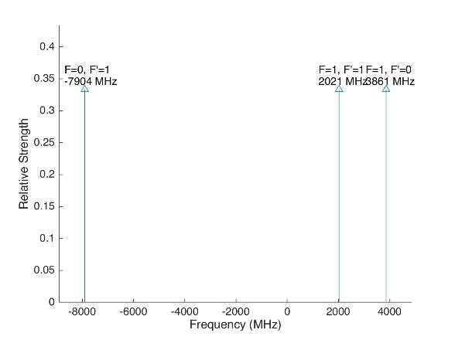
 |  |  |  |  | Laser Shift (from Ba138) | Laser Frequency |  |  |  |  |  | Ba133
 |  |  |  |  | 1833 | 607.427803
Ba133 |  |  | S1/2 |  |  |  | Ba133 |  |  | S1/2
 |  | F | 0 | 1 | Isotope Shift (from Ba138) | Ba133 Fine Carrier | Ba133 |  | F | 0 | 1
 | F | Frequency | 7444.09 | -2481.36 | 373 | -1460 |  | F | Frequency | 7444.09 | -2481.36
P1/2 | 0 | 1380 | na | 3861.36 |  |  | P1/2 | 0 | 1380 | na | 2401.36
 | 1 | -460 | -7904.09 | 2021.36 |  |  |  | 1 | -460 | -9364.09 | 561.36

Ba137 |  |  | S1/2 |  |  |  | Ba137 |  |  | S1/2
 |  | F | 1 | 2 | Isotope Shift (from Ba138) | Ba137 Fine Carrier |  |  | F | 1 | 2
 | F | Frequency | -5023.59 | 3014.15 | 271.1 | -1561.9 |  | F | Frequency | -5023.59 | 3014.15
P1/2 | 1 | -929.625 | 4093.965 | -3943.775 |  |  | P1/2 | 1 | -929.625 | 2532.065 | -5505.675
 | 2 | 557.78 | 5581.37 | -2456.37 |  |  |  | 2 | 557.78 | 4019.47 | -4018.27

This sheet allows you to find what EOM frequencies are needed to drive all of the 493 nm Hyperfine transitions, given a laser shift from the Ba138 transition.
To set the laser carrier to drive a transition, do "= Energy(P1/2) - Energy(S1/2) + IsotopeShift".
Averaged transition strengths are shown to the right to help make the best choice for your application
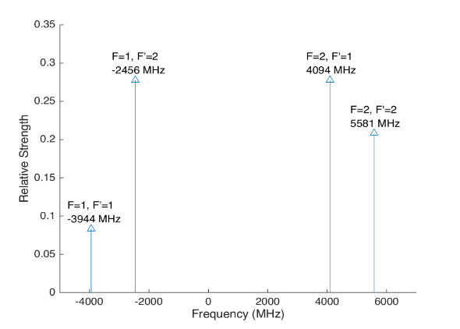
 |  |  |  |  |  |  | Ba138 |  | S1/2 |  |  | Ba137
 |  |  |  |  | Isotope Shift (from Ba138) | Transition Frequency
 |  |  |  |  | 0 | 607.42597 | P1/2 |  | -1833
 |  |  |  |  |  | ^Four-Rod
 |  |  |  |  |  |  | Ba136 |  | S1/2
 |  |  |  |  | Isotope Shift (from Ba138) | Transition Frequency
 |  |  |  |  | 179.4 | 607.4261494 | P1/2 |  | -1653.6

 |  |  |  |  |  |  | Ba134 |  | S1/2
 |  |  |  |  | Isotope Shift (from Ba138) | Transition Frequency
 |  |  |  |  | 222.6 | 607.4261926 | P1/2 |  | -1610.4

 |  |  |  |  |  |  | Ba132 |  | S1/2
 |  |  |  |  | Isotope Shift (from Ba138) | Transition Frequency
 |  |  |  |  | 279.9 | 607.4262499 | P1/2 |  | -1554.1

 |  |  |  |  |  |  | Ba130 |  | S1/2
 |  |  |  |  | Isotope Shift (from Ba138) | Transition Frequency
 |  |  |  |  | 355.3 | 607.4263253 | P1/2 |  | -1477.7

 |  | Powers

650nm
 |  |  | Frequencies

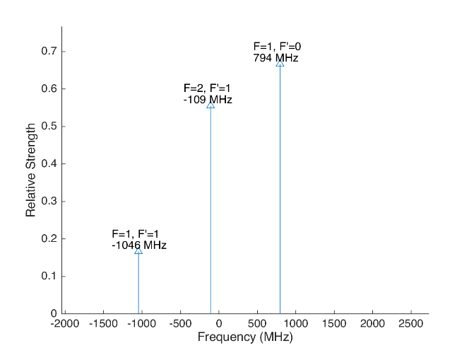
 |  |  |  |  |  |  | Laser Shift (From 138) | Laser Frequency |  |  |  |  |  |  |  | Ba133
 |  |  |  |  |  |  | 106.75 | 461.31214675 |  |  |  | 500
Ba133 |  |  | D3/2 |  |  |  |  |  | Ba133 |  |  | D3/2
 |  | F | 1 | 2 |  |  | Isotope Shift (from Ba138) | Ba133 Fine Carrier | Ba133 |  | F | 1 | 2
 | F | Frequency | 585.625 | -351.375 |  |  | 198 | 91.25 |  | F | Frequency | 585.625 | -351.375
P1/2 | 0 | 1380 | 794.375 | na |  |  |  |  | P1/2 | 0 | 1380 | 885.625 | na
 | 1 | -460 | -1045.625 | -108.625 |  |  |  |  |  | 1 | -460 | -954.375 | -17.375

Ba137 |  |  | D3/2 |  |  |  |  |  | Ba137 |  |  |  |  | D3/2
Ba137 |  | F | 0 | 1 | 2 | 3 | Isotope Shift (from Ba138) | Ba137 Fine Carrier | Ba137 |  | F | 0 | 1 | 2 | 3
 | F | Frequency | -655.81 | -510.62 | -175.7 | 438.03 | -13 | -119.75 |  | F | Frequency | -655.81 | -510.62 | -175.7 | 438.03
P1/2 | 1 | -929.625 | -273.815 | -419.005 | -753.925 | na |  |  | P1/2 | 1 | -929.625 | -393.565 | -538.755 | -873.675 | na
 | 2 | 557.78 | na | 1068.4 | 733.48 | 119.75 |  |  |  | 2 | 557.78 | na | 948.65 | 613.73 | 0
This sheet allows you to find what EOM frequencies are needed to drive all of the 650 nm Hyperfine transitions, given a laser shift from the Ba138 transition.
To set the laser carrier to drive a transition, do "= Energy(P1/2) - Energy(D3/2) + IsotopeShift".
Averaged transition strengths are shown to the right to help make the best choice for your application
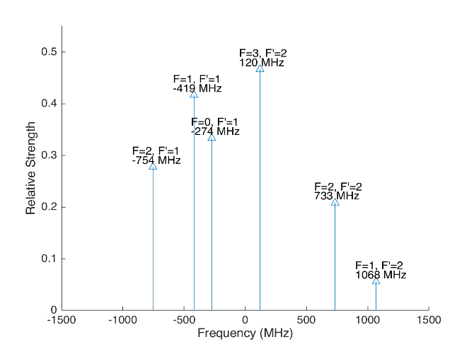
 |  |  |  |  |  |  |  |  | Ba138 |  | D3/2 |  |  |  |  | Ba137
 |  |  |  |  |  |  | Isotope Shift (from Ba138) | Transition Frequency | Ba138
 |  |  |  |  |  |  | 0 | 461.31204 | P1/2 |  | -106.75
 |  |  |  |  |  |  |  | ^Four-Rod
 |  |  |  |  |  |  |  |  | Ba136 |  | D3/2
 |  |  |  |  |  |  | Isotope Shift (from Ba138) | Transition Frequency | Ba136
 |  |  |  |  |  |  | 68 | 461.312108 | P1/2 |  | -38.75

 |  |  |  |  |  |  |  |  | Ba134 |  | D3/2
 |  |  |  |  |  |  | Isotope Shift (from Ba138) | Transition Frequency
 |  |  |  |  |  |  | 174.5 | 461.3122145 | P1/2 |  | 67.75

 |  |  |  |  |  |  |  |  | Ba132 |  | D3/2
 |  |  |  |  |  |  | Isotope Shift (from Ba138) | Transition Frequency
 |  |  |  |  |  |  | 292 | 461.312332 | P1/2 |  | 185.25

 |  |  |  |  |  |  |  |  | Ba130 |  | D3/2
 |  |  |  |  |  |  | Isotope Shift (from Ba138) | Transition Frequency
 |  |  |  |  |  |  | 394 | 461.312434 | P1/2 |  | 287.25

 |  |  | Powers

Isotope-Sw
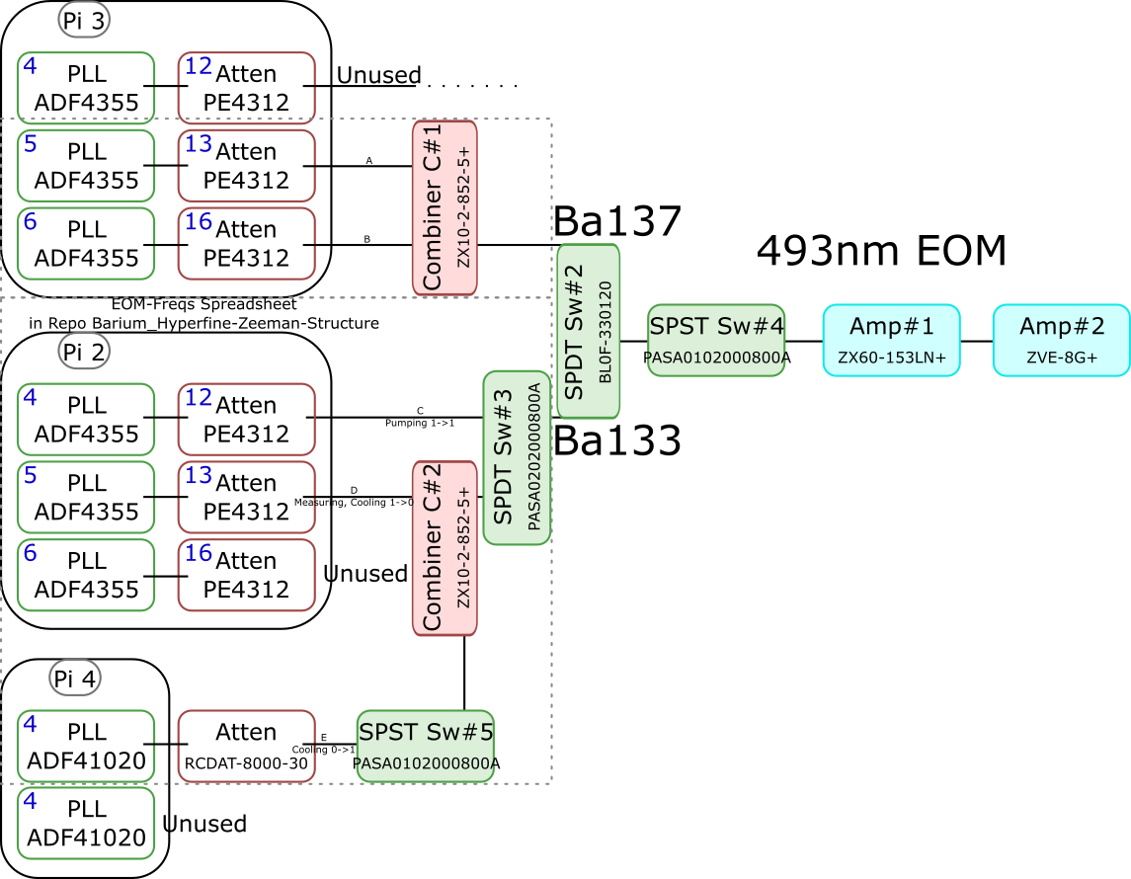
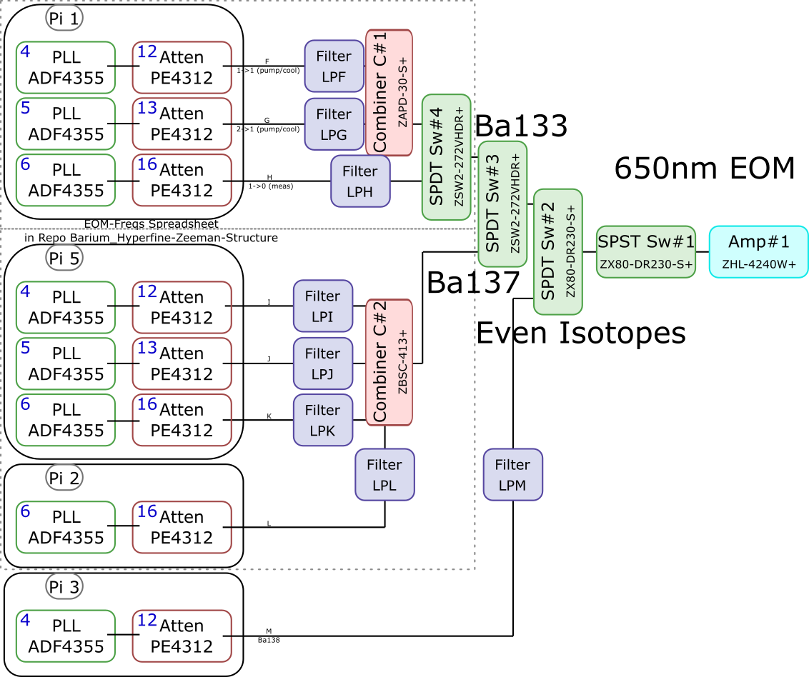
 |  |  |  |  |  |  |  |  |  |  |  | Components | Part # | Frequencies (MHz) | Power (dBm)
 |  |  |  |  |  |  |  |  |  |  |  | PLLs | ADF4355 | 54 - 4400 | -10
 |  |  |  |  |  |  |  |  |  |  |  |  | ADF41020 | 6500 - 8300

 |  |  |  |  |  |  |  |  |  |  |  |  |  | Frequencies (MHz) |  |  | Speed (ns) | Notes
 |  |  |  |  |  |  |  |  |  |  |  | Attenuators | PE4312 | 1 - 5000 |  |  | 500 | 4000 freq. limit, but 5000 works in practice
 |  |  |  |  |  |  |  |  |  |  |  |  | RCDAT-8000-30 | 1 - 8000 |  |  | 800

 |  |  |  |  |  |  |  |  |  |  |  |  |  | Frequencies (MHz)
 |  |  |  |  |  |  |  |  |  |  |  | Combiners | ZX10-2-852-5+ | 500 - 8500
 |  |  |  |  |  |  |  |  |  |  |  |  | ZAPD-30-S+ | 20 - 3000
 |  |  |  |  |  |  |  |  |  |  |  |  | ZBSC-413+ | 10 - 800

 |  |  |  |  |  |  |  |  |  |  |  |  |  | Frequencies (MHz) |  |  | Speed (us)
 |  |  |  |  |  |  |  |  |  |  |  | Switches | B10F-330120 | 0 - 12400 |  |  | 20000
 |  |  |  |  |  |  |  |  |  |  |  |  | PASA0102000800A | 2000 - 8000 |  |  | 0.1
 |  |  |  |  |  |  |  |  |  |  |  |  | PASA0202000800A | 2000 - 8000 |  |  | 0.1
 |  |  |  |  |  |  |  |  |  |  |  |  | ZSW2-272-VHDR+ | 350 - 10000 |  |  | 15
 |  |  |  |  |  |  |  |  |  |  |  |  | ZX80-DR230-S+ | 0 - 3000 |  |  | 2

 |  |  |  |  |  |  |  |  |  |  |  |  |  | Frequencies (MHz) | Power (dBm) | Gain (dB)
 |  |  |  |  |  |  |  |  |  |  |  | Amplifiers | ZX60-153LN+ | 500 - 18000 | 28 | 17
 |  |  |  |  |  |  |  |  |  |  |  |  | ZVE-3W-183+ | 5900 - 18000 | 36 | 35
 |  |  |  |  |  |  |  |  |  |  |  |  | ZVE-8G+ | 2000 - 8000 | 30 | 30
 |  |  |  |  |  |  |  |  |  |  |  |  | ZHL-4240W+ | 10 - 4200 | 38

 |  | Overall path frequency limitations |  |  |  |  |  | Path Frequency Limitations
 | Path | Frequency Range | Isotope | Pickoff (dB) | Description |  | Path | Frequency Range | Isotope | Pickoff (dB) | Description
493 nm | A | 2000 (Sw#4) - 5000 (Att) | Ba137 | 52.65 |  | 650 nm | F | 350 (Sw#4,3) - 3000 (Sw#2,1) | Ba133 |  | (1-1) Pumping/Cooling
 | B | 2000 (Sw#4) - 5000 (Att) | Ba137 | 53.07 |  |  | G | 350 (Sw#4,3) - 3000 (Sw#2,1) | Ba133 |  | (2-1) Pumping/Cooling
 | C | 2000 (Sw#3,4) - 5000 (Att#1) | Ba133 |  | (1-1) Pumping |  | H | 350 (Sw#4,3) - 3000 (Sw#2,1) | Ba133 |  | (1-0) Measuring
 | D | 2000 (Sw#3,4) - 5000 (Att#1) | Ba133 |  | (1-0) Measuring/Cooling |  | I | 350 (Sw#3) - 800 (Comb#2) | Ba137 | 40.9
 | E | 2000 (Sw#5,3,4) - 8000 (Sw#5,3,4) | Ba133 | 64.5 | (0-1) Cooling |  | J | 350 (Sw#3) - 800 (Comb#2) | Ba137 | 37.58
 |  |  |  |  |  |  | K | 350 (Sw#3) - 800 (Comb#2) | Ba137 | 37.8
 |  |  |  |  |  |  | L | 350 (Sw#3) - 800 (Comb#2) | Ba137 |  | Not needed if carrier drives a transition
 |  |  |  |  |  |  | M | 54 (PLL#1) - 3000 (Sw#1) | Evens |  | Not currently being used - carrier drives these

 |  |  |  |  |  |  |  | Current Filters
 |  |  |  |  |  |  | Filter | Part # | Freq (MHz)
 |  |  |  |  |  |  | LPF | SLP550+ | 550+
 |  |  |  |  |  |  | LPG
 |  |  |  |  |  |  | LPH | VLF-630+ | 630+
 |  |  |  |  |  |  | LPI
 |  |  |  |  |  |  | LPJ
 |  |  |  |  |  |  | LPK
 |  |  |  |  |  |  | LPL
 |  |  |  |  |  |  | LPM

Neutral
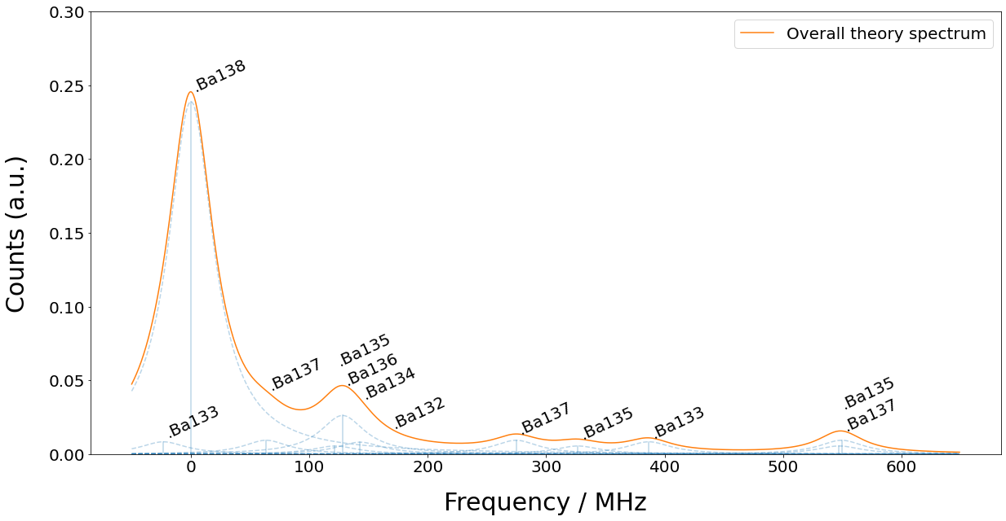
Isotope | 133g(1/2) | 138 | 131(1/2) | 137(5/2) | 135(5/2) | 136 | 134 | 132 | 133m(1/2) | 130 | 137(COM) | 131(COM) | 135(COM) | 128 | 137(3/2) | 135(3/2) | 131(3/2) | 133g(3/2) | 135(1/2) | 137(1/2)
Freq (MHz) | -23.3 | 0 | 0 | 63.43 | 121.6 | 128.02 | 142.8 | 167.9 | 172.9 | 207.3 | 214.7 | 249.2 | 258.7 | 271.1 | 274.56 | 326.7 | 373.8 | 386.65 | 547.3 | 549.47

