Main
Date | 08/04/2021

Alignment

Beam line | Left needle, horizontal | Left needle, vertical | Right needle, horizontal | Right needle, vertical | Focus | Average, horizontal | Average, vertical | Original
Combined (493/553/650) | 1.278 | 1.892 | 1.333 | 1.894 | 8.43 | 1.3055 | 1.893 | 1.644 | 1.916
REMPI 2 (405) | 2.233 | 2.159 | 2.177 | 2.155 | 12.625 | 1.74 | 2.061
Optical pumping | - | - | - | - | - | - | -
Ionization 1st (553 perp to rad. target) | - | - | - | - | 12.42 | 2.378 | 2.086
Imaging | - | - | - | - | 1.76 | 17.64 | 5.535
Note: All measurements defined from micrometer readings from stages and mirror mounts. 'Vertical' for beams is perpendicular to optics table. '
Vertical' for imaging is in the plane of focus, perpendicular to trap axis. 'Horizontal' is the trap axis.
 |  |  |  |  |  | x | y

Trap parameters

DC 1, top left (V) | DC 4, top right (V) | Needle, left (V) |  | RF drive amplitude (Vpp) | 2.5 | Range: 2.1 - 3.5 V - if change outside this, voltage refreshes
0.605 | 0.05 | 8.6 |  | RF frequency (MHz) | 20.776
DC 2, bottom left (V) | DC 3, bottom right (V) | Needle, right (V) |  | RF reflected (dBm) | -21.4
0.565 | 0.38 | 9

Magnetic field

Ring 1 (A) | Ring 3 (A) | Ring 5 (A)
0 | 0 | 0
Ring 2 (A) | Ring 4 (A) | Ring 6 (A)
0 | 0 | 4

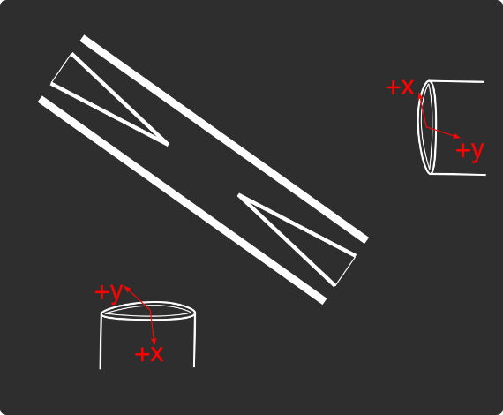
Loading
 |  |  |  | View from below
Oven current (A) |  |  |  | Radioactive |  | x | y
Target temperature (oC) |  |  |  |  |  | SN 27255859 | SN 27255860
 |  |  |  |  |  | Horiz. on Mirror mount | Vert. on Mirror mount
 |  |  |  |  |  | Natural | Radioactive
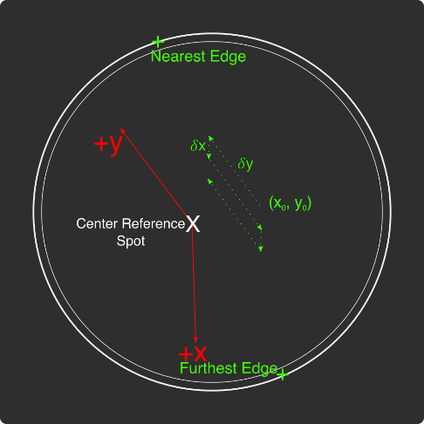
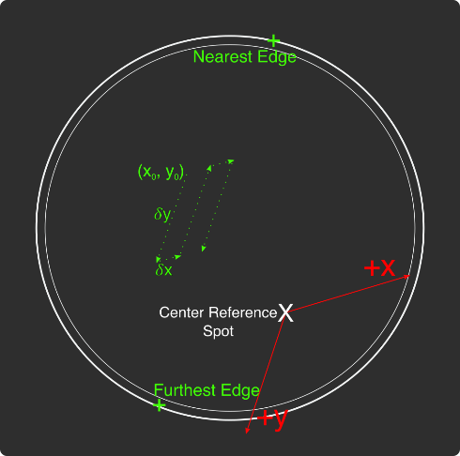
Ablation Split-Paths Power | Natural | Ba133 | Sampler
FitA (uJ) | 1120.6401 | 1219.6182 | 1158.1265
FitX0 (Deg) | 100.3444 | 101.3211 | 100.4206
FitY0 (uJ) | 1.2331 | 0.5797 | 2.072
Amplitude Ratio (from Sampler) | 0.96829950491 | 1.0544818605
Data collected 8-20-2020, graphs on Minilite ions-wiki page
Natural Abundance Target |  |  |  | Natural Abundance |  |  |  |  |  |  | x | y |  | X | Y | Z
Ablation laser | Repetition rate (Hz) | Pressure spikes (mBar) | Rotation angle (55[min] - 100) | Sampler pulse energy (uJ) | Actual pulse energy (uJ) |  |  |  |  | Closest to Focus pos. |  |  | Ablation Beam Vector
Minilite I | 2 | 2.00E-10 | 55 | 120 | 72.10753343 |  |  |  |  | Furthest from Focus pos. |  |  | Target Normal Vector
 | Note, to recenter to the same position, be sure to use the same pulse energy each time
Ablation Laser Sweep | Edge Position 1 (x) | Edge Position 2( x) | Edge Position 3 (y) | Edge Position 4 (y) | Center Position (x) | Center Position (y) | Servo/Actual Ratio (x) | Servo/Actual Ratio(y) |  | Angle b/w Target+Laser |  |  | Beam Waist
Natural Abund. Target | 7.1257 | 7.2893 | 5.9291 | 6.1682 | 7.2075 | 6.04865 | 25.464547677 | 17.423672104 |  | Laser Z along Target |  |  | Rayleigh Range
 |  |  |  |  |  |  |  |  |  | Rayleigh Z |  |  | Fluence
Period (s) | x0 (mm) | y0 (mm) | 𝛿x (mm) | 𝛿y (mm) | Steps (x) | Steps (y) | Total Actual Distance (x) (mm) | Total Actual Distance (y) (mm)
60 | 7.24 | 6.1 | 0.0025 | 0.01 | 6 | 1 | 0.38196821516 | 0.17423672104
 |  |  |  | xf (mm) | yf (mm)
 |  |  |  | 7.255 | 6.11
Ablation Laser Spot | x (mm) | y (mm)
Minilite I | 7.29 | 6.12

Radioactive Target
Ablation laser | Repetition rate (Hz) | Pressure spikes (mBar) | Rotation angle (55[min] - 100) | Sampler pulse energy (uJ) | Actual pulse energy (uJ)
Minilite I | 2 | 2.00E-10 | 100 | 60 | 62.982401191
 | Note, to recenter to the same position, be sure to use the same pulse energy each time |  |  |  |  |  |  |  |  | Edge to Edge parameters - 08/25/2020
Ablation Laser Sweep | Edge Position 1 (x) | Edge Position 2( x) | Edge Position 3 (y) | Edge Position 4 (y) | Center Position (x) | Center Position (y) | Servo-Actual-Ratio (x) | Servo-Actual Ratio(y) |  | Y pos | Xedge | Xedge
Radioactive Target | 7.06227 | 7.43187 | 5.8754 | 6.26612 | 7.24707 | 6.07076 | 11.271645022 | 10.662366912 |  | 6.00564 | 7.348 | 6.9938 | 7.1709

Period (s) | x0 (mm) | y0 (mm) | 𝛿x (mm) | 𝛿y (mm) | Steps (x) | Steps (y) | Total Actual Distance (x) (mm) | Total Actual Distance (y) (mm)
60 | 7.24 | 6.00564 | 0.005 | 0.02 | 6 | 1 |  | 0.21324733825 | #VALUE!
 |  |  |  | xf (mm) | yf (mm)
 |  |  |  | 7.27 | 6.02564
Ablation Laser Spot | x (mm) | y (mm)
Minilite I | 7.19 | 6.1

Laser parameters

Laser Powers | Cooling (493 nm) | Cooling Repump (650 nm) | REMPI 1 (553.5 nm) | REMPI 1 (553.5 nm) Secondary | REMPI 2 (405 nm) | Combined Beam Total (493)
Measured Power (Sampled) (uW)
Actual Power/Sampler Power Ratio
Power (uW) | N/A | N/A | 147 | 0 | N/A | N/A

Wavemeter Calibration | HeNe Laser Freq. (THz) | HeNe Laser Measured Freq. (THz) | Change in Freq. (MHz)
 | 473.612249 | 473.612228

Ba138
Beam | Power (uW) | Freq. used to Trap on WM (THz) | Actual Peak Freq. on WM (THZ) | Actual Freq. Used (THz)
Cooling (493 nm) | 53 | 607.42599 | 607.42603 | 607.42619
Measurement (493 nm) |  | - | - | -
Cooling repump (650 nm) | 450 | 461.31209 | 461.31211 | 461.31229
Clearout (614 nm) |  | - | - | -
REMPI 1 (553.5 nm) | 340 | 541.43305 | 541.433048 | 541.43305
REMPI 1 (553.5 nm) (Radioactive) |  | 541.43305 | 541.433048
REMPI 2 (405 nm) | 370 | - | - | -
 |  |  |  | Ion Peak Brightness (Counts/s)
If Ion parameters are changed during the day, paste the other parameters to the right

Ba137
Beam | Power (uW) | Frequency Offset (from Ba138) (GHz) | Expect. Peak Freq. on WM (THz) | Freq. used to Trap on WM (THz) | Acutal Peak Freq. on WM (THz) | AOM Freq. (MHZ) | Actual Carrier Freq. (THz)
Cooling (493 nm) | 51 | 1.833 | 607.427863 | 607.4279 | 607.4279 | 200 | 607.428063
Measurement (493 nm) |  |  | - | - | - | - | -
Cooling repump (650 nm) | 370 | 0.10675 | 461.31221675 | 461.31221 | 461.31221 | -200 | 461.31201675
Clearout (614 nm) |  |  | - | - | - | - | -
REMPI 1 (553.5 nm) | 4 | 0.274 | 541.433322 | 541.433321 | 541.43321 | - | -
REMPI 2 (405 nm) |  |  | - |  |  | - | -

Beam | Method | EOM Tones (GHz) | Isotope-Switching Path | Sideband Freq. Blue (THz) | Sideband Freq. Red (THz) | Rf Atten. (dB) | RF Power Pickoff (dBm) | RF Power (dBm)
 | ThroughF2 | 4.019 | B | 607.431919 | 607.423881 | 8 | -38.8 | 14.27
Cooling (493 nm)
 |  | - |  | - | -
 |  | - |  | - | -
Measurement (493 nm) |  | - |  | - | -
 |  | - |  | - | -
 | A | 0.314 | I | 461.312524 | 461.311896 | 10 | -38.5 | NA
Cooling repump (650 nm) |  | 0.47 | J | 461.31268 | 461.31174 | 10 | -32.4 | NA
 |  | 0.874 | K | 461.313084 | 461.311336 | 10 | -19 | NA
 |  | - |  | - | -
 |  | - |  | - | -
Clearout (614 nm) |  | - |  | - | -
 |  | - |  | - | -
 |  |  |  | Ion Peak Brightness (Counts/s)
If Ion parameters are changed during the day, paste the other parameters to the right

Ba133
Beam | Power (uW) | Frequency Offset (from Ba138) (GHz) | Expected Freq. on WM (THz) | Freq. used to Trap on WM (THz) | Acutal Peak Freq. on WM (THz) | AOM Freq. (MHZ) | Actual Carrier Freq. (THz)
Cooling (493 nm) |  | 0 | 607.42599 |  | 607.42597 | 200 | 607.42617
Measurement (493 nm) |  |  | - |  | - | - | -
Cooling repump (650 nm) |  | 0.5 | 461.31259 |  | 461.31204 | 200 | 461.31224
Clearout (614 nm) |  |  | - |  | - | - | -
REMPI 1 (553.5 nm) |  | 0.3865 | 541.4334365 |  | - | - | -
REMPI 2 (405 nm) |  |  | - |  | - | - | -

Beam | Method | EOM Tones (GHz) | Isotope Switching Path | Sideband Freq. Blue (THz) | Sideband Freq. Red (THz) | RF Atten. (dB) | RF Power (dBm)
 |  | 4.23425 | D | 607.43020425 | 607.42173575 | 14 | 12.8
Cooling (493 nm) |  | 7.53 | E | 607.4335 | 607.41844 | 13 | 13.3
 |  | - |  | - | -
Pumping (493 nm) |  | 2.3945 | C | 607.4283645 | 607.4235755 | 24 | 13.2
 |  | - |  | - | -
Measurement (493 nm) |  | 4.23436 | D | 607.43020436 | 607.42173564 | 14 | 12.8
 |  | - |  | - | -
 | B | 0.4106 | F | 461.3124506 | 461.3116294 | 13 | 13
Cooling repump (650 nm) |  | 1.3475 | G | 461.3133875 | 461.3106925 | 14 | 13.3
 |  | - |  | - | -
Measuring repump (650 nm) | rMeasuring | 0.49225 | H | 461.31253225 | 461.31154775 | 18.5 | 13.3
 |  | - |  | - | -
 |  | - |  | - | -
Clearout (614 nm) |  | - |  | - | -
 |  | - |  | - | -
 |  |  |  | Ion Peak Brightness (Counts/s)
If Ion parameters are changed during the day, paste the other parameters to the right

Session notes

Got 553 nm power to 8 uW, the same as TOF Spectrum before. (62 degrees)
Set ablation energy to 75 uJ, compared to 65 uJ before (63 degrees)
7.19x6.1 - previous good spot from PJL's experiments yesterday
Started TOF spectrum experiment - 5 Hz rep. 5 samples per, 8 uW 553 power, 75 uJ pulse energy, -150 MHz - 600 MHz, 140 us to 180 us, 1 us resolution 1 us window, calibration 145 us - 200 us
100+ counts at first, reduced to ~80 counts at around +50 MHz, reduced to under 50 counts at around +130 MHz
Reconditioned with 140 uJ - around 30 pulses to improve from 80 - 200 counts
Started TOF spectrum again where left off - ~50 counts increased to ~100 counts after 1 freq (195 MHz). Under 50 counts at ~210 MHz
Reconditioned - around 40 pulses to improve from 60-170 counts
Started again - very first data point ~120, then ~60 counts, then ~20-30 counts very quickly...
Tried again - reduced again quickly to 30 counts
7.23x6.1 - good spot from Yvette's conditioning experiments
Counts high ~70 at first, then decreased to ~20 counts after a few pulses. (75 uJ)
110 uJ - ~200 counts
Back to 75 uJ - ~20-30 counts
140 uJ - ~200 counts
75: 60 -> 20-30 counts quickly
140 u - 150 -> 200 counts
75 uJ - 50-> 20-30 counts
7.21x6.1 - decent Yvette conditioning spot
no counts low pulse energy
Conditioned: 40 -> 180 over ~200 pulses
~20 counts low pulse energy
7.2x6.1 -
no counts at first
50->300 counts over 30 pulses conditioning
low pulse energy ~100 -> bg over 30 pulsees
conditioning 140 uJ: 200 -> 350 counts over 30 pulses
low - 100 -> ~20 counts over 30 pulses.
7.2x6.11
80->bg low pulse energy...
conditioning 100 -> bg
7.2x6.09
bg
conditioning 200 -> 300 counts over 10 pulses
low 100 -> bg over 20 pulses
conditioning again, then low - 100 -> bg
7.21x6.09
bg
conditioing 100->200
low - ~20 counts...
again - same story
7.21x6.08
~60 -> 120 counts low pulse energy. Might be good to go.
Started TOF
Increased up to ~200 counts at 295 MHz
Restarted program to fix RAM buildup issue - 315 MHz start (_004)
Around +450 MHz, reduced to ~100 counts

493nm
 |  | Frequencies

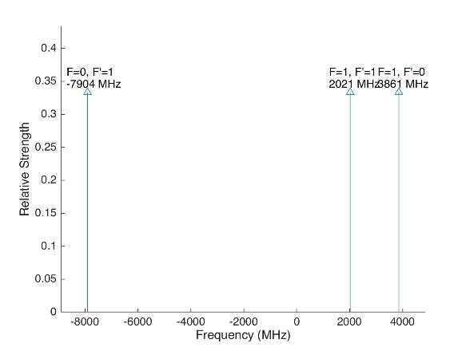
 |  |  |  |  | Laser Shift (from Ba138) | Laser Frequency |  |  |  |  |  | Ba133
 |  |  |  |  | 1833 | 607.427803
Ba133 |  |  | S1/2 |  |  |  | Ba133 |  |  | S1/2
 |  | F | 0 | 1 | Isotope Shift (from Ba138) | Ba133 Fine Carrier | Ba133 |  | F | 0 | 1
 | F | Frequency | 7444.09 | -2481.36 | 373 | -1460 |  | F | Frequency | 7444.09 | -2481.36
P1/2 | 0 | 1380 | na | 3861.36 |  |  | P1/2 | 0 | 1380 | na | 2401.36
 | 1 | -460 | -7904.09 | 2021.36 |  |  |  | 1 | -460 | -9364.09 | 561.36

Ba137 |  |  | S1/2 |  |  |  | Ba137 |  |  | S1/2
 |  | F | 1 | 2 | Isotope Shift (from Ba138) | Ba137 Fine Carrier |  |  | F | 1 | 2
 | F | Frequency | -5023.59 | 3014.15 | 271.1 | -1561.9 |  | F | Frequency | -5023.59 | 3014.15
P1/2 | 1 | -929.625 | 4093.965 | -3943.775 |  |  | P1/2 | 1 | -929.625 | 2532.065 | -5505.675
 | 2 | 557.78 | 5581.37 | -2456.37 |  |  |  | 2 | 557.78 | 4019.47 | -4018.27

This sheet allows you to find what EOM frequencies are needed to drive all of the 493 nm Hyperfine transitions, given a laser shift from the Ba138 transition.
To set the laser carrier to drive a transition, do "= Energy(P1/2) - Energy(S1/2) + IsotopeShift".
Averaged transition strengths are shown to the right to help make the best choice for your application
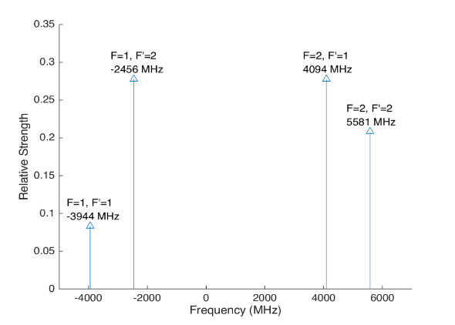
 |  |  |  |  |  |  | Ba138 |  | S1/2 |  |  | Ba137
 |  |  |  |  | Isotope Shift (from Ba138) | Transition Frequency
 |  |  |  |  | 0 | 607.42597 | P1/2 |  | -1833
 |  |  |  |  |  | ^Four-Rod
 |  |  |  |  |  |  | Ba136 |  | S1/2
 |  |  |  |  | Isotope Shift (from Ba138) | Transition Frequency
 |  |  |  |  | 179.4 | 607.4261494 | P1/2 |  | -1653.6

 |  |  |  |  |  |  | Ba134 |  | S1/2
 |  |  |  |  | Isotope Shift (from Ba138) | Transition Frequency
 |  |  |  |  | 222.6 | 607.4261926 | P1/2 |  | -1610.4

 |  |  |  |  |  |  | Ba132 |  | S1/2
 |  |  |  |  | Isotope Shift (from Ba138) | Transition Frequency
 |  |  |  |  | 279.9 | 607.4262499 | P1/2 |  | -1554.1

 |  |  |  |  |  |  | Ba130 |  | S1/2
 |  |  |  |  | Isotope Shift (from Ba138) | Transition Frequency
 |  |  |  |  | 355.3 | 607.4263253 | P1/2 |  | -1477.7

 |  | Powers

650nm
 |  |  | Frequencies

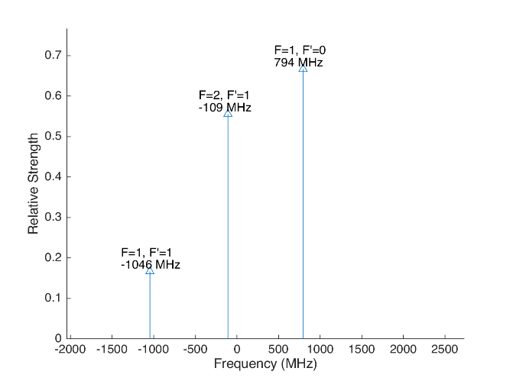
 |  |  |  |  |  |  | Laser Shift (From 138) | Laser Frequency |  |  |  |  |  |  |  | Ba133
 |  |  |  |  |  |  | -766.925 | 461.31127308 |  |  |  | 500
Ba133 |  |  | D3/2 |  |  |  |  |  | Ba133 |  |  | D3/2
 |  | F | 1 | 2 |  |  | Isotope Shift (from Ba138) | Ba133 Fine Carrier | Ba133 |  | F | 1 | 2
 | F | Frequency | 585.625 | -351.375 |  |  | 198 | 964.925 |  | F | Frequency | 585.625 | -351.375
P1/2 | 0 | 1380 | 794.375 | na |  |  |  |  | P1/2 | 0 | 1380 | 1759.3 | na
 | 1 | -460 | -1045.625 | -108.625 |  |  |  |  |  | 1 | -460 | -80.7 | 856.3

Ba137 |  |  | D3/2 |  |  |  |  |  | Ba137 |  |  |  |  | D3/2
Ba137 |  | F | 0 | 1 | 2 | 3 | Isotope Shift (from Ba138) | Ba137 Fine Carrier | Ba137 |  | F | 0 | 1 | 2 | 3
 | F | Frequency | -655.81 | -510.62 | -175.7 | 438.03 | -13 | 753.925 |  | F | Frequency | -655.81 | -510.62 | -175.7 | 438.03
P1/2 | 1 | -929.625 | -273.815 | -419.005 | -753.925 | na |  |  | P1/2 | 1 | -929.625 | 480.11 | 334.92 | 0 | na
 | 2 | 557.78 | na | 1068.4 | 733.48 | 119.75 |  |  |  | 2 | 557.78 | na | 1822.325 | 1487.405 | 873.675
This sheet allows you to find what EOM frequencies are needed to drive all of the 650 nm Hyperfine transitions, given a laser shift from the Ba138 transition.
To set the laser carrier to drive a transition, do "= Energy(P1/2) - Energy(D3/2) + IsotopeShift".
Averaged transition strengths are shown to the right to help make the best choice for your application
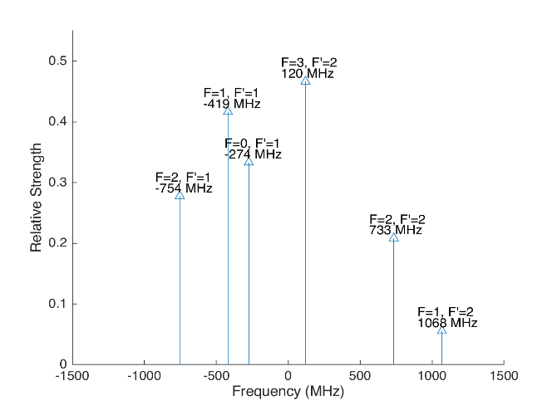
 |  |  |  |  |  |  |  |  | Ba138 |  | D3/2 |  |  |  |  | Ba137
 |  |  |  |  |  |  | Isotope Shift (from Ba138) | Transition Frequency | Ba138
 |  |  |  |  |  |  | 0 | 461.31204 | P1/2 |  | 766.925
 |  |  |  |  |  |  |  | ^Four-Rod
 |  |  |  |  |  |  |  |  | Ba136 |  | D3/2
 |  |  |  |  |  |  | Isotope Shift (from Ba138) | Transition Frequency | Ba136
 |  |  |  |  |  |  | 68 | 461.312108 | P1/2 |  | 834.925

 |  |  |  |  |  |  |  |  | Ba134 |  | D3/2
 |  |  |  |  |  |  | Isotope Shift (from Ba138) | Transition Frequency
 |  |  |  |  |  |  | 174.5 | 461.3122145 | P1/2 |  | 941.425

 |  |  |  |  |  |  |  |  | Ba132 |  | D3/2
 |  |  |  |  |  |  | Isotope Shift (from Ba138) | Transition Frequency
 |  |  |  |  |  |  | 292 | 461.312332 | P1/2 |  | 1058.925

 |  |  |  |  |  |  |  |  | Ba130 |  | D3/2
 |  |  |  |  |  |  | Isotope Shift (from Ba138) | Transition Frequency
 |  |  |  |  |  |  | 394 | 461.312434 | P1/2 |  | 1160.925

 |  |  | Powers

Isotope-Sw
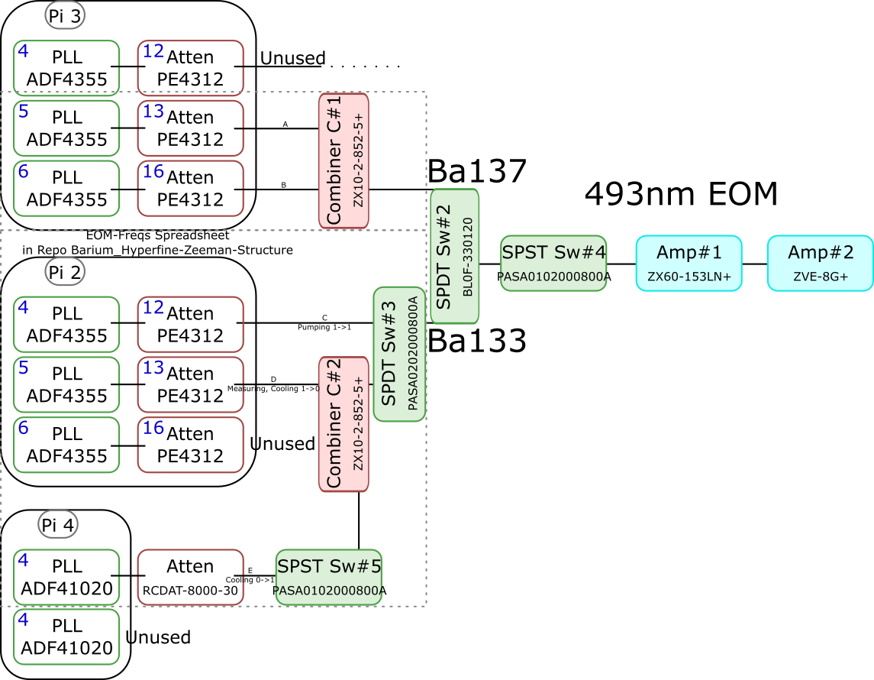
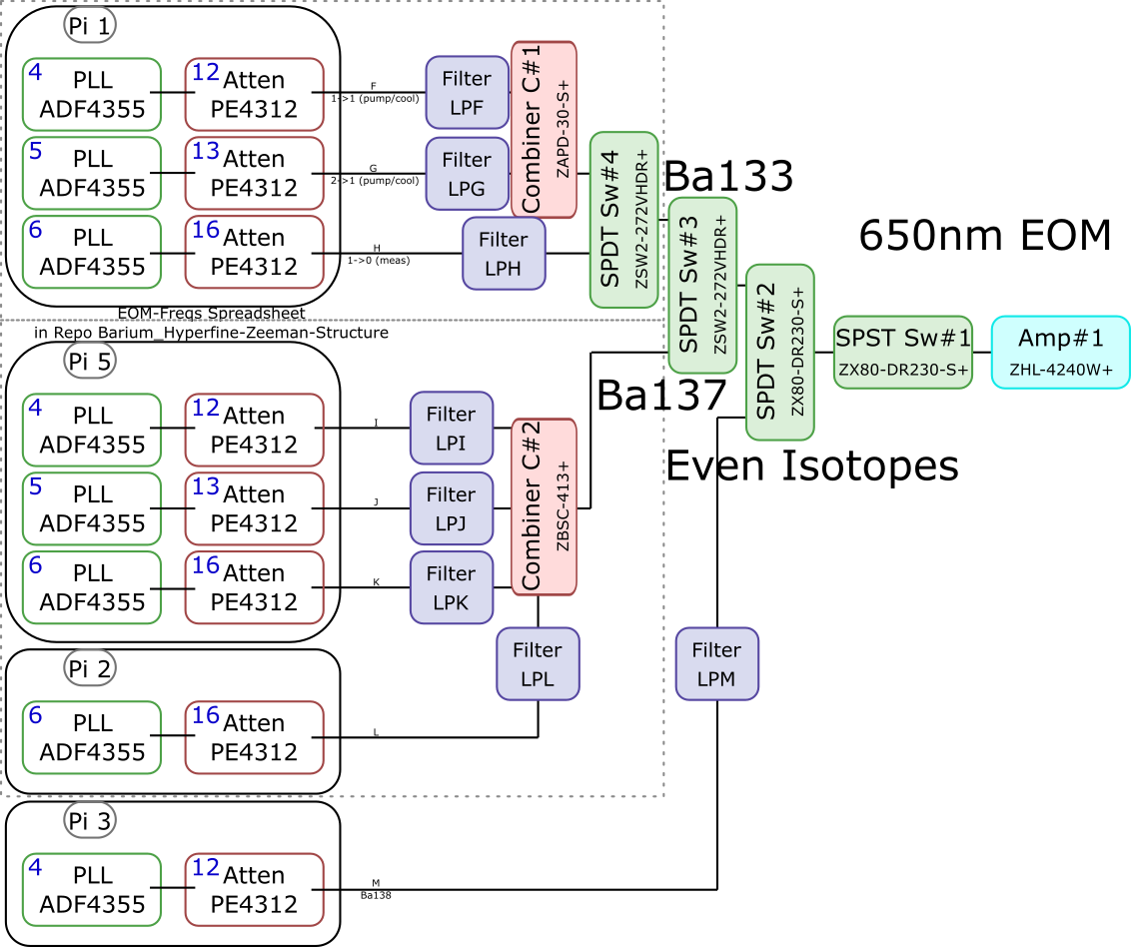
 |  |  |  |  |  |  |  |  |  |  |  | Components | Part # | Frequencies (MHz) | Power (dBm)
 |  |  |  |  |  |  |  |  |  |  |  | PLLs | ADF4355 | 54 - 4400 | -10
 |  |  |  |  |  |  |  |  |  |  |  |  | ADF41020 | 6500 - 8300

 |  |  |  |  |  |  |  |  |  |  |  |  |  | Frequencies (MHz) |  |  | Speed (ns) | Notes
 |  |  |  |  |  |  |  |  |  |  |  | Attenuators | PE4312 | 1 - 5000 |  |  | 500 | 4000 freq. limit, but 5000 works in practice
 |  |  |  |  |  |  |  |  |  |  |  |  | RCDAT-8000-30 | 1 - 8000 |  |  | 800

 |  |  |  |  |  |  |  |  |  |  |  |  |  | Frequencies (MHz)
 |  |  |  |  |  |  |  |  |  |  |  | Combiners | ZX10-2-852-5+ | 500 - 8500
 |  |  |  |  |  |  |  |  |  |  |  |  | ZAPD-30-S+ | 20 - 3000
 |  |  |  |  |  |  |  |  |  |  |  |  | ZBSC-413+ | 10 - 800

 |  |  |  |  |  |  |  |  |  |  |  |  |  | Frequencies (MHz) |  |  | Speed (us)
 |  |  |  |  |  |  |  |  |  |  |  | Switches | B10F-330120 | 0 - 12400 |  |  | 20000
 |  |  |  |  |  |  |  |  |  |  |  |  | PASA0102000800A | 2000 - 8000 |  |  | 0.1
 |  |  |  |  |  |  |  |  |  |  |  |  | PASA0202000800A | 2000 - 8000 |  |  | 0.1
 |  |  |  |  |  |  |  |  |  |  |  |  | ZSW2-272-VHDR+ | 350 - 10000 |  |  | 15
 |  |  |  |  |  |  |  |  |  |  |  |  | ZX80-DR230-S+ | 0 - 3000 |  |  | 2

 |  |  |  |  |  |  |  |  |  |  |  |  |  | Frequencies (MHz) | Power (dBm) | Gain (dB)
 |  |  |  |  |  |  |  |  |  |  |  | Amplifiers | ZX60-153LN+ | 500 - 18000 | 28 | 17
 |  |  |  |  |  |  |  |  |  |  |  |  | ZVE-3W-183+ | 5900 - 18000 | 36 | 35
 |  |  |  |  |  |  |  |  |  |  |  |  | ZVE-8G+ | 2000 - 8000 | 30 | 30
 |  |  |  |  |  |  |  |  |  |  |  |  | ZHL-4240W+ | 10 - 4200 | 38

 |  | Overall path frequency limitations |  |  |  |  |  | Path Frequency Limitations
 | Path | Frequency Range | Isotope | Pickoff (dB) | Description |  | Path | Frequency Range | Isotope | Pickoff (dB) | Description
493 nm | A | 2000 (Sw#4) - 5000 (Att) | Ba137 | 52.65 |  | 650 nm | F | 350 (Sw#4,3) - 3000 (Sw#2,1) | Ba133 |  | (1-1) Pumping/Cooling
 | B | 2000 (Sw#4) - 5000 (Att) | Ba137 | 53.07 |  |  | G | 350 (Sw#4,3) - 3000 (Sw#2,1) | Ba133 |  | (2-1) Pumping/Cooling
 | C | 2000 (Sw#3,4) - 5000 (Att#1) | Ba133 |  | (1-1) Pumping |  | H | 350 (Sw#4,3) - 3000 (Sw#2,1) | Ba133 |  | (1-0) Measuring
 | D | 2000 (Sw#3,4) - 5000 (Att#1) | Ba133 |  | (1-0) Measuring/Cooling |  | I | 350 (Sw#3) - 800 (Comb#2) | Ba137 | 40.9
 | E | 2000 (Sw#5,3,4) - 8000 (Sw#5,3,4) | Ba133 | 64.5 | (0-1) Cooling |  | J | 350 (Sw#3) - 800 (Comb#2) | Ba137 | 37.58
 |  |  |  |  |  |  | K | 350 (Sw#3) - 800 (Comb#2) | Ba137 | 37.8
 |  |  |  |  |  |  | L | 350 (Sw#3) - 800 (Comb#2) | Ba137 |  | Not needed if carrier drives a transition
 |  |  |  |  |  |  | M | 54 (PLL#1) - 3000 (Sw#1) | Evens |  | Not currently being used - carrier drives these

 |  |  |  |  |  |  |  | Current Filters
 |  |  |  |  |  |  | Filter | Part # | Freq (MHz)
 |  |  |  |  |  |  | LPF | SLP550+ | 550+
 |  |  |  |  |  |  | LPG
 |  |  |  |  |  |  | LPH | VLF-630+ | 630+
 |  |  |  |  |  |  | LPI
 |  |  |  |  |  |  | LPJ
 |  |  |  |  |  |  | LPK
 |  |  |  |  |  |  | LPL
 |  |  |  |  |  |  | LPM

Neutral
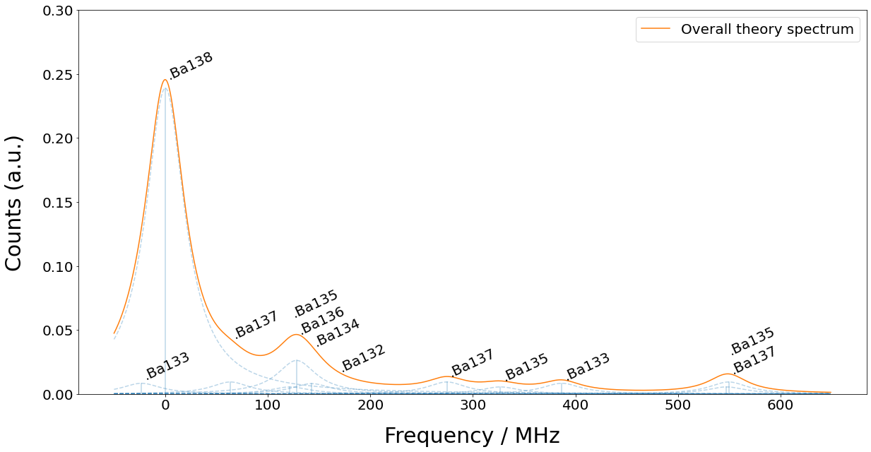
Isotope | 133g(1/2) | 138 | 131(1/2) | 137(5/2) | 135(5/2) | 136 | 134 | 132 | 133m(1/2) | 130 | 137(COM) | 131(COM) | 135(COM) | 128 | 137(3/2) | 135(3/2) | 131(3/2) | 133g(3/2) | 135(1/2) | 137(1/2)
Freq (MHz) | -23.3 | 0 | 0 | 63.43 | 121.6 | 128.02 | 142.8 | 167.9 | 172.9 | 207.3 | 214.7 | 249.2 | 258.7 | 271.1 | 274.56 | 326.7 | 373.8 | 386.65 | 547.3 | 549.47

