Sheet1
bug id | module | description | test data | procedure | expected result | actual result | expected status code | actual status code | remarks | actual response | screenshot
BI_001 | Registration | verify the happy path | url: https://parnetslink.co.in/register | 1. Enter the url 2.enter the valid crediatils 3.enable the check box 4.click on register button | have to receive otp | haven't received otp | 200 | 404 | otp request successful process but customer haven't received otp | Uncaught (in promise) Error: A listener indicated an asynchronous response by returning true, but the message channel closed before a response was received
BI_002 | Search | verify the happy path | url: https://parnetslink.co.in/register | 1. Enter the url 2.enter the valid crediatils like milk 3.click on search button | successfully load the milk product page | the milk product page is blank | 200 | 404 | when we search product first time it takes pdp page but we have cache that time it goes blank (if we disable cache it works as expected) | TypeError: Cannot read properties of undefined (reading 'SubcategoryName') at FM (ShopDetail.jsx:205:75) at ga (react-dom.production.min.js:160:137) at Ss (react-dom.production.min.js:196:258) at Cl (react-dom.production.min.js:291:88) at yc (react-dom.production.min.js:279:389) at vc (react-dom.production.min.js:279:320) at gc (react-dom.production.min.js:279:180) at ic (react-dom.production.min.js:270:88) at oc (react-dom.production.min.js:267:429) at x (scheduler.production.min.js:13:203) | 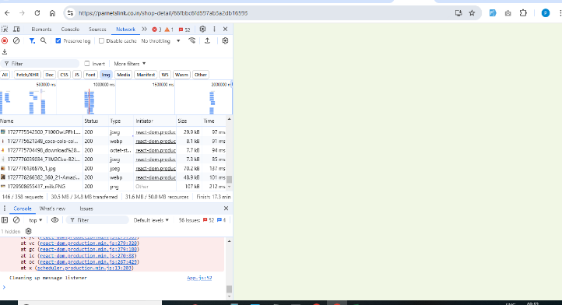
BI_003 | Schedule | verify pagination | url : https://parnetslink.co.in/Scheduled | 1. Enter the url 2.click on page 3 or 4 | image should load | image not seen | 200 | 404 | except images all other things loaded | Uncaught (in promise) Error: A listener indicated an asynchronous response by returning true, but the message channel closed before a response was received
BI_004 | Fruits & vegetables | verify pagination | url : https://parnetslink.co.in/shop | 1. Enter the url 2. click on page 1 or 2 | image should load | image not seen | 200 | 404 | except images all other things loaded | Uncaught (in promise) Error: A listener indicated an asynchronous response by returning true, but the message channel closed before a response was received
BI_005 | Home page | verify background image | url : https://parnetslink.co.in/ | 1. Enter the url 2. observe the fruits & vegetables icon | image should seen | image not seen |  |  | image url is not linked to that icon (it is frontend issues) | no response

