アラーム生成
アラーム作成簡単化ツール
GUIで複数のアラーム作成を行うとミスも発生しやすいため、
awscliからコマンドでアラームを作成するためのツールを作成しました。
赤字になっている部分が可変なので、環境に応じて変更して使用してください。
※CWAgentの部分がなぜか上手くいかないので、回収中

また、リストシートについては環境ごとに随時追加していってください

[使い方]
赤文字になっている部分を自分の環境に置き換えてください。
その後コマンド列にあるカラムをコピーしてAWS CLIで流せばアラーム設定が出来るはずです。

各項目の説明
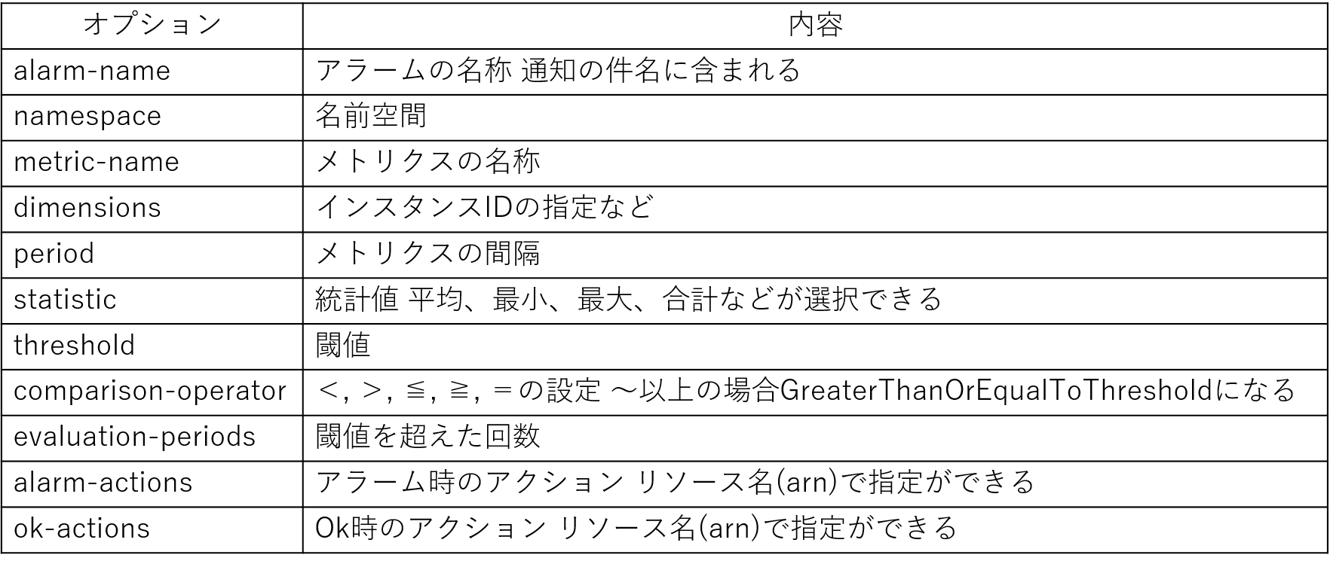

alarm-name | namespace | metric-name | dimensions | period | statistic | threshold | comparison-operator | evaluation-periods | alarm-actions | ok-actions | treat-missing-data | コマンド
CPU監視の例
prod-api-cpu_error | AWS/EC2 | CPUUtilization | Name=InstanceId,Value=i-xxxxxxxxxxx | 60 | Average | 90 | GreaterThanOrEqualToThreshold | 1 | arn:aws:sns:ap-northeast-1:838471265193:jcb_alert | arn:aws:sns:ap-northeast-1:838471265193:jcb_alert | "notBreaching" | aws cloudwatch put-metric-alarm --alarm-name "prod-api-cpu_error" --namespace AWS/EC2 --metric-name CPUUtilization --dimensions Name=InstanceId,Value=i-xxxxxxxxxxx --period 60 --statistic Average --threshold 90 --comparison-operator GreaterThanOrEqualToThreshold --evaluation-periods 1 --alarm-actions arn:aws:sns:ap-northeast-1:838471265193:jcb_alert --ok-actions arn:aws:sns:ap-northeast-1:838471265193:jcb_alert --treat-missing-data "notBreaching"
メモリ監視の例
prod-api-mem_error | CWAgent | mem_used_percent | Name=InstanceId,Value=i-xxxxxxxxxxx | 60 | Average | 90 | GreaterThanOrEqualToThreshold | 1 | arn:aws:sns:ap-northeast-1:838471265193:jcb_alert | arn:aws:sns:ap-northeast-1:838471265193:jcb_alert | "notBreaching" | aws cloudwatch put-metric-alarm --alarm-name "prod-api-mem_error" --namespace CWAgent --metric-name mem_used_percent --dimensions Name=InstanceId,Value=i-xxxxxxxxxxx --period 60 --statistic Average --threshold 90 --comparison-operator GreaterThanOrEqualToThreshold --evaluation-periods 1 --alarm-actions arn:aws:sns:ap-northeast-1:838471265193:jcb_alert --ok-actions arn:aws:sns:ap-northeast-1:838471265193:jcb_alert --treat-missing-data "notBreaching"
ディスク監視の例
prod-api-disk_error | CWAgent | disk_used_percent | Name=path,Value="/" Name=InstanceId,Value=i-xxxxxxxxxxx Name=imageId,Value="ami-091e02e25ce368615" Name=InstanceType,Value="m5.large" Name=device,Value="nvme0n1p1" Name=fstype,Value="xfs" | 60 | Average | 90 | GreaterThanOrEqualToThreshold | 1 | arn:aws:sns:ap-northeast-1:838471265193:jcb_alert | arn:aws:sns:ap-northeast-1:838471265193:jcb_alert | "notBreaching" | aws cloudwatch put-metric-alarm --alarm-name "prod-api-disk_error" --namespace CWAgent --metric-name disk_used_percent --dimensions Name=path,Value="/" Name=InstanceId,Value=i-xxxxxxxxxxx Name=imageId,Value="ami-091e02e25ce368615" Name=InstanceType,Value="m5.large" Name=device,Value="nvme0n1p1" Name=fstype,Value="xfs" --period 60 --statistic Average --threshold 90 --comparison-operator GreaterThanOrEqualToThreshold --evaluation-periods 1 --alarm-actions arn:aws:sns:ap-northeast-1:838471265193:jcb_alert --ok-actions arn:aws:sns:ap-northeast-1:838471265193:jcb_alert --treat-missing-data "notBreaching"
死活監視の例
prod-api-Alive-monitoring_instance | AWS/EC2 | StatusCheckFailed_Instance | Name=InstanceId,Value=i-xxxxxxxxxxx | 60 | Maximum | 1 | GreaterThanOrEqualToThreshold | 2 | arn:aws:sns:ap-northeast-1:838471265193:jcb_alert | arn:aws:sns:ap-northeast-1:838471265193:jcb_alert | "notBreaching" | aws cloudwatch put-metric-alarm --alarm-name "prod-api-Alive-monitoring_instance" --namespace AWS/EC2 --metric-name StatusCheckFailed_Instance --dimensions Name=InstanceId,Value=i-xxxxxxxxxxx --period 60 --statistic Maximum --threshold 1 --comparison-operator GreaterThanOrEqualToThreshold --evaluation-periods 2 --alarm-actions arn:aws:sns:ap-northeast-1:838471265193:jcb_alert --ok-actions arn:aws:sns:ap-northeast-1:838471265193:jcb_alert --treat-missing-data "notBreaching"
prod-api-Alive-monitoring_system | AWS/EC2 | StatusCheckFailed_System | Name=InstanceId,Value=i-xxxxxxxxxxx | 60 | Maximum | 1 | GreaterThanOrEqualToThreshold | 5 | arn:aws:sns:ap-northeast-1:838471265193:jcb_alert | arn:aws:sns:ap-northeast-1:838471265193:jcb_alert | "notBreaching" | aws cloudwatch put-metric-alarm --alarm-name "prod-api-Alive-monitoring_system" --namespace AWS/EC2 --metric-name StatusCheckFailed_System --dimensions Name=InstanceId,Value=i-xxxxxxxxxxx --period 60 --statistic Maximum --threshold 1 --comparison-operator GreaterThanOrEqualToThreshold --evaluation-periods 5 --alarm-actions arn:aws:sns:ap-northeast-1:838471265193:jcb_alert --ok-actions arn:aws:sns:ap-northeast-1:838471265193:jcb_alert --treat-missing-data "notBreaching"
ログ監視の例
prod-api-infra-log-error | LogMetrics | prod-api-infra-log-error |  | 60 | Sum | 1 | GreaterThanOrEqualToThreshold | 1 | arn:aws:sns:ap-northeast-1:838471265193:jcb_alert | arn:aws:sns:ap-northeast-1:838471265193:jcb_alert | "notBreaching" | aws cloudwatch put-metric-alarm --alarm-name "prod-api-infra-log-error" --namespace LogMetrics --metric-name prod-api-infra-log-error --dimensions --period 60 --statistic Sum --threshold 1 --comparison-operator GreaterThanOrEqualToThreshold --evaluation-periods 1 --alarm-actions arn:aws:sns:ap-northeast-1:838471265193:jcb_alert --ok-actions arn:aws:sns:ap-northeast-1:838471265193:jcb_alert --treat-missing-data "notBreaching"

