Quick Ref Guide
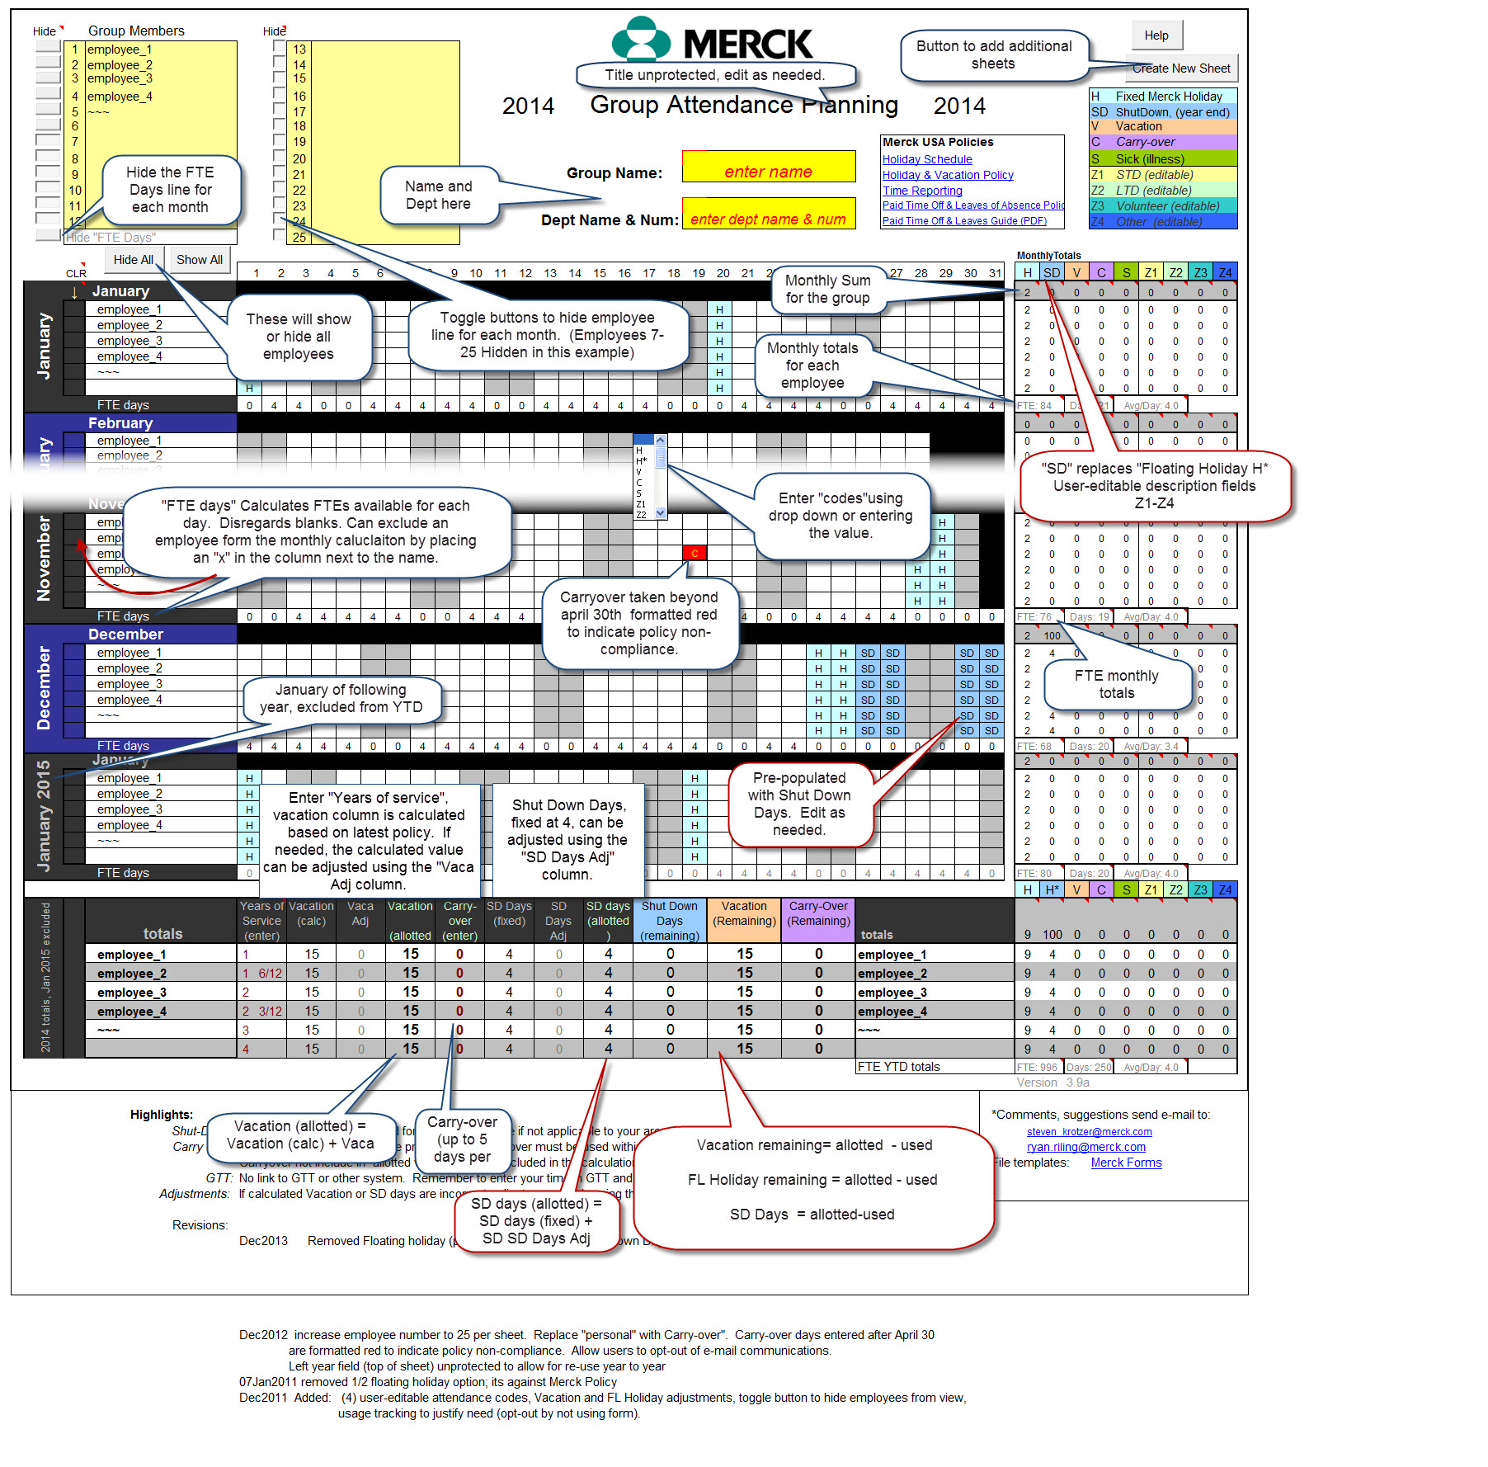
This is the quick reference guide sheet, updated for 2022.

In WIN10, upon opening, click "enable content", as shown here:
To avoid having to do this each time, click YES to make it a trusted document:
Compatible with WIN10 ONLY

In WIN10, be sure to save as (*.xlsm) (macro enabled workbook).

Overview:
A good life/work balance includes utilizing vacation and floating holidays. How do you easily keep track of the past and future vacation days? Two simple forms are available to help individuals plan and log time out of the office on an "individual" and "group" level.

The "individual" form provides an easy way to visualize time taken (& planned) and vacation remaining. The "group" calendar is helpful for use on a group level. This form is intended provide an overview of a the group in terms of "out on vacation" or "out of the office" for other reasons (conference, etc.). The number of FTEs is calculated (group from only) and displayed on a daily, monthly basis to help in planning. individual employees may be excluded from the FTE tally on a monthly basis.

The form is based on a manual spreadsheet that had been used in the past and has been modified to allow the use of drop downs to enter a code for each day or (½ day). Codes included are holiday, vacation, floating holiday, carry-over, sick, etc. each with a set color code. Monthly and yearly totals are displayed. Copy the excel file to your home drive and rename the file as you want. Copy the group schedule to a dept. share.

The forms are not linked to any systems, so time must still be entered in systems like ADP. The sheets are password protected (Available on request)

The forms are updated annually, but users could re-configure the form for any year by entering "we" for weekend and "i" for invalid dates and changing the year in the top of the form.

Highlights for 2022:

· Both Forms:
· Links were updated
· Updated carry-over policy change for 2022
· Added Flex-Day
· Added new Holiday (Juneteenth)

Visual overview of key features, new items outlined in red:

