CTGAN
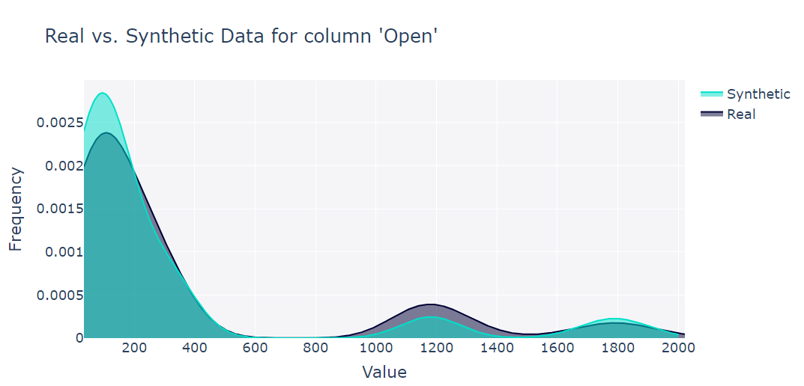
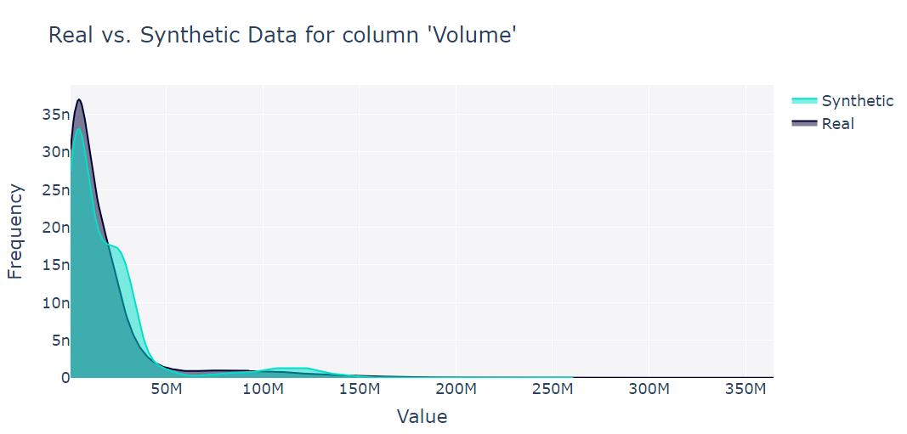
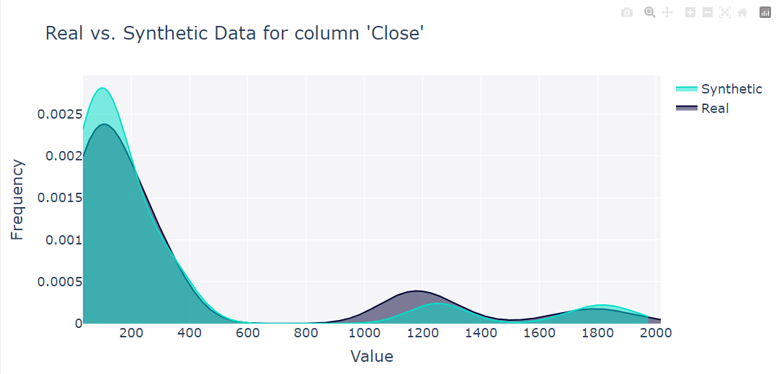
CTGAN

# Epochs | 500

Input Data |  | Output Data
volume of real data | 4032 | volume of real data | 4032
# of sequences | 16 | # of sequences | 4032

Quality Report

Overall Score | 84.67%
Column shapes | 84.84%
column pair trends | 84.50%

Tracking the convergence of loss values of the loss function over given epochs

Data Quality Report : Column Shapes
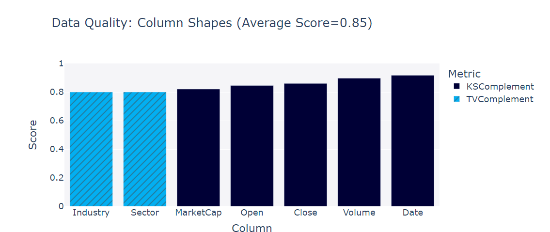

Data Quality Report : Column Shapes

