gift
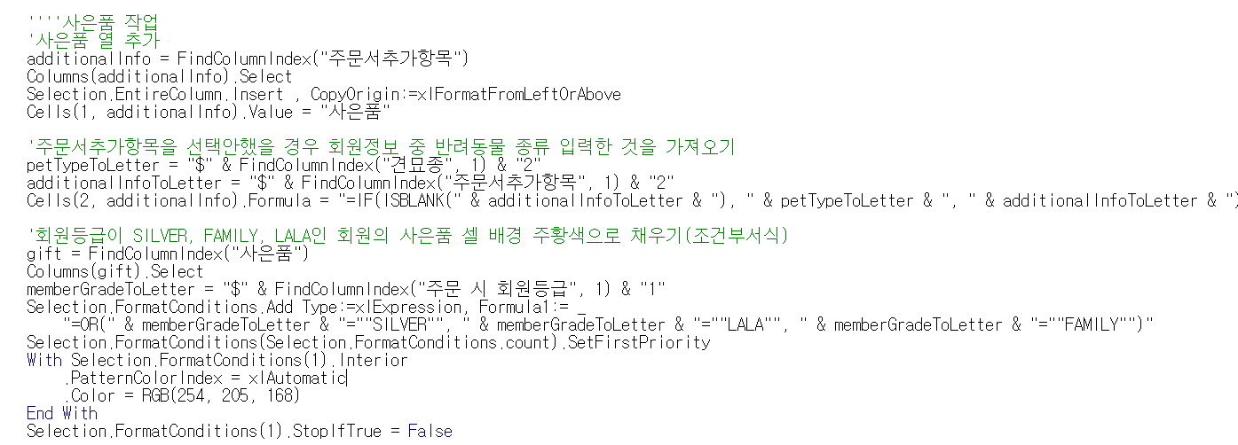
Add column | Find the column "주문서추가항목" (Order Additional Item) and insert a new column after it.
Set the header name | In the newly added column, enter the text "사은품" (Gift) in the first cell.
Reference other columns | Display the value from the "주문서추가항목" column. If the column is empty, display the value from the "견묘종" (Pet Type) column.
Conditional formatting | If the value in the "주문 시 회원등급" (Member Grade) column is "SILVER", "FAMILY", or "LALA", set the background color of the "사은품" (Gift) cell to orange (RGB(254, 205, 168)).

