Gift
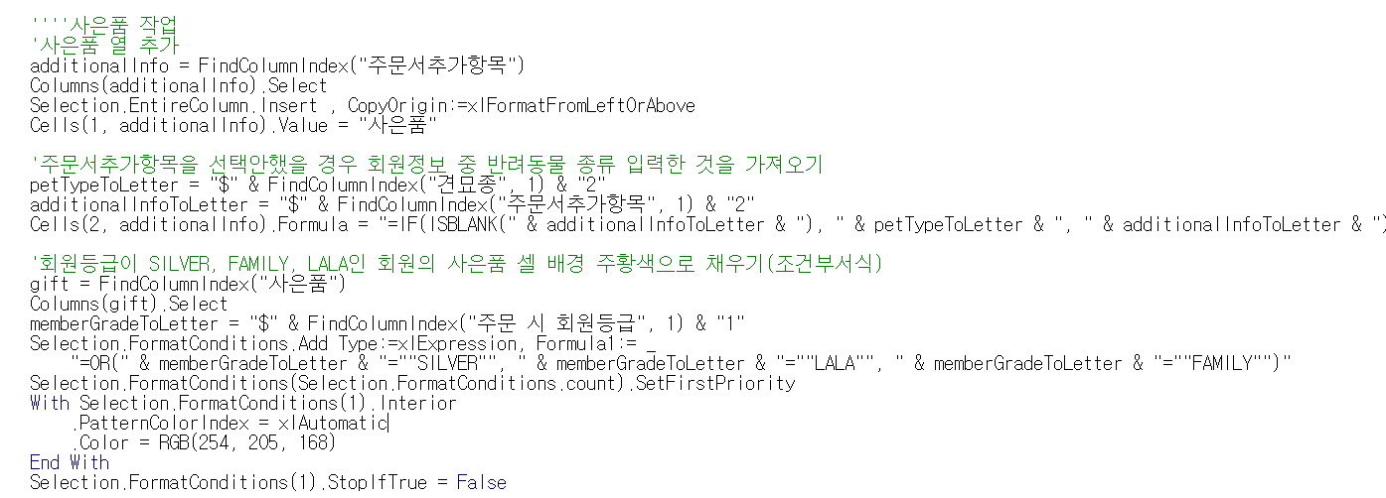
Add column | Find the column "주문서추가항목" (Order Additional Item) and insert a new column after it.
Set the header name | In the newly added column, enter the text "사은품" (Gift) in the first cell.
Reference other columns | Display the value from the "주문서추가항목" column. If the column is empty, display the value from the "견묘종" (Pet Type) column.
Conditional formatting | If the value in the "주문 시 회원등급" (Member Grade) column is "SILVER", "FAMILY", or "LALA", set the background color of the "사은품" (Gift) cell to orange (RGB(254, 205, 168)).

Box
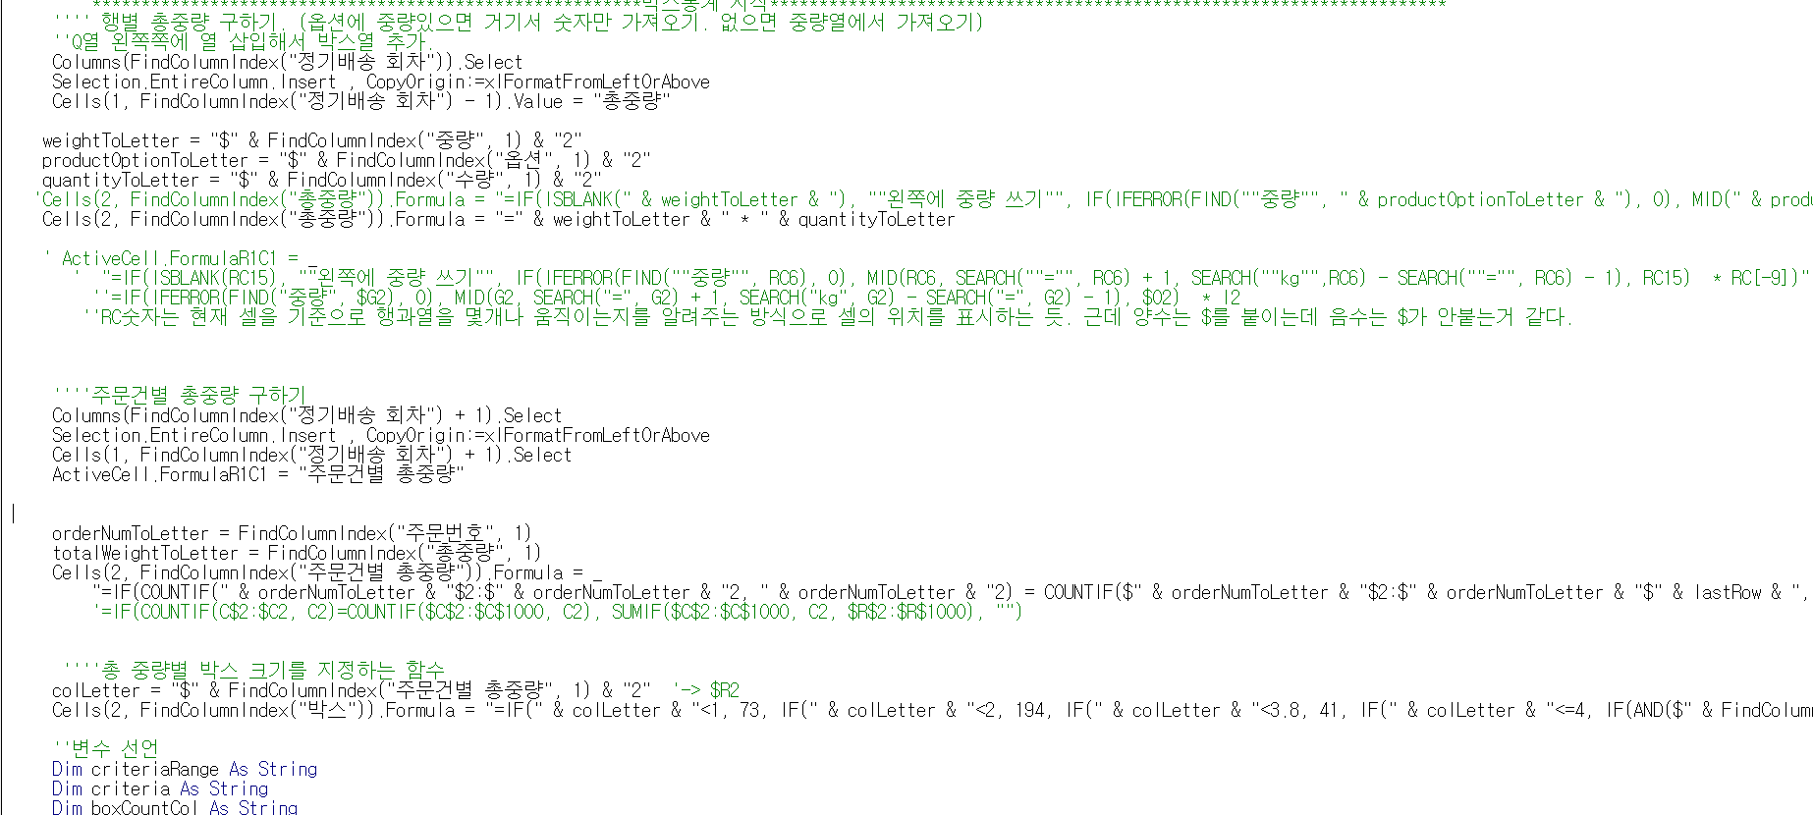
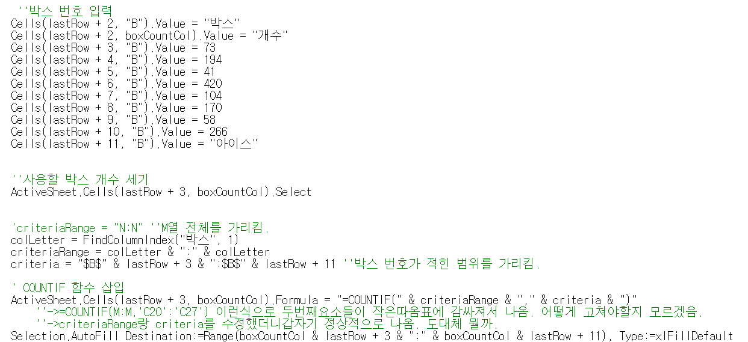
Calculate Total Weight per Order | 1. For each product, extract the weight from the Options column. If the Options column does not contain weight information, refer to the value in the Weight column.
 | 2. Multiply the extracted weight by the value in the Quantity column to calculate the Total Weight for each row.
 | 3. For each order number, sum the Total Weight of all rows associated with that order number.
Assign Box Sizes Based on Total Weight | Use the Total Weight per Order to assign a box size based on specific conditions. Each weight range corresponds to a specific box size.
Display Required Box Types and Quantities | Box sizes and the quantity of each box size needed.

