표준화 예시
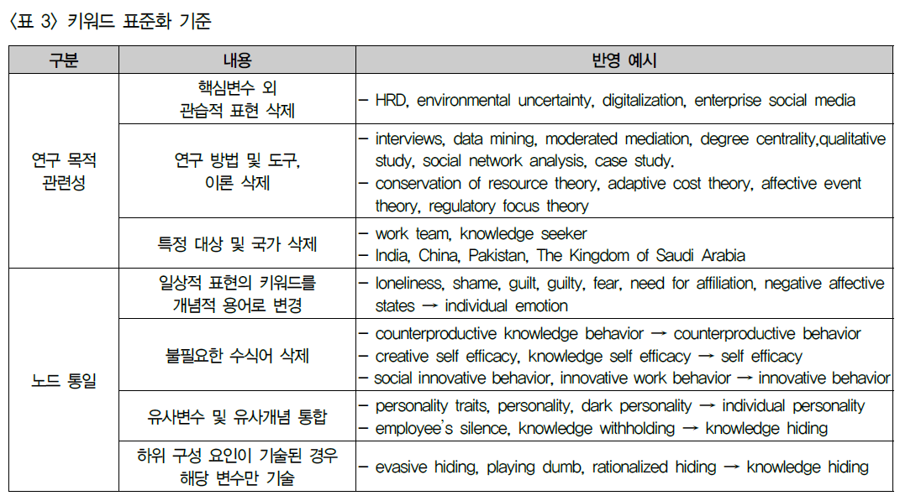
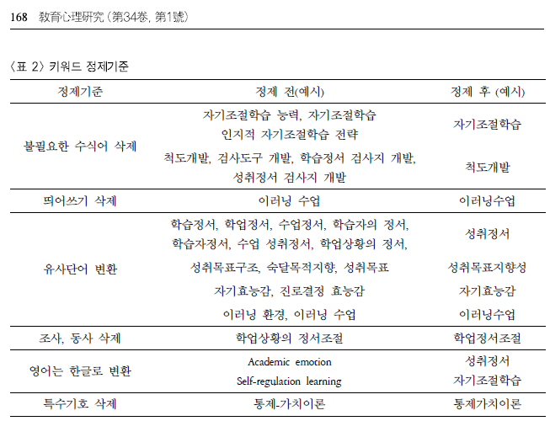
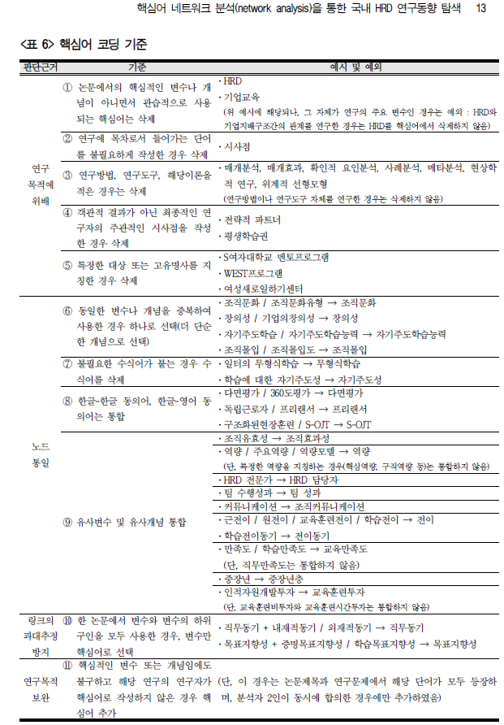
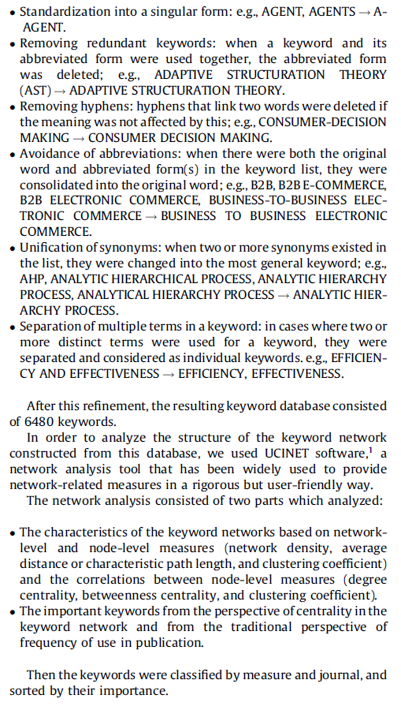
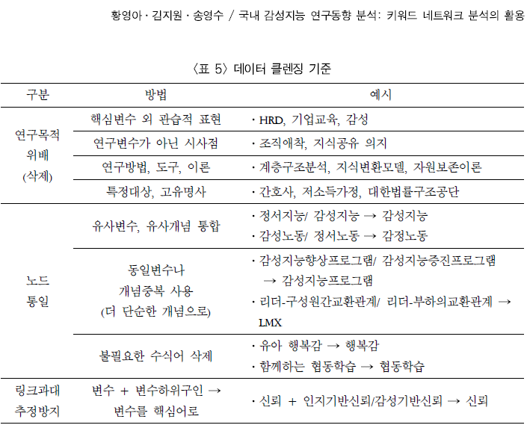
조인동 외(2012) | association rule, association rule mining, association rules | association rulse
 | decision support system, decision support systems, DSS, decision support system(DSS) | decision support systems
 | electronic commerce, ecommerce, e-commerce | e-commerce
 | on-line analytical processing (OLAP), OLAP, on-line analytical processing | on-line analytical processing
최진호 외(2011) | 복수형을 단수형으로 바꿈: Disply subfields | Disply subfield
 | 하이픈을 제거함: Second-Harmonic Light | Second Harmonic Light
 | 동의어를 하나로 통일함: White LED, White Light-emit Diode | White LED
김동래 외(2015) | 사회적 책임 | CSR (Corporate Social Responsibility)
 | 공급망 관리 | SCM (Supply Chain Management)
 | 동일한 의미: 네트워크 분석, 사회연결망 분석 | 의미를 변형하지 않는 수준에서 표준화
Choi et al. (2011) | 단수 형태로 표준화: AGENT, AGENTS | AGENT
 | 중복 키워드 제거: 키워드와 약어를 함께 사용하는 경우 약어를 삭제 ADAPTIVE STRUCTURATION THEORY (AST) | ADAPTIVE STRUCTURATION THEORY
 | 하이픈 제거: 의미가 영향을 받지 않는 경우 두 단어를 연결하는 하이픈 삭제 CONSUMER-DECISION MAKING | CONSUMER DECISION MAKING
 | 약어 사용 금지: 키워드 목록에 원어와 약어가 모두 있는 경우 원어 B2B, B2B E-COMMERCE, B2B ELECTRONIC COMMERCE, BUSINESS-TO-BUSINESS ELECTRONIC COMMERCE | BUSINESS TO BUSINESS ELECTRONIC COMMERCE.
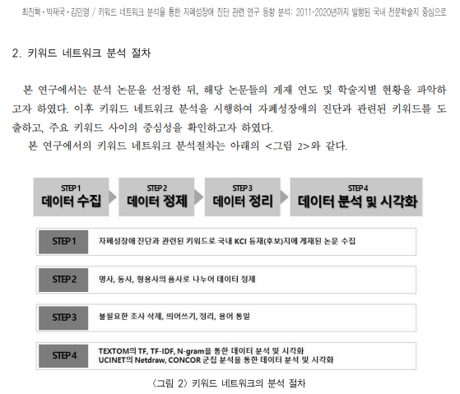
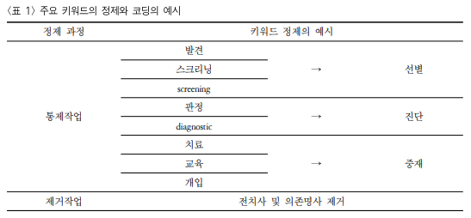
 | 동의어 통일: 목록에 둘 이상의 동의어가 존재할 때 가장 일반적인 키워드로 변경 AHP, ANALYTIC HIERARCHICAL PROCESS, ANALYTIC HIERARCHY PROCESS, ANALYTICAL HIERARCHY PROCESS | ANALYTIC HIERARCHY PROCESS.
 | 키워드에서 여러 용어의 분리: 두 개 이상의 별개의 용어가 키워드에 사용된 경우 분리되어 개별 키워드로 간주: EFFICIENCY AND EFFECTIVENESS | EFFICIENCY, EFFECTIVENESS
양근우(2017) | 논문에 제시된 키워드 중 띄어쓰기 및 방점(․)은 삭제: 한·중 FTA | 한중FTA
 | 국문 키워드를 분석하는 것으로 결정하였으나저자가 영문 키워드로 제시하였거나 그대로 사용하여도 내용 전달에 큰 문제가 없다고 판단되는 키워드는 원문 그대로 영문 키워드를 활용: | FTA(자유무역협정), AHP(계층분석적의사결정방법)
 | 특정 시스템이나 기구의 이름은 영문 약자를 그대로 사용 | U-TradeHub, WTO(세계무역기구)
 | 동일한 의미의 키워드이나 저자에 따라 국문과 영문을 선택적으로 활용한 경우 동일한 키워드로 인식하여 분석될 수 있도록 하나의 용어로 통일: ‘KORUS FTA’, ‘한미자유무역협정’, ‘한-미 FTA’ e-Trade | 한미FTA 전자무역
 | 이해를 돕고자 국문 키워드와 함께 해당하는 영문 키워드를 괄호 안에 함께 제시한 경우 하나의 키워드로 수정: ‘외국인직접투자(FDI)’와 ‘공적개발원조(ODA)’ | ‘FDI’, ‘ODA’

Sheet2
