Sheet1
 | Supreme pizza
1 |  | A supreme pizza with tomatos sauce cheese, pepperoni, peppers, olives, and mushrooms Pizza Hut has several votes for its cheese and stuffed crust pizza, but the stronghold in the list of Pizza Hut pepperoni pie was, he got twice as many votes than any other element Hut.
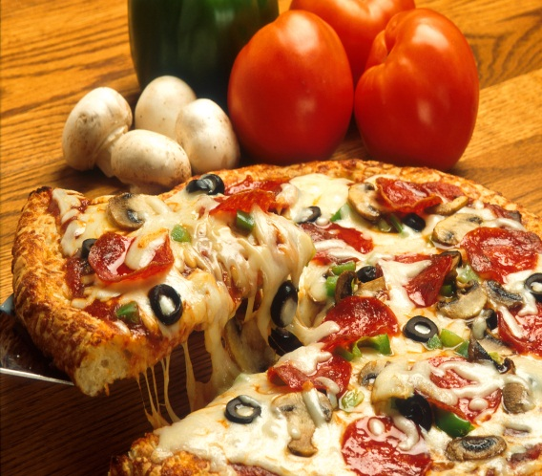

2 | Subway’s Steak and sub sandwich

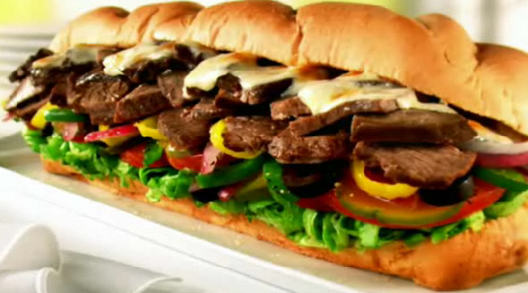
 |  | who can resist a submarine sandwich, especially one that is freshly made in front of your eyes and covered in any way they want? Subway received enough votes to claim the throne as the best fast food submarine, with its deliciuos meat and cheesemixture.

3 | fried beef sandwich

 |  | An original, the steak sandwich was actually the first point and only in the menu when the restaurant first opened its doors. Today, Arby's everywhere and offers much more than grilled meat, but it's no surprise that this classic is one of the best.
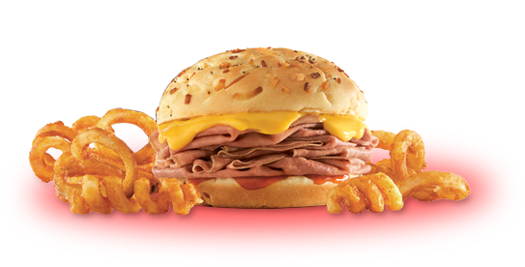

4 | buffalo style chicken wings

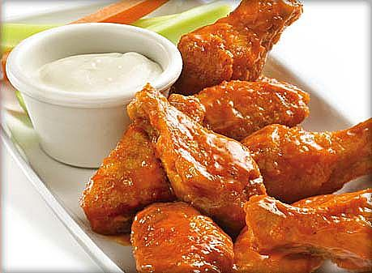
 |  | Chicken wings. That are a staple at parties and gatherings. They go well with beer or tequilq, and are delicious either mild or spicy-to each his own. Because there is only one restaurant stood out from the clutte and the votes were fragranted. It is a spicy and hot for the teen's.c

5 | Cheese pizza

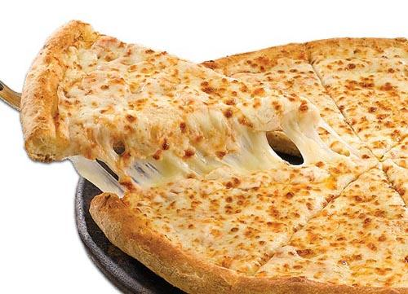
 |  | If you like a lot of melted cheese and tasty tomato sauce in a thin crust later then it is got you covered in all ways. It is served hot from the oven, the cheese can stretch for miles and will keep you salivating for more. Most men are likely to end up with a couple of them for themselves

6 | Burger king's whooper

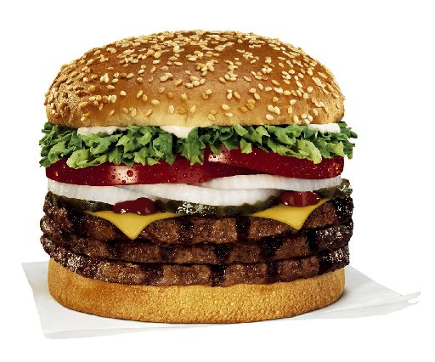
 |  | BK whooper with bacon and cheese began with an early lead, flame broiled burgers to perfection, with crisp lettuce, slices cucumbers,fresh tomatoes and a delicate blend of mayonnaise and ketchup, make this a king who does not want to mess with.

7 | Multicolor pasta

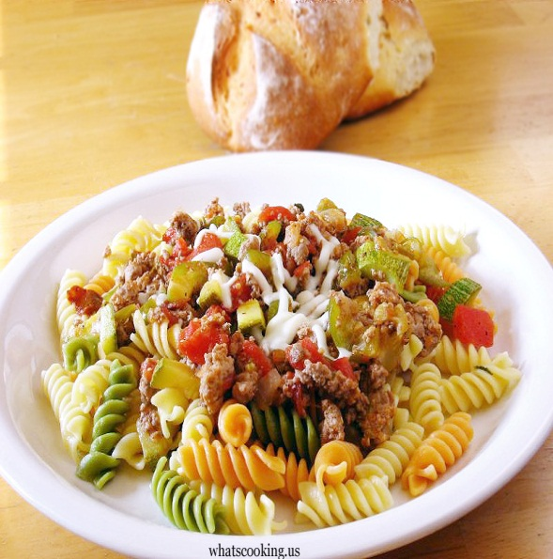
 |  | Quick, tasty and filling pasta is perfect for midweek meals pasta is a great ingredient for putting together quick and delicious meals and it's a real treat. Fresh pasta, good olive oil, garlic, grated parmesan. And the blend of classic red sauce or pesto to rich cream sauces is the special of the pasta

8 | Fried noodles

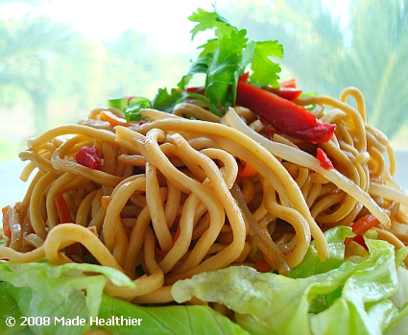
 |  | Fried noodles is a quick easy and delicious food that all will enjoy. By adding cooked, cubed pork or chicken, bean sprouts, water chestnuts, sliced almonds, clove garlic, dark soy sauce, chille sauce to its perfect taste. It is good for all occations even parties. made for specially childs.

9 | fried rice

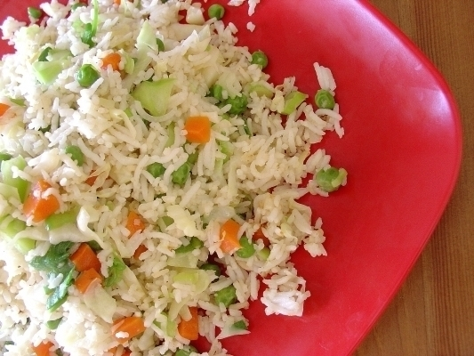
 |  | it was easy to make and tasted great. onions were in every bite and were sweet tasting but crunchy. It was a great way to get rid of leftovers and smelled awesome. it was still awesomeYou can have the fried rice with any kind of meat. It is like a chinese rice

10 | Macaroni

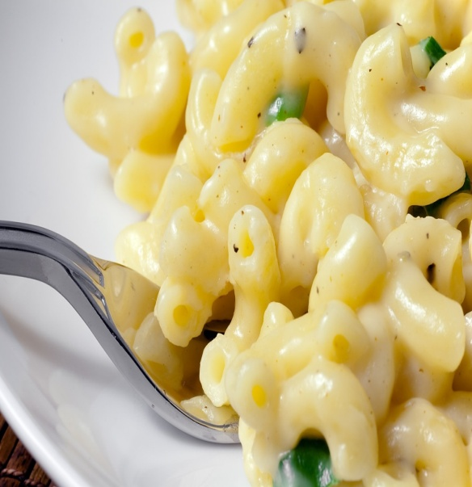
 |  | Quick and tasty delicious macaroni contains elbow macaroni, unsalted butter flour, milk, shredded medium cheddar cheese, shredded gruyere cheese, seasoning salt, fresh cracked black pepper, green onions and chopped. Tasty macaroni give energy and delicious taste

11 | World famous fries

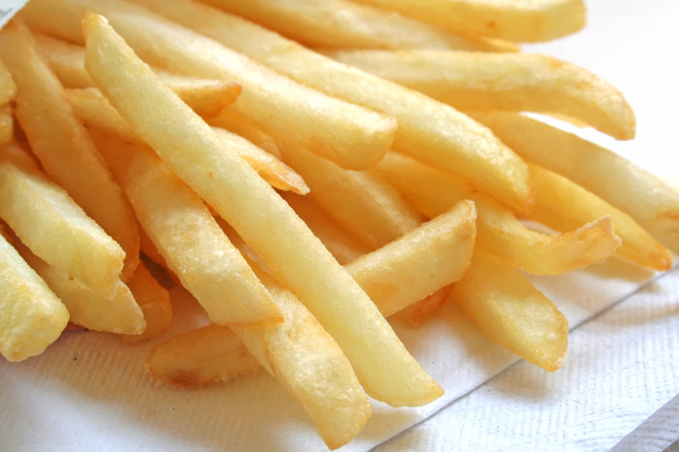
 |  | Golden on the outside, soft and fluffy on the inside. Made with quality potatoes and cooked in our Canola oil blend for zero grams of trans fat per serving. And it is fried in pure and natural olive oil. Suitable for any foods and occations. Specially made for entertainment.

12
 | Cool coffee

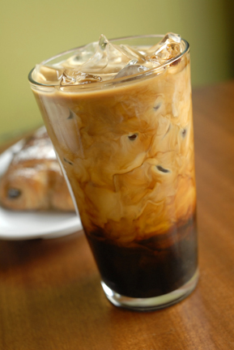
 |  | No meal is complete without a drink! From Diet Coke® to low-fat milk to fresh-brewed, hot coffee,.Now that's an epic bite. Premium Roast Iced Coffee Refreshingly cool and made with 100% Arabica beans,cream and your choice of flavored syrups.

13 | Spicy Chicken Bites

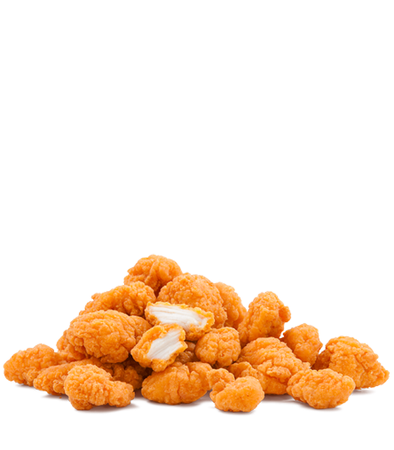
 |  | Poppable pieces of tender chicken breast with the perfect balance of heat and flavor. Served in three convenient sizes - snack, regular or shareable  and with a variety of dipping sauces. Hurry, they're only available for a limited time.

14 | Strawberry Sundae

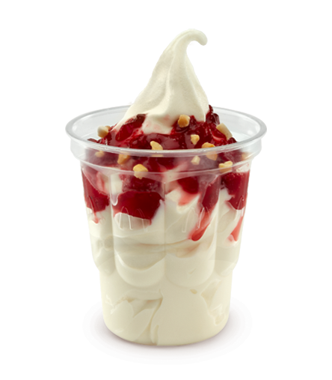
 |  | Creamy reduced fat vanilla ice cream, topped with sliced strawberries in a sweet and tart strawberry sauce. The special of this strawbery sundae the vanila ice cream has reduced fat. And it is more healthy and tastey desert. Specially made for womens and children.

15 | Chicken McNuggets

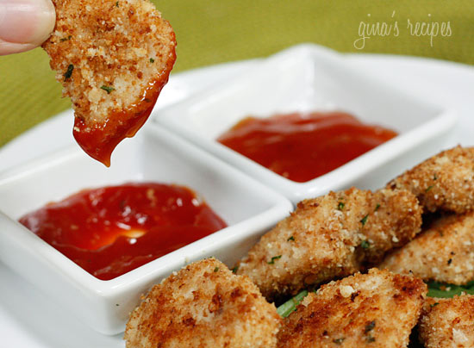
 |  | Four tender Chicken Nuggets made with white meat and comes with kids sized world famous fries, apple slices and your choice of fat free chocolate milk, low fat white milk or apple juice.

16 | Orange juice

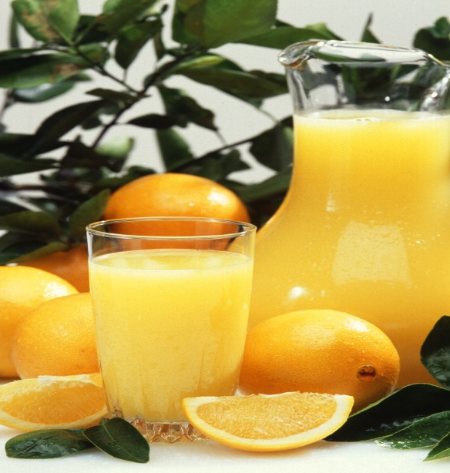
 |  | Orange juice refers to the juice of oranges. It is made by extraction from the fresh fruit, by desiccation and subsequent reconstitution of dried juice, or by concentration of the juice and the subsequent addition of water to the concentrate. and No added color.

