List of libraries
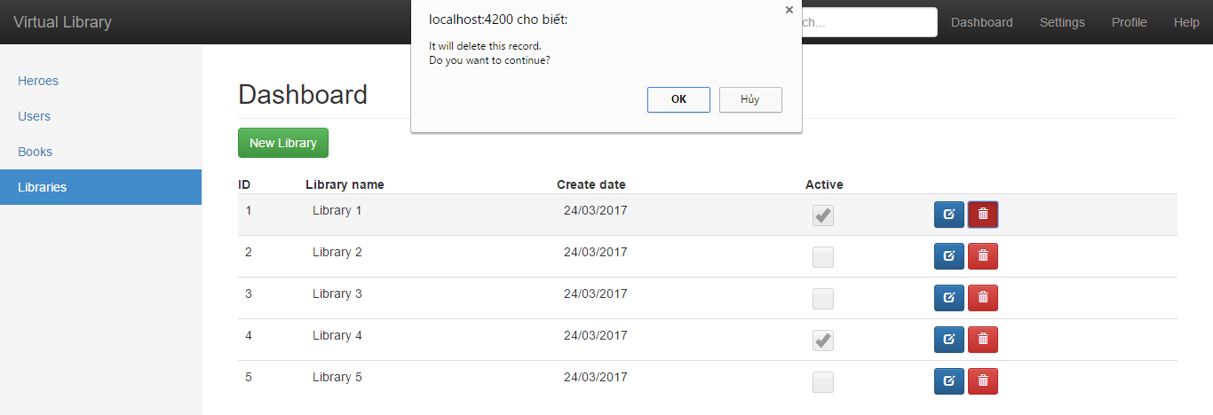
S001 |  |  | Project Name |  |  |  |  |  |  |  |  | Process
 |  |  |  |  |  |  |  |  |  |  |  | Screen Design
Screen ID |  |  |  | SCR_VLMS_LIB_001 |  | Function name |  | Display list of libraries |  |  |  | Create Date |  | 2017-03-15 | Creator | LV Khang
 |  |  |  |  |  |  |  |  |  |  |  | Update Date |  | 2017-03-18 | Updater | NCT Huy

1. Overview
 | The screen shows a list of libraries containing information such as librarians, library creation dates and activity status

2. Screen Design

 | 2.1. Screen image
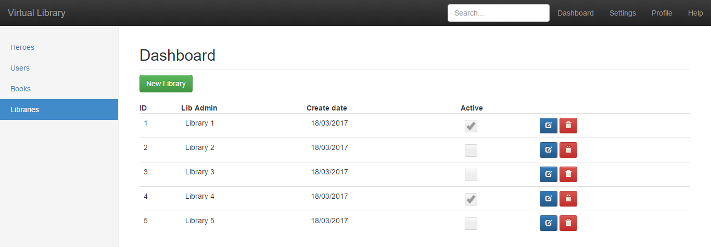

 | 2.2. Screen items
 | # | Item name |  |  | Control |  | Data type | I/O | Required | Default Value | Range Value |  | Description
 | 1 | New Library |  |  | Button |  | Text | I | X |  |  |  | Go to add new library
 | 2 | ID |  |  | TextView |  | Number | O | X |  |  |  | Library's ID
 | 3 | Library name |  |  | TextView |  | Text | O | X |  |  |  | Library admin's name
 | 4 | Create date |  |  | TextView |  | Date | O |  |  |  |  | Date of library creation
 | 5 | Active |  |  | Checkbox |  | Boolean | O |  |  |  |  | If a library is still active
 | 6 | Edit |  |  | Button |  | Image | I |  |  |  |  | Go to library details screen
 | 7 | Delete |  |  | Button |  | Image | I |  |  |  |  | Delete that library

 | 2.3. Main screen interaction
 |  | Click on "New Library" button to go to the add new library screen
 |  | Click on edit button to go to the library details screen
 |  | Click on delete button to delete that library

 | 2.4 Event description
 |  | Select the delete button, a dialog box appears to confirm the deletion of the user

Library details
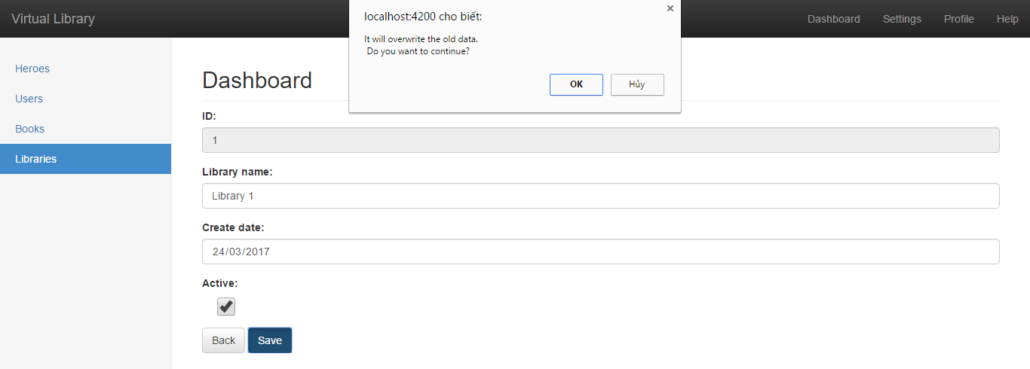
S001 |  |  | Project Name |  |  |  |  |  |  |  |  | Process
 |  |  |  |  |  |  |  |  |  |  |  | Screen Design
Screen ID |  |  |  | SCR_VLMS_LIB_002 |  | Function name |  | Edit a library |  |  |  | Create Date |  | 2017-03-15 | Creator | LV Khang
 |  |  |  |  |  |  |  |  |  |  |  | Update Date |  | 2017-03-18 | Updater | NCT Huy

1. Overview
 | The screen shows a list information such as library admin's name, library creation dates and activity status for user to edit and seve to database

2. Screen Design

 | 2.1. Screen image

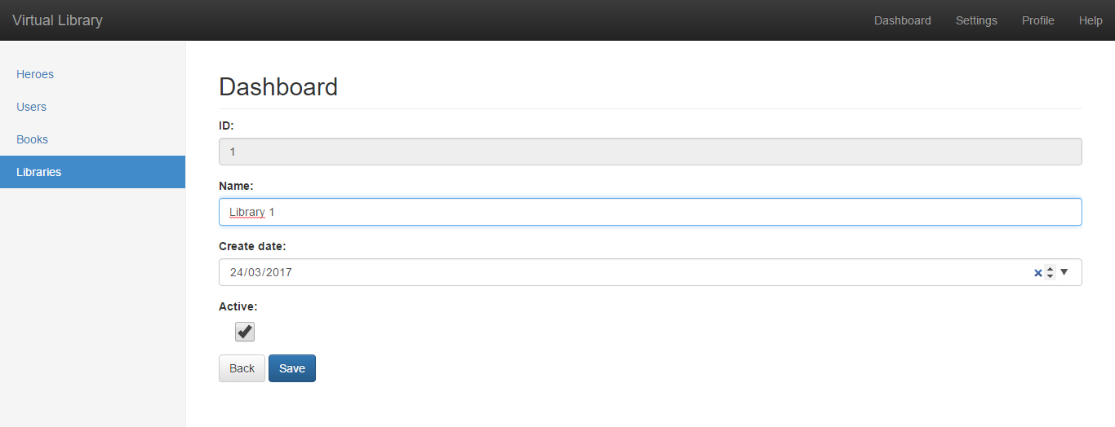

 | 2.2. Screen items
 | # | Item name |  |  | Control |  | Data type | I/O | Required | Default Value | Range Value |  | Description
 | 1 | ID |  |  | Disabled Edit |  | Number | O | X |  |  |  | Library's ID
 | 2 | Library name |  |  | TextView |  | Text | I | X |  |  |  | Library admin's name
 | 3 | Create date |  |  | Dateime Picker |  | Date | I |  |  |  |  | Date of library creation
 | 4 | Active |  |  | Checkbox |  | Boolean | I |  |  |  |  | If a library is still active
 | 5 | Back |  |  | Button |  | Text | I |  |  |  |  | Go back to list of libraries screen
 | 6 | Save |  |  | Button |  | Text | I |  |  |  |  | Save change and go back

 | 2.3. Main screen interaction
 |  | Edit the Lib name, Create day, check/uncheck Active status
 |  | Click "Back" to go back to list of libraries screen
 |  | Click "Save" to save change and go back

 | 2.4 Event description
 |  | Click on "Save" button, check if library name isnot empty and create date is valid, if not, error message will be displayed
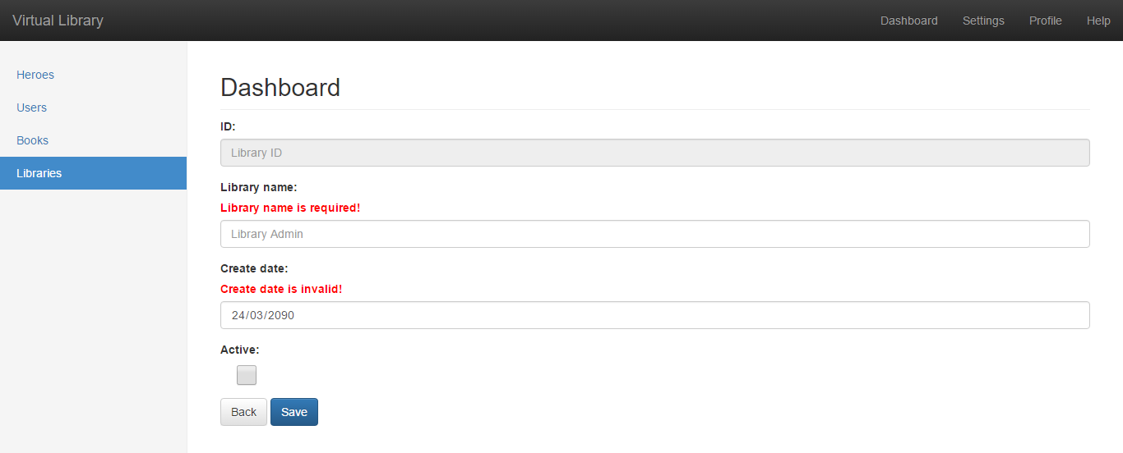

 |  |  | Click on "Save" button, check if library name isnot empty and create date is valid.
 |  |  | If everything is valid, a dialog will show to confirm update current data

Add new library
S001 |  |  | Project Name |  |  |  |  |  |  |  |  | Process
 |  |  |  |  |  |  |  |  |  |  |  | Screen Design
Screen ID |  |  |  | SCR_VLMS_LIB_003 |  | Function name |  | Add a library |  |  |  | Create Date |  | 2017-03-15 | Creator | LV Khang
 |  |  |  |  |  |  |  |  |  |  |  | Update Date |  | 2017-03-18 | Updater | NCT Huy

1. Overview
 | The screen shows a list information such as library admin's name, library creation dates and activity status for user to add new a library

2. Screen Design

 | 2.1. Screen image
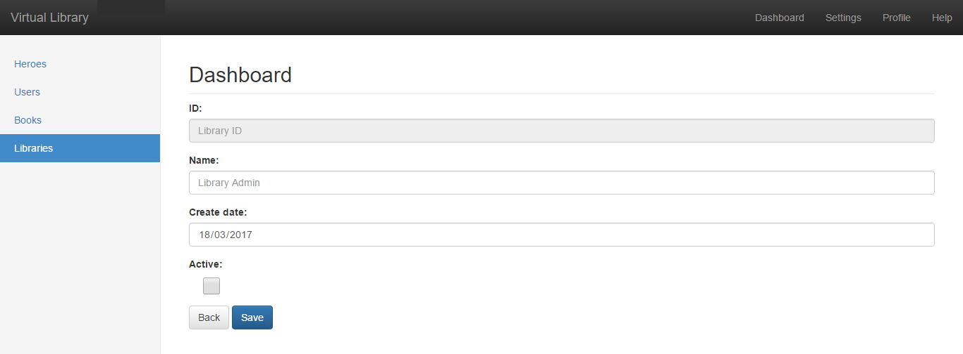

 | 2.2. Screen items
 | # | Item name |  |  | Control |  | Data type | I/O | Required | Default Value | Range Value |  | Description
 | 1 | ID |  |  | Disabled Edit |  | Number | O | X | Lib ID |  |  | Library's ID
 | 2 | Name |  |  | TextView |  | Text | I | X | Lib Admin |  |  | Library admin's name
 | 3 | Create date |  |  | Dateime Picker |  | Date | I |  | Today |  |  | Date of library creation
 | 4 | Active |  |  | Checkbox |  | Boolean | I |  | Uncheck |  |  | If a library is still active
 | 5 | Back |  |  | Button |  | Text | I |  |  |  |  | Go back to list of libraries screen
 | 6 | Save |  |  | Button |  | Text | I |  |  |  |  | Save change and go back

 | 2.3. Main screen interaction
 |  | Edit the Lib name, Create day, check/uncheck Active status
 |  | Click "Back" to go back to list of libraries screen
 |  | Click "Save" to add new library and go back

 | 2.4 Event description
 |  | Click on "Save" button, check if library name isnot empty and create date is valid, if not, error message will be displayed

