FullEmployeeMaster
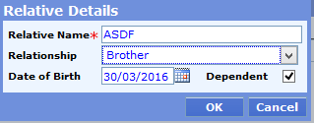
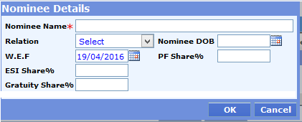
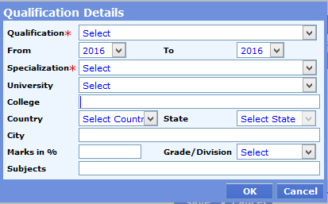
 |  |  |  |  |  |  |  |  |  |  |  |  |  |  |  |  |  |  |  |  |  |  |  | will depend on the conditon of userid |  | will depend on the conditon OTP requirement
Emp Code | Status | Title | First Name | Middle Name | Last Name | Designation | Location | Company Name | Business Unit | Function | Grade | Level | Role | Type of Employee | Manager | Supervisor | Gender | DOJ | DOB | Nationality | Marital Status | Anniversary Date | Blood Group | Company Email | Personal Email | Mobile | Work Phone | Work Phone Ext | Present Address-Street | Present Address-City | Present Address-State | Present Address-Pin | Present Address-Country | Present Address-Phone | Permanent Address-Street | Permanent Address-City | Permanent Address-State | Permanent Address-Pin | Permanent Address-Country | Permanent Address-Phone | Work Location | Salary Bank Code | Salary IFSC Code | Salary Acc. No | Reim. Bank Code | Reim. IFSC Code | Reim. Acc. No | Pan No. | Aadhar Card No.
EA1202 |  | Mr. | zzzz | Kr | axax | Manager | New Delhi | First People | zaza | zxc | Ms-c | Ms-c | CEO | Regular | 2413 | 2411 | Male | 2000-12-01 | 1975-06-13 | Indian | Married | 1999-06-10 | O+ve | monika33@employwise.com | xyz@hotmail.com | 9810202159 | 011-23412222 | 201 | 23/12 Main Street | New Delhi | Delhi | 110 065 | India | 011 - 6328196 | 23/12 Main Street | New Delhi | Delhi | 110 065 | India | 011-6328196 | Gurgaon | SBI001 | SB987001 | 111000101098 | SBI001 | SB987001 | 111000101098 | AK8V765F94 | JHN267893676

