Sayfa1
EXHAUST VALVE CONDITION REPORT
VESSEL | {VesselName} |  | ENGINE TYPE |  | 7S50MC-C | DATE | {NN}
O/H NO: | {NN} | Mou To cyl |  | De-Mounted fr Cyl. |  | BUILDER/NO | {BuilderNo}
VALVE DISMOUNTED FROM CYL. |  |  |  |  | ENGINE HOURS TOTAL |  | VALVE NO
BOTTOM PIECE |  |  |  | HOUSING
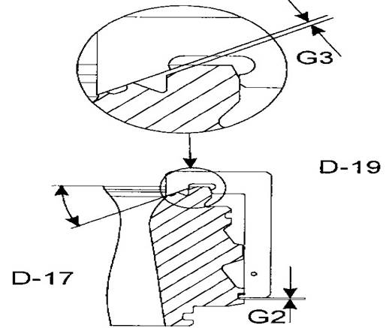
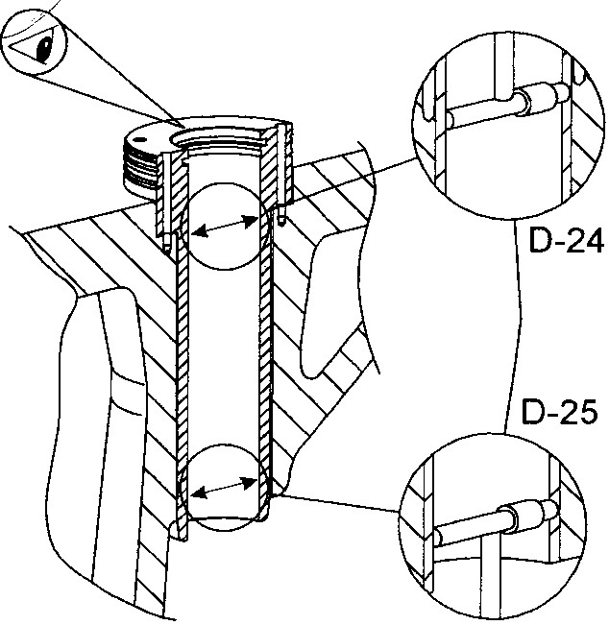

Seri No: | {NN} |  | Date:
Work. H.
G2 (min = 0 mm) |  |  | Mou. To V:
G3 ( must be 1 mm) |  |  |  | D 24 |  | D 25
SPINDLE
Seri No: |  |  | Work. Hour |  | Mounted to Valve No: |  | Date:
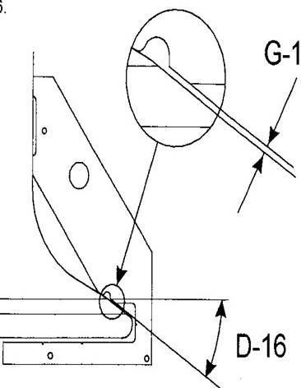
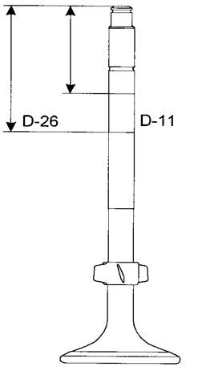
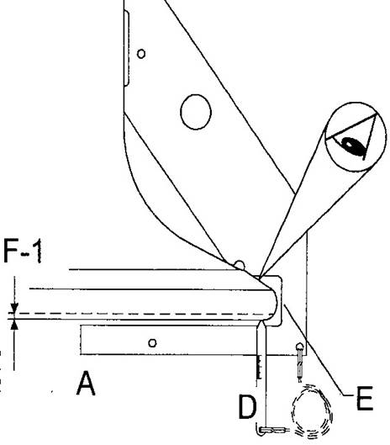
 |  |  |  |  |  |  | A

 |  |  |  |  |  |  | B

 |  |  |  |  |  |  | C

 |  |  |  |  |  |  | D

 |  |  |  |  |  |  | E
 |  |  | D 11
G 1 |  |  | D 26
HYD. ACTUATOR
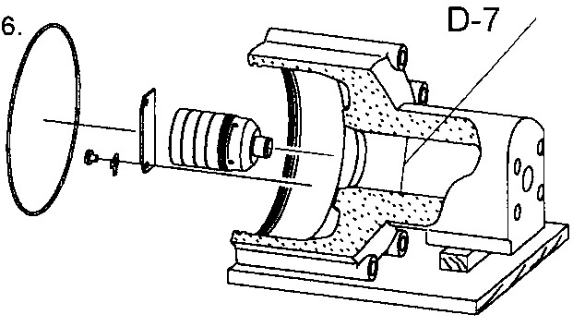
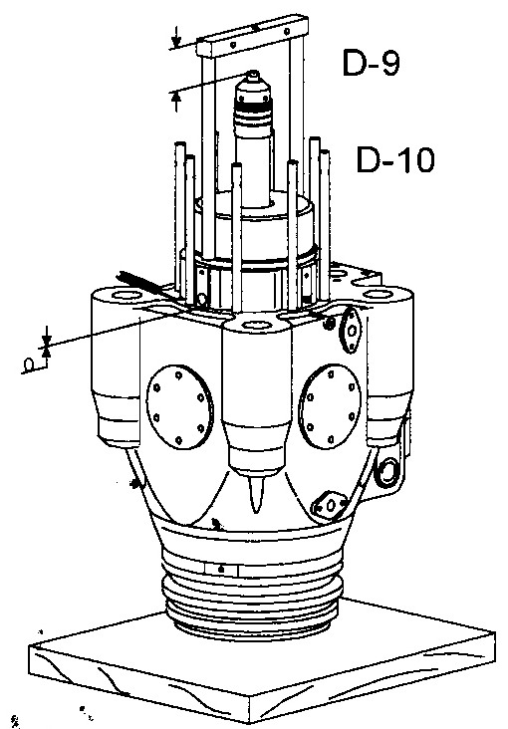

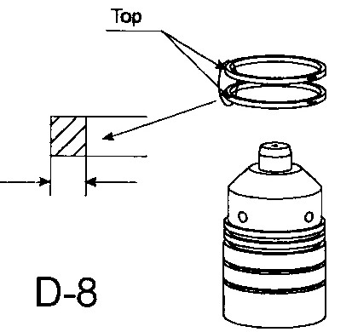
 |  |  |  | D 7

 |  |  |  | D 8

 |  |  |  | D 9

 |  |  |  |  |  |  |  | {END}

