Calculation tank cost
Model Input | Variable Name | Value | Units | Description | Source ID | Notes
Storage Tank
 | tank_insulation | 251.62895115 | $/m2 | cost of tank insulation, which applies to the surface area of 2 cylindrical tanks | [9] | 2015 CEPI to 2020 CEPI | Reference System [11] |  |  | Table 1: Component costs for direct, two-tank molten salt TES system (base case) [11]
 | tank_foundation | 1295.621408 | $/m2 | cost of tank foundation, which applies just to the bottom area of the tank | [9] | 2015 CEPI to 2020 CEPI | Power Output | 100 | MW_e | Component | Total Cost (Materials + Installation Costs, in $/kWh_th) in 2011 | Total Cost (Materials + Installation Costs, in $/kWh_th) in 2023 USD
 | hottank_material | 7.0241954023 | $/kg | cost of tank shell material (stainless steel), which applies to the entire surface area at a specified design thickness | [9], [11] | 2015 CEPI to 2020 CEPI | Rankine System Efficiency | 0.45 | [0 - 1] | High-temperature tank - stainless steel | 7.04 | 9.42
 | coldtank_material | 0.59962643678 | $/kg | cost of tank shell material (carbon steel), which applies to the entire surface area at a specified design thickness | [9], [11] | 2015 CEPI to 2020 CEPI | Storage Hours | 6 | hours | Low-temperature tank - carbon steel | 3.14 | 4.20
 | solar_salt | 1.3 | $/kg | cost of the solar salt storage material | [9], [10], [11] | Characteristics for Solar Salt (NaNO3:KNO3) at 60:40 ratio from [10], 2020 |  |  |  | Tank supports, foundations, and site work | 2.65 | 3.55
 | salt_density | 1835.6 | kg/m3 | salt density | [9], [10], [16] | Characteristics for Solar Salt (NaNO3:KNO3) at 60:40 ratio | Assumptions | Value | Source | Storage Medium | 12.1 | 16.20
 | hottank_shell_density | 7959.5 | kg/m3 | density of hot tank shell material | [9], [17] |  | CPI in 2023 | 127.02 | [14] | Electrical and Instrumentation | 0.9 | 1.20
 | coldtank_shell_density | 7850 | kg/m3 | density of cold tank shell material (carbon steel) | [17] |  | CPI in 2011 | 94.9 | [14] | Pipes,valves, and fittings | 0.39 | 0.52
 | delta | 0.00635 | m | design thickness of shells | [15] |  | CEPI in 2015 | 556.8 | [38]
 | h_0 | 12 | m | maximum tank height | [15] |  | CEPI in 2020 | 596.2 | [38]
Calculations
 | deltaT | 277 | K | temperature difference of the hot salt and cold salt
 | cp | 1.56 | kJ/kgK | specific heat capacity of solar salt
 | h_1 | 12.00635 | m | total height including the design thickness of the shell
 | n_tanks | 2 | tanks | number of tanks |  |  |  | Value | Source
 | MWh_t | 1 | MWh_t | adjustable input
 | Q | 3600000 | kJ | thermal capacity (variable) which is equal to 1000 MWh_t |  |  | Reference Temperature (Celcius) | 400 | Using reference temperature from [16]
 | m_s | 4165.5095807 | kg | kg of salt per tank |  |  | Calculating density at reference temperature (kg/m3) | 1835.6 | Calculated using equation from [10]
 | r_0 | 0.24534628422 | m | inner radius of one tank |  |  | Density of stainless steel 304 (kg/m3) | 7930 | [17]
 | r_1 | 0.25169628422 | m | outer radius of one tank |  |  | Density of stainless steel 316 (kg/m3) | 7989 | [17]
 | area_insulation | 18.687781557 | m2 | area of one tank insulation |  |  | Calculating Density of hot tank material (kg/m3) | 7959.5 | Calculated the average
 | area_foundation | 0.25340407796 | m2 | area of one tank foundation material (square)
 | V_shell | 0.12277809246 | m3 | volume of the cylindrical shell
 | m_cold_shell | 1.5640521332E-05 | kg | mass of cold tank material
 | m_hot_shell | 1.5425352404E-05 | kg | mass of hot tank material
 | cost_coldtank | 10445.865076 | $ | cost of the cold tank given Q
 | cost_hottank | 10445.865184 | $ | cost of hot tank given Q
 | cost_tank | 20891.73026 | $ | total cost of tanks given Q
 | Final Calculation for cost_tank | 20.89 | $1k/MWh_t | value for cost_tank parameter in "Parameters" sheet
 | Final Calculation for pipes and valves costs | 4.66 | $1k/MW_e | value for pipes_valves_cost in "Parameters" sheet
 | footprint with buffer | 660.34566481 | m2 | for both tanks with 10 m buffer | [33]

 |  | percentage breakdown
 |  | 0.51840248899 | material
 |  | 0.48159751101 | tank related components
 | Checking Linearity
 | MWh_t | total cost ($1k)
 | 200 | 2423
 | 1000 | 11777
 | 3000 | 34983
 | 4000 | 46559

Calculation heat exchanger
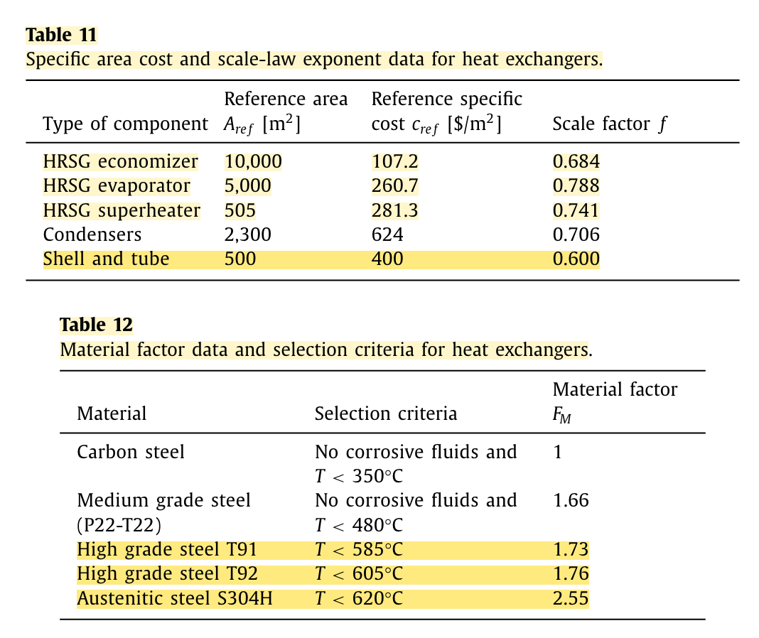
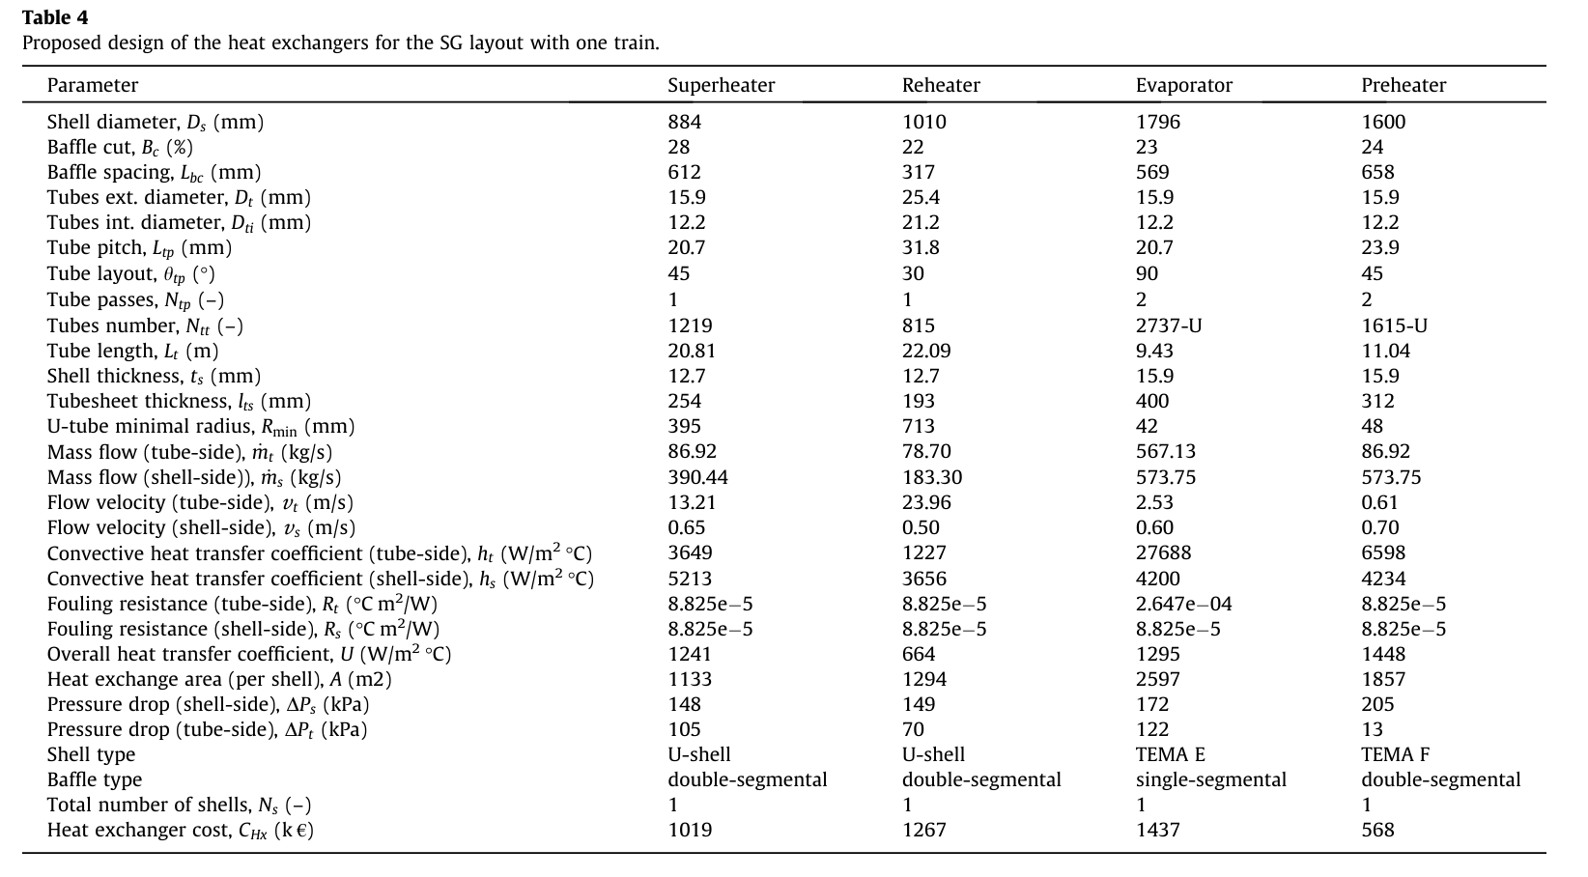
 |  |  |  |  |  |  |  |  |  |  |  |  | c_base | 4000 |  |  | Source:
Model Input | Variable Name | Value | Units | Description | Source ID | Notes |  |  |  |  |  | superheater | c_base_1 | 434.69289 | $1k | includes material factor and pressure factors from the tube side only | [35]
Storage Component: Heat Exchanger |  |  |  |  |  |  |  |  |  |  |  | evaporator | c_base_2 | 2752.992 | $1k |  | [35]
 | steam_temp_low | 50 | Celcius | input steam temperature for supercritical Rankine system | [19] | 241.7 |  |  |  |  |  | economizer | c_base_3 | 2225.472 | $1k |  | [35]
 | steam_temp_high | 550 | Celcius | peak steam temperature for supercritical Rankine system | [19] | 550 |  |  |  |  |  |  | UA_base |  |  |  | [35]
 | salt_temp_high | 565 | Celcius | minimum temperature of salt (solar salt mixture) | [19] | 679 |  |  |  |  |  | superheater | UA_base_1 | 0.626705 | MW/K | MJ/s-K | [35]
 | salt_temp_low | 290 | Celcius | maximum temperature of salt (solar salt mixture) | [19] | 586 |  |  |  |  |  | evaporator | UA_base_2 | 6.475 | MW/K |  | [35]
 | Duty | 3400 | MW_t = MJ/s | one shell and tube heat exchanger | [19] |  |  |  |  |  |  | economizer | UA_base_3 | 14.48 | MW/K |  | [35] |  |  |  |  |  | MW/K | m2
 | CPI ratio | 1.3688232064 |  | CPI in 2023/CPI in 2010 | [21] |  | U | 0.07 | kW/m2-K |  |  |  | n_HX | 0.6 |  |  | [35] | U_1 | 1.241 | kW/m2 K | superheater | [36] | 5.4 | 4351.3295729 | 3.6139516129
 | U | 3804.16 | W/m^2 K | Supercritical Rankine Cycle overall heat T/F coefficient for KF-ZrF4 secondary heat exchanger |  |  |  |  |  |  |  |  | n_HX_1 | 0.741 |  |  | [35] | U_2 | 1.295 | kW/m2 K | evaporator | [36] | 2.9 | 2239.3822394
 | A | 4871.92 | m^2 | Supercritical Rankine Cycle heat T/F surface area for KF-ZrF4 secondary heat exchanger |  |  |  |  |  |  |  |  | n_HX_2 | 0.788 |  |  | [35] | U_3 | 1.448 | kW/m2 K | economizer / preheater | [36] | 4 | 2762.4309392
 | unit_cost_MS | 4000000 | $ | molten salt HX cost for 1000 MWh_t system | [9] |  | Source: [35] |  |  |  |  |  | n_HX_3 | 0.684 |  |  | [35]
 | unit_cost | 301,693,000 | $ | one shell and tube heat exchanger total cost in USD 2010 | [19]
Calculations |  |  |  |  |  |  | power_out | 510 | 930 | MW | Notes
 | deltaT_A | 15 | K | temperature difference between two streams at end A |  |  | deltaT_LM | 228.03882692 | 228.03882692 | K
 | deltaT_B | 240 | K | temperature difference between two streams at end B |  |  | UA | 6.3898892869 | 11.652151053 | MW/K
 | deltaT_LM | 81.15159605 | K | log mean temperature difference of the heat exchanger |  |  | c_hx | 6196839.1823 | 8886236.9439 | $
 | UA_base_1 | 41.896896247 | MW_t/K | used to estimate the UA_base for KF-ZrF4 | [19] |  | unit_cost | 12151 | 9555 | $/MW
Final Calculations | c_base | 4000 | $1k | $1k in USD 2023 | [9]
 | UA_base | 3.08 | MW/K | UA value associated with this particular heat exchanger | [9]

Calculation salt pumps
Hot Pump
Model Input | Variable Name | Value | Units | Description | Source ID | Notes | cost hot pump ($) | cost cold pump ($) | hot pump rated power (kW_e) | cold pump rated power (kW_e) | hot pump unit cost ($/kW_e) | cold pump unit cost ($/kW_e) | hot pump ($/MW_e) | cold pump ($/MW_e)
Calculations for Salt Pumps |  |  |  |  |  |  | 577300.04603 | 233007.1844 | 300 | 150 | 1924.33 | 1553.38 | 1374.7891846 | 3437.7904238
 | hotpump_slope | 2.1609989383 | $1k/kW_e |  | [23] |  | 608497.80536 | 249649.81897 | 320 | 170 | 1901.56 | 1468.53 | 1358.5161554 | 3250.0023772
 | hotpump_intercept | 233.18864965 | $1k |  | [23] |  | 639337.62845 | 265434.14855 | 340 | 190 | 1880.40 | 1397.02 | 1343.4054882 | 3091.751203
 | coldpump_slope | 0.71587705258 | $1k/kW_e |  | [23] |  | 669844.3496 | 280488.51636 | 360 | 210 | 1860.68 | 1335.66 | 1329.31274 | 2955.9503498
Cold pump
 | coldpump_intercept | 302.26857735 | $1k |  | [23] |  | 700039.79981 | 294911.82943 | 380 | 230 | 1842.21 | 1282.23 | 1316.1182303 | 2837.6949137
 |  |  |  |  |  |  | 729943.30875 | 308782.2609 | 400 | 250 | 1824.86 | 1235.13 | 1303.7217472 | 2733.4660147
 |  |  |  |  |  |  | 759572.10179 | 322162.89319 | 420 | 270 | 1808.51 | 1193.20 | 1292.0385875 | 2640.6637107
Calculations for Cost of Heater |  |  |  |  |  |  | 788941.61826 | 335105.5236 | 440 | 290 | 1793.05 | 1155.54 | 1280.9965485 | 2557.3191637
 | Charging capital cost | 3.3 | $/kW_e | cost of resistive heater in kW_e | [25] | 2020 cost | 818065.76926 | 347653.3156 | 460 | 310 | 1778.40 | 1121.46 | 1270.5336109 | 2481.9099856
 | Efficiency down | 0.55 | [0 - 1] | efficiency down fraction | [25] | 2020 cost | 846957.14864 | 359842.69745 | 480 | 330 | 1764.49 | 1090.43 | 1260.5961317 | 2413.2376834
 | Converted charging capital cost | 1.815 | $1k/MW_th | Convert the charging capital cost by multiplying by the discharge efficiency and scale to match the units | [25] |  | 875627.20735 | 371704.75435 | 500 | 350 | 1751.25 | 1062.01 | 1251.1374174 | 2350.3439205
 |  |  |  |  |  |  | 904086.39865 | 383266.27017 | 520 | 370 | 1738.63 | 1035.85 | 1242.1165875 | 2292.4518402
 |  | source |  |  |  |  | 932344.29996 | 394550.52118 | 540 | 390 | 1726.56 | 1011.67 | 1233.4976593 | 2238.9240369
1803 | kg/m3 solar salt density |  |  |  |  |  | 960409.71593 | 405577.89031 | 560 | 410 | 1715.02 | 989.21 | 1225.2488044 | 2189.2318592
760 | m3/h from the pumps | https://www.sciencedirect.com/science/article/pii/S0038092X06000806 |  |  |  |  | 988290.76613 | 416366.34941 | 580 | 430 | 1703.95 | 968.29 | 1217.3417408 | 2142.9325998
380.63333333 | max flow rate (kg/s) |  |  |  |  |  | 1015994.96 | 426931.84244 | 600 | 450 | 1693.32 | 948.74 | 1209.751231 | 2099.6522824
 |  |  |  |  |  |  | 1043529.2618 | 437288.5937 | 620 | 470 | 1683.11 | 930.40 | 1202.4546653 | 2059.0724882
 |  |  |  |  |  |  | 1070900.1458 | 447449.35802 | 640 | 490 | 1673.28 | 913.16 | 1195.431714 | 2020.9201486
CEPI in 2002 | 395.6 | [38] |  |  |  |  | 1098113.6457 | 457425.62597 | 660 | 510 | 1663.81 | 896.91 | 1188.6640341 | 1984.9595431
CEPI in 2020 | 596.2 | [38] |  |  |  |  | 1125175.3966 | 467227.79352 | 680 | 530 | 1654.67 | 881.56 | 1182.1350221 | 1950.985961
 |  |  |  |  |  |  | 1152090.6725 | 476865.30343 | 700 | 550 | 1645.84 | 867.03 | 1175.8296033 | 1918.8206319
 |  |  |  |  |  |  | 1178864.4188 | 486346.76387 | 720 | 570 | 1637.31 | 853.24 | 1169.734052 | 1888.3066358 | Sizing for TX coal plants
 |  |  |  |  |  |  | 1205501.2814 | 495680.04878 | 740 | 590 | 1629.06 | 840.14 | 1163.8358375 | 1859.305576 | capsize | 510 | MW | 930
 |  |  |  |  |  |  | 1232005.6327 | 504872.38304 | 760 | 610 | 1621.06 | 827.66 | 1158.1234905 | 1831.694851 | hot pump sub | 714 | kWe | 1139.0301818
 |  |  |  |  |  |  | 1258381.5941 | 513930.41543 | 780 | 630 | 1613.31 | 815.76 | 1152.5864886 | 1805.3654044 | cold pump sub | 230 | kWe | 420.22472727
 |  |  |  |  |  |  | 1284633.0568 | 522860.28126 | 800 | 650 | 1605.79 | 804.40 | 1147.2151558 | 1780.2198535 | 1259.6969954 | 2459.4324351
 |  |  |  |  |  |  | 1310763.6997 | 531667.65653 | 820 | 670 | 1598.49 | 793.53 | 1142.0005751 | 1756.1709265
 |  |  |  |  |  |  | 1336777.0062 | 540357.80495 | 840 | 690 | 1591.40 | 783.13 | 1136.9345127 | 1733.1401475
 |  |  |  |  |  |  | 1362676.2789 | 548935.61885 | 860 | 710 | 1584.51 | 773.15 | 1132.0093504 | 1711.0567255
 |  |  |  |  |  |  | 1388464.6527 | 557405.65511 | 880 | 730 | 1577.80 | 763.57 | 1127.2180264 | 1689.8566104
 |  |  |  |  |  |  | 1414145.1075 | 565772.16665 | 900 | 750 | 1571.27 | 754.36 | 1122.5539836 | 1669.4816871
 |  |  |  |  |  |  | 1439720.4786 | 574039.1302 | 920 | 770 | 1564.91 | 745.51 | 1118.0111228 | 1649.8790848
 |  |  |  |  |  |  | 1465193.4668 | 582210.27099 | 940 | 790 | 1558.72 | 736.98 | 1113.5837616 | 1631.0005819
 |  |  |  |  |  |  | 1490566.6478 | 590289.08449 | 960 | 810 | 1552.67 | 728.75 | 1109.2665982 | 1612.8020919
 |  |  |  |  |  |  | 1515842.4802 | 598278.85596 | 980 | 830 | 1546.78 | 720.82 | 1105.054678 | 1595.2432171
 |  |  |  |  |  |  | 1541023.313 | 606182.67779 | 1000 | 850 | 1541.02 | 713.16 | 1100.9433648 | 1578.2868595
 |  |  |  |  |  |  | 1566111.3931 | 614003.46507 | 1020 | 870 | 1535.40 | 705.75 | 1096.9283141 | 1561.8988818
 |  |  |  |  |  |  | 1591108.871 | 621743.9696 | 1040 | 890 | 1529.91 | 698.59 | 1093.0054496 | 1546.0478088
 |  |  |  |  |  |  | 1616017.8072 | 629406.79247 | 1060 | 910 | 1524.55 | 691.66 | 1089.1709419 | 1530.704566
 |  |  |  |  |  |  | 1640840.1771 | 636994.39545 | 1080 | 930 | 1519.30 | 684.94 | 1085.4211893 | 1515.8422485
 |  |  |  |  |  |  | 1665577.8768 | 644509.11125 | 1100 | 950 | 1514.16 | 678.43 | 1081.7527999 | 1501.4359162
 |  |  |  |  |  |  | 1690232.7268 | 651953.15286 | 1120 | 970 | 1509.14 | 672.12 | 1078.1625765 | 1487.4624128
 |  |  |  |  |  |  | 1714806.4768 | 659328.62204 | 1140 | 990 | 1504.22 | 665.99 | 1074.6475015 | 1473.9002049
 |  |  |  |  |  |  | 1739300.8096 | 666637.51702 | 1160 | 1010 | 1499.40 | 660.04 | 1071.2047243 | 1460.7292373
 |  |  |  |  |  |  | 1763717.3447 | 673881.73952 | 1180 | 1030 | 1494.68 | 654.25 | 1067.8315493 | 1447.9308057
 |  |  |  |  |  |  | 1788057.6417 | 681063.10126 | 1200 | 1050 | 1490.05 | 648.63 | 1064.5254249 | 1435.4874407
 |  |  |  |  |  |  | 1812323.2034 | 688183.32976 | 1220 | 1070 | 1485.51 | 643.16 | 1061.2839335 | 1423.3828052
 |  |  |  |  |  |  | 1836515.4791 | 695244.0738 | 1240 | 1090 | 1481.06 | 637.84 | 1058.1047828 | 1411.6016011

