Лист2
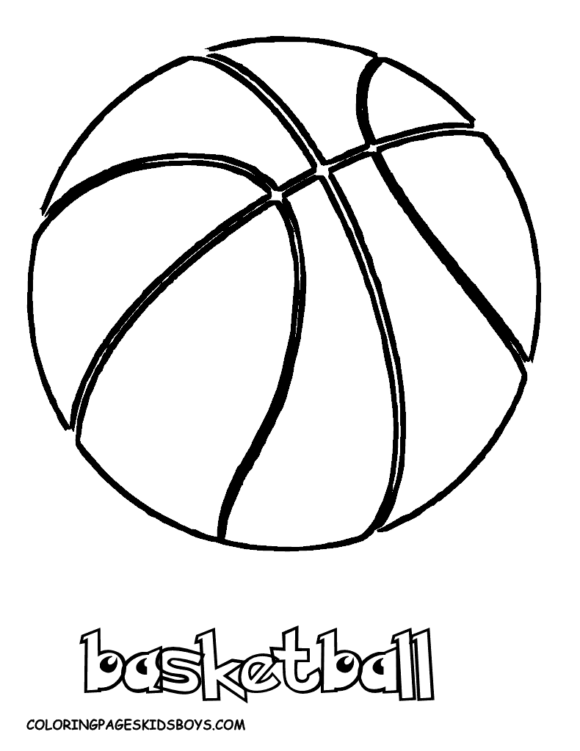
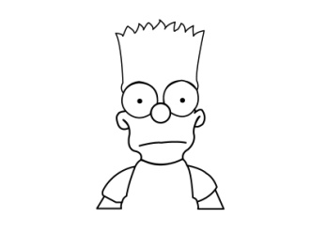

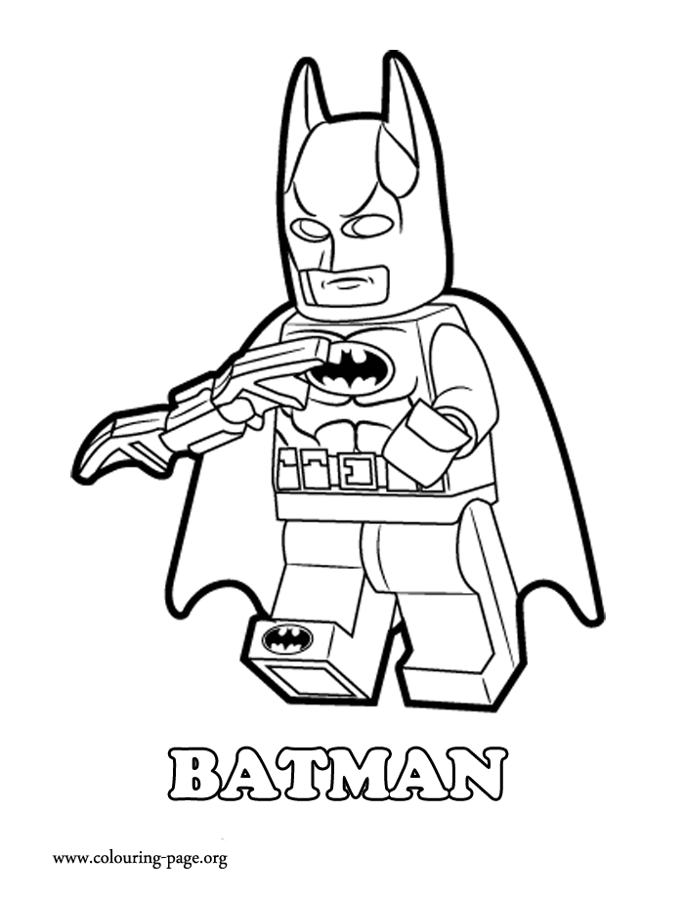
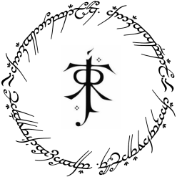

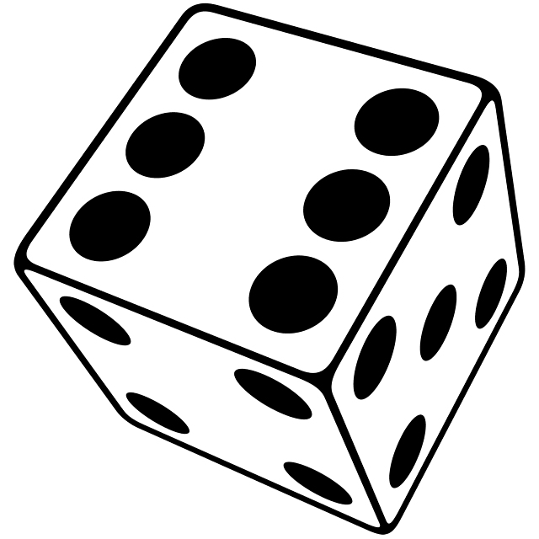

25

Лист3
Hard
Write
Random
Sport
Middlearth
Star Wars
Tech
Hero
Villain
Movie
Basic

123

blitz
three-clue
classic
charades
pictionary

