how-to
ver. 1.0 | How to use VBAProfiler framework - Press ALT+F11 to see the code |  |  |  | Have a questions? Visit: | https://github.com/sergey-frolov-pets/excel-helpers

 | VBAProfiler - VBA framework for testing VBA code performance |  |  |  |  |  | This program is free software: you can redistribute it and/or modify
 | Contains: |  |  |  |  |  | it under the terms of the GNU General Public License as published by
 | CProfiler.cls |  | VBA profiler object for monitoring VBA code productivity |  |  |  | the Free Software Foundation, either version 3 of the License, or
 | MProfiler.bas |  | "Sugar" wrappers for VBA profiler object |  |  |  | (at your option) any later version.
 | COmniLogger.cls |  | OmniLogger object for logging events from VBA code
 | CJSONWriter.cls |  | Class to create JSON files |  |  |  | This program is distributed in the hope that it will be useful,
 | MSupport.bas |  | functions from https://github.com/sergey-frolov-pets/excel-helpers snippets, which necessary for VBAProfiler framework |  |  |  | but WITHOUT ANY WARRANTY; without even the implied warranty of
 |  |  |  |  |  |  | MERCHANTABILITY or FITNESS FOR A PARTICULAR PURPOSE. See the
 |  |  |  |  |  |  | GNU General Public License for more details.

 |  |  |  |  |  |  | You should have received a copy of the GNU General Public License
 | VBAProfiler object (see CProfiler.cls) contains next key methods: |  |  |  |  |  | along with this program. If not, see | https://www.gnu.org/licenses/

 | Public Methods
 | sessions | startSession | creates new logging stream (logDebug, logRange, logTXT/logCSV) with additional options (header,delimiter,timestamp, etc.). logTXT and logCSV are synonyms.
 | start/stop | stopSession | for logTXT/logCSV and logRange options starts log from beginning (deletes previous records and starts from record 1)
 | logging | p_ | for logTXT/logCSV and logRange options continues logging from the last position
 | reporting | toDebug | for logTXT/logCSV and logRange options deletes previous records for logDebug option add empty line to Immediate window
 |  | toTXT | records current log header (you can setup header using initLog() sub or change it via header() property)
 |  | toJSON | records new log line - it can be one Value (.log Value_1), or ParamArray of Values (.log Value_1, Value_2, …, Value_N)
 |  | toCSV | records new log line from array (.logArray arrayOfValues)
 |  | toRange | closes log-file for options logTXT/logCSV

 | How to test examples:
 |  | 1. Press ALT+F11 to open VBA IDE
 |  | 2. Go to MTests.bas
 |  | 3. Run procedure testProfilerAndReportTypes() to see how it works (comment/uncomment necessary log stream init procedure before run)
 |  | IMPORTANT! Do not forget to create 'logs' folder near vba-profiler.xlsm to avoid errors related to files creation into this folder

 | How to use VBAProfiler framework in your project:
 |  | Just copy five modules: CProfiler.cls, MProfiler.bas, COmniLogger.cls, CJSONWriter.cls and MSupport.bas from current project and start measure your code productivity.

 | Typical code optimization workflow using VBA Profiler:
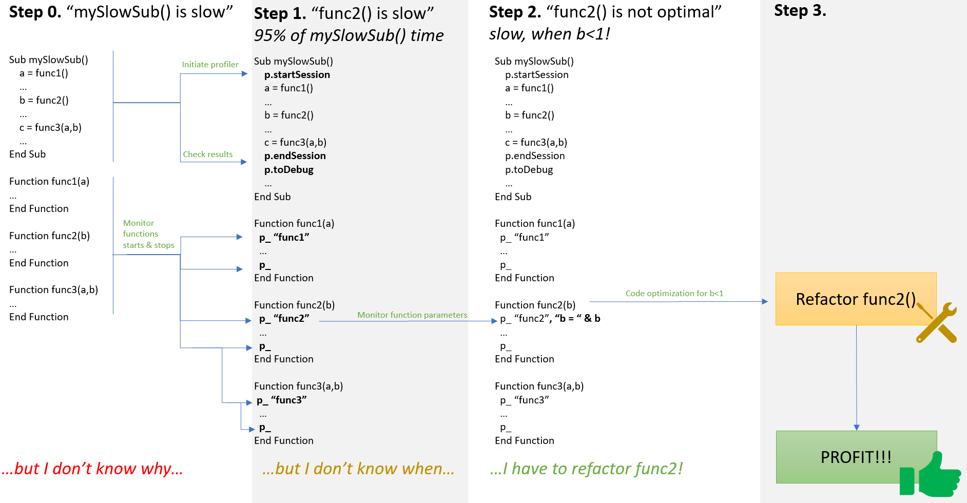

 | Report types samples:

 | toRange: |  |  |  |  |  | toDebug (inTabularForm = False):
 |  |  |  |  |  |  | PROFILER SESSION INFO:
 |  |  |  |  |  |  | ----------------------
 |  |  |  |  |  |  | Session started @2023-12-13 17:25:07.747
 |  |  |  |  |  |  | MTestCProfiler.testProfilerAndReportTypes: 1 run(s) with min 1953ms, max 1953ms, avg 1953ms, total 1953ms, share of session 100%
 |  |  |  |  |  |  | testProfilerProc1: 2 run(s) with min 31ms, max 32ms, avg 32ms, total 63ms, share of session 3%
 |  |  |  |  |  |  | testProfilerProc2: 2 run(s) with min 921ms, max 969ms, avg 945ms, total 1890ms, share of session 97%
 |  |  |  |  |  |  | testProfilerProc3: 4 run(s) with min 453ms, max 500ms, avg 472ms, total 1890ms, share of session 97%
 |  |  |  |  |  |  | Session stopped @2023-12-13 17:25:09.713

 |  |  |  |  |  |  | CALLS TREE:
 |  |  |  |  |  |  | -----------
 |  |  |  |  |  |  | MTestCProfiler.testProfilerAndReportTypes
 |  |  |  |  |  |  | testProfilerProc1 // p1 done!<-
 |  |  |  |  |  |  | testProfilerProc2 // p2 closed<-
 |  |  |  |  |  |  | testProfilerProc3 // ->f =5
 |  |  |  |  |  |  | testProfilerProc3 // ->f =10
 |  |  |  |  |  |  | testProfilerProc2 // p2 closed<-
 |  |  |  |  |  |  | testProfilerProc3 // ->f =5
 |  |  |  |  |  |  | testProfilerProc3 // ->f =10
 |  |  |  |  |  |  | testProfilerProc1 // p1 done!<-

 |  |  |  |  |  |  | PROCEDURES:
 |  |  |  |  |  |  | -----------
 | toTXT: |  |  |  |  |  | PROCEDURE <<MTestCProfiler.testProfilerAndReportTypes>> INFO:
 | PROFILER SESSION INFO: |  |  |  |  |  | -------------------------------------------------------------
 | ---------------------- |  |  |  |  |  | Runs:
 | Session started @2023-03-23 15:59:37.779 |  |  |  |  |  | run#1: 1953ms share of session 100%
 |  | MTestCProfiler.testProfilerAndReportTypes: 1 run(s) with min 1610ms, max 1610ms, avg 1610ms, total 1610ms, share of session 100% |  |  |  |  | All runs: 1 run(s) with min 1953ms, max 1953ms, avg 1953ms, total 1953ms, share of session 100%
 |  | testProfilerProc1: 2 run(s) with min 32ms, max 47ms, avg 40ms, total 79ms, share of session 5%
 |  | testProfilerProc2: 2 run(s) with min 765ms, max 766ms, avg 766ms, total 1531ms, share of session 95% |  |  |  |  | PROCEDURE <<testProfilerProc1>> INFO:
 |  | testProfilerProc3: 4 run(s) with min 375ms, max 391ms, avg 383ms, total 1531ms, share of session 95% |  |  |  |  | -------------------------------------
 | Session stopped @2023-03-23 15:59:39.400 |  |  |  |  |  | Runs:
 |  |  |  |  |  |  | run#1: 32ms share of session 2% // p1 done!<-
 | CALLS TREE: |  |  |  |  |  | run#2: 31ms share of session 2% // p1 done!<-
 | ----------- |  |  |  |  |  | All runs: 2 run(s) with min 31ms, max 32ms, avg 32ms, total 63ms, share of session 3%
 | MTestCProfiler.testProfilerAndReportTypes
 |  | testProfilerProc1 | // p1 done!<- |  |  |  | PROCEDURE <<testProfilerProc2>> INFO:
 |  | testProfilerProc2 | // p2 closed<- |  |  |  | -------------------------------------
 |  |  | testProfilerProc3 | // ->f =5 |  |  | Runs:
 |  |  | testProfilerProc3 | // ->f =10 |  |  | run#1: 921ms share of session 47% // p2 closed<-
 |  | testProfilerProc2 | // p2 closed<- |  |  |  | run#2: 969ms share of session 50% // p2 closed<-
 |  |  | testProfilerProc3 | // ->f =5 |  |  | All runs: 2 run(s) with min 921ms, max 969ms, avg 945ms, total 1890ms, share of session 97%
 |  |  | testProfilerProc3 | // ->f =10
 |  | testProfilerProc1 | // p1 done!<- |  |  |  | PROCEDURE <<testProfilerProc3>> INFO:
 |  |  |  |  |  |  | -------------------------------------
 | PROCEDURES: |  |  |  |  |  | Runs:
 | ----------- |  |  |  |  |  | run#1: 468ms share of session 24% // ->f =5
 | PROCEDURE <<MTestCProfiler.testProfilerAndReportTypes>> INFO: |  |  |  |  |  | run#2: 453ms share of session 23% // ->f =10
 | ------------------------------------------------------------- |  |  |  |  |  | run#3: 469ms share of session 24% // ->f =5
 | Runs: |  |  |  |  |  | run#4: 500ms share of session 26% // ->f =10
 |  | run#1: 1610ms share of session 100% |  |  |  |  | All runs: 4 run(s) with min 453ms, max 500ms, avg 472ms, total 1890ms, share of session 97%
 | All runs: 1 run(s) with min 1610ms, max 1610ms, avg 1610ms, total 1610ms, share of session 100%
 |  |  |  |  |  |  | toDebug (inTabularForm = True):
 | PROCEDURE <<testProfilerProc1>> INFO:
 | -------------------------------------
 | Runs:
 |  | run#1: 47ms share of session 3% | // p1 done!<-
 |  | run#2: 32ms share of session 2% | // p1 done!<-
 | All runs: 2 run(s) with min 32ms, max 47ms, avg 40ms, total 79ms, share of session 5%

 | PROCEDURE <<testProfilerProc2>> INFO:
 | -------------------------------------
 | Runs:
 |  | run#1: 766ms share of session 48% | // p2 closed<-
 |  | run#2: 765ms share of session 48% | // p2 closed<-
 | All runs: 2 run(s) with min 765ms, max 766ms, avg 766ms, total 1531ms, share of session 95% |  |  |  |  |  | toJSON:
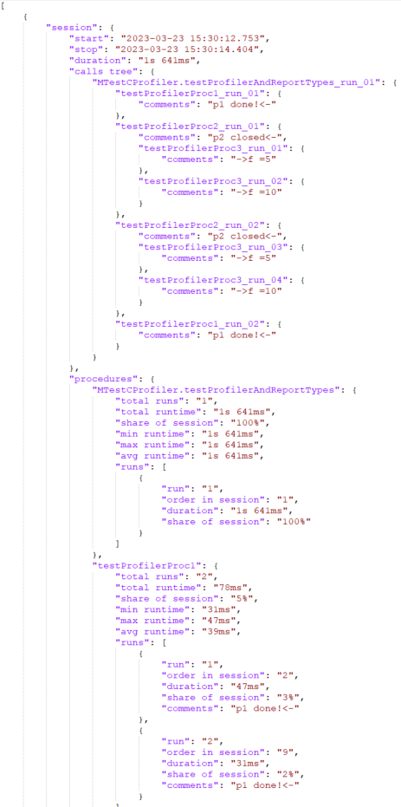
 | PROCEDURE <<testProfilerProc3>> INFO:
 | -------------------------------------
 | Runs:
 |  | run#1: 375ms share of session 23% | // ->f =5
 |  | run#2: 391ms share of session 24% | // ->f =10
 |  | run#3: 390ms share of session 24% | // ->f =5
 |  | run#4: 375ms share of session 23% | // ->f =10
 | All runs: 4 run(s) with min 375ms, max 391ms, avg 383ms, total 1531ms, share of session 95%

 | toCSV:

