NETWORKDAYS, WORKDAY
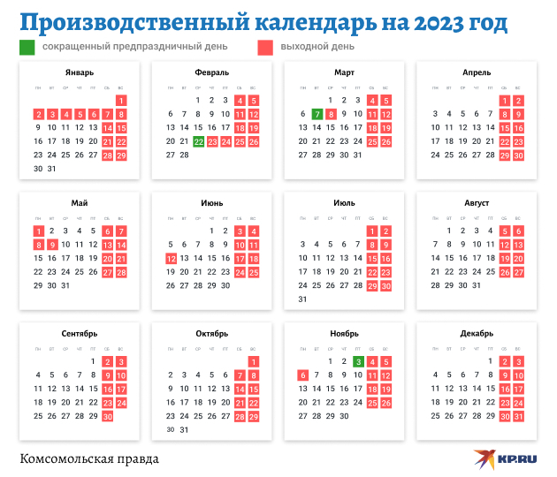
Fill the project management timetable

 |  |  |  | Now the Client rescheduled deadlines
Task | Start date | # of working days | End date | New end date | New # of working days | List of holidays
Design completed | 2023-01-15 | 8 |  | 2023-01-23
Admin training | 2023-01-26 | 13 |  | 2023-01-27
Address IT issues | 2023-02-14 | 12 |  | 2023-02-18
Initial build completed | 2023-03-02 | 13 |  | 2023-03-05
Data migration | 2023-03-21 | 7 |  | 2023-03-23
User training | 2023-03-30 | 13 |  | 2023-04-05
Testing | 2023-04-18 | 10 |  | 2023-04-20
Parallel run | 2023-05-03 | 8 |  | 2023-05-07
Sign-off | 2023-05-16 | 15 |  | 2023-05-23

Defined names
In addition to the standard reference to a cell (through its address), in formulas, you can use the cell names and ranges specified in advance by the User

Exmaple: | except | =А2*$C$2
 | possible | =А2*USD

How to?

Method 1. Fast

Step 1: select a cell or a range

Step 2: give it a certain name in the special window to the left of the formula bar. Always press Enter!

Method 2. Customized

Step 1: select a cell or a range

Step 2: Formulas tab - Defined names - Define Name
or
Right mouse click - Define name

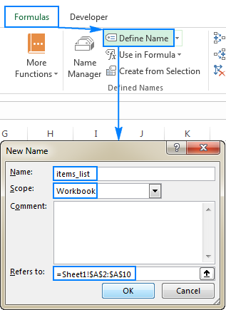
Step 3:

Name: | type the name of a cell or a range
Scope: | Workbook - use in any worksheet
 | *Worksheet name* - use only within the specified worksheet
Comment: | any corresponding description
Refers to: | references of selected cell(s)

Benefits of named ranges

Specific requirements

1. Do not use spaces
2. The name can begin with a letter, underscore (_), or backslash (\).
3. It is not possible to use any constants used in Excel as default such as R, C и RC.
4. You cannot give names that match the addressing of cells.
5. Lenghts should be less than 255 characters.

Examples

Recalculate your vacation spending in rubles. |  |  |  |  |  | It is also possible to define name for non-adjacent cells
Use defined names.
 |  |  |  |  |  | Highlight duplicate values with Red and unique values with green
Spendings | RUB | USD | EUR | Date | 2023-10-31 | Select only duplicates (hold CTRL button or press SHIFT+F8 to switch into multiple select mode)
Flight | 40000 |  |  | USD | 92.32 | 39 | 18 | 39 | 59 | 30 | 22 | 55 | 96
Accommodation | 80000 |  |  | EUR | 97.54 | 75 | 77 | 21 | 22 | 81 | 52 | 18 | 80
Food | 25000 |  |  |  |  | 5 | 23 | 24 | 85 | 52 | 10 | 10 | 4
Excursions | 50000 |  |  |  |  | 86 | 100 | 83 | 60 | 26 | 83 | 91 | 56
Souvenirs | 3000 |  |  |  |  | 88 | 77 | 45 | 25 | 12 | 45 | 66 | 59
Entertainment | 55000 |  |  |  |  | 66 | 62 | 51 | 96 | 78 | 73 | 39 | 79
Total: |  |  |  |  |  | 92 | 61 | 53 | 49 | 99 | 72 | 56 | 95
 |  |  |  |  |  | 31 | 68 | 88 | 35 | 2 | 50 | 19 | 32

 |  |  |  |  |  |  | SUM | AVERAGE
 |  |  |  |  |  | Duplicates
 |  |  |  |  |  | Unique values

