Check_File
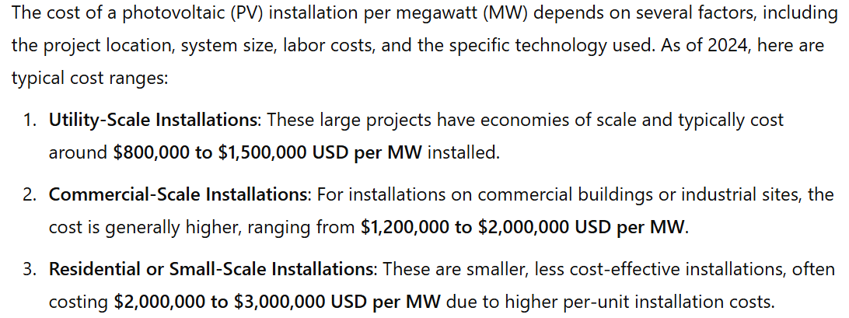
Battery_F | Battery_FCharge | Battery_FDisCharge | Ch | Dis | MW | $/MW | $/MWh
50.029 | 50.029 | 50 | -580 | 0 | 4000
50.043 | 50.043 | 50 | -860 | 0
50.087 | 50.087 | 50 | -1740 | 0
49.853 | 50 | 49.853 | 0 | 2940
49.833 | 50 | 49.833 | 0 | 3340
49.899 | 50 | 49.899 | 0 | 2020
49.858 | 50 | 49.858 | 0 | 2840
50.111 | 50.111 | 50 | -2220 | 0
49.962 | 50 | 49.962 | 0 | 760
49.811 | 50 | 49.811 | 0 | 3780
50.046 | 50.046 | 50 | -920 | 0
49.837 | 50 | 49.837 | 0 | 3260
49.872 | 50 | 49.872 | 0 | 2560
49.836 | 50 | 49.836 | 0 | 3280
49.884 | 50 | 49.884 | 0 | 2320
49.92 | 50 | 49.92 | 0 | 1600
49.919 | 50 | 49.919 | 0 | 1620
49.98 | 50 | 49.98 | 0 | 400
49.961 | 50 | 49.961 | 0 | 780
49.917 | 50 | 49.917 | 0 | 1660
50.164 | 50.164 | 50 | -3280 | 0
50.19 | 50.19 | 50 | -3800 | 0
49.821 | 50 | 49.821 | 0 | 3580
49.844 | 50 | 49.844 | 0 | 3120 |  |  |  | Cost of PV (MW) per day |  |  | 219.17808219

 |  |  |  |  |  |  |  | Cost of batery (MW) per hous ($) |  |  | 2.2831050228
 |  |  |  |  |  |  |  | Cost of batery (MWh) per hous ($) |  |  | 3.4246575342

 |  |  |  |  |  |  |  | Cost of batery (MW) per day ($) |  | 54.794520548 | 55 |  | 137
 |  |  |  |  |  |  |  | Cost of batery (MWh) per day ($) |  | 82.191780822 | 82

 |  |  |  |  |  |  | Total Mhw pRovided | -12640 | MWh |  |  | FCR price | -44 | -0.33057753165

 |  |  |  |  |  |  | Revenew | 556160
 |  |  |  |  |  |  |  |  |  |  |  |  | 556160

 |  |  |  |  |  |  |  |  |  |  |  | CAPEX | 548000

 |  |  |  |  |  |  | Profit | 8160

 |  |  |  |  |  |  | Por cada MW + instalado el nuevo capex es enor que el opex, así el sofware siempe trata de instalar a mayor capacidad posible

 |  |  |  |  |  |  | It should not chargue from the PV, because it will affect the forcast

