LISTA DE PRECIOS
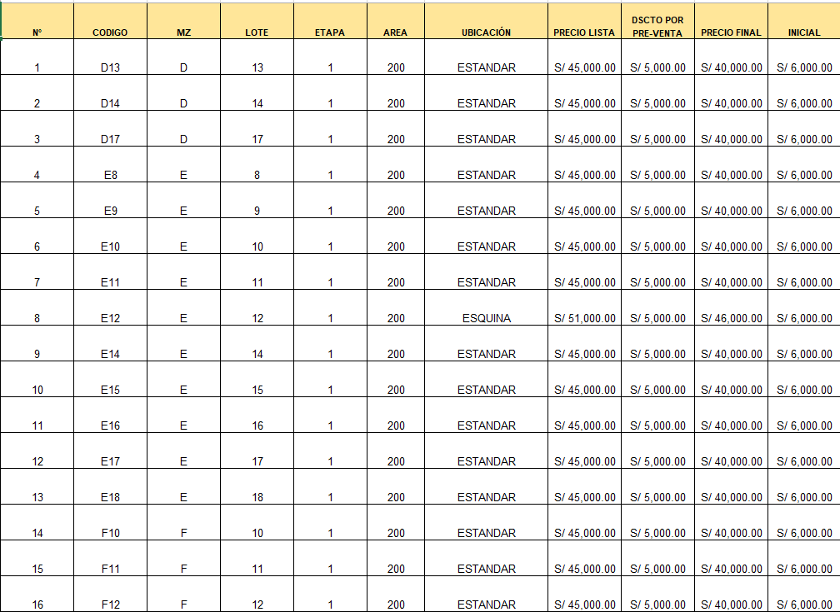
N° | CODIGO | MZ | LOTE | ETAPA | AREA | UBICACIÓN | PRECIO LISTA | DSCTO POR PRE-VENTA | PRECIO FINAL | INICIAL
1 | D13 | D | 13 | 1 | 200 | ESTANDAR | S/ 45,000.00 | S/ 5,000.00 | S/ 40,000.00 | S/ 6,000.00
2 | D14 | D | 14 | 1 | 200 | ESTANDAR | S/ 45,000.00 | S/ 5,000.00 | S/ 40,000.00 | S/ 6,000.00
3 | D17 | D | 17 | 1 | 200 | ESTANDAR | S/ 45,000.00 | S/ 5,000.00 | S/ 40,000.00 | S/ 6,000.00
4 | E8 | E | 8 | 1 | 200 | ESTANDAR | S/ 45,000.00 | S/ 5,000.00 | S/ 40,000.00 | S/ 6,000.00
5 | E9 | E | 9 | 1 | 200 | ESTANDAR | S/ 45,000.00 | S/ 5,000.00 | S/ 40,000.00 | S/ 6,000.00
6 | E10 | E | 10 | 1 | 200 | ESTANDAR | S/ 45,000.00 | S/ 5,000.00 | S/ 40,000.00 | S/ 6,000.00
7 | E11 | E | 11 | 1 | 200 | ESTANDAR | S/ 45,000.00 | S/ 5,000.00 | S/ 40,000.00 | S/ 6,000.00
8 | E12 | E | 12 | 1 | 200 | ESQUINA | S/ 51,000.00 | S/ 5,000.00 | S/ 46,000.00 | S/ 6,000.00
9 | E14 | E | 14 | 1 | 200 | ESTANDAR | S/ 45,000.00 | S/ 5,000.00 | S/ 40,000.00 | S/ 6,000.00
10 | E15 | E | 15 | 1 | 200 | ESTANDAR | S/ 45,000.00 | S/ 5,000.00 | S/ 40,000.00 | S/ 6,000.00
11 | E16 | E | 16 | 1 | 200 | ESTANDAR | S/ 45,000.00 | S/ 5,000.00 | S/ 40,000.00 | S/ 6,000.00
12 | E17 | E | 17 | 1 | 200 | ESTANDAR | S/ 45,000.00 | S/ 5,000.00 | S/ 40,000.00 | S/ 6,000.00
13 | E18 | E | 18 | 1 | 200 | ESTANDAR | S/ 45,000.00 | S/ 5,000.00 | S/ 40,000.00 | S/ 6,000.00
14 | F10 | F | 10 | 1 | 200 | ESTANDAR | S/ 45,000.00 | S/ 5,000.00 | S/ 40,000.00 | S/ 6,000.00
15 | F11 | F | 11 | 1 | 200 | ESTANDAR | S/ 45,000.00 | S/ 5,000.00 | S/ 40,000.00 | S/ 6,000.00
16 | F12 | F | 12 | 1 | 200 | ESTANDAR | S/ 45,000.00 | S/ 5,000.00 | S/ 40,000.00 | S/ 6,000.00
17 | F13 | F | 13 | 1 | 200 | ESTANDAR | S/ 45,000.00 | S/ 5,000.00 | S/ 40,000.00 | S/ 6,000.00
18 | F14 | F | 14 | 1 | 200 | ESTANDAR | S/ 45,000.00 | S/ 5,000.00 | S/ 40,000.00 | S/ 6,000.00
19 | F15 | F | 15 | 1 | 200 | ESTANDAR | S/ 45,000.00 | S/ 5,000.00 | S/ 40,000.00 | S/ 6,000.00
20 | F16 | F | 16 | 1 | 200 | ESTANDAR | S/ 45,000.00 | S/ 5,000.00 | S/ 40,000.00 | S/ 6,000.00
21 | F17 | F | 17 | 1 | 200 | ESTANDAR | S/ 45,000.00 | S/ 5,000.00 | S/ 40,000.00 | S/ 6,000.00
22 | G2 | G | 2 | 2 | 200 | ESTANDAR | S/ 34,000.00 | S/ 5,000.00 | S/ 29,000.00 | S/ 2,000.00
23 | G3 | G | 3 | 2 | 200 | ESTANDAR | S/ 34,000.00 | S/ 5,000.00 | S/ 29,000.00 | S/ 2,000.00
24 | G4 | G | 4 | 2 | 200 | ESTANDAR | S/ 34,000.00 | S/ 5,000.00 | S/ 29,000.00 | S/ 2,000.00
25 | G5 | G | 5 | 2 | 200 | ESTANDAR | S/ 34,000.00 | S/ 5,000.00 | S/ 29,000.00 | S/ 2,000.00
26 | G6 | G | 6 | 2 | 200 | ESTANDAR | S/ 34,000.00 | S/ 5,000.00 | S/ 29,000.00 | S/ 2,000.00
27 | G7 | G | 7 | 2 | 200 | FRENTE CLUB HOUSE | S/ 45,000.00 | S/ 5,000.00 | S/ 40,000.00 | S/ 2,000.00
28 | G10 | G | 10 | 2 | 200 | FRENTE CLUB HOUSE | S/ 45,000.00 | S/ 5,000.00 | S/ 40,000.00 | S/ 2,000.00
29 | G11 | G | 11 | 2 | 200 | FRENTE CLUB HOUSE | S/ 45,000.00 | S/ 5,000.00 | S/ 40,000.00 | S/ 2,000.00
30 | G12 | G | 12 | 2 | 200 | FRENTE CLUB HOUSE | S/ 45,000.00 | S/ 5,000.00 | S/ 40,000.00 | S/ 2,000.00
31 | G13 | G | 13 | 2 | 200 | FRENTE CLUB HOUSE | S/ 45,000.00 | S/ 5,000.00 | S/ 40,000.00 | S/ 2,000.00
32 | G14 | G | 14 | 2 | 200 | FRENTE CLUB HOUSE | S/ 45,000.00 | S/ 5,000.00 | S/ 40,000.00 | S/ 2,000.00
33 | G15 | G | 15 | 2 | 200 | FRENTE CLUB HOUSE | S/ 45,000.00 | S/ 5,000.00 | S/ 40,000.00 | S/ 2,000.00
34 | G16 | G | 16 | 2 | 200 | ESTANDAR | S/ 34,000.00 | S/ 5,000.00 | S/ 29,000.00 | S/ 2,000.00
35 | H2 | H | 2 | 2 | 200.03 | ESTANDAR | S/ 34,004.35 | S/ 5,000.00 | S/ 29,004.35 | S/ 2,000.00
36 | H3 | H | 3 | 2 | 200.03 | ESTANDAR | S/ 34,004.35 | S/ 5,000.00 | S/ 29,004.35 | S/ 2,000.00
37 | H4 | H | 4 | 2 | 200.03 | ESTANDAR | S/ 34,004.35 | S/ 5,000.00 | S/ 29,004.35 | S/ 2,000.00
38 | H5 | H | 5 | 2 | 200.03 | ESTANDAR | S/ 34,004.35 | S/ 5,000.00 | S/ 29,004.35 | S/ 2,000.00
39 | H6 | H | 6 | 2 | 202.44 | ESQUINA | S/ 40,427.00 | S/ 5,000.00 | S/ 35,427.00 | S/ 2,000.00
40 | H7 | H | 7 | 2 | 295.75 | ESTANDAR | S/ 47,883.75 | S/ 5,000.00 | S/ 42,883.75 | S/ 2,000.00
41 | H11 | H | 11 | 2 | 200.03 | FRENTE CLUB HOUSE | S/ 45,006.00 | S/ 5,000.00 | S/ 40,006.00 | S/ 2,000.00
42 | H12 | H | 12 | 2 | 200.03 | FRENTE CLUB HOUSE | S/ 45,006.00 | S/ 5,000.00 | S/ 40,006.00 | S/ 2,000.00
43 | H13 | H | 13 | 2 | 200.03 | FRENTE CLUB HOUSE | S/ 45,006.00 | S/ 5,000.00 | S/ 40,006.00 | S/ 2,000.00
44 | H14 | H | 14 | 2 | 200.03 | FRENTE CLUB HOUSE | S/ 45,006.00 | S/ 5,000.00 | S/ 40,006.00 | S/ 2,000.00
45 | H16 | H | 16 | 2 | 295.75 | ESQUINA FRENTE CLUB HOUSE | S/ 56,756.25 | S/ 5,000.00 | S/ 51,756.25 | S/ 2,000.00
46 | H17 | H | 17 | 2 | 295.75 | ESTANDAR | S/ 47,883.75 | S/ 5,000.00 | S/ 42,883.75 | S/ 2,000.00
47 | I2 | I | 2 | 2 | 200 | ESTANDAR | S/ 34,000.00 | S/ 5,000.00 | S/ 29,000.00 | S/ 2,000.00
48 | I3 | I | 3 | 2 | 200 | ESTANDAR | S/ 34,000.00 | S/ 5,000.00 | S/ 29,000.00 | S/ 2,000.00
49 | I4 | I | 4 | 2 | 200 | ESTANDAR | S/ 34,000.00 | S/ 5,000.00 | S/ 29,000.00 | S/ 2,000.00
50 | I5 | I | 5 | 2 | 200 | ESTANDAR | S/ 34,000.00 | S/ 5,000.00 | S/ 29,000.00 | S/ 2,000.00
51 | I6 | I | 6 | 2 | 200 | ESTANDAR | S/ 34,000.00 | S/ 5,000.00 | S/ 29,000.00 | S/ 2,000.00
52 | I7 | I | 7 | 2 | 200 | FRENTE CLUB HOUSE | S/ 45,000.00 | S/ 5,000.00 | S/ 40,000.00 | S/ 2,000.00
53 | I8 | I | 8 | 2 | 200 | FRENTE CLUB HOUSE | S/ 45,000.00 | S/ 5,000.00 | S/ 40,000.00 | S/ 2,000.00
54 | I9 | I | 9 | 2 | 200 | FRENTE CLUB HOUSE | S/ 45,000.00 | S/ 5,000.00 | S/ 40,000.00 | S/ 2,000.00
55 | I10 | I | 10 | 2 | 200 | FRENTE CLUB HOUSE | S/ 45,000.00 | S/ 5,000.00 | S/ 40,000.00 | S/ 2,000.00
56 | I11 | I | 11 | 2 | 200 | FRENTE CLUB HOUSE | S/ 45,000.00 | S/ 5,000.00 | S/ 40,000.00 | S/ 2,000.00
57 | I12 | I | 12 | 2 | 200 | FRENTE CLUB HOUSE | S/ 45,000.00 | S/ 5,000.00 | S/ 40,000.00 | S/ 2,000.00
58 | I13 | I | 13 | 2 | 200 | FRENTE CLUB HOUSE | S/ 45,000.00 | S/ 5,000.00 | S/ 40,000.00 | S/ 2,000.00
59 | I14 | I | 14 | 2 | 200 | FRENTE CLUB HOUSE | S/ 45,000.00 | S/ 5,000.00 | S/ 40,000.00 | S/ 2,000.00
60 | I15 | I | 15 | 2 | 200 | FRENTE CLUB HOUSE | S/ 45,000.00 | S/ 5,000.00 | S/ 40,000.00 | S/ 2,000.00
61 | I16 | I | 16 | 2 | 200 | ESTANDAR | S/ 34,000.00 | S/ 5,000.00 | S/ 29,000.00 | S/ 2,000.00
62 | I17 | I | 17 | 2 | 200 | ESTANDAR | S/ 34,000.00 | S/ 5,000.00 | S/ 29,000.00 | S/ 2,000.00
63 | J3 | J | 3 | 2 | 200 | FRENTE PARQUE | S/ 36,000.00 | S/ 5,000.00 | S/ 31,000.00 | S/ 2,000.00
64 | J4 | J | 4 | 2 | 200 | FRENTE PARQUE | S/ 36,000.00 | S/ 5,000.00 | S/ 31,000.00 | S/ 2,000.00
65 | J5 | J | 5 | 2 | 200 | FRENTE PARQUE | S/ 36,000.00 | S/ 5,000.00 | S/ 31,000.00 | S/ 2,000.00
66 | J6 | J | 6 | 2 | 200 | FRENTE PARQUE | S/ 36,000.00 | S/ 5,000.00 | S/ 31,000.00 | S/ 2,000.00
67 | J7 | J | 7 | 2 | 200 | FRENTE PARQUE | S/ 36,000.00 | S/ 5,000.00 | S/ 31,000.00 | S/ 2,000.00
68 | J8 | J | 8 | 2 | 200 | FRENTE PARQUE | S/ 36,000.00 | S/ 5,000.00 | S/ 31,000.00 | S/ 2,000.00
69 | J10 | J | 10 | 2 | 200 | ESTANDAR | S/ 34,000.00 | S/ 5,000.00 | S/ 29,000.00 | S/ 2,000.00
70 | J11 | J | 11 | 2 | 200 | ESTANDAR | S/ 34,000.00 | S/ 5,000.00 | S/ 29,000.00 | S/ 2,000.00
71 | J12 | J | 12 | 2 | 200 | ESTANDAR | S/ 34,000.00 | S/ 5,000.00 | S/ 29,000.00 | S/ 2,000.00
72 | J13 | J | 13 | 2 | 200 | ESTANDAR | S/ 34,000.00 | S/ 5,000.00 | S/ 29,000.00 | S/ 2,000.00
73 | J14 | J | 14 | 2 | 200 | ESTANDAR | S/ 34,000.00 | S/ 5,000.00 | S/ 29,000.00 | S/ 2,000.00
74 | J15 | J | 15 | 2 | 200 | ESTANDAR | S/ 34,000.00 | S/ 5,000.00 | S/ 29,000.00 | S/ 2,000.00
75 | J16 | J | 16 | 2 | 200 | ESTANDAR | S/ 34,000.00 | S/ 5,000.00 | S/ 29,000.00 | S/ 2,000.00
76 | J17 | J | 17 | 2 | 200 | ESTANDAR | S/ 34,000.00 | S/ 5,000.00 | S/ 29,000.00 | S/ 2,000.00
77 | J18 | J | 18 | 2 | 200 | ESQUINA | S/ 40,000.00 | S/ 5,000.00 | S/ 35,000.00 | S/ 2,000.00
78 | K2 | K | 2 | 2 | 200.03 | FRENTE PARQUE | S/ 36,004.65 | S/ 5,000.00 | S/ 31,004.65 | S/ 2,000.00
79 | K3 | K | 3 | 2 | 200.03 | FRENTE PARQUE | S/ 36,004.65 | S/ 5,000.00 | S/ 31,004.65 | S/ 2,000.00
80 | K4 | K | 4 | 2 | 200.03 | FRENTE PARQUE | S/ 36,004.65 | S/ 5,000.00 | S/ 31,004.65 | S/ 2,000.00
81 | K5 | K | 5 | 2 | 200.03 | FRENTE PARQUE | S/ 36,004.65 | S/ 5,000.00 | S/ 31,004.65 | S/ 2,000.00
82 | K6 | K | 6 | 2 | 202.44 | ESQ. FRENTE A PARQUE | S/ 42,451.40 | S/ 5,000.00 | S/ 37,451.40 | S/ 2,000.00
83 | K7 | K | 7 | 2 | 200 | ESTANDAR | S/ 34,000.00 | S/ 5,000.00 | S/ 29,000.00 | S/ 2,000.00
84 | K8 | K | 8 | 2 | 200 | ESTANDAR | S/ 34,000.00 | S/ 5,000.00 | S/ 29,000.00 | S/ 2,000.00
85 | K9 | K | 9 | 2 | 200 | ESTANDAR | S/ 34,000.00 | S/ 5,000.00 | S/ 29,000.00 | S/ 2,000.00
86 | K10 | K | 10 | 2 | 200 | ESTANDAR | S/ 34,000.00 | S/ 5,000.00 | S/ 29,000.00 | S/ 2,000.00
87 | K11 | K | 11 | 2 | 200 | ESQUINA | S/ 40,000.00 | S/ 5,000.00 | S/ 35,000.00 | S/ 2,000.00
88 | K12 | K | 12 | 2 | 200 | ESQUINA | S/ 40,000.00 | S/ 5,000.00 | S/ 35,000.00 | S/ 2,000.00
89 | K13 | K | 13 | 2 | 200 | ESTANDAR | S/ 34,000.00 | S/ 5,000.00 | S/ 29,000.00 | S/ 2,000.00
90 | K14 | K | 14 | 2 | 200 | ESTANDAR | S/ 34,000.00 | S/ 5,000.00 | S/ 29,000.00 | S/ 2,000.00
91 | K15 | K | 15 | 2 | 200 | ESTANDAR | S/ 34,000.00 | S/ 5,000.00 | S/ 29,000.00 | S/ 2,000.00
92 | K16 | K | 16 | 2 | 200 | ESTANDAR | S/ 34,000.00 | S/ 5,000.00 | S/ 29,000.00 | S/ 2,000.00
93 | L3 | L | 3 | 2 | 200 | FRENTE PARQUE | S/ 36,000.00 | S/ 5,000.00 | S/ 31,000.00 | S/ 2,000.00
94 | L4 | L | 4 | 2 | 200 | FRENTE PARQUE | S/ 36,000.00 | S/ 5,000.00 | S/ 31,000.00 | S/ 2,000.00
95 | L5 | L | 5 | 2 | 200 | FRENTE PARQUE | S/ 36,000.00 | S/ 5,000.00 | S/ 31,000.00 | S/ 2,000.00
96 | L6 | L | 6 | 2 | 200 | FRENTE PARQUE | S/ 36,000.00 | S/ 5,000.00 | S/ 31,000.00 | S/ 2,000.00
97 | L7 | L | 7 | 2 | 200 | FRENTE PARQUE | S/ 36,000.00 | S/ 5,000.00 | S/ 31,000.00 | S/ 2,000.00
98 | L8 | L | 8 | 2 | 200 | FRENTE PARQUE | S/ 36,000.00 | S/ 5,000.00 | S/ 31,000.00 | S/ 2,000.00
99 | L9 | L | 9 | 2 | 200 | FRENTE PARQUE | S/ 36,000.00 | S/ 5,000.00 | S/ 31,000.00 | S/ 2,000.00
100 | L10 | L | 10 | 2 | 200 | ESTANDAR | S/ 34,000.00 | S/ 5,000.00 | S/ 29,000.00 | S/ 2,000.00
101 | L11 | L | 11 | 2 | 200 | ESTANDAR | S/ 34,000.00 | S/ 5,000.00 | S/ 29,000.00 | S/ 2,000.00
102 | L12 | L | 12 | 2 | 200 | ESTANDAR | S/ 34,000.00 | S/ 5,000.00 | S/ 29,000.00 | S/ 2,000.00
103 | L13 | L | 13 | 2 | 200 | ESTANDAR | S/ 34,000.00 | S/ 5,000.00 | S/ 29,000.00 | S/ 2,000.00
104 | L14 | L | 14 | 2 | 200 | ESTANDAR | S/ 34,000.00 | S/ 5,000.00 | S/ 29,000.00 | S/ 2,000.00
105 | L15 | L | 15 | 2 | 200 | ESTANDAR | S/ 34,000.00 | S/ 5,000.00 | S/ 29,000.00 | S/ 2,000.00
106 | L16 | L | 16 | 2 | 200 | ESTANDAR | S/ 34,000.00 | S/ 5,000.00 | S/ 29,000.00 | S/ 2,000.00
107 | L17 | L | 17 | 2 | 200 | ESTANDAR | S/ 34,000.00 | S/ 5,000.00 | S/ 29,000.00 | S/ 2,000.00
108 | L18 | L | 18 | 2 | 200 | ESQUINA | S/ 40,000.00 | S/ 5,000.00 | S/ 35,000.00 | S/ 2,000.00
109 | M1 | M | 1 | 3 | 202.50 | ESQUINA | S/ 34,362.50 | S/ 5,000.00 | S/ 29,362.50 | S/ 2,000.00
110 | M2 | M | 2 | 3 | 200 | ESTANDAR | S/ 30,000.00 | S/ 5,000.00 | S/ 25,000.00 | S/ 2,000.00
111 | M3 | M | 3 | 3 | 200 | ESTANDAR | S/ 30,000.00 | S/ 5,000.00 | S/ 25,000.00 | S/ 2,000.00
112 | M4 | M | 4 | 3 | 200 | ESTANDAR | S/ 30,000.00 | S/ 5,000.00 | S/ 25,000.00 | S/ 2,000.00
113 | M5 | M | 5 | 3 | 200 | ESTANDAR | S/ 30,000.00 | S/ 5,000.00 | S/ 25,000.00 | S/ 2,000.00
114 | M6 | M | 6 | 3 | 200 | ESTANDAR | S/ 30,000.00 | S/ 5,000.00 | S/ 25,000.00 | S/ 2,000.00
115 | M7 | M | 7 | 3 | 200 | ESTANDAR | S/ 30,000.00 | S/ 5,000.00 | S/ 25,000.00 | S/ 2,000.00
116 | M8 | M | 8 | 3 | 200 | ESTANDAR | S/ 30,000.00 | S/ 5,000.00 | S/ 25,000.00 | S/ 2,000.00
...

